Flash Allocation
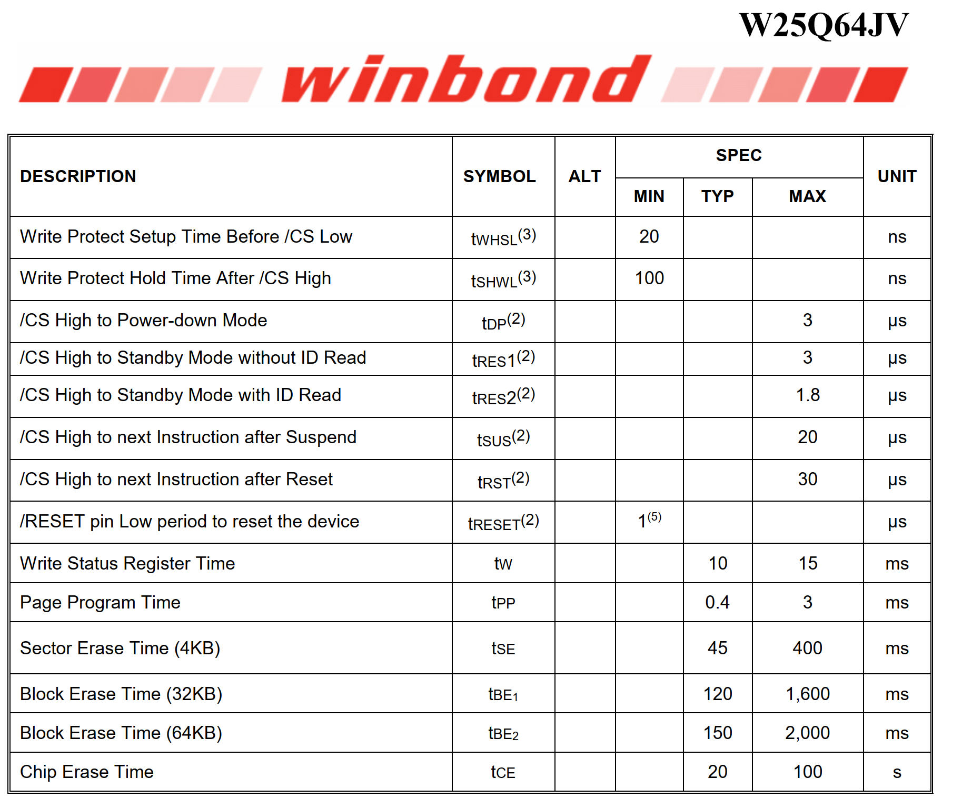
SPI Flash is the W25Q64JV, 64Mbit, QSPI @133Mhz
 | Size | 64 | Mbit
 |  | 8 | Mbyte
 |  | 8192 | kbytes | 81.11 | % full
 | Sector size | 4 | kbytes
 | Number of sectors | 2097152 | sectors

Planned space usage |  |  |  | Sectors
 | KV Store | 32 | kbytes | 8
 | File system | 0 | kbytes | 0
 | Display assets | 359.41 | kbytes | 90 |  | Calculated on Display tab
 | Data store | 6253.24 | kbytes | 1564 |  | Calculated on Data tab

Not planned
 | DFU space

Planned time usage
 | KV Store | neglible
 | File system | deoebds on use
 | Display assets | 0.12288 | % | Flash read time is limited by SPI clock frequency
 | Data store | 82.20 | % of available time spent writing and erasing flash

