1. Title Page
[Instacart data wrangling]

Project Name: Instacart Data Wrangling
Date: 20221005
Analyst Name: Arturas Sadauskas

Contents:
Population Flow
Consistency checks
Wrangling steps
Column derivations
Visualizations
Recommendations

Citation
“The Instacart Online Grocery Shopping Dataset 2017”, Accessed from https://www.instacart.com/datasets/grocery-shopping-2017 on 07/04/2022

2. Population Flow
Title page

Population flow

Exclusion flag
Condition: max_order < 5
Obervations to be removed: 1440295
Final total count of order_products_all: 30964564

Orders_products_combined
Orders_products_merged
Orders_products_all

Total: 32404859
Total: 32434489
Total:32404859

1.) The grey boxes in the first row of the population flow represent the original data sets as they were when you downloaded them. In the Total fields you need to add the count of the rows when you imported the data set into Jupyter.
2.) The second row of boxes (coloured) represents the data sets after you manipulated them, e.g., removed missing values and duplicates. In the Total fields you need to add the count of the rows after conducting these operations. This offers a visual oveview of how the data flows throughout the data consistency checks.
3.) The third row, where also the arrows are coloured, represents the merges you performed between the datasets. In the Total fields you need to add the count of the rows in the merged datasets, so that you end up with the final dataset (in the red box). Keep in mind the final dataset should be without exclusions (based on the exclusion flag).

3. Consistency checks
 |  |  |  | Title page
Consistency checks

Dataset | Missing values | Missing values treatment | Duplicates
orders | 206209 missing values | x | no duplicates
products | 16 values | removed | 5 records removed
orders_products_prior | x | x | x
customers | x | x | x

4. Wrangling steps
 |  |  |  |  | Title page
Wrangling steps

Dataset | Columns dropped | Columns renamed | Columns' type changed | Comment/Reason
Orders | eval_set |  |  | not necessary
 |  | order_dow' -> 'orders_day_of_week
 |  |  | order_id-> STR | to work as foreign_key
Order_products_all | first_name |  |  | PII issues
 | last_name |  |  | PII issues

customers | Gender -> gender |  |  | uniform
 | Age -> age |  |  | uniform
 | STATE -> state

5. Column derivations
 |  |  |  | Title page

Column derivations and aggregations

In this tab you should add tables below that the frequences of flags/label variables that you produced after deriving them. NB: don't do this for continuous variables, only for flags.
Dataset | New column | Column/s it was derived from | Conditions
ords_prods_merged | price_range | prices | def price_label(row): if row['prices'] <= 5: return 'Low-range product' elif (row['prices'] > 5) and (row['prices'] <= 15): return 'Mid-range product' elif row['prices'] > 15: return 'High range' else: return 'Not enough data'
ords_prods_merged | busiest_day | order_dow | result = [] for value in ords_prods_merged["order_dow"]: if value == 0: result.append("Busiest day") elif value == 4: result.append("Least busy") else: result.append("Regularly busy")
ords_prods_merged | busy_hour | order_hour_of_day | #Create if-statement for loops with step criteria result = [] for value in ords_prods_merged["order_hour_of_day"]: if value in (10,11,14,15,13,12,16): result.append("Most orders") elif value in (6,0,1,5,2,4,3): result.append("Fewer orders") elif value in (9,17,8,18,19,20,7,21,22,23): result.append("Average orders") else: result.append("Not enough data")
ords_prods_merged | loyalty_flag | max_order | df.loc[df['max_order']>40, 'loyalty_flag'] = 'Loyal_customer' df.loc[(df['max_order']>10) & (df['max_order']<=40), 'loyalty_flag'] = 'Regular_customer' df.loc[df['max_order']<=10, 'loyalty_flag'] = 'New_customer'
ords_prods_merged | frequency_flag | order_frequency | ords_prods_merge.loc[ords_prods_merge['order_frequency']> 20, 'frequency_flag'] = 'Non-frequent customer' ords_prods_merge.loc[(ords_prods_merge['order_frequency']<=20) & (ords_prods_merge['order_frequency']>10) , 'frequency_flag'] = 'Regular customer' ords_prods_merge.loc[ords_prods_merge['order_frequency']<=10, 'frequency_flag'] = 'Frequent customer'
ords_prods_merged | spender_type | prices | ords_prods_merge.loc[ords_prods_merge['prices']>= 10, 'spender_type'] = 'High-spender' ords_prods_merge.loc[ords_prods_merge['prices']<10, 'spender_type'] = 'Low-spender'
df_insta_v49 | region | state | Northeast=['Maine','New Hampshire','Vermont','Massachusetts','Rhode Island','Connecticut','New York','Pennsylvania' ,'New Jersey'] Midwest=['Wisconsin','Michigan','Illinois','Indiana','Ohio','North Dakota','South Dakota','Nebraska','Kansas' ,'Minnesota','Iowa','Missouri'] South=['Delaware','Maryland','District of Columbia','Virginia','West Virginia','North Carolina','South Carolina' ,'Georgia','Florida','Kentucky','Tennessee','Mississippi','Alabama','Oklahoma','Texas','Arkansas','Louisiana'] West=['Idaho','Montana','Wyoming','Nevada','Utah','Colorado','Arizona','New Mexico','Alaska','Washington','Oregon', 'California','Hawaii'] #Create loop for region column result=[] for state in df['state']: if state in Northeast: result.append('Northeast') elif state in Midwest: result.append('Midwest') elif state in South: result.append('South') elif state in West: result.append ('West') else: result.append ('Not_found')
df_cfo | activity_level | max_order | def activity_lvl(row): if row['max_order'] < 5: return 'low_activity' else: return 'normal_activity'
df_insta_v49 | shopper_time_habits | order_hour_of_day | Early=[5, 6, 7] Morning=[8, 9, 10, 11, 12] Afternoon=[13, 14, 15, 16,] Evening=[17, 18, 19, 20, 21, 22] Night=[23, 0, 1, 2, 3, 4] result=[] for order_hour_of_day in df['order_hour_of_day']: if order_hour_of_day in Early: result.append('Early_morning_shopper') elif order_hour_of_day in Morning: result.append('Morning_shopper') elif order_hour_of_day in Afternoon: result.append('Afternoon_shopper') elif order_hour_of_day in Evening: result.append ('Evening_shopper') elif order_hour_of_day in Night: result.append('Night_shopper') else: result.append ('Not_found')
df_insta_v49 | income_profile | income | df.loc[df['income']<=52200, 'income_profile']='low' df.loc[(df['income']<=156600)&(df['income']>52000), 'income_profile']='middle' df.loc[df['income']>156600, 'income_profile']='high' df['income_profile'].value_counts(dropna=False)
df_insta_v49 | baby_status | department_id | #Create flag for purchases that have baby food department in it df['baby_status'] = [1 if x == 18 else 0 for x in df['department_id']] df['baby_status']=df.groupby(['user_id'])['baby_status'].transform(np.max) df['baby_status'].value_counts(dropna=False)
df_insta_v49 | alcohol_status | department_id | df['alcohol_status'] = ["drinker" if x == 5 else "non-drinker" for x in df['department_id']] df['alcohol_status']=df.groupby(['user_id'])['alcohol_status'].transform(np.max) df['alcohol_status'].value_counts(dropna=False)
df_insta_v49 | has_dep | n_dependants | df['has_dependants'] = ["has_dep" if x > 0 else "no_dep" for x in df['n_dependants']] df['has_dependants']=df.groupby(['user_id'])['has_dependants'].transform(np.max) df['has_dependants'].value_counts(dropna=False)

6. Visualizations
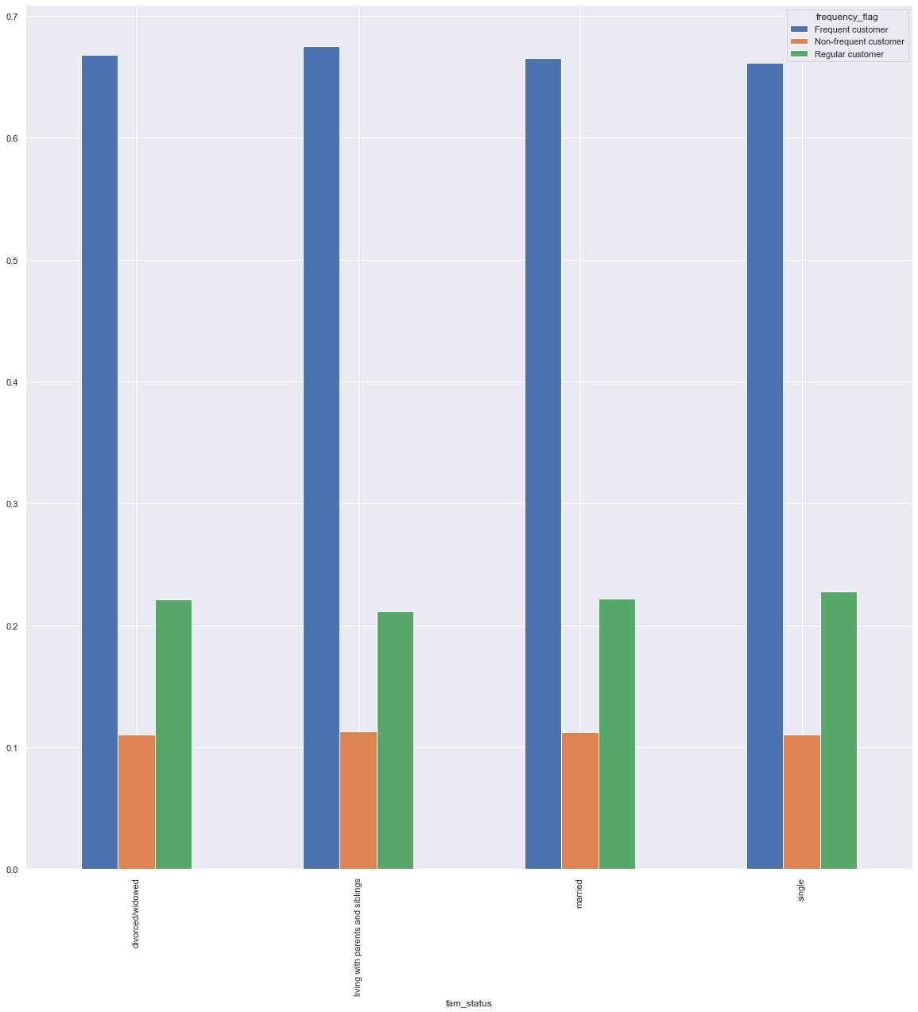
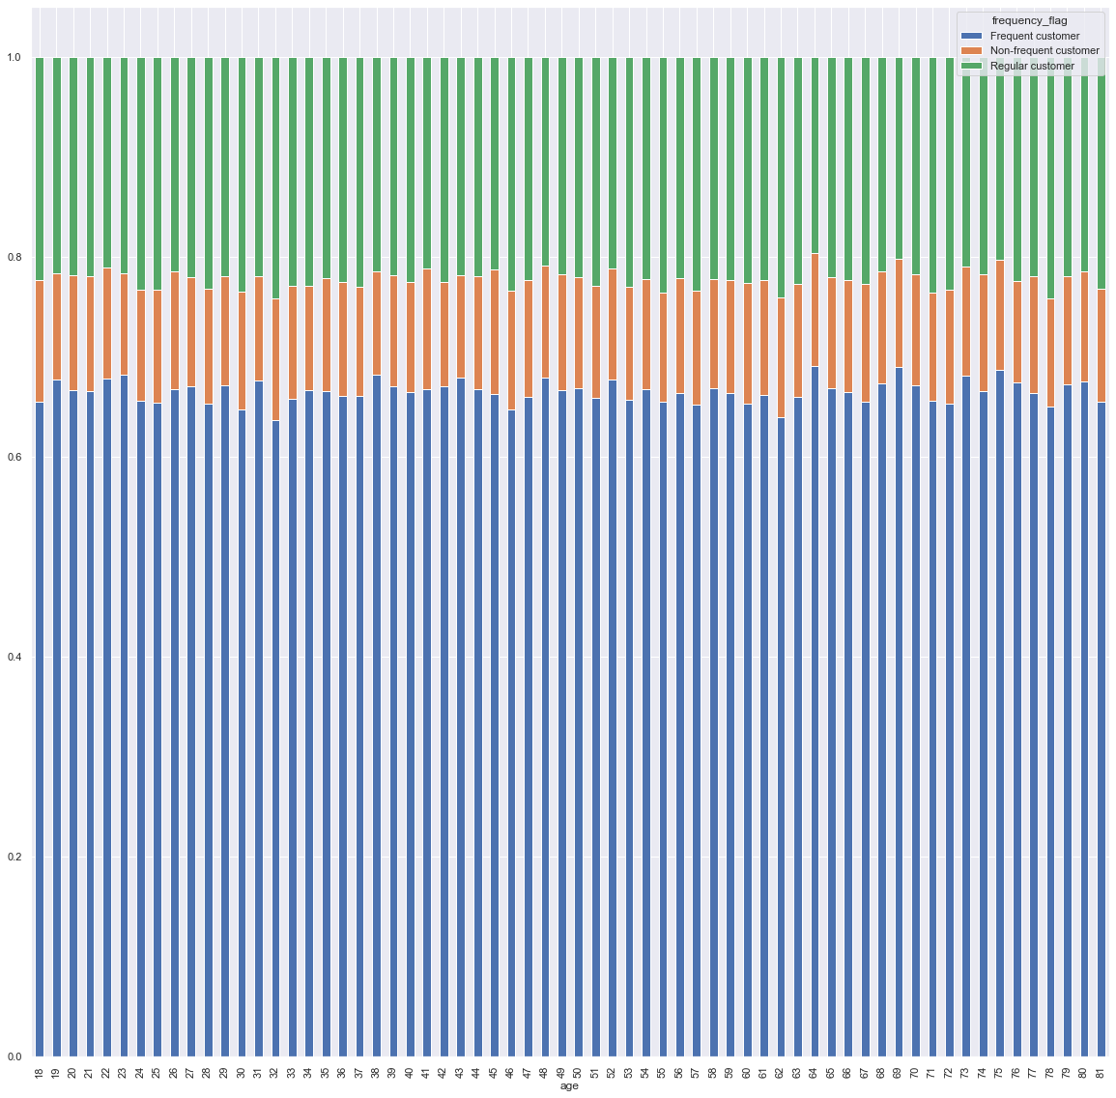
 | Title page

Visualisations

In this tab you should include all the visualtions from Exercises 4.9 and 4.10, alongside the questions from the project brief that they answer. Include any commentary on the relationship between different variables.

Key Questions

● The sales team needs to know what the busiest days of the week and hours of the day are (i.e., the days and times with the most orders) in order to schedule ads at times when there are fewer orders.
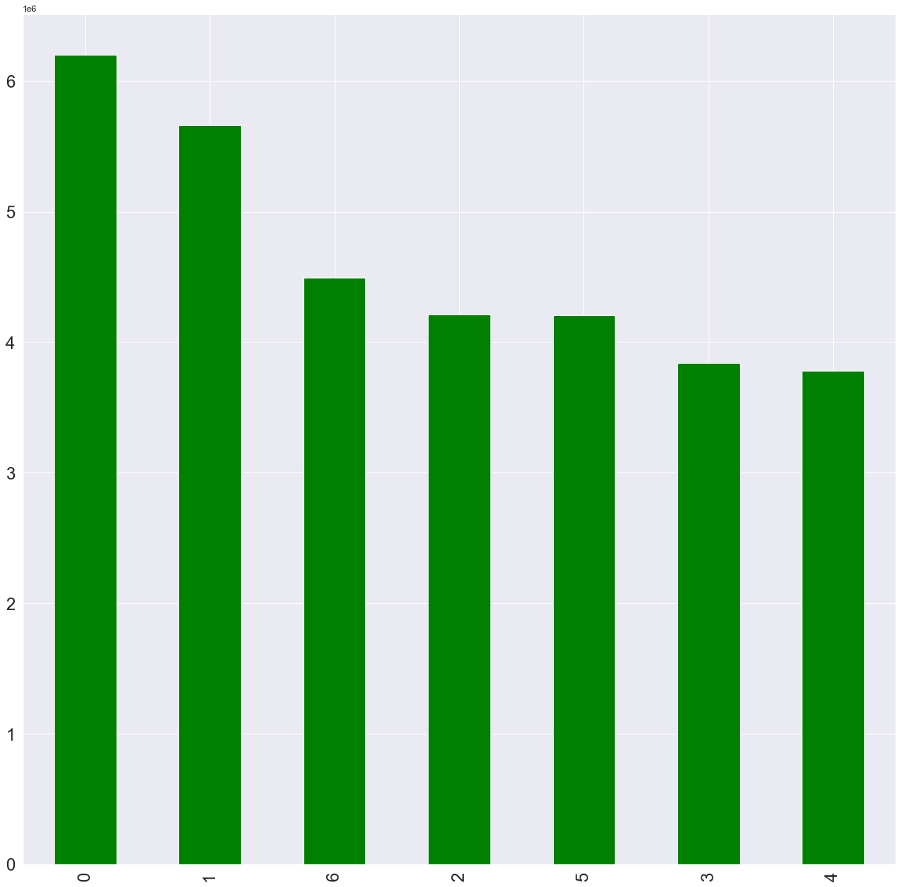

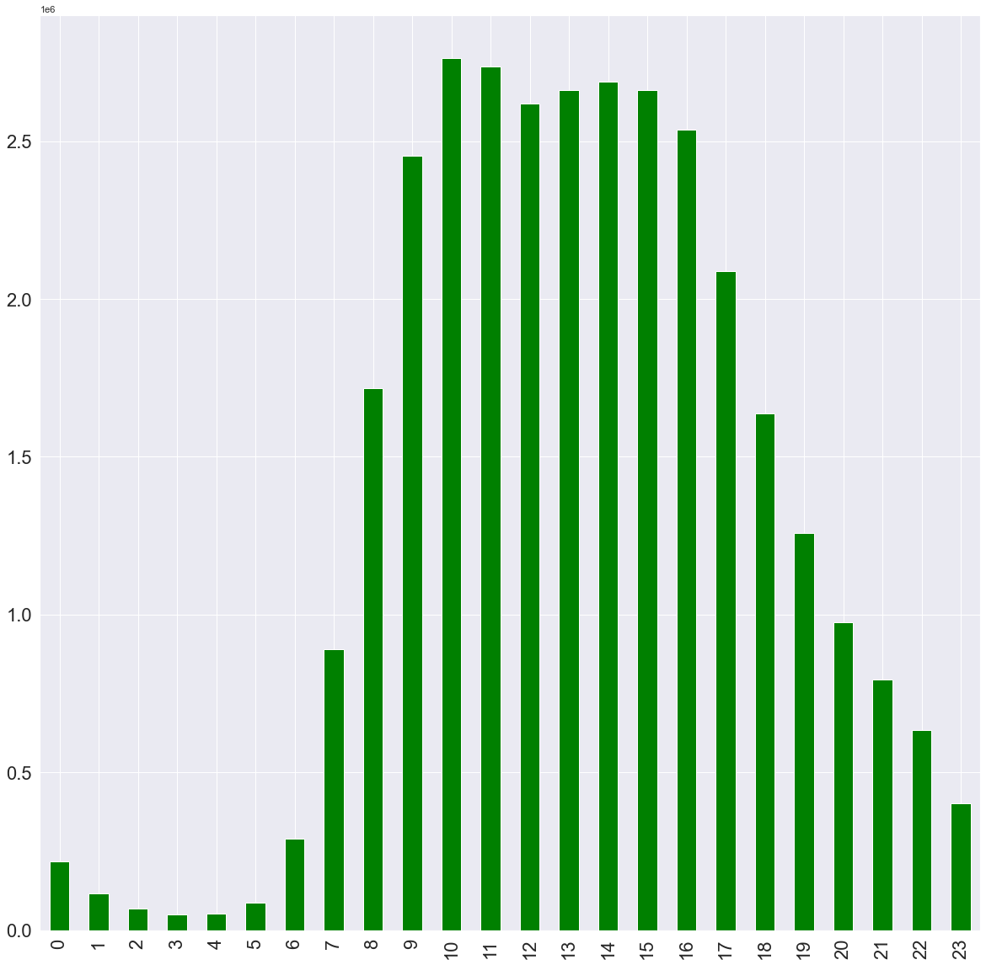

● They also want to know whether there are particular times of the day when people spend the most money, as this might inform the type of products they advertise at these times.
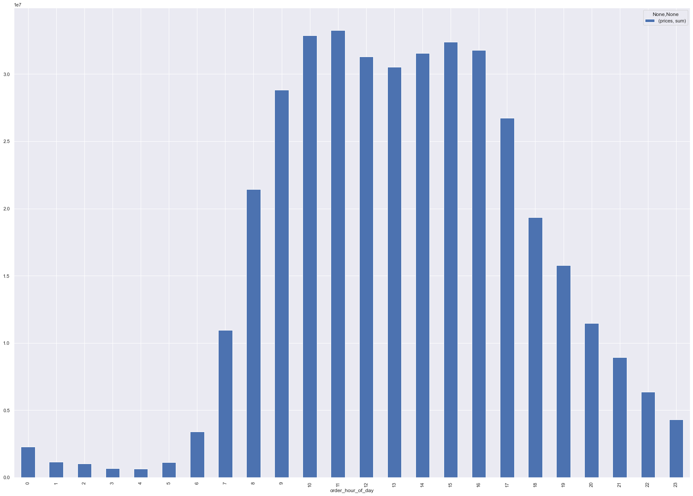

● Instacart has a lot of products with different price tags. Marketing and sales want to use

simpler price range groupings to help direct their efforts.

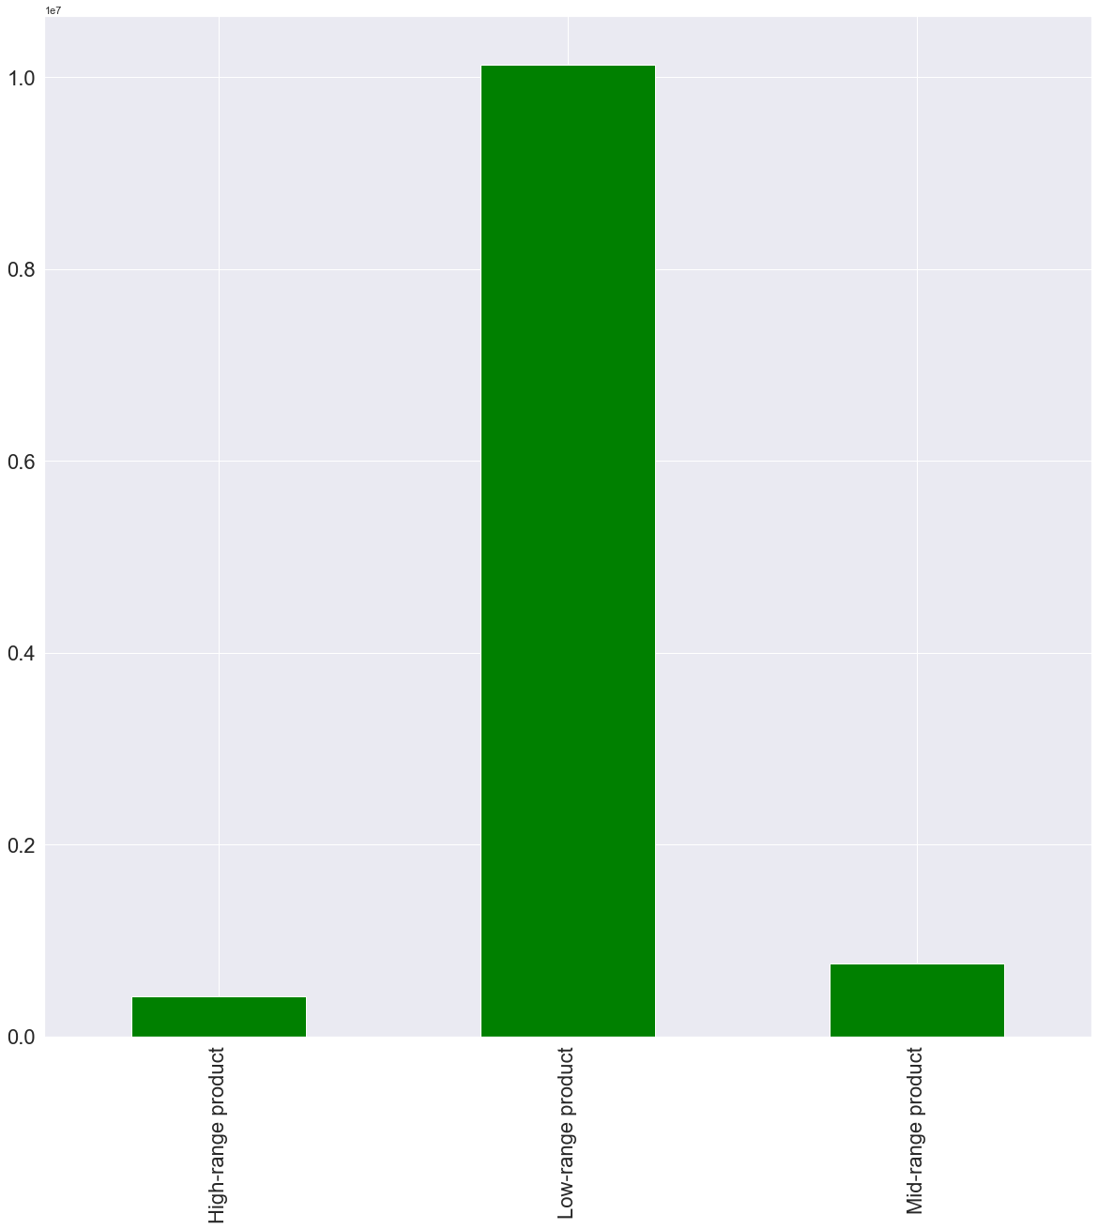

● Are there certain types of products that are more popular than others? The marketing

and sales teams want to know which departments have the highest frequency of product

orders.
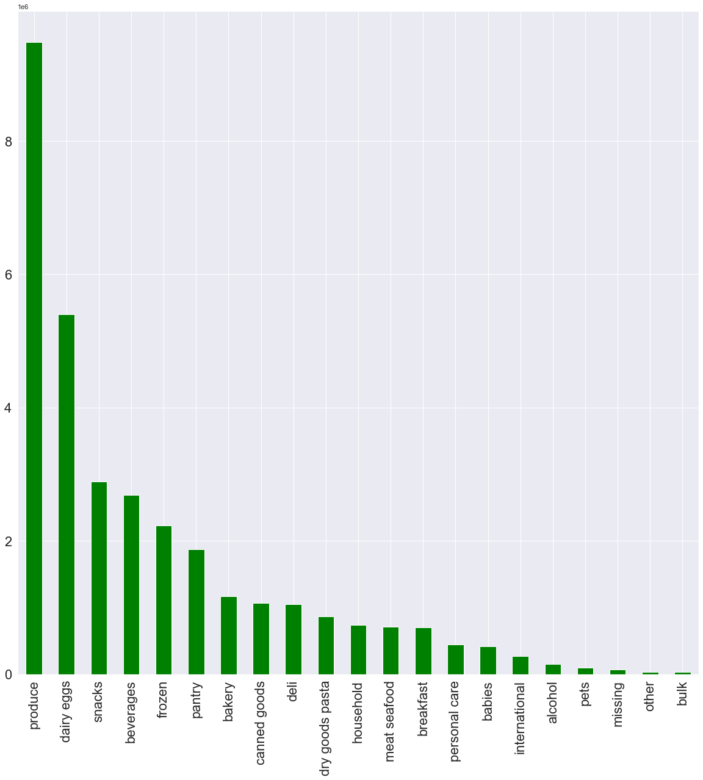

● The marketing and sales teams are particularly interested in the different types of

customers in their system and how their ordering behaviors differ. For example:

● What’s the distribution among users in regards to their brand loyalty (i.e., how

often do they return to Instacart)?
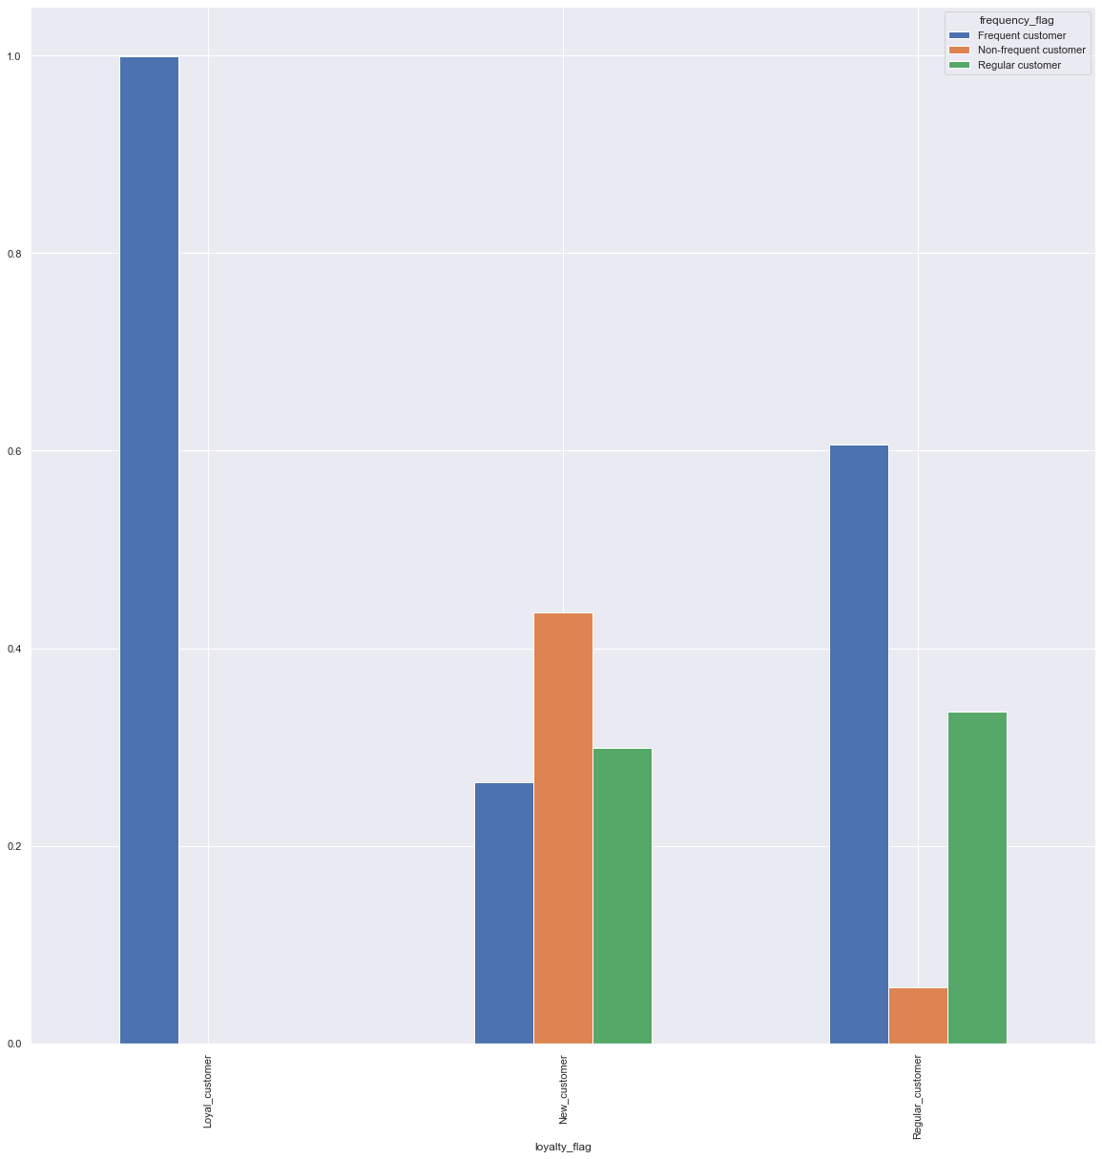

● Are there differences in ordering habits based on a customer’s loyalty status?
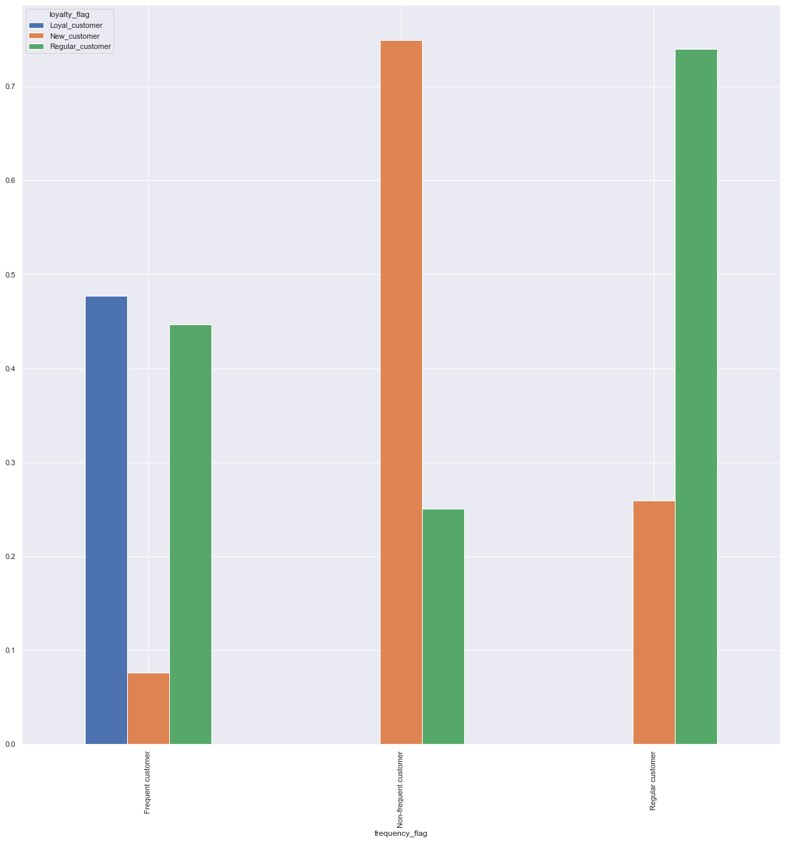

● Are there differences in ordering habits based on a customer’s region?
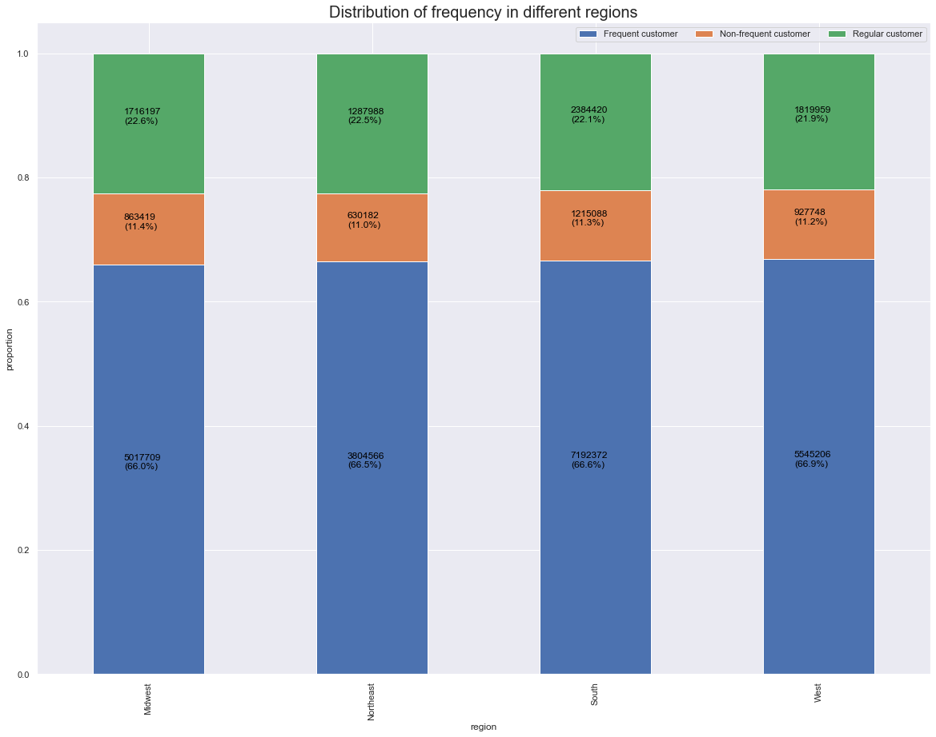

● Is there a connection between age and family status in terms of ordering habits?

7. Recommendations
 |  | Title page

Recommendations

In this tab you should include any recommendations you would made to Instcart in terms of their marketing strategy based on the questions posed in the brief. Every key question has been covered in the Tasks of the Exercises - here you need to add an item - a visualisation or table/crosstable that is showing the answer in the data, acompanied by a comment from you. Please, list the questions below and add the answer underneath.

Question | Answer
● The sales team needs to know what the busiest days of the week and hours of the day are (i.e., the days and times with the most orders) in order to schedule ads at times when there are fewer orders. | Most busy days are: Saturday Sunday Friday & Monday Busiest hours to schedule ads are: 10 to 16. Ads should be schedules outside these days OR/AND hours.
● They also want to know whether there are particular times of the day when people spend the most money, as this might inform the type of products they advertise at these times. | Same as freuquency, most money spent is between 10 and 16. Marketing efforts should be diverted during these times.
● Instacart has a lot of products with different price tags. Marketing and sales want to use simpler price range groupings to help direct their efforts. | Products were categorized into categories into by price catgories: -up to 5 usd -between 5.01 and 15 usd -and above 15 usd Most of it the products are in the first category "Low price range" up to 5 usd. Most efforts should focused low price range where majority of sold products are.
Are there certain types of products that are more popular than others? The marketing and sales teams want to know which departments have the highest frequency of product orders. | TOP3 categories are: 1. Produce 2. Dairy, eggs 3. Snacks
What’s the distribution among users in regards to their brand loyalty (i.e., how often do they return to Instacart)? | It seems that most loyal customers are are most frequent with more than 40 orders in total. Regular customer are second frequent customers with with order count between 10-39. Least loyal customers are new customers whith order count up to 10 orders total.
● Are there differences in ordering habits based on a customer’s loyalty status? | Yes, there are differences in ordering habits based on loyalty as follows: 1. Most loyal customers - are most frequent customers (more than 20 orders) 2. Reguler customers' ordering frequency are most frequent(2/3 of all customers have 20 order or more and regular customers (1/3 in terms of frequency have have ordered between 10-20 times) in terms of ordering habits. 3. New customers have very similar frequency distribution.
● Are there differences in ordering habits based on a customer’s region? | It looks like there is no difference in ordering habits between regions. Percentage distribution of ordering frequency is very similar. Hence marketing can use same type campaigns to target based on ordering frequency.

● Is there a connection between age and family status in terms of ordering habits? | There is no difference in shopping habbits between different family statuses in terms of frequency, distributions look very similar. Moreover, there is no clear connection in between age and order frequency.

