Index
 |  | Web Application Security Assessment - J&K Bank

VULNERABILITY DISTRIBUTION FOR WEB SECURITY ASSESSMENT

Report Name | Instantloans JKBank Web Security Assessment
API | Instantloans JKB Portal
Consultant | Satyanarayan
Review by | Bhupendra Singh Sisodiya
Client Name | J&K Bank
Scope | Click here
Activity Duration | 19th Jan 2026 - 27th Jan 2026

Severity | Vulnerability Count
High | 0
Medium | 1
Low | 1
Total | 2
 |  |  | Domain | Initial Observation Submission Date | Web URL | High | Medium | Low | Total
 |  |  | Web Security Assessment | 27th Jan 2026 | https://instantloans.jkb.bank.in/lendperfect/bankerlogin | 0 | 1 | 1 | 2

POCs
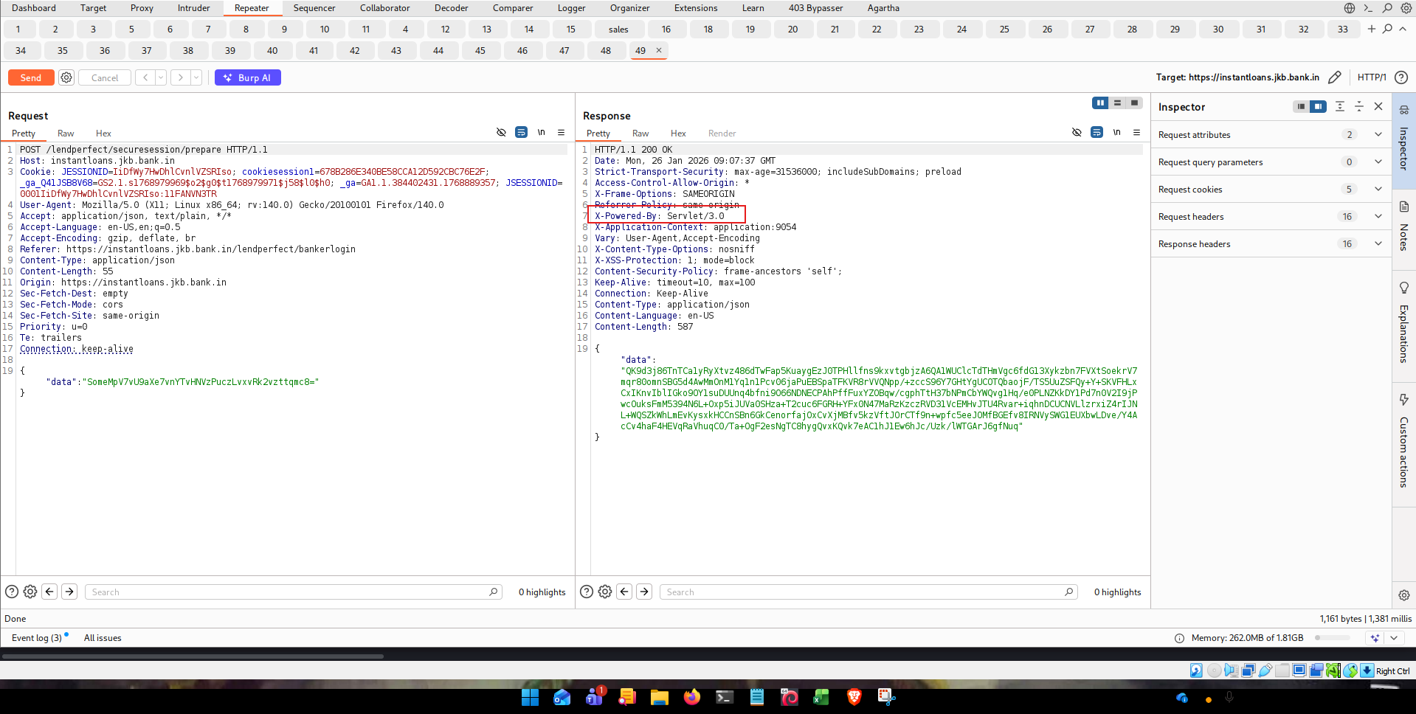
S. No. | Severity | Vulnerability
1 | Medium | Senstive Endpoints Disclosed
Step 1: dirsearch tool was showing senstive endpoints as shown in screenshot below

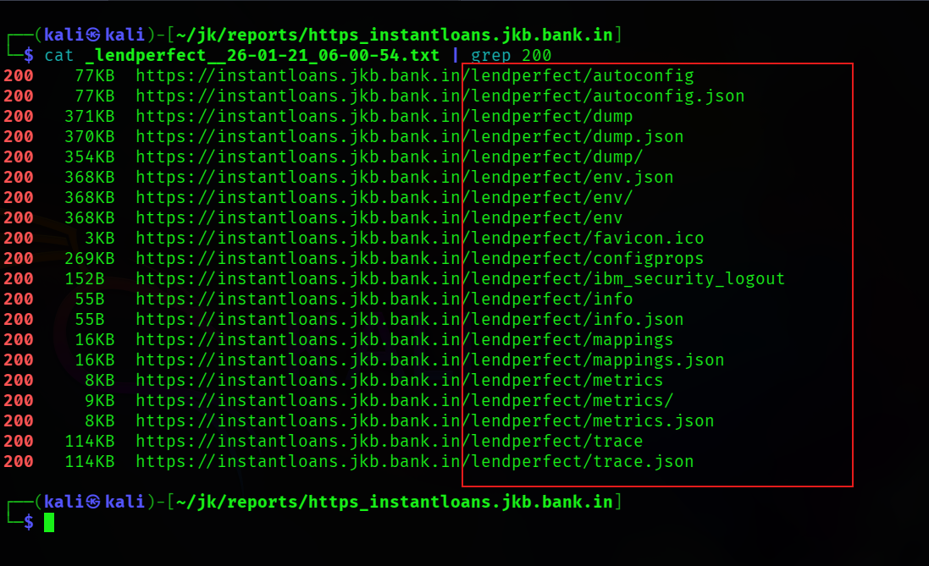

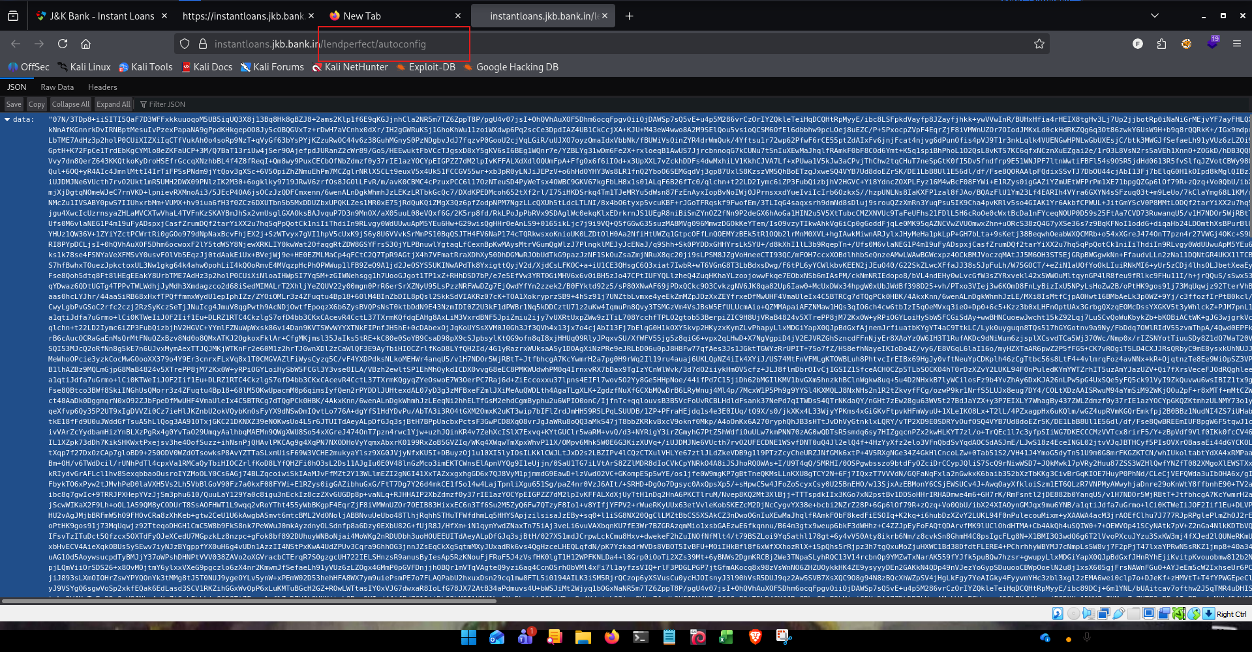

S. No. | Severity | Vulnerability
1 | Low | Veriosn Discloser
Step 1: server was disclosing jsp version info in response header

