Instructions
NB: | The postcodes and ages given in the Fuel Poverty and Clinical Risk worksheet are randomly selected and are not representative of any individual living in those postcodes.

Step 1: | Add a vlookup to the original data to lookup up the poverty risk by postcode of patient
 | In the worked example you will see in cell D2 the formula is =IF(ISERROR(VLOOKUP(B2,'Fuel Poverty (1 = Highest Risk)'!$A:$F,5,FALSE)),"Unmatched",VLOOKUP(B2,'Fuel Poverty (1 = Highest Risk)'!$A:$F,5,FALSE))
 | This formula means that it will look for the postcode in cell B2 on the Fuel Poverty and Clinical Risk sheet in the range $A:$F (i.e all cells in columns A through to F) on the Fuel Poverty sheet and return the 5th column (i.e. the fuel poverty risk where 1 is the highest risk)
Step 2: | Sort the resulting data by fuel poverty risk ascending and age descending using the Custom Sort menu item

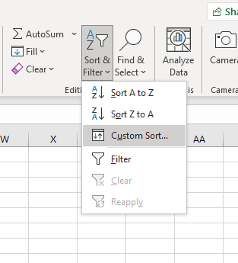

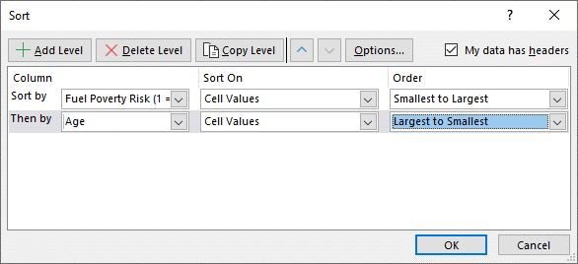

Step 3: | The resulting list will be the respiratory high risk list in order of priority

