Summary
Apple | Microsoft

 | Sales Growth (%)
Sep '07 | 24%
Sep '08 | 35%
Sep '09 | 12%
Sep '10 | 79%
Sep '11 | 67%
Sep '12 | 44%
Sep '13 | 10%
Sep '14 | 7%
Sep '15 | 26%
 | Sales Growth (%)
Jun '08 | 18.37%
Jun '09 | -4.58%
Jun '10 | 7.71%
Jun '11 | 12.84%
Jun '12 | 5.43%
Jun '13 | 5.29%
Jun '14 | 11.69%
Jun '15 | 7.20%
Jun '16 | -8.90%

 | Net Income Growth (%)
Sep '07 | 76%
Sep '08 | 38%
Sep '09 | 18%
Sep '10 | 146%
Sep '11 | 85%
Sep '12 | 61%
Sep '13 | -11%
Sep '14 | 7%
Sep '15 | 35%
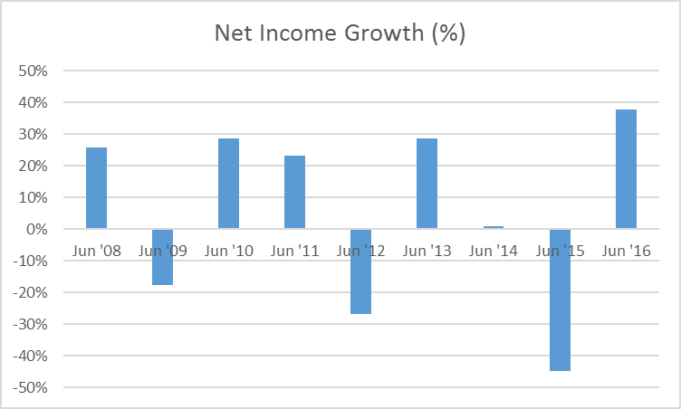

 | Long-Term Debt Growth (%)
Sep '07 | 0%
Sep '08 | 0%
Sep '09 | 0%
Sep '10 | 0%
Sep '11 | 0%
Sep '12 | 0%
Sep '13 | 0%
Sep '14 | 71%
Sep '15 | 84%
 | Long-Term Debt Growth (%)
Jun '08 | 0%
Jun '09 | 0%
Jun '10 | 32%
Jun '11 | 141%
Jun '12 | -10%
Jun '13 | 18%
Jun '14 | 64%
Jun '15 | 35%
Jun '16 | 47%

 | SG&A Expense as a % of sales Growth (%)
Sep '07 | 4.63%
Sep '08 | -16.80%
Sep '09 | 19.18%
Sep '10 | -23.38%
Sep '11 | -19.81%
Sep '12 | -20.60%
Sep '13 | 7.56%
Sep '14 | 15.80%
Sep '15 | -14.70%
 | SG&A Expense as a % of sales Growth (%)
Jun '08 | -3.23%
Jun '09 | 8.22%
Jun '10 | -4.86%
Jun '11 | -7.03%
Jun '12 | -1.55%
Jun '13 | 3.71%
Jun '14 | -7.05%
Jun '15 | -5.67%
Jun '16 | 5.97%

 | Operating Cash Flow Growth (%)
Sep '07 | 45.99%
Sep '08 | 22.93%
Sep '09 | 157.69%
Sep '10 | 89.33%
Sep '11 | 55.48%
Sep '12 | -5.25%
Sep '13 | 11.08%
Sep '14 | 26.28%
Sep '15 | -5.53%
 | Operating Cash Flow Growth (%)
Jun '08 | 41.09%
Jun '09 | -13.57%
Jun '10 | 15.40%
Jun '11 | 24.55%
Jun '12 | 2.59%
Jun '13 | -2.05%
Jun '14 | 8.41%
Jun '15 | -0.15%
Jun '16 | -10.55%

 | Free Cash Flow Growth (%)
Jun '08 | 18.66%
Jun '09 | -13.63%
Jun '10 | 38.81%
Jun '11 | 11.51%
Jun '12 | 19.00%
Jun '13 | -16.18%
Jun '14 | 8.83%
Jun '15 | -13.50%
Jun '16 | 7.98%
 | Free Cash Flow Growth (%)
Sep '07 | 79.62%
Sep '08 | 6.00%
Sep '09 | 84.03%
Sep '10 | 100.54%
Sep '11 | 27.93%
Sep '12 | 6.91%
Sep '13 | 10.20%
Sep '14 | 39.64%
Sep '15 | -27.45%

