Sheet1
The purpose of this notebook is to quickly calculate the theorectical collection efficiency of a RRDE as described by Bard & Faulkner in Electrochemical Methods: Fundamentals and Applications p.351

Parameters |  |  | F(θ) |  | N - collection efficiency
r1 | 4 | mm | F(a/b) | 0.52458286115 | 0.45092280595
r2 | 5 | mm | F(a) | 0.72334357956 | 45.092280595 | %
r3 | 7 | mm | F((a/b)*(1+a+b)) | 0.78749132286

alpha | 0.953125
beta | 3.40625

alpha/beta | 0.27981651376
(a/b)*(1+a+b) | 1.4996416284

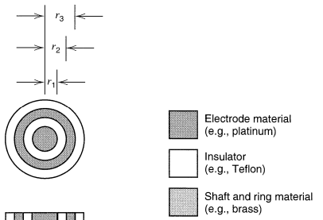
$$N=1−F\left(\frac{α}{β}\right)+β^{\frac{2}{3}}\left(1−F\left(α\right)\right)−{\left(1+α+β\right)}^{\frac{2}{3}}\left(1−F\left(\left(\frac{α}{β}\right)\left(1+α+β\right)\right)\right)$$

$$F\left(θ\right)=\left(\frac{\sqrt{3}}{4π}\right)\ln\left[\frac{{\left(1+θ^{\frac{1}{3}}\right)}^{3}}{1+θ}\right]+\frac{3}{2π}\tan^{−1}\left(\frac{2θ^{\frac{1}{3}}−1}{3^{\frac{1}{2}}}\right)+\frac{1}{4}$$

$$α={\left(\frac{r_{2}}{r_{1}}\right)}^{3}−1$$
$$β=\frac{r_{3}^{3}}{r_{1}^{3}}−\frac{r_{2}^{3}}{r_{1}^{3}}$$

Bard, A. J., Faulkner, L. R. (2001). Electrochemical Methods: Fundamentals and Applications p.348. Wiley.

