Annotated
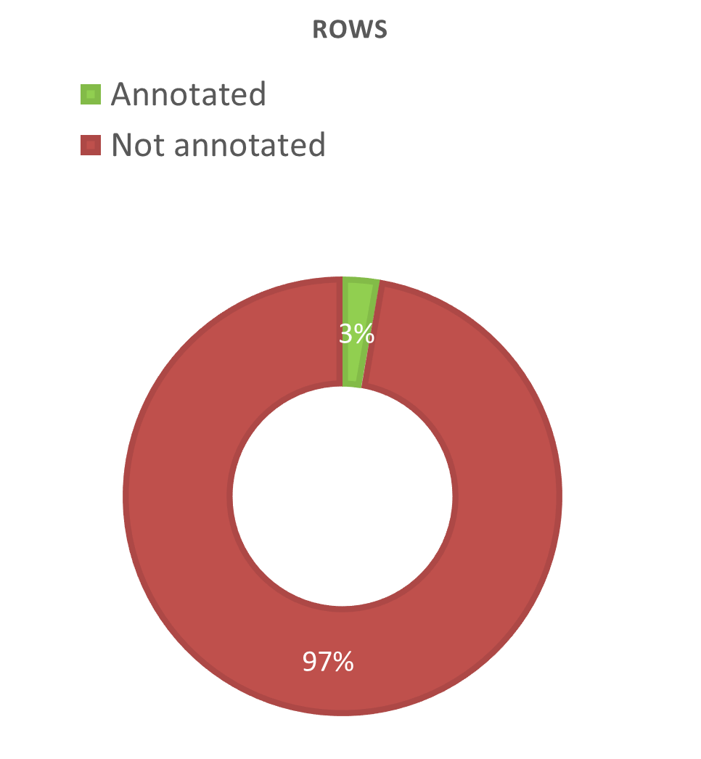
Lipid | Group ID | RT | m/z | Classification OK? | Adducts OK? | Observations
TG 16:0_18:1_18:2 | 153 | 14.24 | 874.7885 | Y | Y | Slightly off m/z
SM 44:10;3O | 49 | 7.8 | 841.6266 | ? | ? | Not in excel - incorrect m/z
SM 43:7;3O | 51 | 9.92 | 833.5871 | ? | ? | Not in excel - incorrect RT and m/z
SM 42:3;3O | 153 | 14.19 | 827.7036 | ? | ? | Not in excel - RT too high
SM 42:2;2O | 12 | 11.94 | 871.6930 | Y | Two most intense | Slightly off m/z
SM 42:1;2O | 94 | 12.22 | 873.7043 | Y | Two most intense | Slightly off m/z
SM 41:4;3O | 51 | 9.94 | 811.6048 | ? | ? | Not in excel - incorrect RT and m/z
SM 41:4;3O | 57 | 11.64 | 811.6714 | Y | Two most intense | Slightly off m/z
SM 41:3;3O | 92 | 11.97 | 813.6868 | Y | Two most intense | Slightly off m/z
SM 40:6;3O | 83 | 8.94 | 793.5875 | ? | ? | Not in excel - incorrect RT
SM 40:3;3O | 9 | 11.87 | 799.6704 | Y | Two most intense | Slightly off m/z
SM 40:1;2O | 12 | 11.94 | 845.6764 | Y | Most intense | Slightly off m/z
SM 42:4;2O (+H) | 92 | 11.97 | 809.6517 | ? | ? | Not in excel - incorrect m/z
SM 40:1;2O(+Na) | 92 | 11.97 | 809.6517 | Y | Two most intense | Intensity OK (+H > +Na)
SM 39:5;3O | 96 | 8.04 | 781.5560 | ? | ? | Not in excel - incorrect RT and m/z
SM 39:3;3O | 130 | 8.59 | 785.5885 | ? | ? | Not in excel - incorrect RT
SM 39:3;3O | 57 | 11.64 | 785.6538 | Y | Y | Slightly off m/z
SM 37:2;3O | 96 | 8.04 | 759.5769 | ? | ? | Not in excel - incorrect RT and m/z
SM 37:2;3O | 104 | 11.49 | 759.6388 | Y | Two most intense | Slightly off m/z
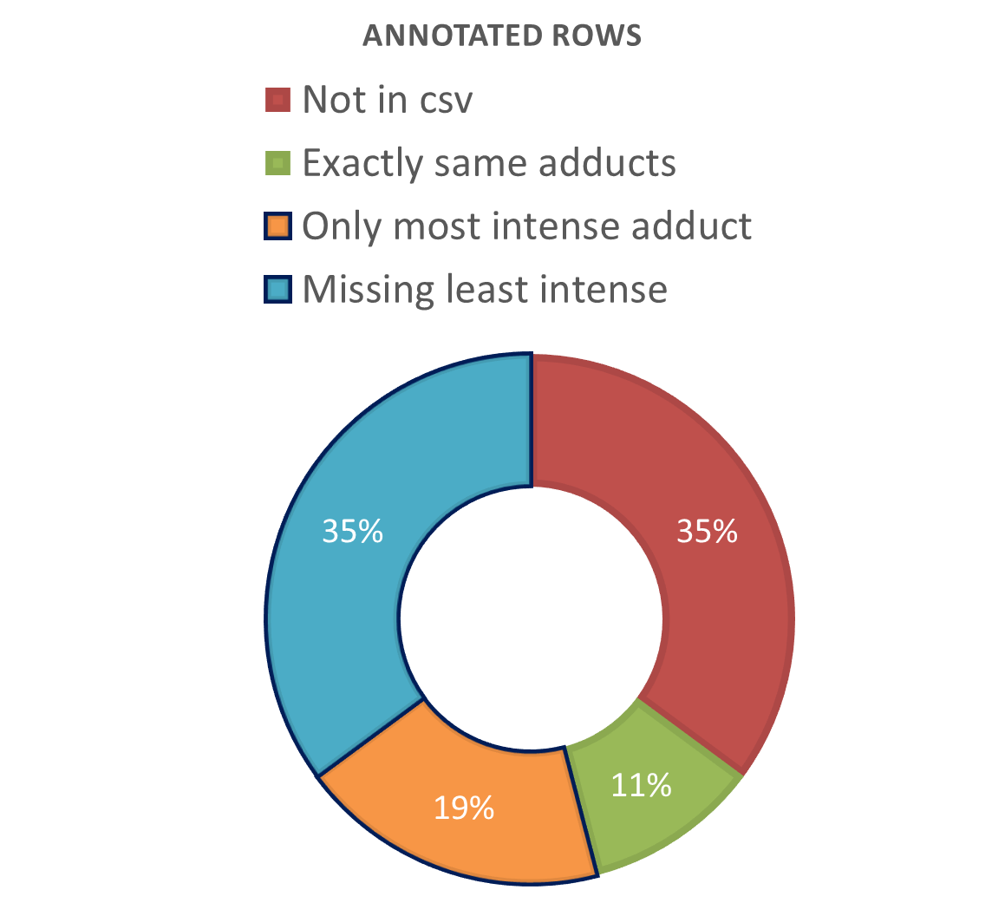
SM 37:1;3O | 63 | 9.54 | 761.5892 | ? | ? | Not in excel - incorrect RT and m/z
SM 33:2;3O | 103 | 7.3 | 703.5774 | Y | Two most intense and least intense- missing C2H7N2 | Slightly off m/z
PC O-38:1 | 54 | 12.1 | 802.6875 | ? | ? | Not in excel - RT too high
PC 43:6 | 92 | 11.97 | 876.6828 | ? | ? | Not in excel - incorrect m/z
PC 40:4 | 104 | 11.49 | 838.6291 | Y | Most intense | Slightly off m/z
PC 40:3 | 49 | 7.82 | 840.6238 | ? | Most intense | m/z value for C2H7N2 in excel
PC 40:0 | 151 | 11.59 | 846.6639 | Y | Most intense | m/z value for C2H7N2 in excel
PC 38:6 | 65 | 7.47 | 806.5726 | Y | Three most intense | Slightly off m/z
PC 38:4 | 51 | 9.92 | 810.6018 | Y | Y | Slightly off m/z
PC 38:11 | 145 | 8.09 | 796.5263 | ? | ? | Not in excel - incorrect m/z
PC 38:0 | 63 | 9.54 | 818.6374 | Y | Most intense | m/z value for C2H7N2 in excel
PC 36:4 | 49 | 7.82 | 782.5730 | Y | Y | Slightly off m/z
PC 36:3 | 130 | 8.59 | 784.5847 | ? | ? | Not in excel - incorrect m/z
PC 36:2 | 49 | 7.82 | 786.5813 | Y | Most intense | Very off m/z value (~4 units)
PC 36:2 | 0 | 10.25 | 786.6034 | Y | Missing second least intense (Na) | Slightly off m/z
PC 36:1 | 151 | 11.59 | 788.6123 | Y | Two most intense | Slightly off m/z
PC 34:2 | 96 | 8.04 | 758.5755 | Y | Missing least intense (K) | Slightly off m/z
PC 34:1 | 63 | 9.54 | 760.5857 | Y | Missing second least intense (Na) | Slightly off m/z
Cer 42:1;2O | 8 | 12.56 | 708.6532 | Y | Most intense | Slightly off m/z

Not annotated w adducts
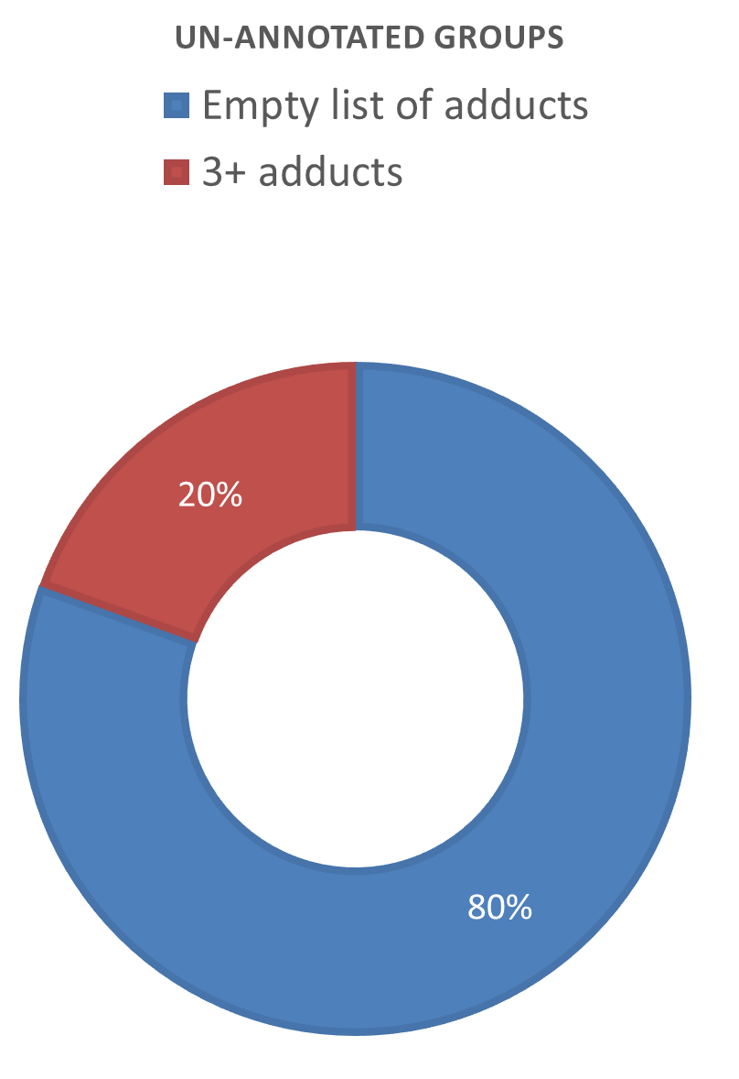
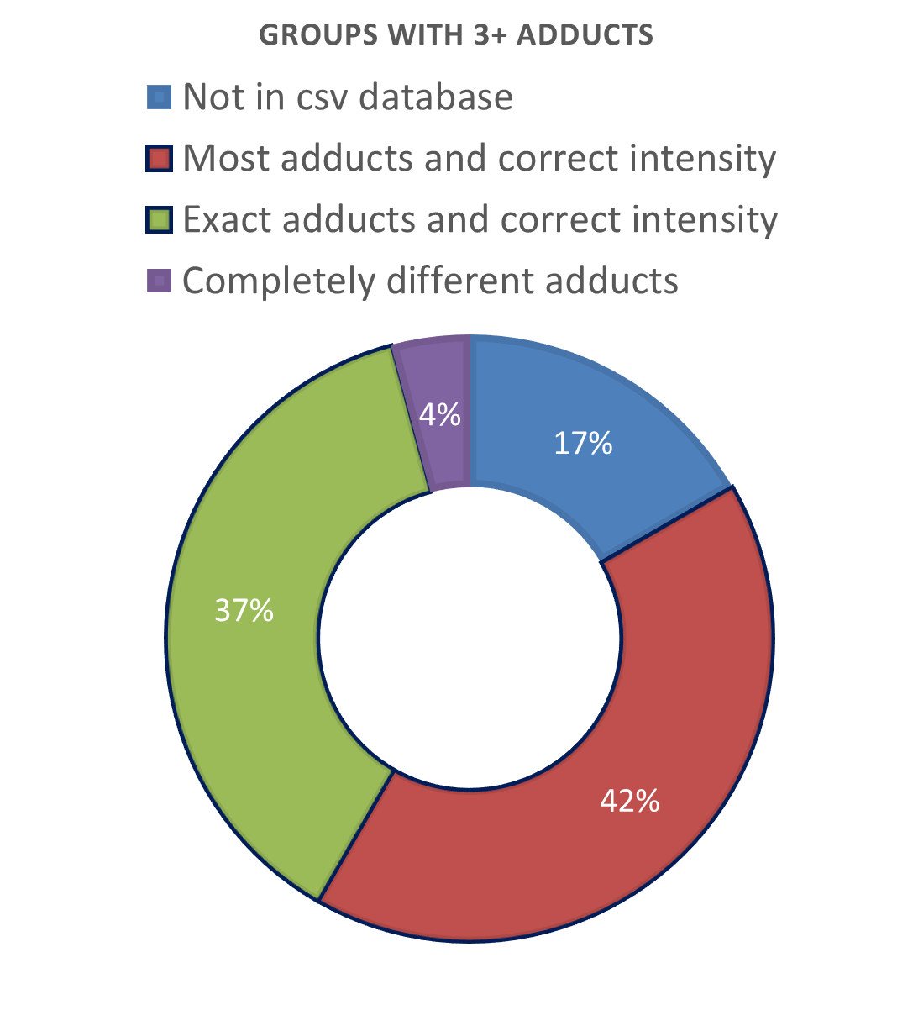
Lipid (in excel) | Group ID | mz (excel) | RT | Adducts OK? | Nº adducts | Peaks in the group | Observations
LPC | 46 | 502.3292 | 2.23 | Missing least intense | 3 | 4 | Slightly off m/z
LPC | 67 | 496.3411 | 2.62 | Y | 4 | 10 | Slightly off m/z
 | 113 |  | 3.10 |  |  |  | Not in excel
LPC | 48 | 524.3711 | 3.48 | Missing least intense | 4 | 6 | Slightly off m/z
 | 40 |  | 3.75 |  |  |  | Not in excel
LPC O/P | 98 | 510.3918 | 3.80 | N | 3 | 15 | Slightly off m/z
 | 70 |  | 4.40 |  |  |  | Not in excel
 | 1 |  | 4.88 |  |  |  | Not in excel
DG | 22 | 636.5561 | 11.74 | Only most intense and two others | 3 | 26 | C2H7N2 > Na (is incorrect)
Cer | 147 | 706.6820 | 12.27 | Missing least intense | 4 | 20 | Slightly off m/z
Cer | 99 | 708.6977 | 12.60 | Missing least intense | 4 | 7 | Slightly off m/z
TG | 6 | 935.7811 | 13.15 | Y | 4 | 14 | Slightly off m/z
TG | 37 | 818.7232 | 13.34 | Missing least intense | 3 | 8 | Slightly off m/z
TG | 39 | 885.7654 | 13.39 | Y | 4 | 9 | Slightly off m/z
TG | 4 | 937.7967 | 13.44 | Y | 4 | 33 | Slightly off m/z
TG | 138 | 963.8124 | 13.62 | Y | 4 | 13 | Slightly off m/z
TG | 95 | 794.7232 | 13.70 | Y | 4 | 23 | Slightly off m/z
TG | 11 | 872.7701 | 13.79 | Y | 4 | 18 | Slightly off m/z
TG | 139 | 965.8280 | 14.00 | Missing least intense | 4 | 14 | Slightly off m/z
TG | 85 | 810.7545 | 14.49 | Missing second least intense | 3 | 9 | Slightly off m/z
CE | 93 | 695.5737 | 14.59 | Missing two least intense | 3 | 9 | Slightly off m/z
TG | 152 | 824.7701 | 14.79 | Y | 4 | 39 | Slightly off m/z
CE | 150 | 666.6138 | 14.99 | Missing three least intense | 3 | 11 | Slightly off m/z
TG | 155 | 904.8327 | 15.42 | Y | 4 | 35 | Slightly off m/z

