Output (2)
 | Day-1 |  |  |  | Day-2 |  |  |  | Day-3 |  |  |  | Day-4 |  |  |  | Day-5 |  |  |  | Day-6 |  |  |  | Day-7 |  |  |  | Day-8 |  |  |  | Day-9 |  |  |  | Day-10 |  |  |  | Day-11 |  |  |  | Day-12 |  |  |  | Day-13
T10010
fence-line_marking | Grid | 1 | 2 | 3
 | 1
 | 2
 | 3

T10020
fence-excavation |  |  |  |  | Grid | 1 | 2 | 3 | Grid | 1 | 2 | 3
 |  |  |  |  | 1 |  |  |  | 1
 |  |  |  |  | 2 |  |  |  | 2
 |  |  |  |  | 3 |  |  |  | 3

T10030
fence-compaction |  |  |  |  |  |  |  |  |  |  |  |  | Grid | 1 | 2 | 3 | Grid | 1 | 2 | 3 | Grid | 1 | 2 | 3
 |  |  |  |  |  |  |  |  |  |  |  |  | 1 |  |  |  | 1 |  |  |  | 1
 |  |  |  |  |  |  |  |  |  |  |  |  | 2 |  |  |  | 2 |  |  |  | 2
 |  |  |  |  |  |  |  |  |  |  |  |  | 3 |  |  |  | 3 |  |  |  | 3

T10040
fence-foundation |  |  |  |  |  |  |  |  |  |  |  |  |  |  |  |  | Grid | 1 | 2 | 3 | Grid | 1 | 2 | 3 | Grid | 1 | 2 | 3
 |  |  |  |  |  |  |  |  |  |  |  |  |  |  |  |  | 1 |  |  |  | 1 |  |  |  | 1
 |  |  |  |  |  |  |  |  |  |  |  |  |  |  |  |  | 2 |  |  |  | 2 |  |  |  | 2
 |  |  |  |  |  |  |  |  |  |  |  |  |  |  |  |  | 3 |  |  |  | 3 |  |  |  | 3

T10050
fence-backfilling |  |  |  |  |  |  |  |  |  |  |  |  |  |  |  |  |  |  |  |  | Grid | 1 | 2 | 3 | Grid | 1 | 2 | 3 | Grid | 1 | 2 | 3
 |  |  |  |  |  |  |  |  |  |  |  |  |  |  |  |  |  |  |  |  | 1 |  |  |  | 1 |  |  |  | 1
 |  |  |  |  |  |  |  |  |  |  |  |  |  |  |  |  |  |  |  |  | 2 |  |  |  | 2 |  |  |  | 2
 |  |  |  |  |  |  |  |  |  |  |  |  |  |  |  |  |  |  |  |  | 3 |  |  |  | 3 |  |  |  | 3

T10060
fence-backfilling |  |  |  |  |  |  |  |  |  |  |  |  |  |  |  |  |  |  |  |  |  |  |  |  | Grid | 1 | 2 | 3 | Grid | 1 | 2 | 3 | Grid | 1 | 2 | 3
 |  |  |  |  |  |  |  |  |  |  |  |  |  |  |  |  |  |  |  |  |  |  |  |  | 1 |  |  |  | 1 |  |  |  | 1
 |  |  |  |  |  |  |  |  |  |  |  |  |  |  |  |  |  |  |  |  |  |  |  |  | 2 |  |  |  | 2 |  |  |  | 2
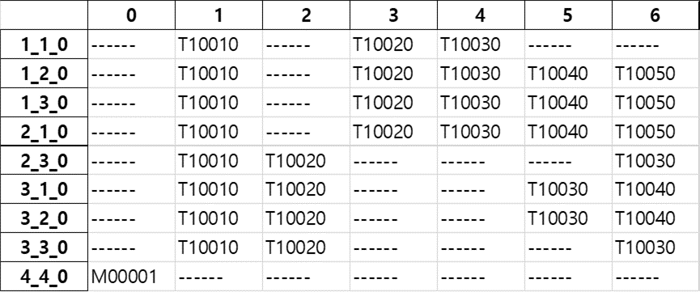
 |  |  |  |  |  |  |  |  |  |  |  |  |  |  |  |  |  |  |  |  |  |  |  |  | 3 |  |  |  | 3 |  |  |  | 3

T10070
fence-panel |  |  |  |  |  |  |  |  |  |  |  |  |  |  |  |  |  |  |  |  |  |  |  |  |  |  |  |  |  |  |  |  |  |  |  |  | Grid | 1 | 2 | 3 | Grid | 1 | 2 | 3
 |  |  |  |  |  |  |  |  |  |  |  |  |  |  |  |  |  |  |  |  |  |  |  |  |  |  |  |  |  |  |  |  |  |  |  |  | 1 |  |  |  | 1
 |  |  |  |  |  |  |  |  |  |  |  |  |  |  |  |  |  |  |  |  |  |  |  |  |  |  |  |  |  |  |  |  |  |  |  |  | 2 |  |  |  | 2
 |  |  |  |  |  |  |  |  |  |  |  |  |  |  |  |  |  |  |  |  |  |  |  |  |  |  |  |  |  |  |  |  |  |  |  |  | 3 |  |  |  | 3

T10080
fence-inspection |  |  |  |  |  |  |  |  |  |  |  |  |  |  |  |  |  |  |  |  |  |  |  |  |  |  |  |  |  |  |  |  |  |  |  |  |  |  |  |  |  |  |  |  | Grid | 1 | 2 | 3 | Grid | 1 | 2 | 3
 |  |  |  |  |  |  |  |  |  |  |  |  |  |  |  |  |  |  |  |  |  |  |  |  |  |  |  |  |  |  |  |  |  |  |  |  |  |  |  |  |  |  |  |  | 1 |  |  |  | 1
 |  |  |  |  |  |  |  |  |  |  |  |  |  |  |  |  |  |  |  |  |  |  |  |  |  |  |  |  |  |  |  |  |  |  |  |  |  |  |  |  |  |  |  |  | 2 |  |  |  | 2
 |  |  |  |  |  |  |  |  |  |  |  |  |  |  |  |  |  |  |  |  |  |  |  |  |  |  |  |  |  |  |  |  |  |  |  |  |  |  |  |  |  |  |  |  | 3 |  |  |  | 3

