Sheet1
 | Features
Target | 1,2,3,4,6,7 | 1,2,3,4,6 | 1,2,3,4,7 | 1,2,3,7 | 1,2,4,7 | 1,3,4,7 | 1,4,7 | 1,4 | 4, | 1,6,7 | 1,6,7,8 | 1,6 | 1,7 |  | 1 | Precip
TDS | 0.0744 | 0.0837 | 0.0661 | 0.9389 | 0.069 | 0.0603 | 0.0466 | 0.0398 | 0.0397 | 0.3763 | 0.5237 | 0.7195 | 0.8224 |  | 2 | Turbidity
Conductivity |  |  |  |  |  |  |  |  |  | 0.4343 |  |  |  |  | 3 | Dissolved oxygen %
Dissolved oxygen % |  |  |  |  |  |  |  |  |  | 0.953 |  |  |  |  | 4 | Conductivity
Turbidity |  |  |  |  |  |  |  |  |  | 0.8582 |  |  |  |  | 5 | TDS
 |  |  |  |  |  |  |  |  |  |  |  |  |  |  | 6 | latitude
 |  |  |  |  |  |  |  |  |  |  |  |  |  |  | 7 | longitude
 |  |  |  |  |  |  |  |  |  |  |  |  |  |  | 8 | temperature

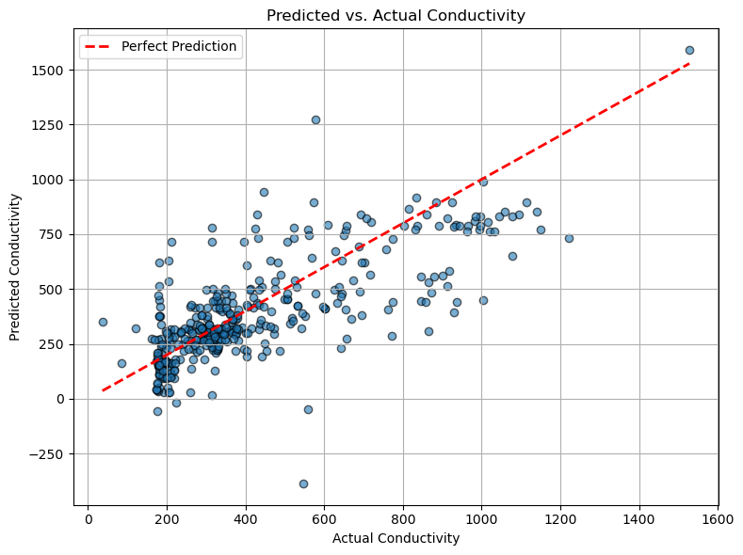
 |  |  |  |  |  |  |  |  |  |  |  |  |  | first few pred | 777.4 | 130.02 | 316.62 | 29.8 | 106.64
 |  |  |  |  |  |  |  |  |  |  |  |  |  | actual values | 425.7 | 185.2 | 258 | 191 | 181
 |  |  |  |  |  |  |  |  |  |  |  |  |  | error | -0.82616866338 | 0.29794816415 | -0.22720930233 | 0.84397905759 | 0.41082872928

 |  |  |  |  |  |  |  |  |  |  |  |  |  |  |  |  |  |  |  | but mse=

