2024.10.20 transformer重复三次的
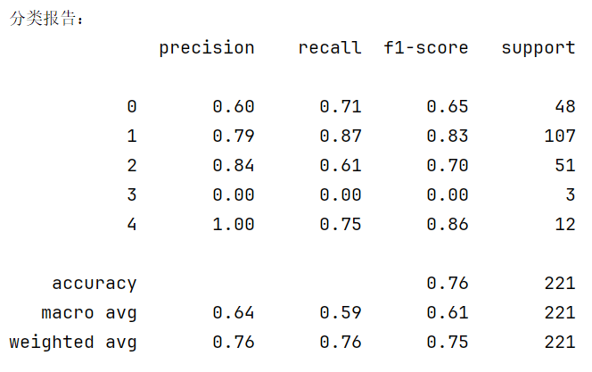
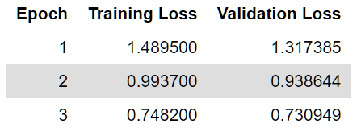
Epoch | Training Loss | Validation Loss | 类别 | Precision | Recall | F1-Score | Support | 准确率 (Accuracy) | 0.76 | 总样本数 (Support) | 221
1 | 1.4895 | 1.317385 | 0 | 0.6 | 0.71 | 0.65 | 48 | 宏平均 (Macro Avg) | Precision: 0.64 | Recall: 0.59 | F1-Score: 0.61
2 | 0.9937 | 0.938644 | 1 | 0.79 | 0.87 | 0.83 | 107 | 加权平均 (Weighted Avg) | Precision: 0.76 | Recall: 0.76 | F1-Score: 0.75
3 | 0.7482 | 0.730949 | 2 | 0.84 | 0.61 | 0.7 | 51
 |  |  | 3 | 0 | 0 | 0 | 3
 |  |  | 4 | 1 | 0.75 | 0.86 | 12

重复10次
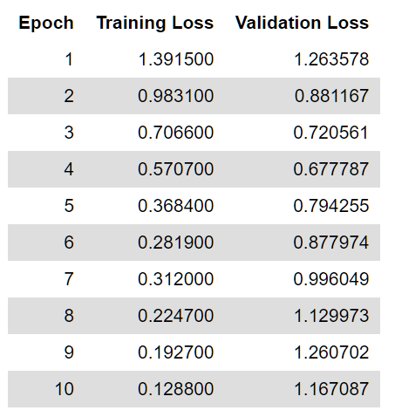
Epoch | Training Loss | Validation Loss
1 | 1.3915 | 1.263578
2 | 0.9831 | 0.881167
3 | 0.7066 | 0.720561
4 | 0.5707 | 0.677787
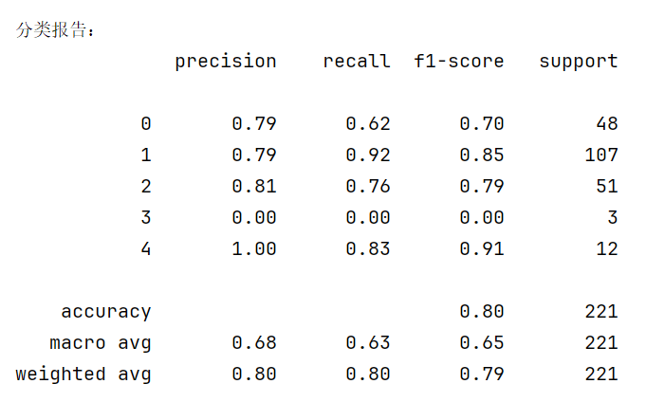
5 | 0.3684 | 0.794255
6 | 0.2819 | 0.877974
7 | 0.312 | 0.996049
8 | 0.2247 | 1.129973
9 | 0.1927 | 1.260702
10 | 0.1288 | 1.167087

此时明显的出现过拟合现象

四次最佳但准确率降低
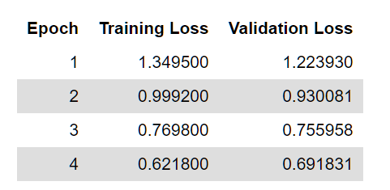
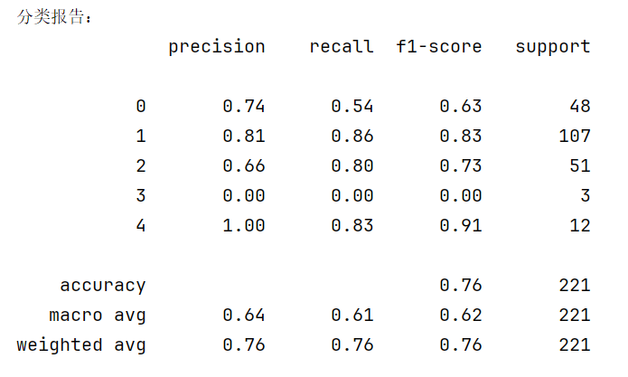
Epoch | Training Loss | Validation Loss
1 | 1.3495 | 1.22393
2 | 0.9992 | 0.930081
3 | 0.7698 | 0.755958
4 | 0.6218 | 0.691831

