Sheet1
专利号 | pdf下载链接 | 专利图片 | 授权时间
4235407 | https://pdfpiw.uspto.gov/07/354/042/1.pdf | 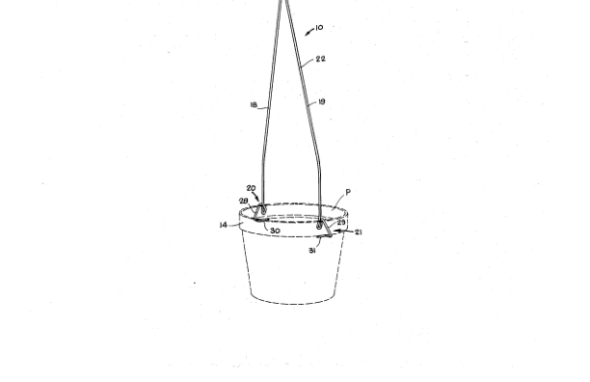
D271640 | https://pdfpiw.uspto.gov/40/716/D02/1.pdf | 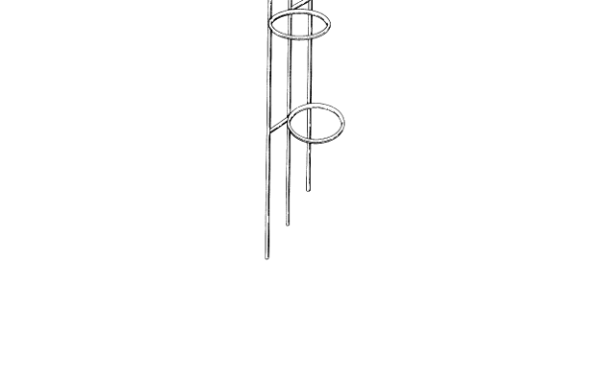
6299118 | https://pdfpiw.uspto.gov/18/991/062/1.pdf | 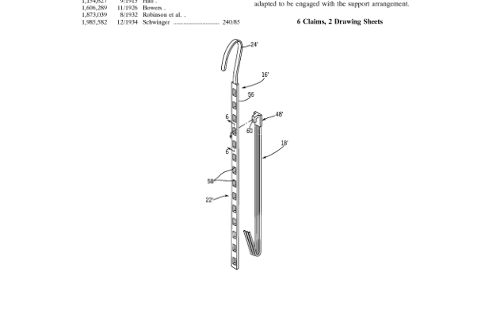
4811475 | https://pdfpiw.uspto.gov/75/114/048/1.pdf | 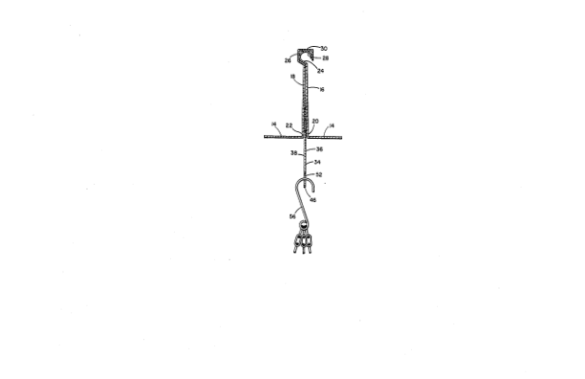
D822406 | https://pdfpiw.uspto.gov/06/224/D08/1.pdf | 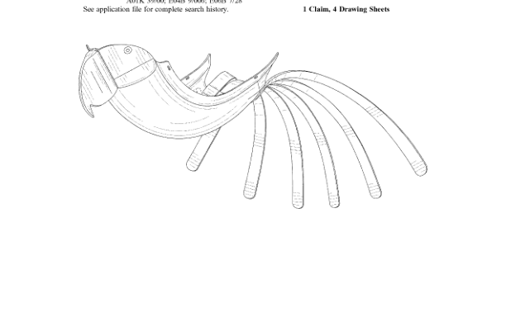
D819486 | https://pdfpiw.uspto.gov/86/194/D08/1.pdf | 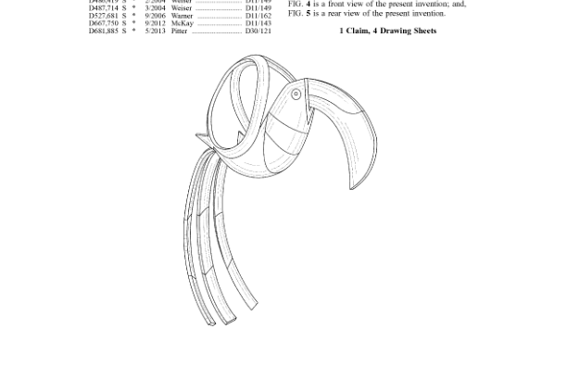
D791014 | https://pdfpiw.uspto.gov/14/910/D07/1.pdf | 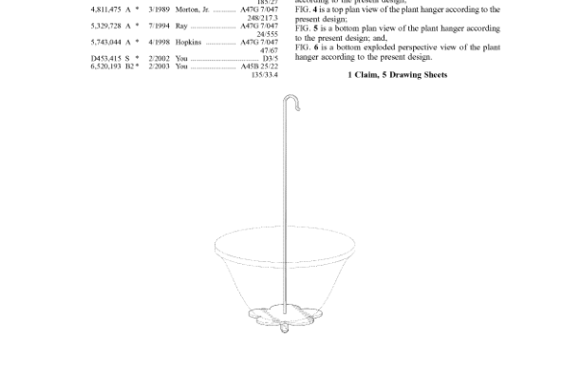
D300702 | https://pdfpiw.uspto.gov/02/007/D03/1.pdf | 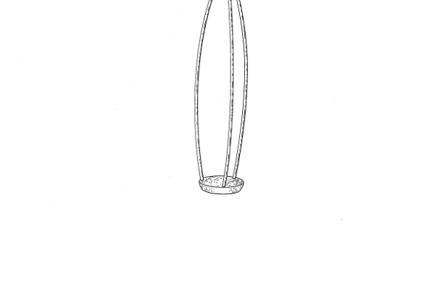
D300792 | https://pdfpiw.uspto.gov/92/007/D03/1.pdf | 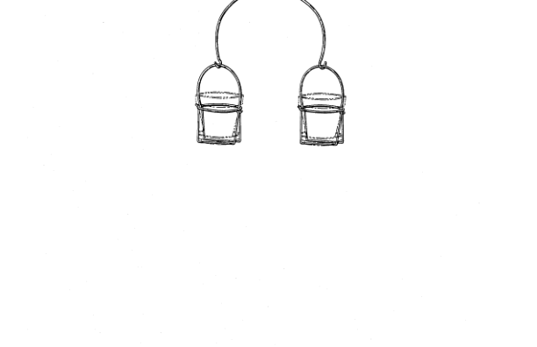
D309541 | https://pdfpiw.uspto.gov/41/095/D03/1.pdf | 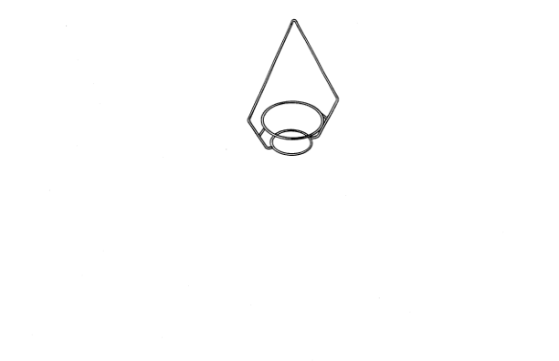
D652659 | https://pdfpiw.uspto.gov/59/526/D06/1.pdf | 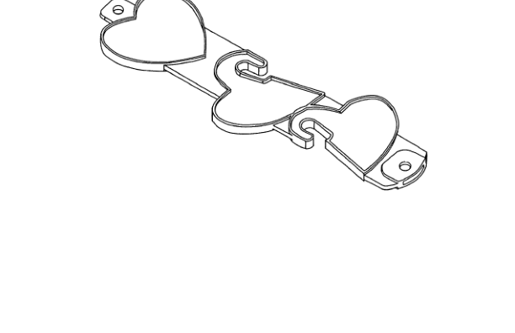
D310146 | https://pdfpiw.uspto.gov/46/101/D03/1.pdf | 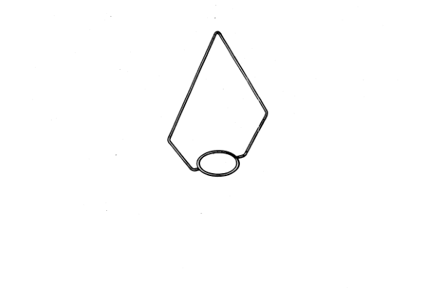
5020274 | https://pdfpiw.uspto.gov/74/202/050/1.pdf | 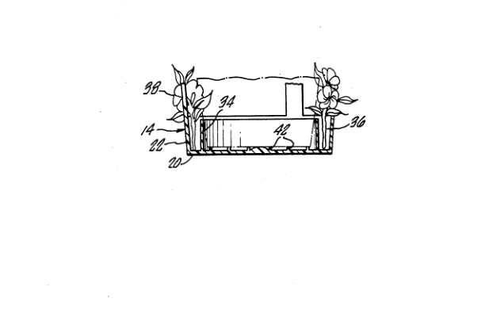
D271258 | https://pdfpiw.uspto.gov/58/712/D02/1.pdf | 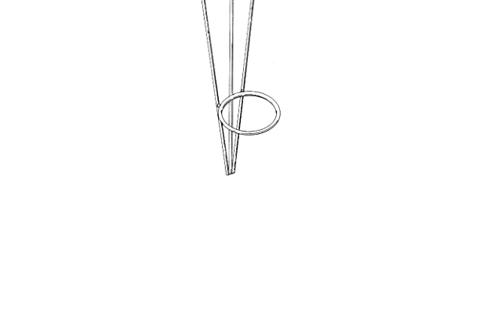
D348165 | https://pdfpiw.uspto.gov/65/481/D03/1.pdf | 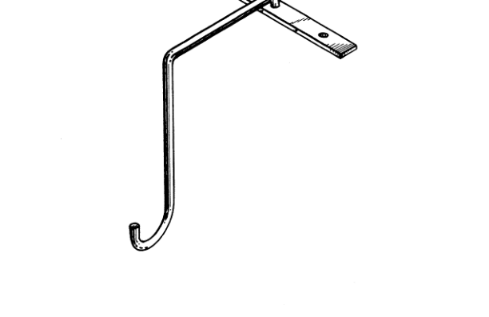
D350912 | https://pdfpiw.uspto.gov/12/509/D03/1.pdf | 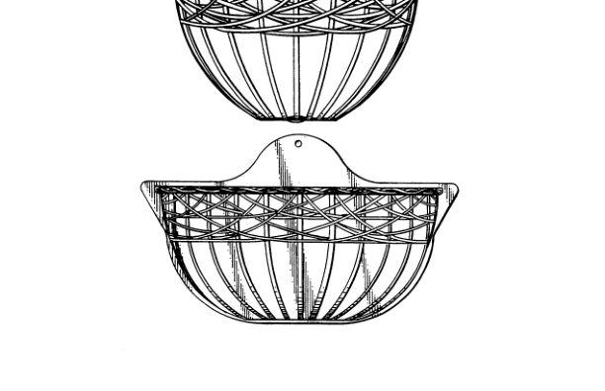
D411737 | https://pdfpiw.uspto.gov/37/117/D04/1.pdf | 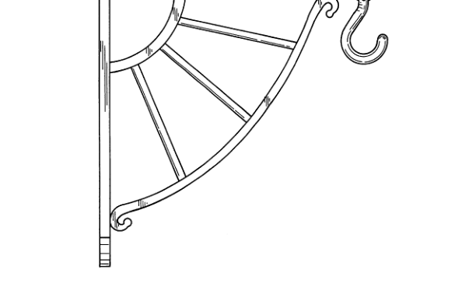
D415366 | https://pdfpiw.uspto.gov/66/153/D04/1.pdf | 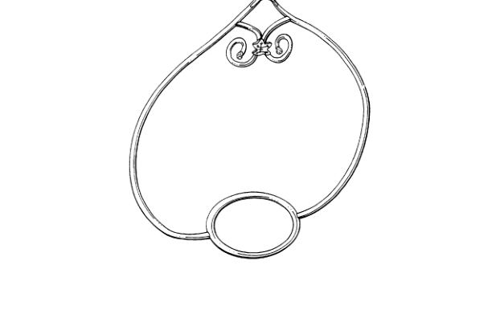
D419809 | https://pdfpiw.uspto.gov/09/198/D04/1.pdf | 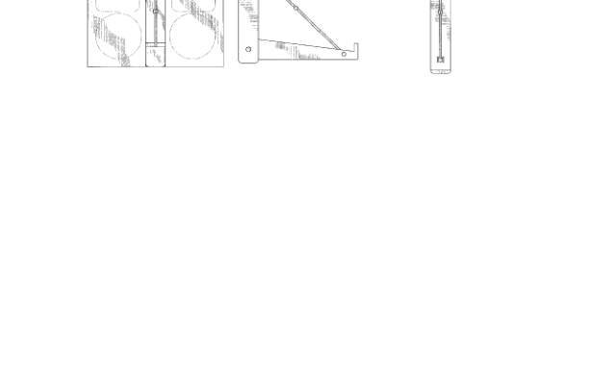
D432943 | https://pdfpiw.uspto.gov/43/329/D04/1.pdf | 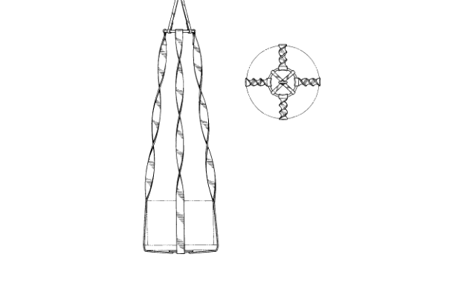
D436840 | https://pdfpiw.uspto.gov/40/368/D04/1.pdf | 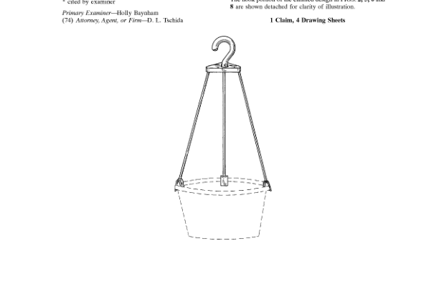
4779377 | https://pdfpiw.uspto.gov/77/793/047/1.pdf | 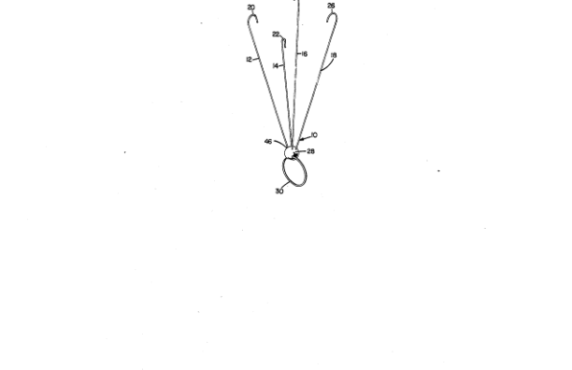
4666115 | https://pdfpiw.uspto.gov/15/661/046/1.pdf | 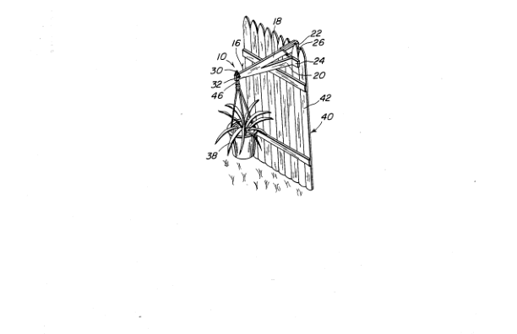
D463320 | https://pdfpiw.uspto.gov/20/633/D04/1.pdf | 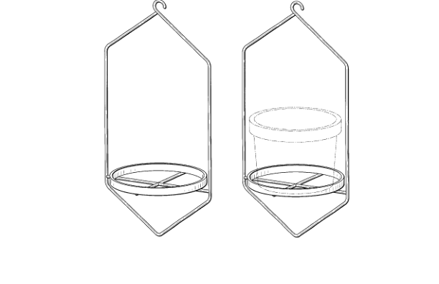
4262873 | https://pdfpiw.uspto.gov/73/628/042/1.pdf | 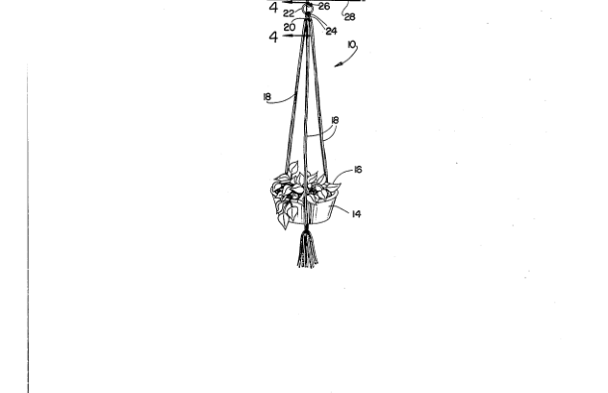
D274202 | https://pdfpiw.uspto.gov/02/742/D02/1.pdf | 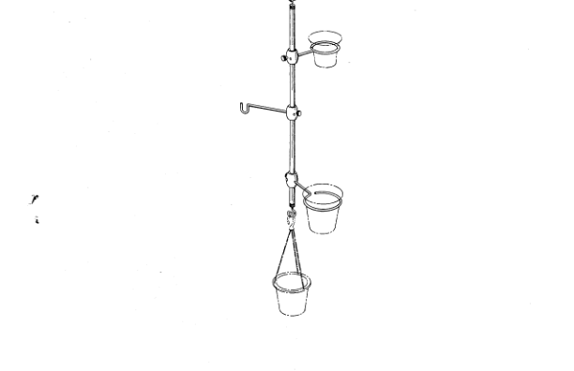
D887822 | https://pdfpiw.uspto.gov/22/878/D08/1.pdf | 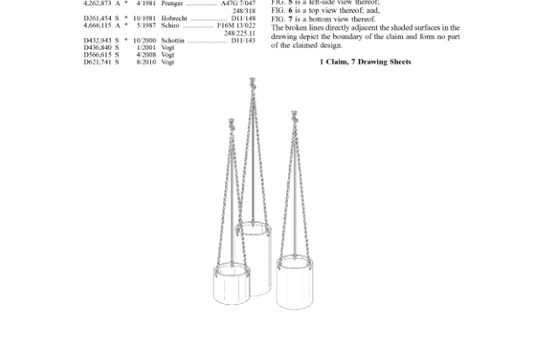
D613542 | https://pdfpiw.uspto.gov/42/135/D06/1.pdf | 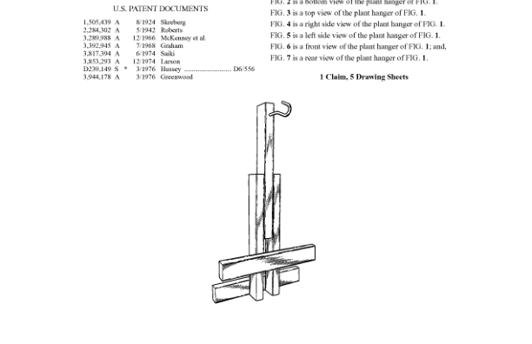
6941698 | https://pdfpiw.uspto.gov/98/416/069/1.pdf | 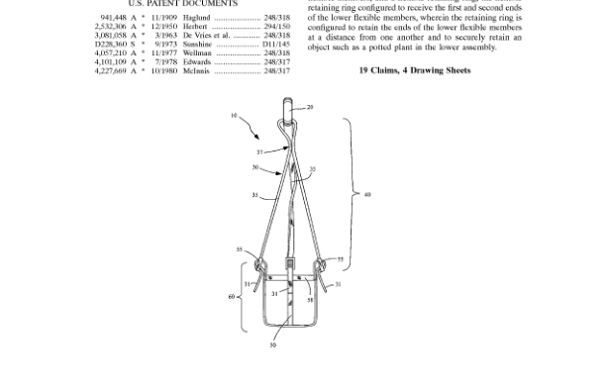
4908982 | https://pdfpiw.uspto.gov/82/089/049/1.pdf | 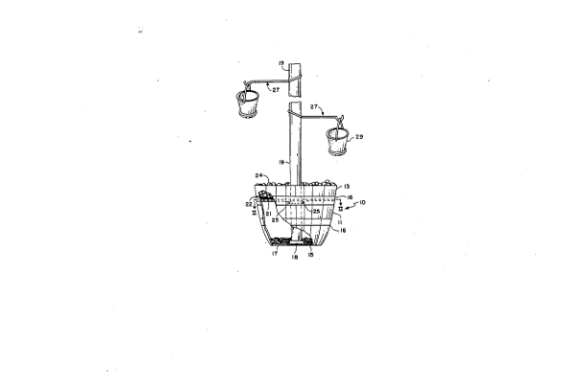
4463855 | https://pdfpiw.uspto.gov/55/638/044/1.pdf | 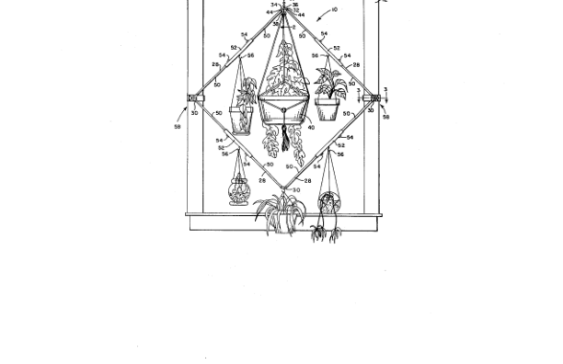
D506160 | https://pdfpiw.uspto.gov/60/061/D05/1.pdf | 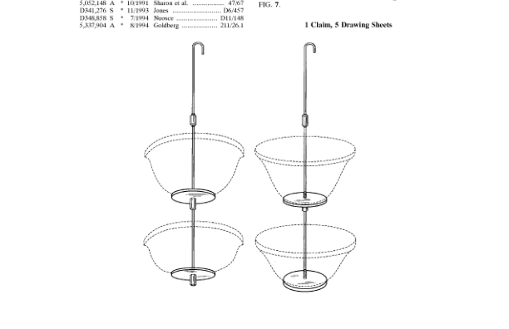
D261454 | https://pdfpiw.uspto.gov/54/614/D02/1.pdf | 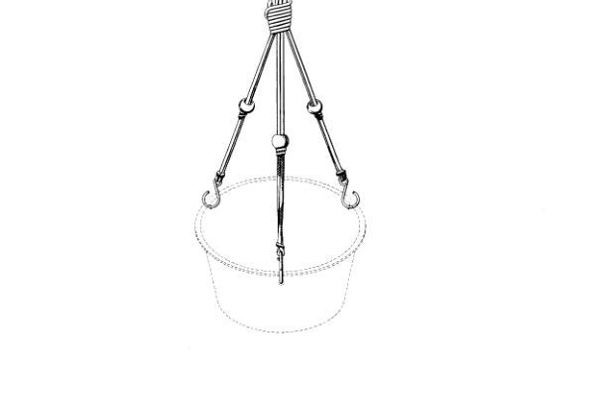
9826846 | https://pdfpiw.uspto.gov/46/268/098/1.pdf | 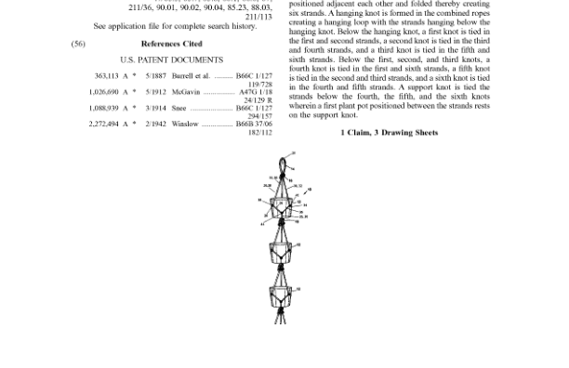
4098483 | https://pdfpiw.uspto.gov/83/984/040/1.pdf | 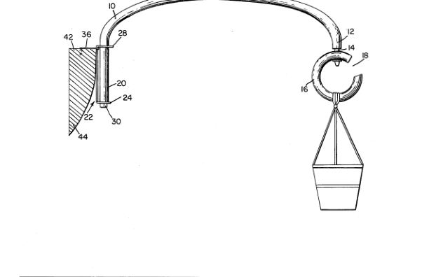
D301012 | https://pdfpiw.uspto.gov/12/010/D03/1.pdf | 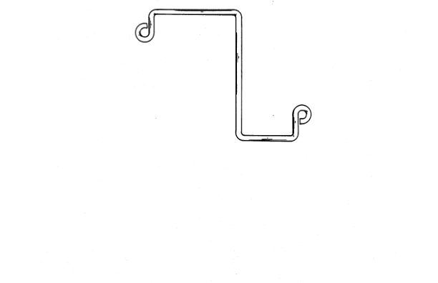
D305587 | https://pdfpiw.uspto.gov/87/055/D03/1.pdf | 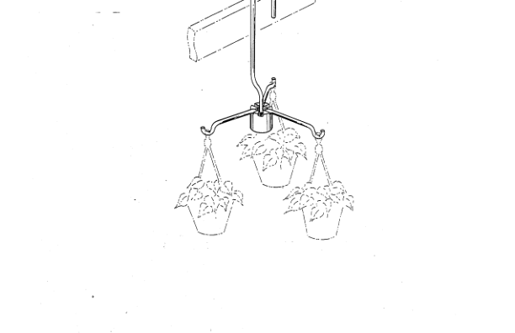
4149339 | https://pdfpiw.uspto.gov/39/493/041/1.pdf | 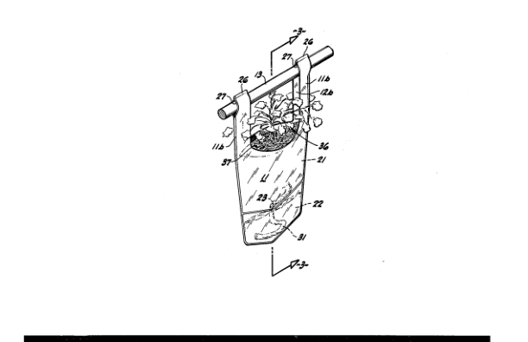
7287736 | https://pdfpiw.uspto.gov/36/877/072/1.pdf | 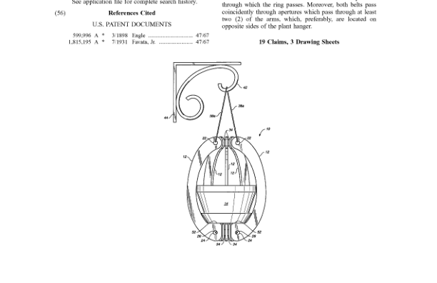
D743777 | https://pdfpiw.uspto.gov/77/437/D07/1.pdf | 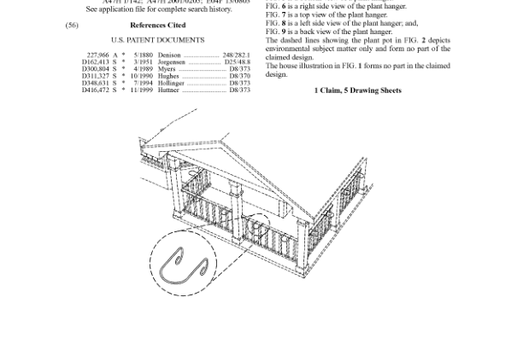
D434641 | https://pdfpiw.uspto.gov/41/346/D04/1.pdf | 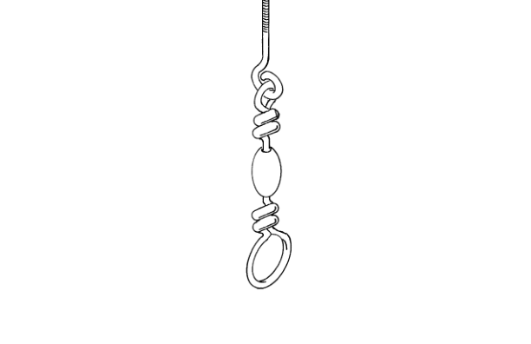
D624394 | https://pdfpiw.uspto.gov/94/243/D06/1.pdf | 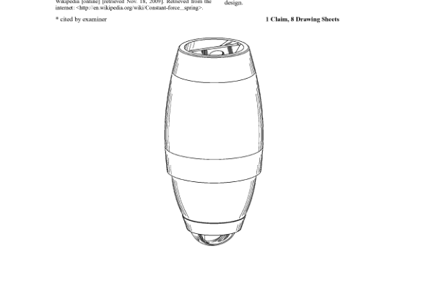
7726072 | https://pdfpiw.uspto.gov/72/260/077/1.pdf | 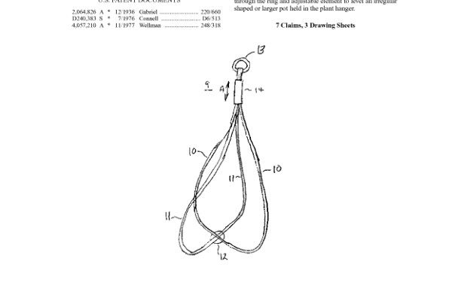
D270796 | https://pdfpiw.uspto.gov/96/707/D02/1.pdf | 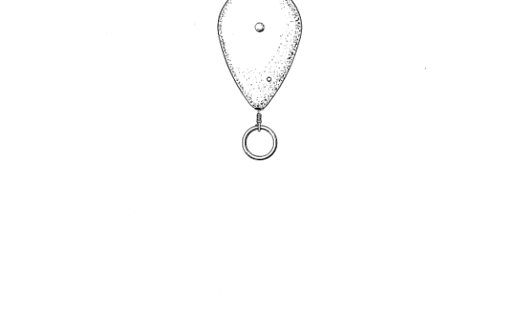
D344867 | https://pdfpiw.uspto.gov/67/448/D03/1.pdf | 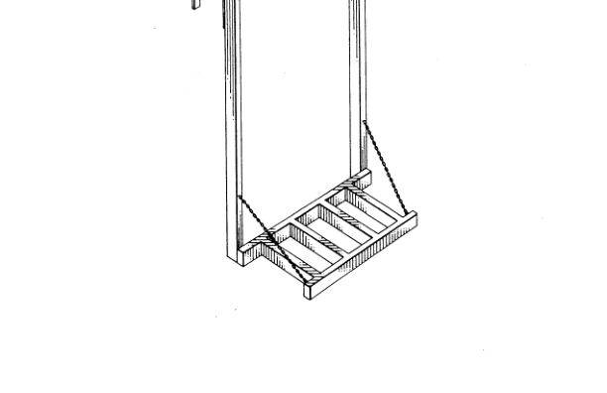
D589719 | https://pdfpiw.uspto.gov/19/897/D05/1.pdf | 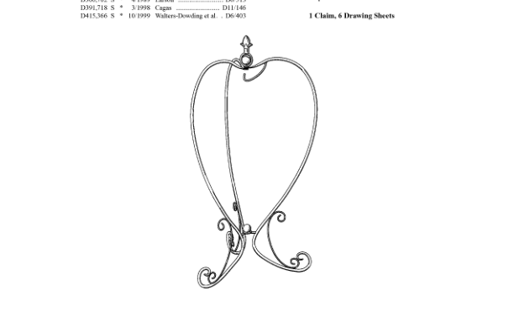
D871863 | https://pdfpiw.uspto.gov/63/718/D08/1.pdf | 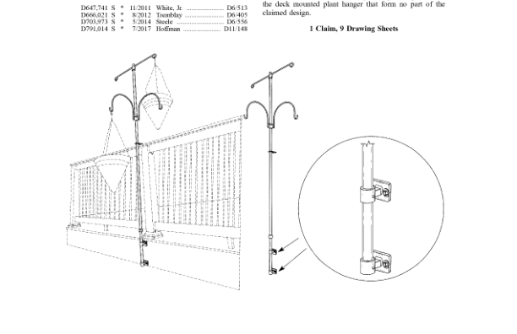
6557806 | https://pdfpiw.uspto.gov/06/578/065/1.pdf | 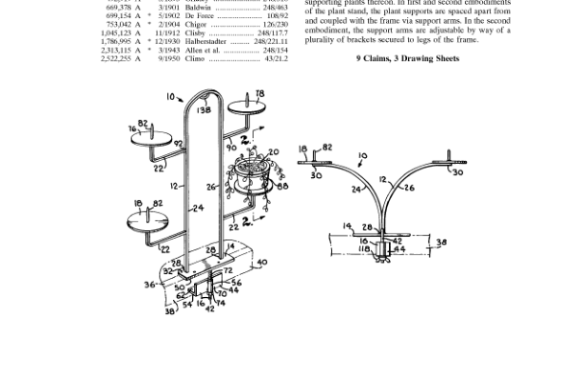
7596905 | https://pdfpiw.uspto.gov/05/969/075/1.pdf | 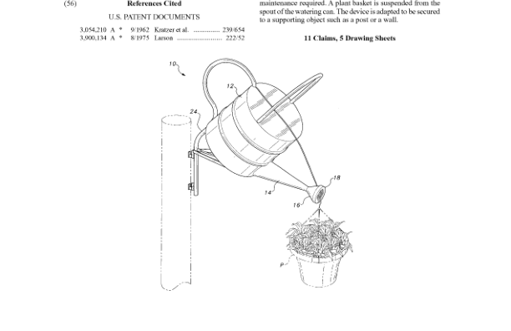
D856025 | https://pdfpiw.uspto.gov/25/560/D08/1.pdf | 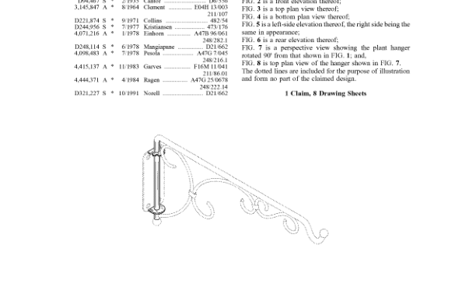
D589720 | https://pdfpiw.uspto.gov/20/897/D05/1.pdf | 
7032347 | https://pdfpiw.uspto.gov/47/323/070/1.pdf | 
4337916 | https://pdfpiw.uspto.gov/16/379/043/1.pdf | 
D300302 | https://pdfpiw.uspto.gov/02/003/D03/1.pdf | 
D286961 | https://pdfpiw.uspto.gov/61/869/D02/1.pdf | 
D703972 | https://pdfpiw.uspto.gov/72/039/D07/1.pdf | 
D703973 | https://pdfpiw.uspto.gov/73/039/D07/1.pdf | 
4159094 | https://pdfpiw.uspto.gov/94/590/041/1.pdf | 
7587860 | https://pdfpiw.uspto.gov/60/878/075/1.pdf | 
9271452 | https://pdfpiw.uspto.gov/52/714/092/1.pdf | 
4466217 | https://pdfpiw.uspto.gov/17/662/044/1.pdf | 

