A2. Help task moments
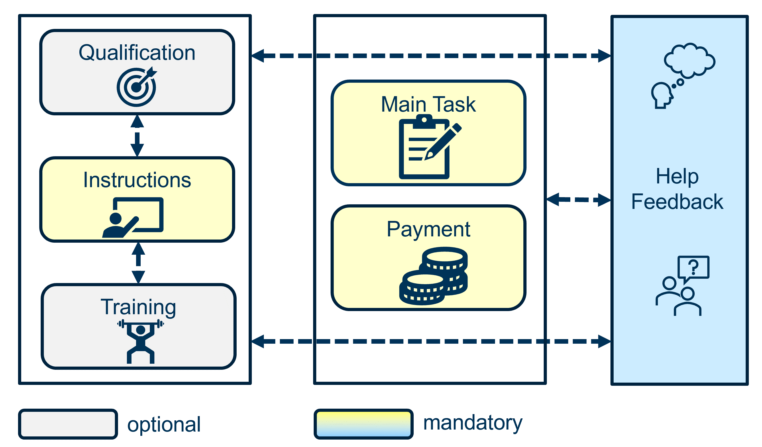
Task moment | Description | Example | Optional
Qualification | Test or qualifications made by the workers. It can be before or after initial insturctions. | Language proficiency test. Technical test on the browser. | Yes
Instructions | Any type of instructions shown to the worker. Normally at the beginning of the task. Sometimes also shown in task.
Demographic questionnaire | Questionnaire asking for demograhic details of workers. It can contain validity-check questions. |  | Yes
Training | Interactive or non-interactive demos or tests to foster instructions understanding. | Quiz, interactive demo, video.
Main task | Main activity that workers should conduct. This task is the actual collection of data to be later used.
Final questionnaire | Questionnaite asking about the experience with the main task. It can contain validity-check questions. | Motivation questionnaire. | Yes
Payment | Payment information.
Help/Support/Feedback | Any help/support/feedback channel offer to the workers.

