Data-launch
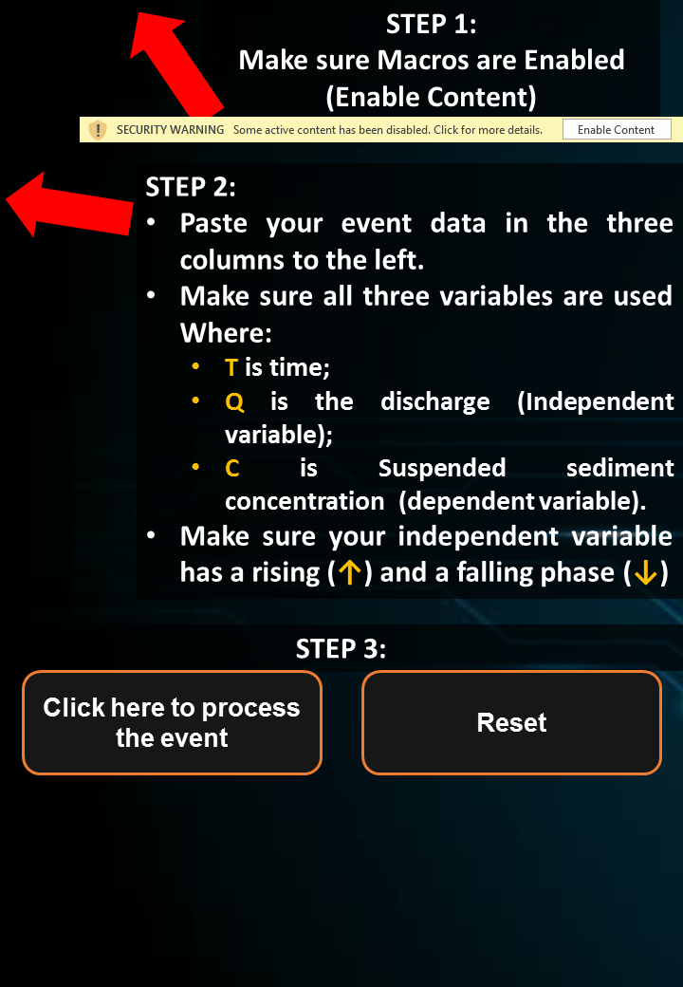
T | X | Y
2015-11-23 04:15:00 | 4.1908932956 | 39.2
42331.1875 | 4.2192101422 | 50.1
42331.197917 | 4.4457449149 | 78
42331.208333 | 4.8988144604 | 115
42331.215278 | 5.9182209377 | 228
42331.21875 | 8.1269349719 | 468
42331.222222 | 14.384958069 | 4710
42331.225694 | 22.880012046 | 9330
42331.229167 | 31.714868183 | 11300
42331.232639 | 39.643585229 | 12100
42331.236111 | 45.306954547 | 12900
42331.239583 | 47.85547074 | 11900
42331.243056 | 48.704976138 | 10900
42331.246528 | 47.85547074 | 9830
42331.25 | 47.005965343 | 9040
42331.253472 | 47.85547074 | 8830
42331.256944 | 48.138639206 | 8630
42331.260417 | 48.704976138 | 8430
42331.263889 | 47.85547074 | 8220
42331.267361 | 49.554481536 | 8020
42331.270833 | 49.554481536 | 7820
42331.274306 | 51.536660797 | 7610
42331.277778 | 60.598051707 | 7410
42331.28125 | 65.695084093 | 5930
42331.284722 | 69.37627415 | 18000
42331.288194 | 67.960431821 | 16800
42331.291667 | 64.279241764 | 15600
42331.295139 | 62.580230968 | 14500
42331.298611 | 63.712904832 | 13300
42331.302083 | 63.712904832 | 12100
42331.305556 | 62.580230968 | 10900
42331.309028 | 61.447557105 | 9990
42331.3125 | 60.598051707 | 9430
42331.315972 | 59.465377843 | 8860
42331.319444 | 60.031714775 | 8300
42331.322917 | 60.314883241 | 7730
42331.326389 | 59.182209377 | 7170
42331.329861 | 57.483198582 | 6600
42331.333333 | 55.217850854 | 6250
42331.336806 | 53.802008525 | 5890
42331.340278 | 51.536660797 | 5530
42331.34375 | 49.554481536 | 5170
42331.347222 | 48.138639206 | 4810
42331.350694 | 46.439628411 | 4530
42331.354167 | 45.023786081 | 4250
42331.357639 | 43.324775286 | 3970
 | Rising | Falling | Rising | Falling
 |  |  | 0 | 0
 |  |  | 0 | 0
 |  |  | 0 | 0
 |  |  | 0 | 0
 |  |  | 0 | 0
 |  |  | 0 | 0
 |  |  | 0 | 0
 |  |  | 0 | 0
 |  |  | 0 | 0
 |  |  | 0 | 0
 |  |  | 0 | 0
 |  |  | 0 | 0
 |  |  | 0 | 0
 |  |  | 0 | 0
 |  |  | 0 | 0
 |  |  | 0 | 0
 |  |  | 0 | 0
 |  |  | 0 | 0
 |  |  | 0 | 0
 |  |  | 0 | 0
 |  |  | 0 | 0
0 | 0 | 0.005 | -0.005
0.05 | 0 | 0.005 | -0.005
0.05 | 0 | 0.005 | -0.005
0.1 | 0 | 0.005 | -0.005
0.1 | 0 | 0.005 | -0.005
0.15 | 0 | 0.005 | -0.005
0.15 | 0 | 0.005 | -0.005
0.2 | 0 | 0.005 | -0.005
0.2 | 0 | 0.005 | -0.005
0.25 | 0 | 0.005 | -0.005
0.25 | 0 | 0.005 | -0.005
0.3 | 0 | 0.005 | -0.005
0.3 | 0 | 0.005 | -0.005
0.35 | 0 | 0.005 | -0.005
0.35 | 0 | 0.005 | -0.005
0.4 | 0 | 0.005 | -0.005
0.4 | 0 | 0.005 | -0.005
0.45 | 0 | 0.005 | -0.005
0.45 | 0 | 0.005 | -0.005
0.5 | 0 | 0.005 | -0.005
0.5 | 0 | 0.005 | -0.005
0.55 | 0 | 0.005 | -0.005
0.55 | 0 | 0.005 | -0.005
0.6 | 0 | 0.005 | -0.005
0.6 | 0 | 0.005 | -0.005
0.65 | 0 | 0.005 | -0.005
0.65 | 0 | 0.005 | -0.005
0.7 | 0 | 0.005 | -0.005
0.7 | 0 | 0.005 | -0.005
0.75 | 0 | 0.005 | -0.005
0.75 | 0 | 0.005 | -0.005
0.8 | 0 | 0.005 | -0.005
0.8 | 0 | 0.005 | -0.005
0.85 | 0 | 0.005 | -0.005
0.85 | 0 | 0.005 | -0.005
0.9 | 0 | 0.005 | -0.005
0.9 | 0 | 0.005 | -0.005
0.95 | 0 | 0.005 | -0.005
0.95 | 0 | 0.005 | -0.005
1 | 0 | 0.005 | -0.005
42331.361111 | 42.192101422 | 3690
42331.364583 | 40.209922161 | 3410
42331.368056 | 38.510911365 | 3270
42331.371528 | 37.095069036 | 3130
42331.375 | 35.112889774 | 2980
42331.378472 | 33.697047444 | 2840
42331.381944 | 31.998036649 | 2770
42331.385417 | 30.582194319 | 2690
42331.388889 | 29.449520456 | 2620
42331.392361 | 28.600015058 | 2540
42331.395833 | 27.354073808 | 2470
42331.399306 | 26.872687416 | 2400
42331.402778 | 25.796647245 | 2340
42331.40625 | 25.003775541 | 2280 |  | PI1 | PI2 | PI3 | PI4 | PI5 | PI6
42331.409722 | 23.984369063 | 2220 | Parameter
42331.413194 | 23.418032132 | 2160 | Width
42331.416667 | 22.568526734 | 2100 | Amplitude
42331.420139 | 21.803971876 | 2040 | Y_Total
42331.423611 | 21.181001251 | 1980 | Y_Internal
42331.427083 | 20.473080086 | 1940 | Y_External
42331.430556 | 19.963376847 | 1890
42331.434028 | 19.170505143 | 1850
42331.4375 | 18.689118751 | 1810
42331.440972 | 18.236049205 | 1760
42331.444444 | 17.669712273 | 1720
42331.447917 | 17.584761734 | 1670
42331.451389 | 17.216642728 | 1630
42331.454861 | 17.216642728 | 1590
42331.458333 | 17.499811194 | 1540
42331.461806 | 17.754662813 | 1500
42331.465278 | 18.122781819 | 1460
42331.46875 | 18.405950285 | 1410
42331.472222 | 18.519217671 | 1370
42331.475694 | 18.802386137 | 1320
42331.479167 | 18.689118751 | 1280
42331.482639 | 18.802386137 | 1240
42331.486111 | 18.689118751 | 1190
42331.489583 | 18.320999745 | 1150
42331.493056 | 18.122781819 | 1100
42331.496528 | 17.8679302 | 1060
42331.5 | 17.386543807 | 1020
42331.503472 | 17.018424802 | 972
42331.506944 | 16.763573182 | 929
42331.510417 | 16.395454177 | 902
42331.513889 | 16.055652018 | 876
42331.517361 | 15.715849859 | 850
42331.520833 | 15.376047699 | 824
42331.524306 | 15.03624554 | 798
42331.527778 | 14.696443381 | 772
42331.53125 | 14.384958069 | 746
42331.534722 | 14.04515591 | 824
42331.538194 | 13.733670597 | 905
42331.541667 | 13.422185285 | 986
42331.545139 | 13.195650512 | 1070
42331.548611 | 12.884165199 | 1150
42331.552083 | 12.657630427 | 1230
42331.555556 | 12.374461961 | 1240
42331.559028 | 12.147927188 | 1130
42331.5625 | 11.921392415 | 1110
42331.565972 | 11.638223949 | 1160
42331.569444 | 11.440006023 | 1060
42331.572917 | 11.156837557 | 1020
42331.576389 | 11.015253324 | 987
42331.579861 | 10.817035398 | 953
42331.583333 | 10.533866932 | 918
42331.586806 | 10.477233239 | 892
42331.590278 | 10.279015313 | 865
42331.59375 | 10.024163694 | 839
42331.597222 | 9.8259457674 | 813
42331.600694 | 9.7409952276 | 786
42331.604167 | 9.6277278413 | 760
42331.607639 | 9.4295099151 | 734
42331.611111 | 9.372876222 | 707
42331.614583 | 9.2029751424 | 687
42331.618056 | 9.0047572163 | 667
42331.621528 | 8.9481235231 | 648
42331.625 | 8.8914898299 | 629
42331.628472 | 8.8348561367 | 610
42331.631944 | 8.6366382106 | 590
42331.635417 | 8.5233708242 | 571
42331.638889 | 8.466737131 | 552
42331.642361 | 8.3534697446 | 533
42331.645833 | 8.2402023583 | 513
42331.649306 | 8.1835686651 | 495
42331.652778 | 8.1269349719 | 482
42331.65625 | 8.0136675855 | 468
42331.659722 | 7.9570338924 | 454
42331.663194 | 7.9004001992 | 440
42331.666667 | 7.7304991196 | 427
42331.670139 | 7.6738654264 | 413
42331.673611 | 7.5039643469 | 399
42331.677083 | 7.4756475003 | 385
42331.680556 | 7.4190138071 | 372
42331.684028 | 7.3057464207 | 367
42331.6875 | 7.2491127276 | 362
42331.690972 | 7.1924790344 | 357
42331.694444 | 7.1358453412 | 353
42331.697917 | 7.079211648 | 348
42331.701389 | 7.0508948014 | 343
42331.704861 | 6.9942611082 | 338
42331.708333 | 6.8809937219 | 334
42331.711806 | 6.8243600287 | 329
42331.715278 | 6.7960431821 | 324
42331.71875 | 6.7394094889 | 319
42331.722222 | 6.6261421025 | 315
42331.725694 | 6.6827757957 | 310
42331.729167 | 6.5695084093 | 305
42331.732639 | 6.5695084093 | 300
42331.736111 | 6.5411915628 | 296
42331.739583 | 6.4279241764 | 291
42331.743056 | 6.3712904832 | 286
42331.746528 | 6.3712904832 | 281
42331.75 | 6.2863399434 | 277
42331.753472 | 6.2863399434 | 272
42331.756944 | 6.1447557105 | 267
42331.760417 | 6.2013894036 | 262
42331.763889 | 6.1447557105 | 258
42331.767361 | 6.0881220173 | 253
42331.770833 | 6.0598051707 | 248
42331.774306 | 6.0031714775 | 243
42331.777778 | 5.9465377843 | 239
42331.78125 | 5.9182209377 | 234
42331.784722 | 5.8615872445 | 229
42331.788194 | 5.8049535514 | 224
42331.791667 | 5.8049535514 | 220
42331.795139 | 5.7766367048 | 215
42331.798611 | 5.7200030116 | 210
42331.802083 | 5.7200030116 | 205
42331.805556 | 5.6633693184 | 201
42331.809028 | 5.5784187786 | 199
42331.8125 | 5.550101932 | 197
42331.815972 | 5.550101932 | 195
42331.819444 | 5.4934682388 | 193
42331.822917 | 5.4934682388 | 191
42331.826389 | 5.4651513923 | 189
42331.829861 | 5.4085176991 | 187
42331.833333 | 5.3518840059 | 185
42331.836806 | 5.3518840059 | 182
42331.840278 | 5.3235671593 | 180
42331.84375 | 5.3235671593 | 178
42331.847222 | 5.2669334661 | 176
42331.850694 | 5.2669334661 | 174
42331.854167 | 5.2386166195 | 172
42331.857639 | 5.2386166195 | 170
42331.861111 | 5.1819829263 | 168
42331.864583 | 5.1819829263 | 166
42331.868056 | 5.1536660797 | 164
42331.871528 | 5.1536660797 | 162
42331.875 | 5.1536660797 | 160
42331.878472 | 5.1536660797 | 157
42331.881944 | 5.06871554 | 155
42331.885417 | 4.9837650002 | 153
42331.888889 | 4.9837650002 | 151
42331.895833 | 4.927131307 | 147
42331.90625 | 4.8421807672 | 141
42331.916667 | 4.8421807672 | 135
42331.927083 | 4.8138639206 | 129
42331.9375 | 4.785547074 | 125
42331.947917 | 4.785547074 | 121
42331.958333 | 4.785547074 | 117
42331.96875 | 4.785547074 | 115
42331.979167 | 4.8138639206 | 113
42331.989583 | 4.8421807672 | 111
42332 | 4.927131307 | 109
42332.006944 | 4.9837650002 | 108
42332.010417 | 4.927131307 | 114
42332.017361 | 5.06871554 | 124
42332.020833 | 4.9837650002 | 124
42332.027778 | 5.0970323866 | 124
42332.03125 | 5.0970323866 | 123
42332.034722 | 5.06871554 | 122
42332.038194 | 5.0970323866 | 121
42332.041667 | 5.1536660797 | 120
42332.045139 | 5.0970323866 | 119
42332.048611 | 5.1536660797 | 118
42332.052083 | 5.1536660797 | 117
42332.055556 | 5.1819829263 | 116
42332.059028 | 5.1536660797 | 117
42332.0625 | 5.1819829263 | 119
42332.065972 | 5.2386166195 | 122
42332.069444 | 5.1536660797 | 124
42332.072917 | 5.1819829263 | 127
42332.076389 | 5.4651513923 | 130
42332.079861 | 5.2386166195 | 132
42332.083333 | 5.06871554 | 135
42332.086806 | 5.1819829263 | 137
42332.090278 | 5.2386166195 | 137
42332.09375 | 5.0970323866 | 135
42332.100694 | 5.06871554 | 129
42332.104167 | 5.0970323866 | 126
42332.107639 | 5.06871554 | 122
42332.114583 | 4.9837650002 | 115
42332.118056 | 5.06871554 | 111
42332.125 | 4.785547074 | 110
42332.135417 | 4.7289133809 | 109
42332.145833 | 4.6439628411 | 108
42332.15625 | 4.5590123013 | 107
42332.166667 | 4.5023786081 | 106
42332.177083 | 4.3324775286 | 105
42332.1875 | 4.304160682 | 103
42332.197917 | 4.2192101422 | 102
42332.208333 | 4.1059427558 | 101

