Setup
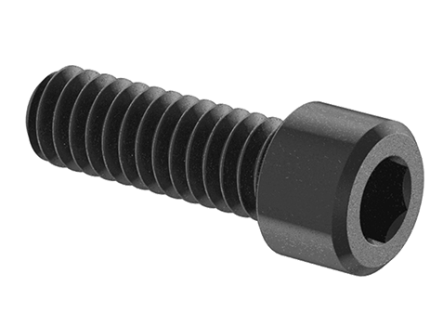 |  |  | SOCKET HEAD CAP SCREWS
Line | QTY | Thread | Head | Length | Finish | Profile | Threading | McMaster-Carr | Notes

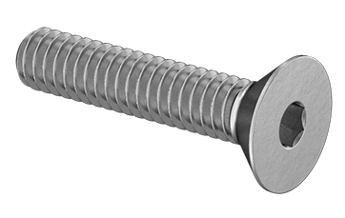 |  |  | FLAT HEAD CAP SCREWS
Line | QTY | Thread | Head | Length | Finish | Profile | Threading | McMaster-Carr | Notes

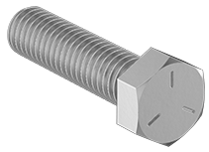 |  |  | HEX HEAD CAP SCREWS
Line | QTY | Thread | Head | Length | Finish | Profile | Threading | McMaster-Carr | Notes

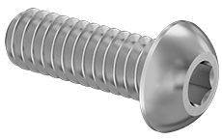 |  |  | BUTTON HEAD CAP SCREWS
Line | QTY | Thread | Head | Length | Finish | Profile | Threading | McMaster-Carr | Notes

 |  |  | MACHINE SCREWS
Line | QTY | Thread | Head | Length | Finish | Profile | Threading | McMaster-Carr | Notes

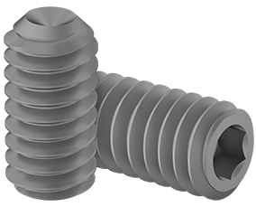 |  |  | SET SCREWS
Line | QTY | Thread | Head | Length | Finish | Profile | Threading | McMaster-Carr | Notes

 |  |  | SHOULDER BOLTS
Line | QTY | Thread | Head | Length | Finish | Profile | Threading | McMaster-Carr | Notes

 |  |  | WASHERS
Line | QTY | Thread | Head | Length | Finish | Profile | Threading | McMaster-Carr | Notes

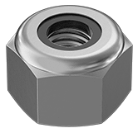 |  |  | NUTS
Line | QTY | Thread | Head | Length | Finish | Profile | Threading | McMaster-Carr | Notes

 |  |  | PINS
Line | QTY | Thread | Head | Length | Finish | Profile | Threading | McMaster-Carr | Notes

 |  |  | RETAINING RINGS
Line | QTY | Thread | Head | Length | Finish | Profile | Threading | McMaster-Carr | Notes

