Sheet1
Parish | Image | Parish Priest | Address | Fiesta Date: |  | Contact |  | # of GKKs
Christ the King Cathedral Parish | 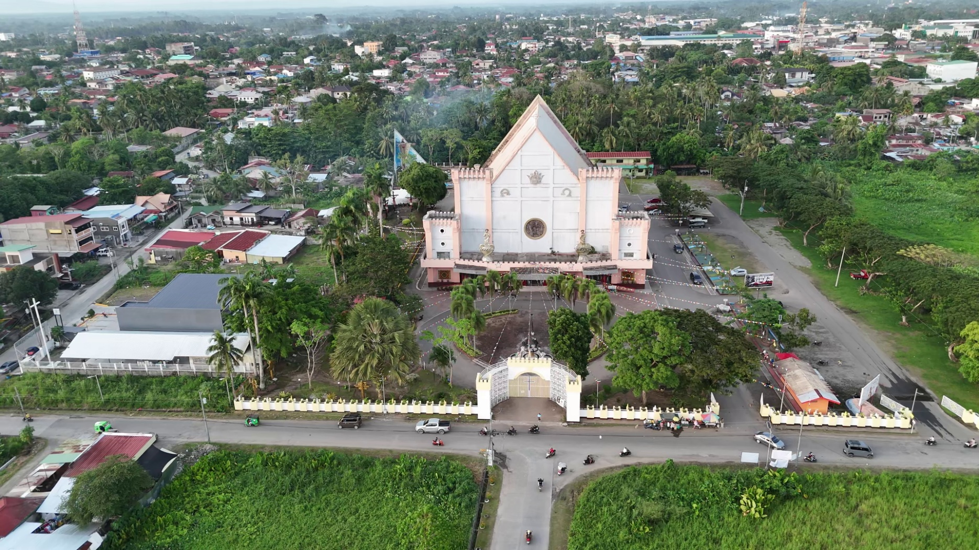 | Rev. Fr. Joseph D. Armamento | Don Juan Gonzales Avenue, Tagum City, Philippines, 8100 | Last Sunday of Ordinary Time (Sunday before Advent) | The Christ the King Cathedral in Tagum City is the present seat of the Diocese of Tagum and became the cathedral as the diocese grew and needed a larger central church; construction of the “new” cathedral site was prepared and begun in 1993 on donated land, and after about 12 years of work it was solemnly dedicated on October 11, 2005, a date that coincided with the diocese’s 25th anniversary, with the former cathedral thereafter being referred to as the Christ the Eucharistic King parish/community; the cathedral is also popularly known for its large devotional features, including its prominent rosary display and sacred art that highlight its patron, Christ the King. | (084) 655-6644, | +63 909 746 9425 | 67

