National pipe tapered
National pipe tapered

Thread angle: 60 degree
Used to connect piping parts and fluid equipment

Name | No. of Thread | Pitch (P) | Availabilty (Purchasing) | Stock | Base hole CNC Machining Ф | Lead time
NPT 1/16 | 27 | 0.9407 | O | O | 6.7
NPT 1/8 | 27 | 0.9407 | O | O | 8.7
NPT 1/4 | 18 | 1.4111 | O | O | 11.7
NPT 3/8 | 18 | 1.4111 | O | O | 15.2
NPT 1/2 | 14 | 1.8143 | O | O | 19
NPT 3/4 | 14 | 1.8143 | O | O | 24.5
NPT 1-11 | 11 ½ | 2.2086 | O | O | 30
NPT 1 ¼ | 11 ½ | 2.2086 |  |  | 39 | Needs to have mating part
NPT 1 ½ | 11 ½ | 2.2086 | O | O | 45
NPT 2 | 11 ½ | 2.2086 |  |  | 57 | Needs to have mating part

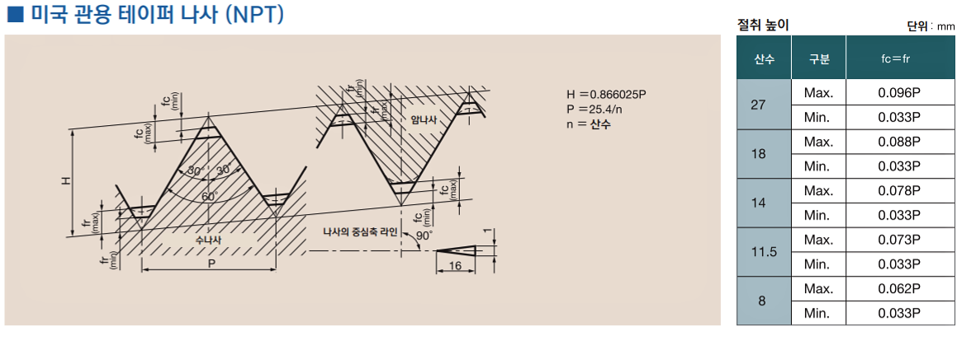
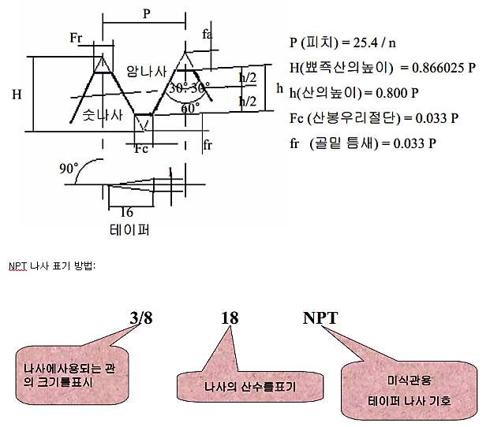

 |  | 20
 |  | 22
 |  | 24

 |  | 20.000 22.000 24.000

 |  | 27
 |  | 30
 |  | 33

