Site Dev Cost
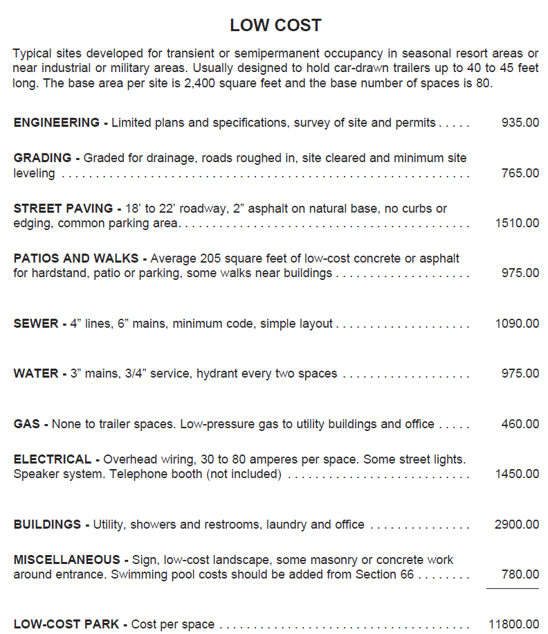
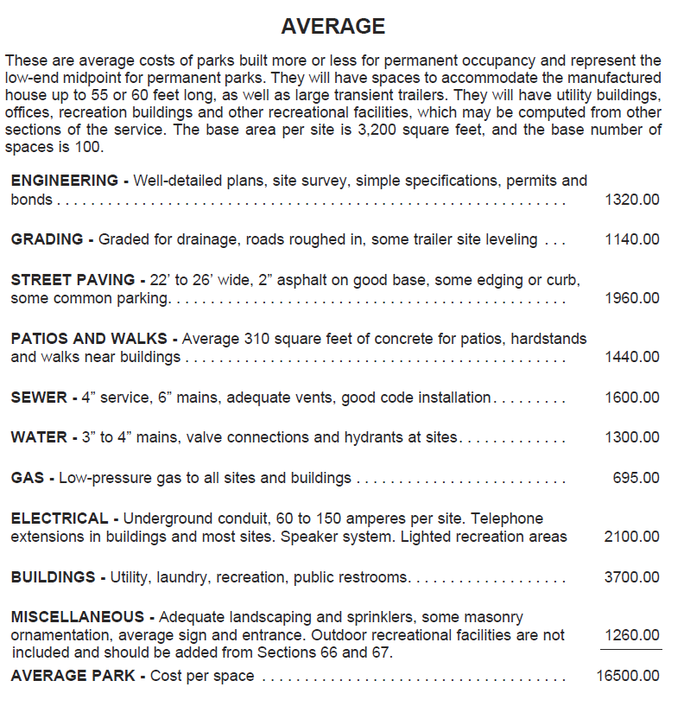
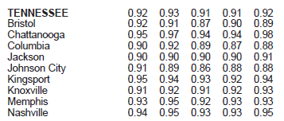
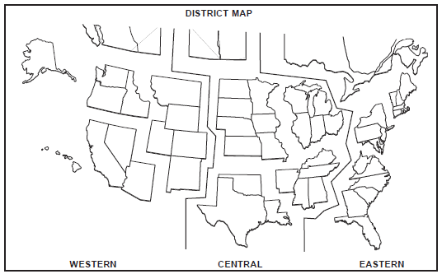
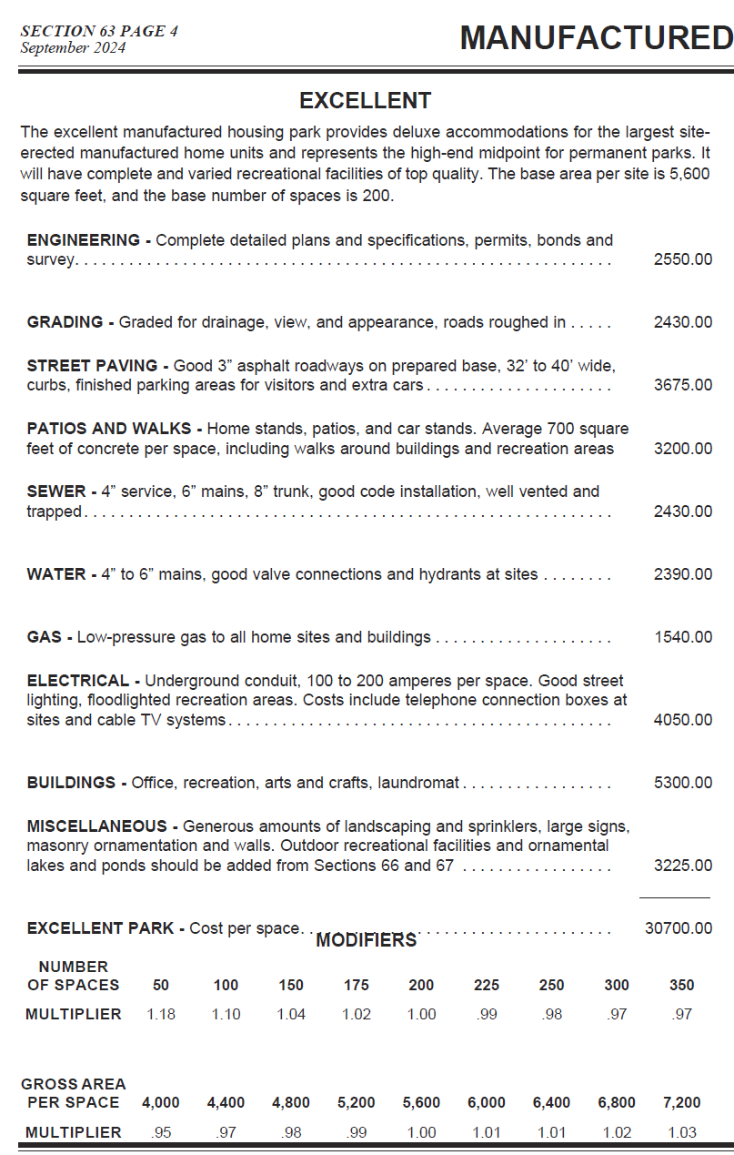
Site Development Costs | # Sites | P. Site | $ Totals | Quality Level / Notes
Number of Units/Sites | 39 |  |  |  | Excellent | Good | Avg. | Low | Cheap
Engineering | 39 | $2,550 | $99,450 | Excellent | $2,550 | 1920 | 1320 | 935 |  | Engineering
Grading | 39 | $2,430 | $94,770 | Excellent | $2,430 | 1750 | 1140 | 765 |  | Grading
Street Paving | 39 | $2,775 | $108,225 | Good | $3,675 | 2775 | 1960 | 1510 |  | Street Paving
Patios and Walks | 39 | $2,170 | $84,630 | Good | $3,200 | 2170 | 1440 | 975 |  | Patios and Walks
Sewer | 39 | $2,430 | $94,770 | Excellent | $2,430 | 2040 | 1600 | 1090 |  | Sewer
Water | 39 | $2,390 | $93,210 | Excellent | $2,390 | 1830 | 1300 | 975 |  | Water
Gas | 39 | $0 | $0 | N/A | $1,540 | 1120 | 695 | 460 |  | Gas
Electrical | 39 | $4,050 | $157,950 | Excellent | $4,050 | 3025 | 2100 | 1450 |  | Electrical
Buildings | 39 | $0 | $0 | Separate Calc. | $5,300 | 4725 | 3700 | 2900 |  | Buildings
Miscellaneous | 39 | $3,225 | $125,775 | Excellent | $3,225 | 2250 | 1260 | 780 |  | Miscellaneous
Subtotal Cost per Unit |  | $22,020 | $858,780
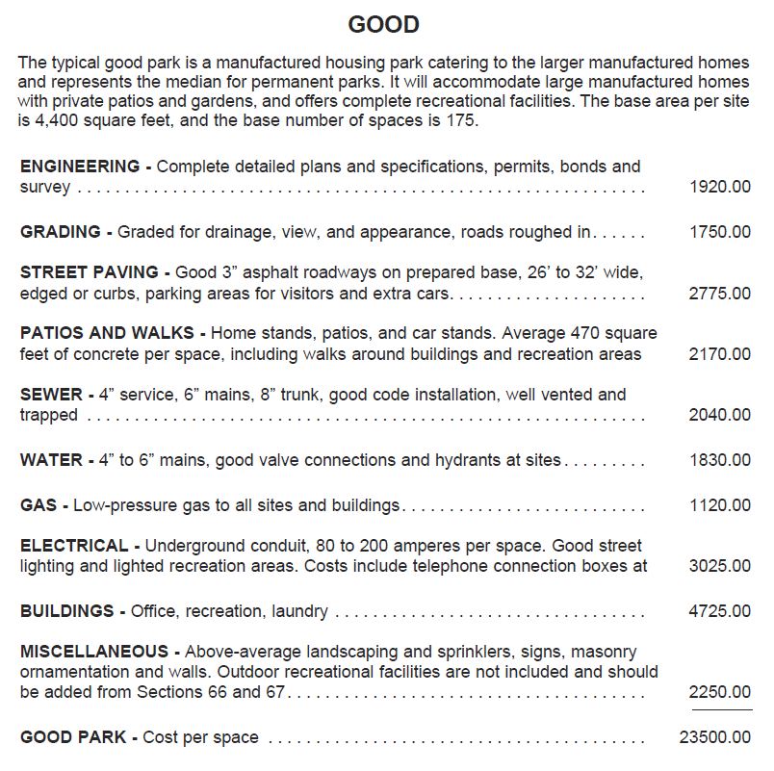
Cost Multipliers | Area / # / SF | Multipliers |  | Notes
Current Cost Multiplier | Eastern | 0.94 | 0.94 | MVS
Local Multiplier | Chattanooga | 0.95 | 0.95 | MVS
Number of Spaces Multiplier | 39 | 1.15 | 1.15 | MVS
Average Area (SF) per Space Multiplier | 11,169 | 1.05 | 1.05 | MVS
Additional Multiplier - Real Market Adj. |  | 1.30 | 1.30 | Additional Multiplier
Net Multiplier |  | 1.40 | 1.40

Site Dev Costs (w/ Multiplier) | # Sites | P. Space | $ Total | Notes
Engineering | 39 | $3,575 | $139,408 | Excellent
Grading | 39 | $3,406 | $132,847 | Excellent
Street Paving | 39 | $3,890 | $151,708 | Good
Patios and Walks | 39 | $3,042 | $118,633 | Good
Sewer | 39 | $3,406 | $132,847 | Excellent
Water | 39 | $3,350 | $130,661 | Excellent
Gas | 39 | $0 | $0 | N/A
Electrical | 39 | $5,677 | $221,412 | Excellent
Buildings | 39 | $0 | $0 | Separate Calc.
Miscellaneous | 39 | $4,521 | $176,310 | Excellent
Total Site Dev Costs (w/ Multiplier) |  | $30,867 | $1,203,826

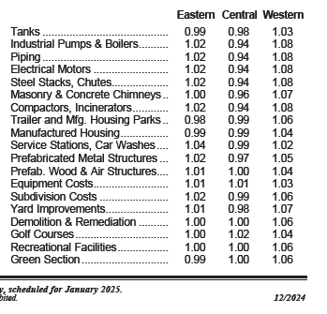
Unit Costs | # Units | P. Unit | $ Unit Totals | Description / Notes
Mirror Cabin Large | 15 | $157,000 | $2,355,000 | Put Description here (SF, etc)
Mirror Cabin Small | 10 | $202,000 | $2,020,000
Dome Large | 5 | $157,000 | $785,000
Dome Small | 4 | $202,000 | $808,000
Safari Tent Large | 3 | $157,000 | $471,000
Safari Tent Medium | 2 | $202,000 | $404,000
USE FOR MONTHLY | 0 | $92,900 | $0
Total Unit Costs | 39 | $175,462 | $6,843,000

Total Site Development Costs + Unit Costs |  |  | $8,046,826

Add. Bldg. Improv.
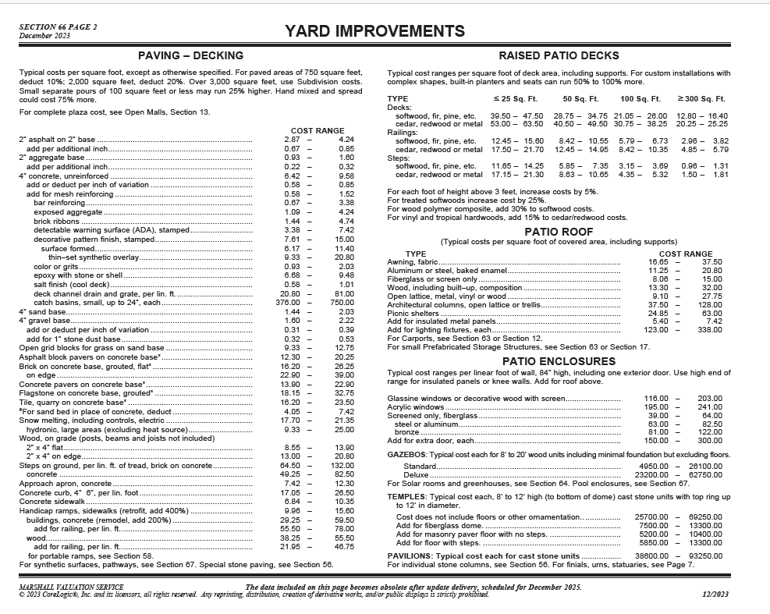
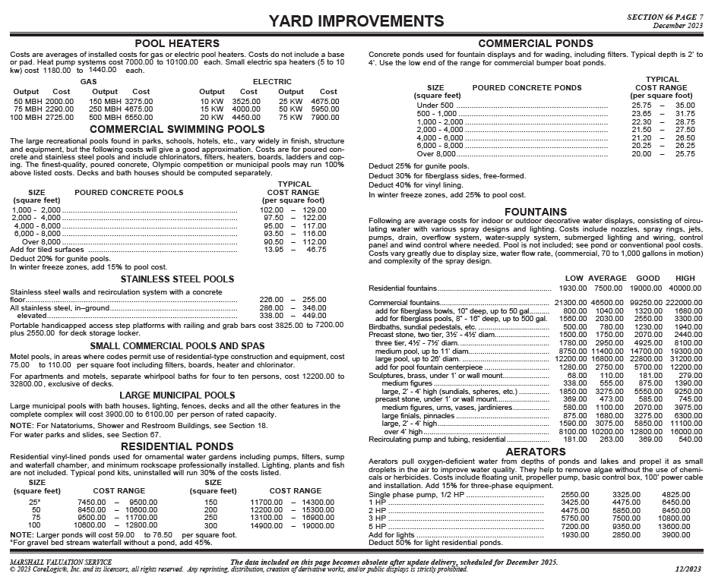
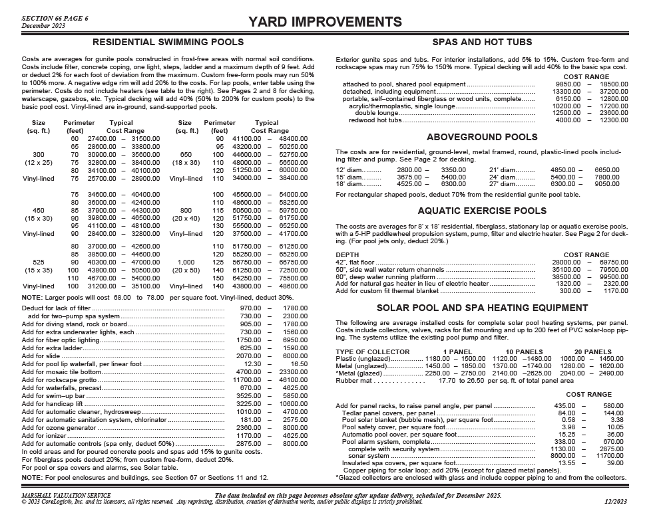
Additional Structures / Site Improvements | # Units | SF | $ / SF | Total | Notes
Event structure with bar/coffee bar, stage, business center, restrooms, and comm. laundry | 1 | 4,500 | $350 | $1,575,000 | Based on MVS + Client Description
Check In office building | 1 | 1,000 | $250 | $250,000 | Based on MVS + Client Description
Spa/Sauna/Dipping Pool area amenity | 1 | 2,000 | $250 | $500,000 | SOA Estimate and MVS
 |  |  |  |  |  | <= FF&E should not be entered here unless absolutely necessary, as it does not get tied into formulas for reserves or r.e. taxes (must adjust formulas if added here)

Total Add. Bldg. Improv. |  |  |  | $2,325,000
 |  |  |  |  |  | ↓ See below for more MVS costs for decking, fencing, dog runs, hot tubs, etc.
DO NOT USE
Replacement Reserves Cost |  | Cost | Useful Life | Annual Replacement Cost
Total Add. Bldg. Improv. |  | $9,168,000 | 40 | $229,200 | <= Typically 40 years for standard buildings unless otherwise specified, DON'T FORGET GLAMPING UNITS! TENTS HAVE A SHORTER USEFUL LIFE
FF&E |  | $290,625 | 8 | $36,328 | <= This number can range buy we will typically put 8
 |  |  |  |  | <= This number can range buy we will typically put 9
 |  |  |  |  | <= This number can range buy we will typically put 10
 |  |  |  |  | <= This number can range buy we will typically put 11
 |  |  |  |  | <= This number can range buy we will typically put 12
Total Annual Replacement Reserve |  |  |  | $265,528 | <= We typically want this number to fall between 3-5% of Revenue

<--- Replacement Reserves % is now being set in the Monthly Pro Forma Assumptions, generally 3% starting Year 3, may be higher % up to 5% if lots of frequently replaced items such as Canvas for Safari Tents, etc.
Be sure that glamping units are included in reserves if applicable. Cabins and park models can go with total Add. Bldg Improv. Anything canvas might have a shorter useful life and need its own line item. Must tie into tax calculation as well. Double check!

 |  | Zook Cabin Pricing:
 |  | The prices listed below are if someone orders only one Park Model. We do offer discounts for multiples.
 |  | Here is information and pricing on our RV certified Park Model Cabins. See the pricing and availability below.
 |  | Please note that the pricing includes all the appliances, mini split heating/cooling unit, and delivery to Salt Lake City, UT.
 |  | Pinecrest Park Model – Click here to see this model – Price: $121,100
 |  | Aspen Park Model – Click here to see this model – Price: $122,300
 |  | Studio Park Model – Click here to see this model – Price: $103,700
 |  | Cascade Park Model – Click here to see this cabin – Price: $138,800
 |  | Pocono Park Model – Click here to see this cabin – Price: $122,500
 |  | Rockwood Park Model – Click here to see this cabin – Price: $159,200
 |  | Alpine Park Model – Click here to see this cabin – Price: $147,400
 |  | A-Frame Park Model – Click here to see this cabin – Price: $155,500
 |  | Luna Park Model – Click here to see this cabin – Price: $153,900
 |  | Please note that all our Park Models / Tiny Homes are RV certified. This means that when you purchase a Park Model, you are technically buying an RV/camper.
 |  | Each unit comes with a title and VIN.

Total Proj. Cost
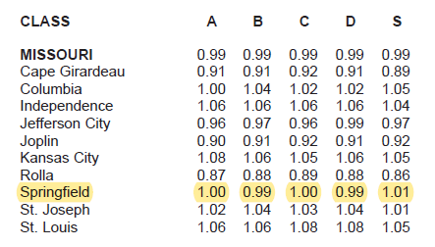
Total Project Cost | $/Unit or % | Total | Notes
Number of Units | 39
Total Site Development Costs | $30,867 | $1,203,826
Total Unit Costs | $175,462 | $6,843,000
Total Additional Building Improvements | $59,615 | $2,325,000
Total Hard Costs | $265,944 | $10,371,826

FF&E @ 12.5% of Unit Costs | 12.5% | $855,375 | Industry Average
FF&E @ 12.5% of Bldg Improv. | 12.5% | $290,625 | Industry Average
Soft Costs | 10.0% | $1,037,183 | Industry Average
Hard Cost Contingency | 10.0% | $1,037,183 | Industry Average
Pre-opening Expense | $2,564 | $100,000 | Industry Average | <= Pre-opening Expense Estimate: Approximately 10% of hard costs give or take based on the complexity of the project.
Land Cost Basis | $56,410 | $2,200,000 | Client Provided Figure
Total Development Cost | $407,492 | $15,892,192

