Site Dev Cost
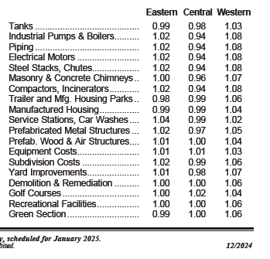
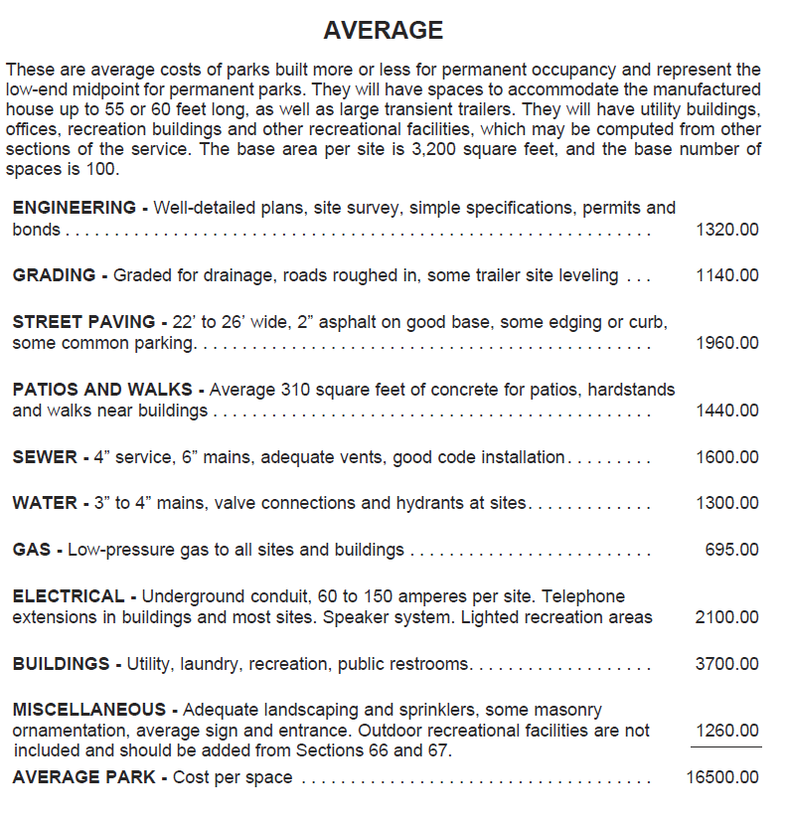
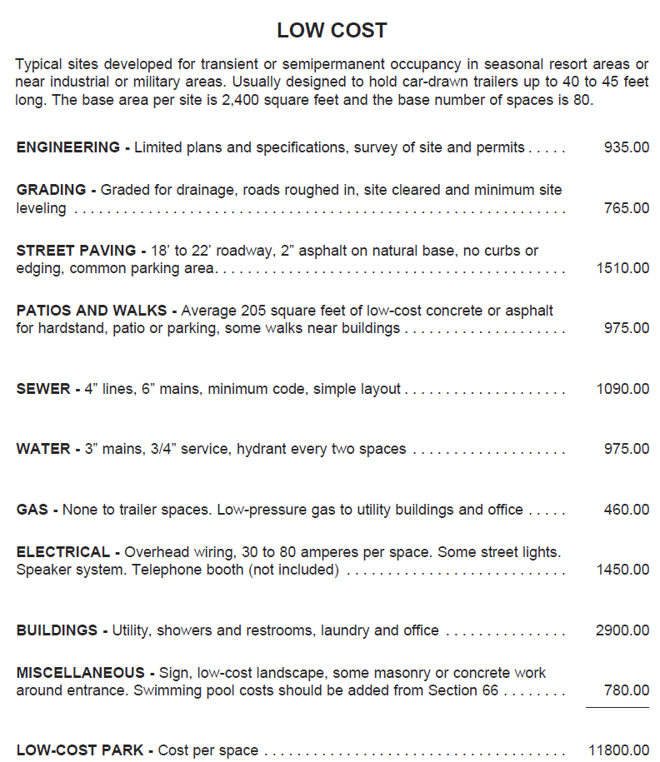
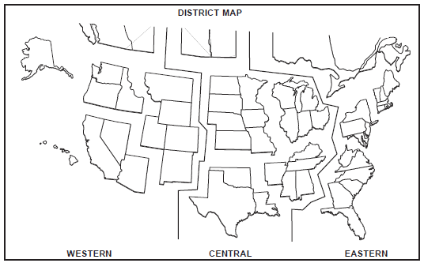
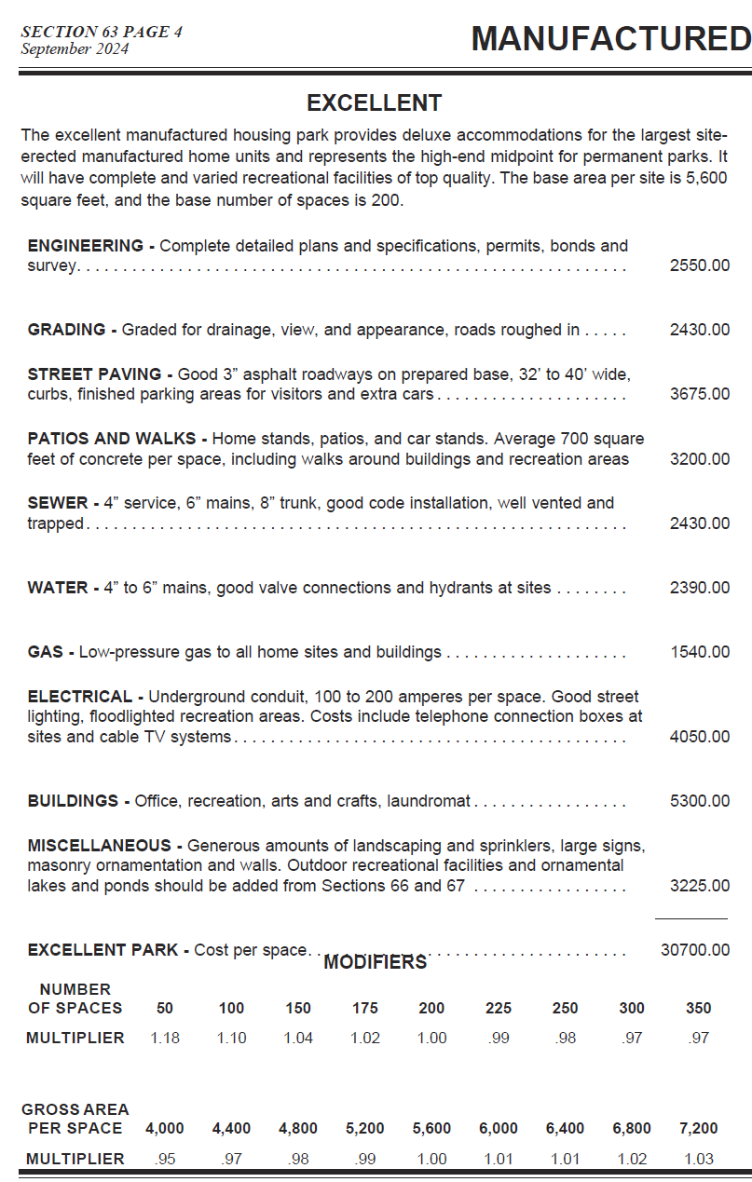
Site Development Costs | # Sites | P. Site | Total | Quality Level / Notes
Number of Units/Sites | 200 |  |  |  | Excellent | Good | Avg. | Low | Cheap
Engineering | 200 | $1,920 | $384,000 | Good | $2,550 | 1920 | 1320 | 935 |  | Engineering
Grading | 200 | $1,750 | $350,000 | Good | $2,430 | 1750 | 1140 | 765 |  | Grading
Street Paving | 200 | $2,775 | $555,000 | Good | $3,675 | 2775 | 1960 | 1510 |  | Street Paving
Patios and Walks | 200 | $2,170 | $434,000 | Good | $3,200 | 2170 | 1440 | 975 |  | Patios and Walks
Septic | 200 | $2,040 | $408,000 | Good | $2,430 | 2040 | 1600 | 1090 |  | Sewer
Water | 200 | $1,830 | $366,000 | Good | $2,390 | 1830 | 1300 | 975 |  | Water
Gas | 200 | $0 | $0 | N/A | $1,540 | 1120 | 695 | 460 |  | Gas
Electrical | 200 | $4,050 | $810,000 | Good | $4,050 | 3025 | 2100 | 1450 |  | Electrical
Buildings | 200 | $0 | $0 | Separate Calc. | $5,300 | 4725 | 3700 | 2900 |  | Buildings
Miscellaneous | 200 | $3,225 | $645,000 | Good | $3,225 | 2250 | 1260 | 780 |  | Miscellaneous
Subtotal Cost per Unit |  | $19,760 | $3,952,000
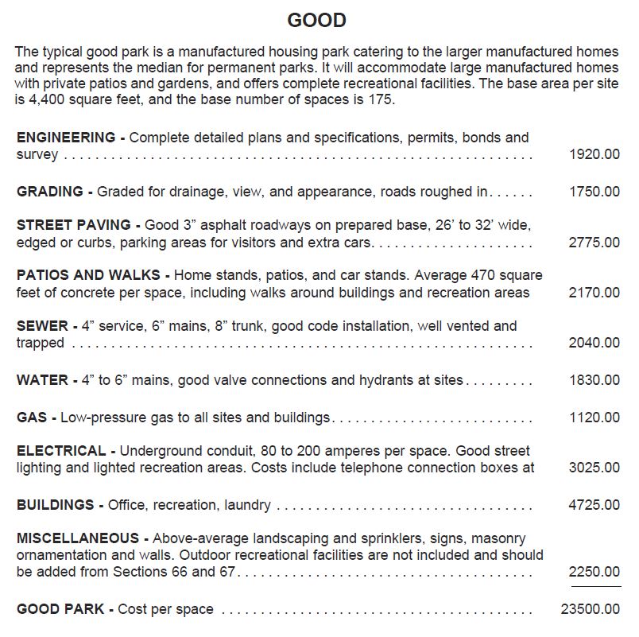
Cost Multipliers | Area / # / SF | Multipliers |  | Notes
Current Cost Multiplier | Western | 1.06 | 1.06 | MVS
Local Multiplier | Gila County | 0.90 | 0.90 | MVS
Number of Spaces Multiplier | 200 | 0.99 | 0.99 | MVS
Average Area (SF) per Space Multiplier | - | 1.02 | 1.02 | MVS
Additional Multiplier |  | 1.00 | 1.00 | Additional Multiplier
Net Multiplier |  | 0.96 | 0.96

Site Dev Costs (w/ Multiplier) | # Sites | P. Space | $ Total | Quality Level / Notes
Engineering | 200 | $1,850 | $369,926 | Good
Grading | 200 | $1,686 | $337,172 | Good
Street Paving | 200 | $2,673 | $534,659 | Good
Patios and Walks | 200 | $2,090 | $418,094 | Good
Sewer | 200 | $1,965 | $393,046 | Good
Water | 200 | $1,763 | $352,586 | Good
Gas | 200 |  |  | N/A
Electrical | 200 | $3,902 | $780,313 | Good
Buildings | 200 |  |  | Separate Calc.
Miscellaneous | 200 | $3,107 | $621,360 | Good
Total Site Dev Costs (w/ Multiplier) |  | $19,036 | $3,807,156

Unit Costs | # | P. Unit | Total | Notes
Example Unit Type #1 | 10 | $120,000 | $1,200,000 | Sage Estimate & MVS
Standard Park Model Cabin | 15 | $90,000 | $1,350,000 | Sage Estimate & MVS
Premium Park Model Cabin | 12 | $110,000 | $1,320,000 | Client-provided Quote
Example Unit Type #4 | 8 | $80,000 | $640,000 | Manufacturer Quote
Total Unit Costs | 45 |  | $4,510,000

Total Site Development Costs + Unit Costs |  |  | $8,317,156

Add. Bldg. Improv.
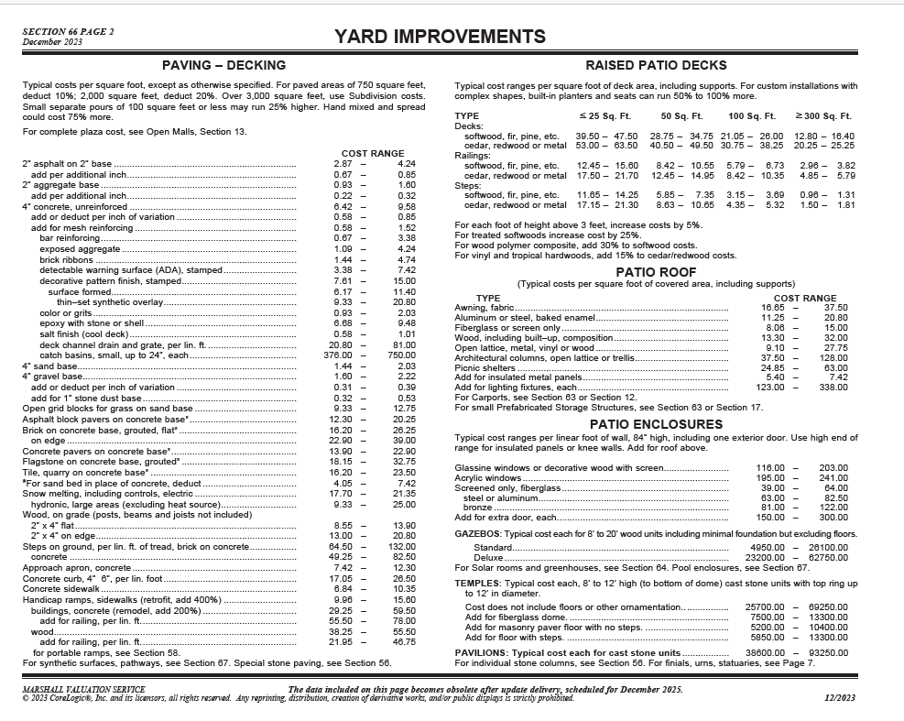
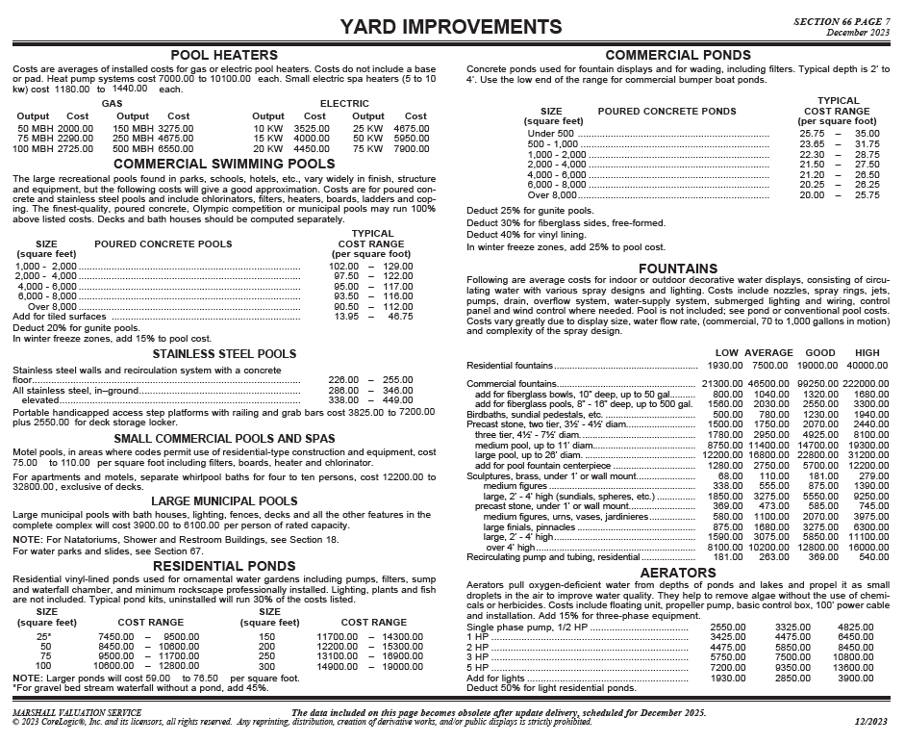
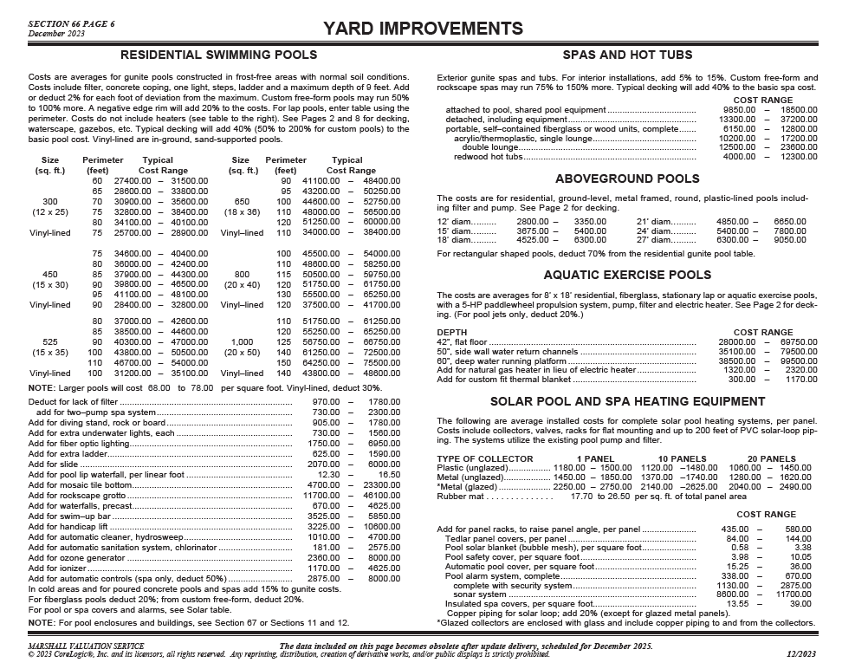
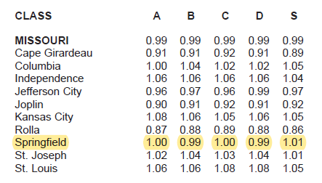
Additional Structures / Site Improvements | SF | $ / SF | Total | Notes
Clubhouse with bathhouse, showers, & laundry | 4,200 | $400 | $1,680,000 | Based on MVS + Client Description
Office with general store (Drop in - modular) | 1,900 | $100 | $190,000 | Based on MVS + Client Description
Covered patio with grill area & hot tub | 1,000 | $125 | $125,000 | Based on MVS + Client Description
Pickleball court | 2,275 | $20 | $45,500 | Based on MVS + Client Description

 |  |  |  |  | Try not to include FF&E here. But if you need to (glamping units, etc.), be sure to adjust in your reserves calculation and your real estate taxes, because the model only ties to the FF&E cell in Total Project Cost
Bathhouse
Pool |  |  |  |  | ↓ See below for more MVS costs for decking, fencing, dog runs, hot tubs, etc.

Total Add. Bldg. Improv. |  |  | $2,040,500

Replacement Reserves Cost | Cost | Useful Life | Annual Replacement Cost |  | Be sure that glamping units are included in reserves if applicable. Cabins and park models can go with total Add. Bldg Improv. Anything canvas might have a shorter useful life and need its own line item. Must tie into tax calculation as well. Double check!
Total Add. Bldg. Improv. | $2,040,500 | 40 | $51,013
FF&E | $255,063 | 8 | $31,883
Total Annual Replacement Reserve |  |  | $82,895

<--- Replacement Reserves % is now being set in the Monthly Pro Forma Assumptions, generally 3% starting Year 3, may be higher % up to 5% if lots of frequently replaced items such as Canvas for Safari Tents, etc.

 |  |  |  |  |  | Zook Cabin Pricing:
 |  |  |  |  |  | The prices listed below are if someone orders only one Park Model. We do offer discounts for multiples.
 |  |  |  |  |  | Here is information and pricing on our RV certified Park Model Cabins. See the pricing and availability below.
 |  |  |  |  |  | Please note that the pricing includes all the appliances, mini split heating/cooling unit, and delivery to Salt Lake City, UT.
 |  |  |  |  |  | Pinecrest Park Model – Click here to see this model – Price: $121,100
 |  |  |  |  |  | Aspen Park Model – Click here to see this model – Price: $122,300
 |  |  |  |  |  | Studio Park Model – Click here to see this model – Price: $103,700
 |  |  |  |  |  | Cascade Park Model – Click here to see this cabin – Price: $138,800
 |  |  |  |  |  | Pocono Park Model – Click here to see this cabin – Price: $122,500
 |  |  |  |  |  | Rockwood Park Model – Click here to see this cabin – Price: $159,200
 |  |  |  |  |  | Alpine Park Model – Click here to see this cabin – Price: $147,400
 |  |  |  |  |  | A-Frame Park Model – Click here to see this cabin – Price: $155,500
 |  |  |  |  |  | Luna Park Model – Click here to see this cabin – Price: $153,900
 |  |  |  |  |  | Please note that all our Park Models / Tiny Homes are RV certified. This means that when you purchase a Park Model, you are technically buying an RV/camper.
 |  |  |  |  |  | Each unit comes with a title and VIN.

