Sheet1
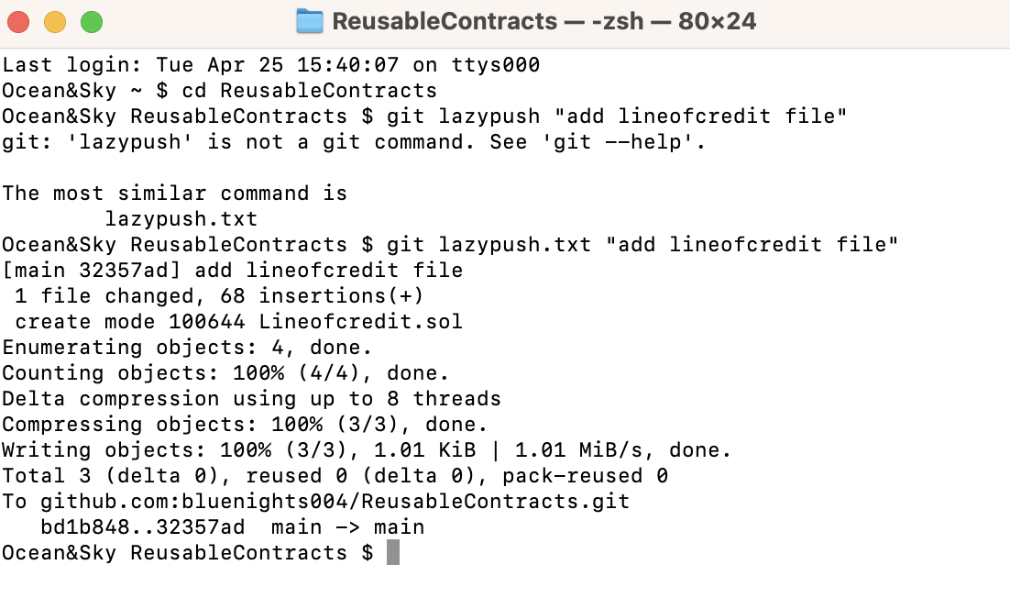
1 | Where is the zshrc file on mac
 | Link | https://superuser.com/questions/886132/where-is-the-zshrc-file-on-mac

 | Commands on terminal

 | Edited git-lazypush file

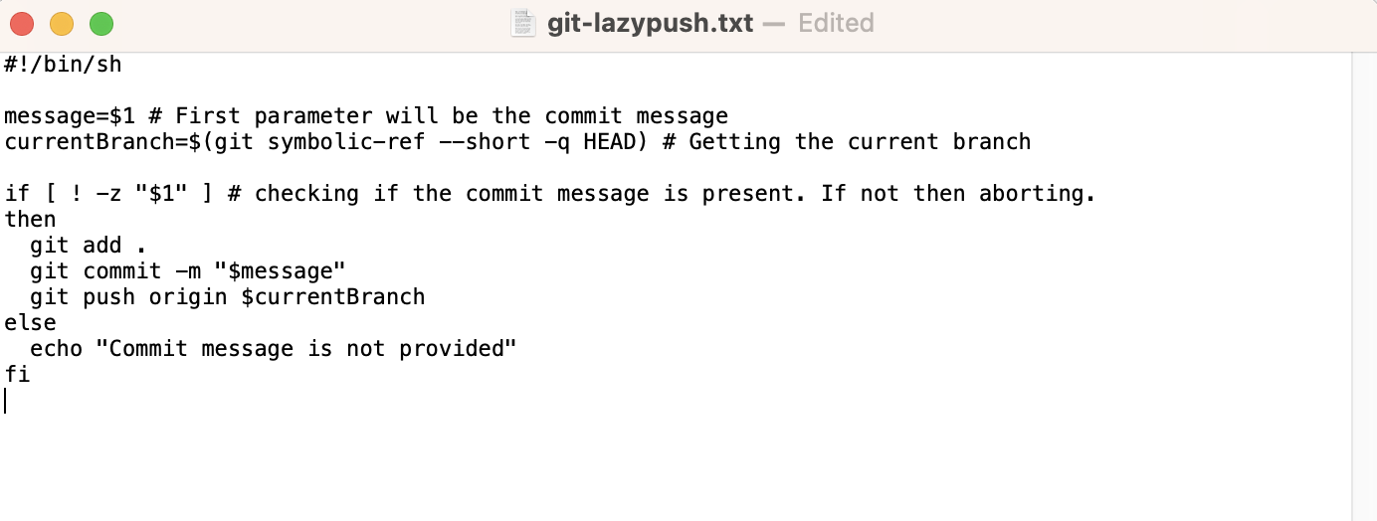

 | Testing the new git command |  | git lazypush.txt "message"

