NaboDatSimpleModel
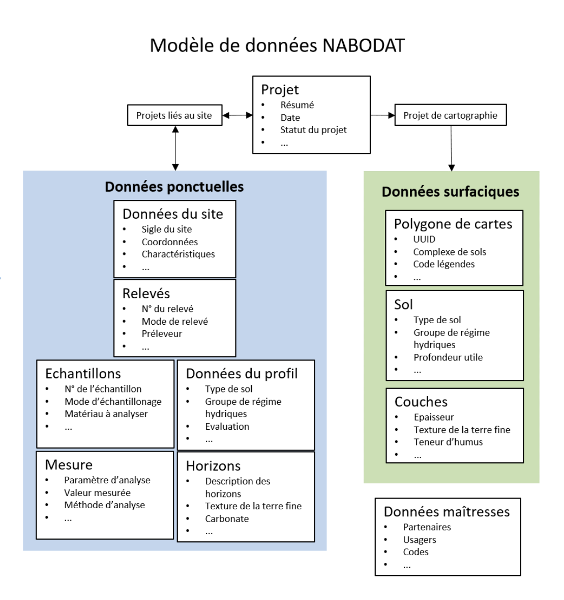

https://www.nabodat.ch/index.php/fr/application/modele-de-donnees

https://ccsols.ch/de/datenmanagement/datenmodell/

References
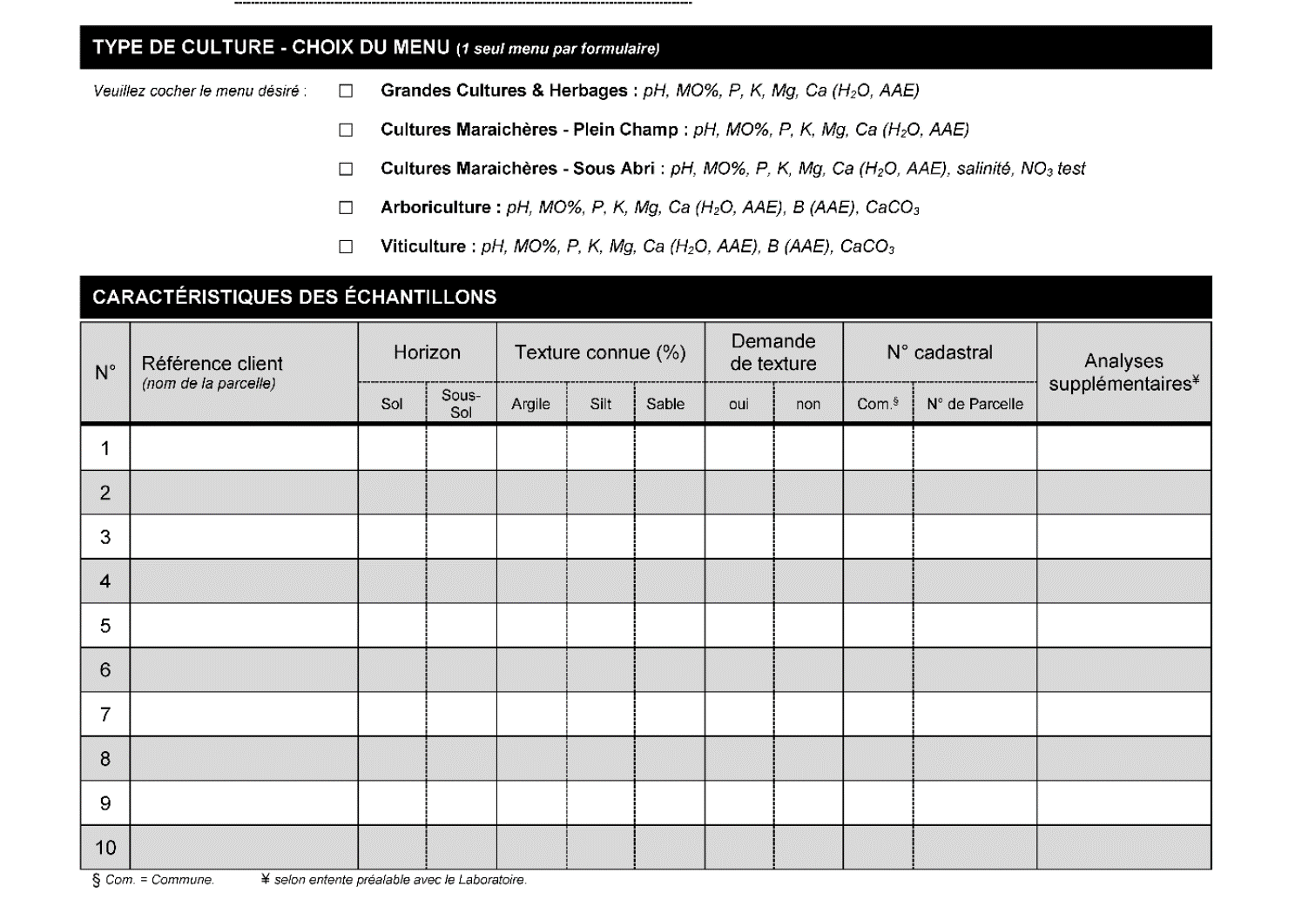

 |  | https://www.ericschweizer.ch/bausteine.net/f/8316/1617_301_Angebotsbrosch%c3%bcre_Bodenproben_%c3%96LN_DE_ANSICHT.pdf?fd=0

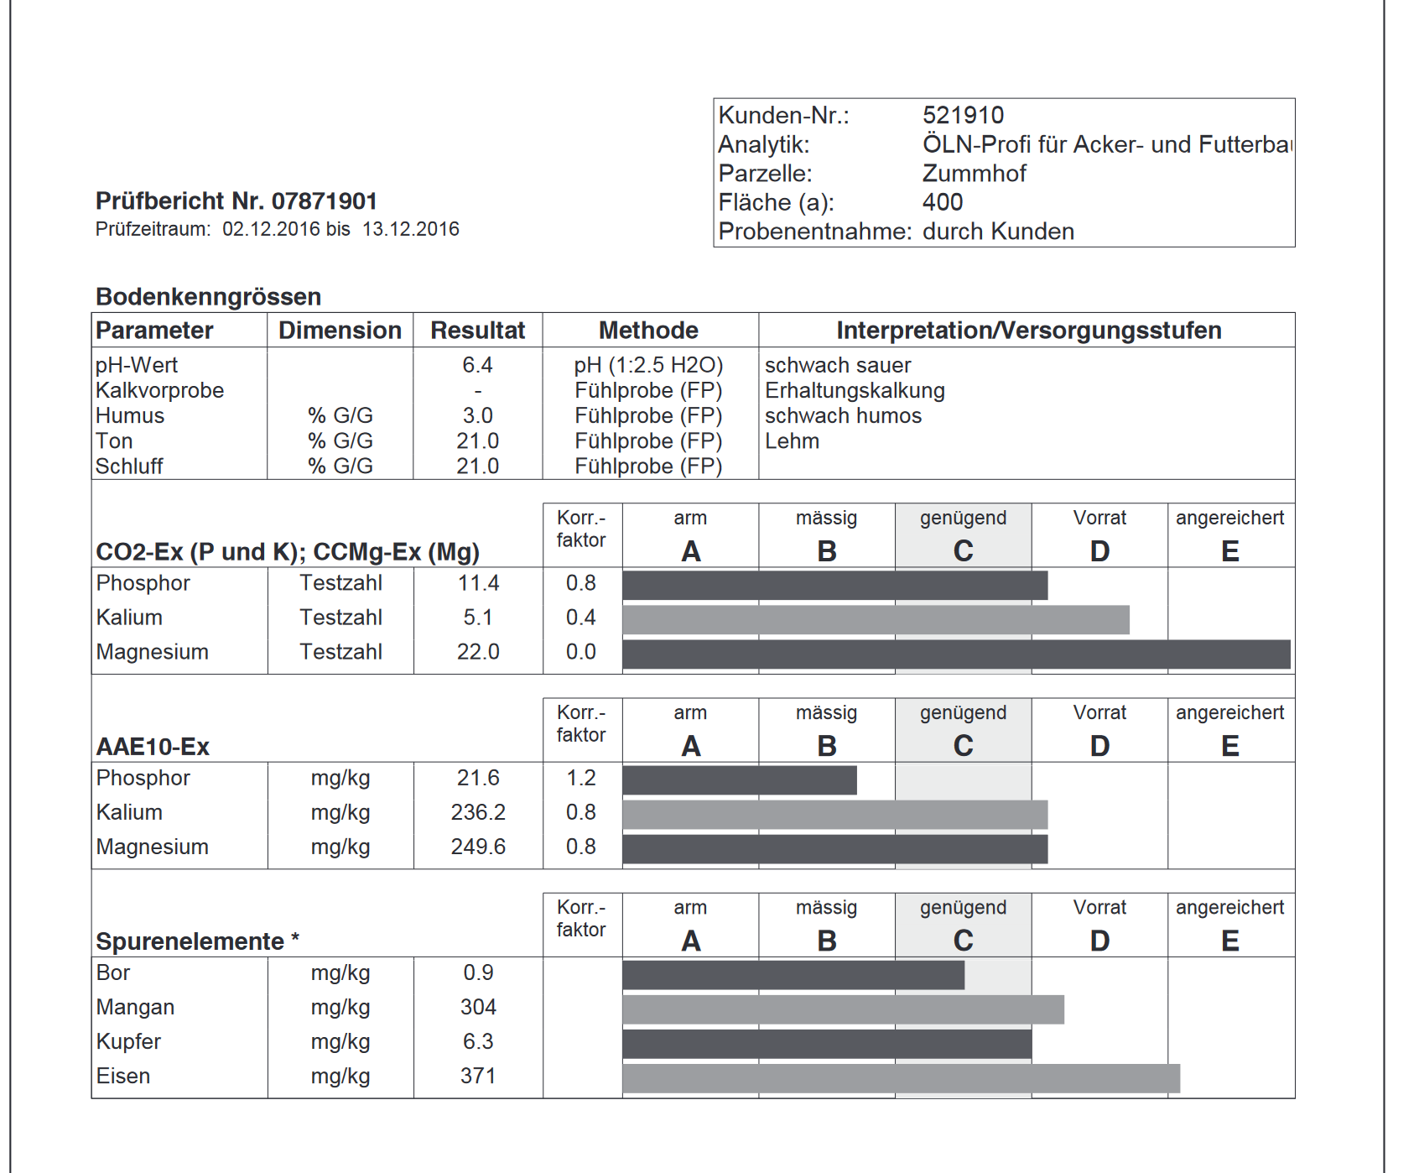

Nabodat
 | https://nabodat.ch/index.php/de/fachapplikation/datenmodell
 | See link to model at bottom of page

Methoden
 | https://agrarbericht.ch/de/umwelt/phosphor/phosphor-in-der-umwelt

