ClareData
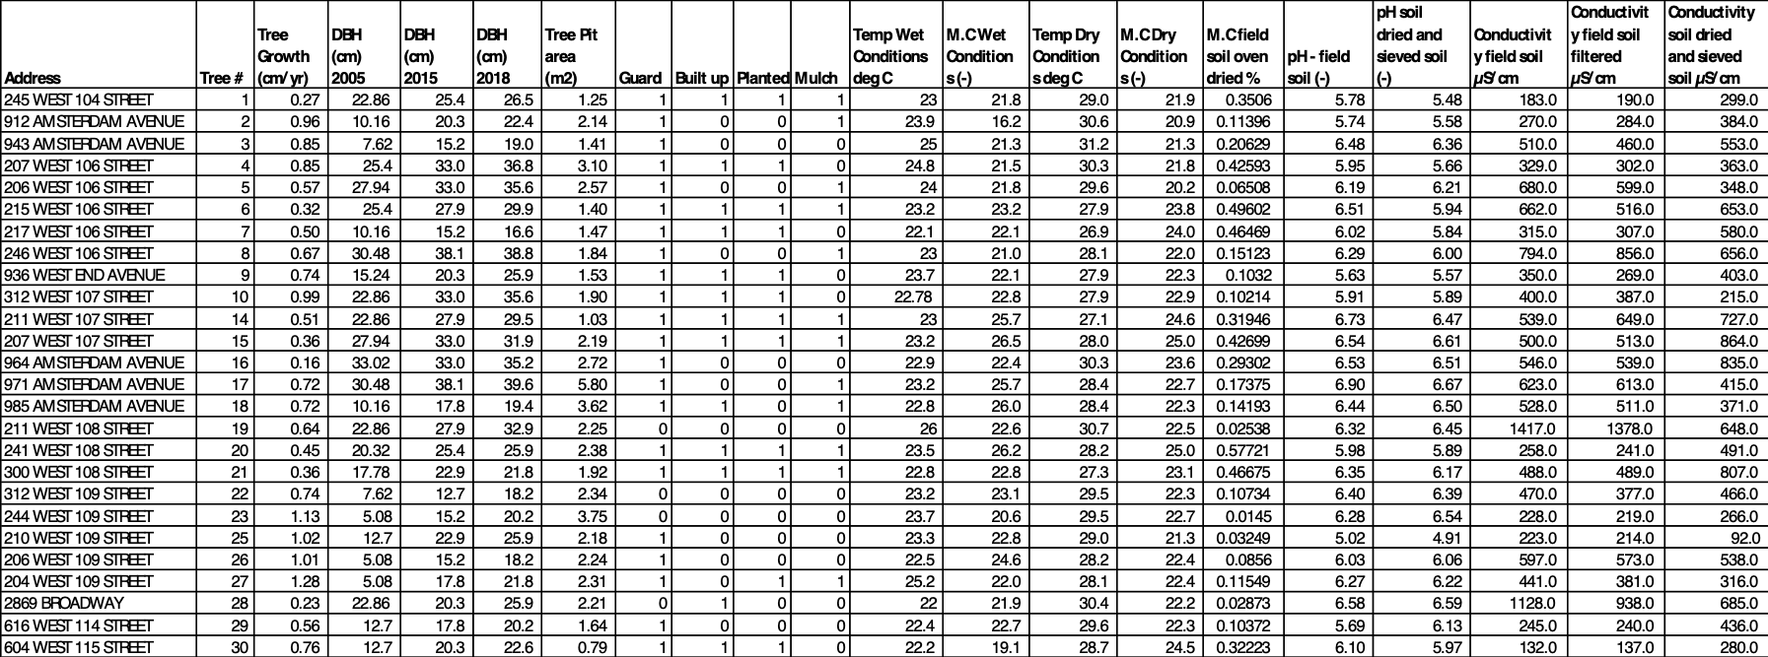
Address | Tree# | NYC_Tree_id_online | NYC_tree_id_database | DBH_cm_2005 | DBH_in_2005 | DBH_cm_2015 | DBH_in_2015 | DBH_cm 2018 | DBH_in_2018 | TreePitAream2 | Guard | Builtup | Planted | Milch | Total_stew | Temp_Wet_C | MC_Wet | Temp_Dry | MC_Dry | MC_Field_oven | pH_field | ph_dried | coductivity | conductivity_filtered | conductivty_sieve
245 west 104 street | 1 | 1396163 | 264349 | 22.86 | 9 | 25.4 | 10 | 26.5 | 10.433070866 | 1.25 | 1 | 1 | 1 | 1 | 4 | 23 | 21.8 | 29 | 21.9 | 0.3506 | 5.78 | 5.48 | 183 | 190 | 299
912 amsterdam avenue | 2 | 1382384 | 214263 | 10.16 | 4 | 20.3 | 7.9921259843 | 22.4 | 8.8188976378 | 2.14 | 1 | 0 | 0 | 1 | 2 | 23.9 | 16.2 | 30.6 | 20.9 | 0.11396 | 5.74 | 5.58 | 270 | 284 | 384
943 amsterdam avenue | 3 | 1436842 | 159233 | 7.62 | 3 | 15.2 | 5.9842519685 | 19 | 7.4803149606 | 1.41 | 1 | 0 | 0 | 0 | 1 | 25 | 21.3 | 32.2 | 21.3 | 0.20629 | 6.48 | 6.36 | 510 | 460 | 553
207 west 106 street | 4 | 1052578 | 140833 | 25.4 | 10 | 33 | 12.992125984 | 36.8 | 14.488188976 | 3.1 | 1 | 1 | 1 | 0 | 3 | 24.8 | 21.5 | 30.3 | 21.8 | 0.42593 | 5.95 | 5.66 | 329 | 302 | 363
206 west 106 street | 5 | 593587 | 90904 | 27.94 | 11 | 33 | 12.992125984 | 35.6 | 14.015748031 | 2.57 | 1 | 0 | 0 | 1 | 2 | 24 | 21.8 | 29.6 | 20.2 | 0.06508 | 6.19 | 6.21 | 680 | 599 | 348
215 west 106 street | 6 | 1052583 | 140838 | 25.4 | 10 | 27.9 | 10.984251969 | 29.9 | 11.771653543 | 1.4 | 1 | 1 | 1 | 1 | 4 | 23.2 | 23.2 | 27.9 | 23.8 | 0.49602 | 6.51 | 5.94 | 662 | 516 | 653
217 west 106 street | 7 | 1052584 | 140839 | 10.16 | 4 | 15.2 | 5.9842519685 | 16.6 | 6.5354330709 | 1.47 | 1 | 1 | 1 | 0 | 3 | 22.1 | 22.1 | 26.9 | 24 | 0.46469 | 6.02 | 5.84 | 315 | 307 | 580
246 west 106 street | 8 | 593582 | 90899 | 30.48 | 12 | 38.1 | 15 | 38.8 | 15.275590551 | 1.84 | 1 | 0 | 0 | 1 | 2 | 23 | 21 | 28.1 | 22 | 0.15123 | 6.29 | 6 | 794 | 856 | 656
936 west end avenue | 9 | 1383892 | 217668 | 15.24 | 6 | 20.3 | 7.9921259843 | 25.9 | 10.196850394 | 1.53 | 1 | 1 | 1 | 0 | 3 | 23.7 | 22.1 | 27.9 | 22.3 | 0.1032 | 5.63 | 5.57 | 350 | 269 | 403
312 west 107 street | 10 | 2111885 | 76676 | 22.86 | 9 | 33 | 12.992125984 | 35.6 | 14.015748031 | 1.9 | 1 | 1 | 1 | 0 | 3 | 22.78 | 22.8 | 27.9 | 22.9 | 0.10214 | 5.91 | 5.89 | 400 | 387 | 215
211 west 107 street | 14 | 594063 | 98309 | 22.86 | 9 | 27.9 | 10.984251969 | 29.5 | 11.614173228 | 1.03 | 1 | 1 | 1 | 1 | 4 | 23 | 25.7 | 27.1 | 24.6 | 0.31946 | 6.73 | 6.47 | 539 | 649 | 727
207 west 107 street | 15 | 594061 | 98306 | 27.94 | 11 | 33 | 12.992125984 | 31.9 | 12.559055118 | 2.19 | 1 | 1 | 1 | 1 | 4 | 23.2 | 26.5 | 28 | 25 | 0.42699 | 6.54 | 6.61 | 500 | 513 | 864
964 amsterdam avenue | 16 | 594053 | 98257 | 33.02 | 13 | 33 | 12.992125984 | 35.2 | 13.858267717 | 2.72 | 1 | 0 | 0 | 0 | 1 | 22.9 | 22.4 | 30.3 | 23.6 | 0.29302 | 6.53 | 6.51 | 546 | 539 | 835
971 amsterdram avenue | 17 | missing | 158881 | 30.48 | 12 | 38.1 | 15 | 39.6 | 15.590551181 | 5.8 | 1 | 0 | 0 | 1 | 2 | 23.2 | 25.7 | 28.4 | 22.7 | 0.17375 | 6.9 | 6.67 | 623 | 613 | 415
985 amsterdam avenue | 18 | 2127600 | 222753 | 10.16 | 4 | 17.8 | 7.0078740157 | 19.4 | 7.6377952756 | 3.62 | 1 | 1 | 0 | 1 | 3 | 22.8 | 26 | 28.4 | 22.3 | 0.14193 | 6.44 | 6.5 | 528 | 511 | 371
211 west 108 street | 19 | 4686480 | 281881 | 22.86 | 9 | 27.9 | 10.984251969 | 32.9 | 12.952755906 | 2.25 | 0 | 0 | 0 | 0 | 0 | 26 | 22.6 | 30.7 | 22.5 | 0.02538 | 6.32 | 6.45 | 1417 | 1378 | 648
241 west 108 street | 20 | 1399642 | 281891 | 20.32 | 8 | 25.4 | 10 | 25.9 | 10.196850394 | 2.38 | 1 | 1 | 1 | 1 | 4 | 23.5 | 26.2 | 28.2 | 25 | 0.57721 | 5.98 | 5.89 | 258 | 241 | 491
300 west 108 street | 21 | 1384013 | 217948 | 17.78 | 7 | 22.9 | 9.0157480315 | 21.8 | 8.5826771654 | 1.92 | 1 | 1 | 1 | 1 | 4 | 22.8 | 22.8 | 27.3 | 23.1 | 0.46675 | 6.35 | 6.17 | 488 | 489 | 807
312 west 109 street | 22 | 1384134 | 218304 | 7.62 | 3 | 12.7 | 5 | 18.2 | 7.1653543307 | 2.34 | 0 | 0 | 0 | 0 | 0 | 23.2 | 23.1 | 29.5 | 22.3 | 0.10734 | 6.4 | 6.39 | 470 | 377 | 466
244 west 109 street | 23 | 232009 | 193101 | 5.08 | 2 | 15.2 | 5.9842519685 | 20.2 | 7.9527559055 | 3.75 | 0 | 0 | 0 | 0 | 0 | 23.7 | 20.6 | 29.5 | 22.7 | 0.0145 | 6.28 | 6.54 | 228 | 219 | 266
210 west 109 street | 25 | 1446293 | 193111 | 12.7 | 5 | 22.9 | 9.0157480315 | 25.9 | 10.196850394 | 2.18 | 1 | 0 | 0 | 0 | 1 | 23.3 | 22.8 | 29 | 21.3 | 0.03249 | 5.02 | 4.91 | 223 | 214 | 92
206 west 109 street | 26 | 1446394 | 193112 | 5.08 | 2 | 15.2 | 5.9842519685 | 18.2 | 7.1653543307 | 2.24 | 1 | 0 | 0 | 0 | 1 | 22.5 | 24.6 | 28.2 | 22.4 | 0.0856 | 6.03 | 6.06 | 597 | 573 | 538
204 west 109 street | 27 | 1446295 | 193113 | 5.08 | 2 | 17.8 | 7.0078740157 | 21.8 | 8.5826771654 | 2.31 | 1 | 0 | 1 | 1 | 3 | 25.2 | 22 | 28.1 | 22.4 | 0.11549 | 6.27 | 6.22 | 441 | 381 | 316
2869 broadway | 28 | 1384090 | 218187 | 22.86 | 9 | 20.3 | 7.9921259843 | 25.9 | 10.196850394 | 2.21 | 0 | 1 | 0 | 0 | 1 | 22 | 21.9 | 30.4 | 22.2 | 0.02873 | 6.58 | 6.59 | 1128 | 938 | 685
616 west 114 street | 29 | 1418246 | 76329 | 12.7 | 5 | 17.8 | 7.0078740157 | 20.2 | 7.9527559055 | 1.64 | 1 | 0 | 0 | 0 | 1 | 22.4 | 22.7 | 29.6 | 22.3 | 0.10372 | 5.69 | 6.13 | 245 | 240 | 436
604 west 115 street | 30 | 1403256 | 334928 | 12.7 | 5 | 20.3 | 7.9921259843 | 22.6 | 8.8976377953 | 0.79 | 1 | 1 | 1 | 0 | 3 | 22.2 | 19.1 | 28.7 | 24.5 | 0.32223 | 6.1 | 5.94 | 132 | 137 | 280

