Michaelis-Menten
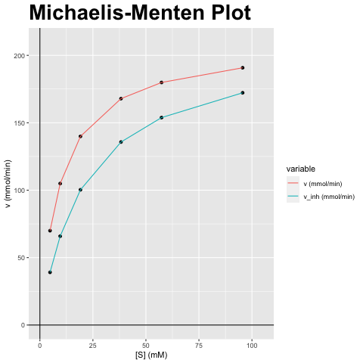
[S] (mM) | v (mmol/min) | v_inh (mmol/min)
4.78 | 69.953 | 39.082
9.56 | 104.929 | 65.893
19.12 | 139.905 | 100.295
38.241 | 167.886 | 135.724
57.361 | 179.878 | 153.839
95.602 | 190.78 | 172.229

vmax (mmol/min) | vmax_inh (mmol/min) | km (mM) | km_inh (mM) | Answer
209.858 | 209.858 | 9.56 | 20.887 | A) Competitieve inhibitor; Vmax blijft gelijk, Km verandert

Lineweaver-Burk
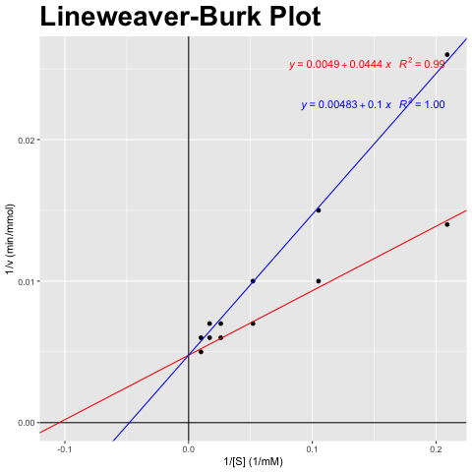
[S] (mM) | v (mmol/min) | v_inh (mmol/min)
4.78 | 69.953 | 39.082
9.56 | 104.929 | 65.893
19.12 | 139.905 | 100.295
38.241 | 167.886 | 135.724
57.361 | 179.878 | 153.839
95.602 | 190.78 | 172.229

1/[S] (1/mM) | 1/v (min/mmol) | 1/v_inh (min/mmol)
0.209 | 0.014 | 0.026
0.105 | 0.01 | 0.015
0.052 | 0.007 | 0.01
0.026 | 0.006 | 0.007
0.017 | 0.006 | 0.007
0.01 | 0.005 | 0.006

vmax (mmol/min) | vmax_inh (mmol/min) | km (mM) | km_inh (mM) | Answer
209.858 | 209.858 | 9.56 | 20.887 | A) Competitieve inhibitor; Vmax blijft gelijk, Km verandert

Eadie-Hofstee
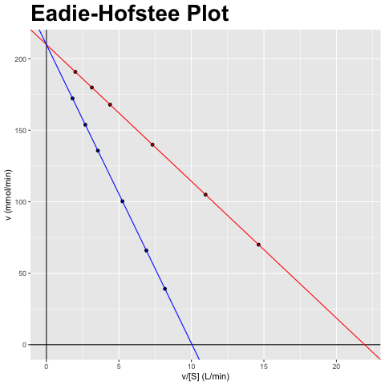
[S] (mM) | v (mmol/min) | v_inh (mmol/min)
4.78 | 69.953 | 39.082
9.56 | 104.929 | 65.893
19.12 | 139.905 | 100.295
38.241 | 167.886 | 135.724
57.361 | 179.878 | 153.839
95.602 | 190.78 | 172.229

v/[S] (L/min) | v (mmol/min) | v_inh/[S] (L/min) | v_inh (mmol/min)
14.634 | 69.953 | 8.176 | 39.082
10.976 | 104.929 | 6.892 | 65.893
7.317 | 139.905 | 5.245 | 100.295
4.39 | 167.886 | 3.549 | 135.724
3.136 | 179.878 | 2.682 | 153.839
1.996 | 190.78 | 1.802 | 172.229

vmax (mmol/min) | vmax_inh (mmol/min) | km (mM) | km_inh (mM) | Answer
209.858 | 209.858 | 9.56 | 20.887 | A) Competitieve inhibitor; Vmax blijft gelijk, Km verandert

Hanes-Woolf
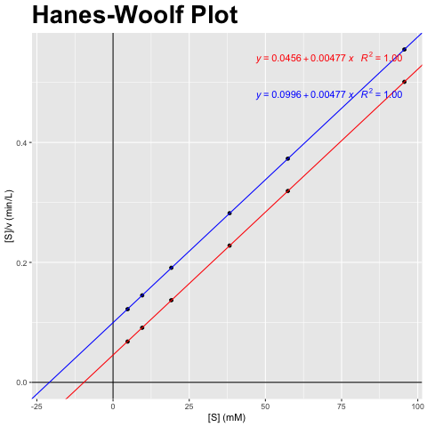
[S] (mM) | v (mmol/min) | v_inh (mmol/min)
4.78 | 69.953 | 39.082
9.56 | 104.929 | 65.893
19.12 | 139.905 | 100.295
38.241 | 167.886 | 135.724
57.361 | 179.878 | 153.839
95.602 | 190.78 | 172.229

[S] (mM) | [S]/v (min/L) | [S]/v_inh (min/L)
4.78 | 0.068 | 0.122
9.56 | 0.091 | 0.145
19.12 | 0.137 | 0.191
38.241 | 0.228 | 0.282
57.361 | 0.319 | 0.373
95.602 | 0.501 | 0.555

vmax (mmol/min) | vmax_inh (mmol/min) | km (mM) | km_inh (mM) | Answer
209.858 | 209.858 | 9.56 | 20.887 | A) Competitieve inhibitor; Vmax blijft gelijk, Km verandert

