Michaelis-Menten
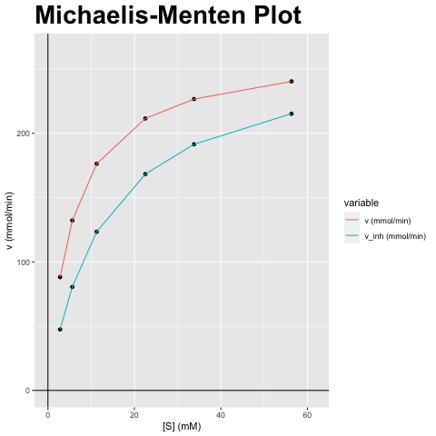
[S] (mM) | v (mmol/min) | v_inh (mmol/min)
2.815 | 88.141 | 47.452
5.63 | 132.212 | 80.464
11.259 | 176.282 | 123.383
22.518 | 211.538 | 168.256
33.777 | 226.648 | 191.467
56.295 | 240.385 | 215.219

vmax (mmol/min) | vmax_inh (mmol/min) | km (mM) | km_inh (mM) | Answer
264.423 | 264.423 | 5.63 | 12.87 | A) Competitieve inhibitor; Vmax blijft gelijk, Km verandert

Lineweaver-Burk
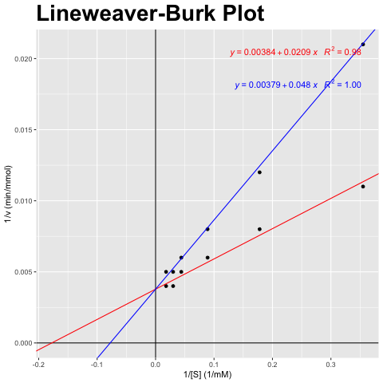
[S] (mM) | v (mmol/min) | v_inh (mmol/min)
2.815 | 88.141 | 47.452
5.63 | 132.212 | 80.464
11.259 | 176.282 | 123.383
22.518 | 211.538 | 168.256
33.777 | 226.648 | 191.467
56.295 | 240.385 | 215.219

1/[S] (1/mM) | 1/v (min/mmol) | 1/v_inh (min/mmol)
0.355 | 0.011 | 0.021
0.178 | 0.008 | 0.012
0.089 | 0.006 | 0.008
0.044 | 0.005 | 0.006
0.03 | 0.004 | 0.005
0.018 | 0.004 | 0.005

vmax (mmol/min) | vmax_inh (mmol/min) | km (mM) | km_inh (mM) | Answer
264.423 | 264.423 | 5.63 | 12.87 | A) Competitieve inhibitor; Vmax blijft gelijk, Km verandert

Eadie-Hofstee
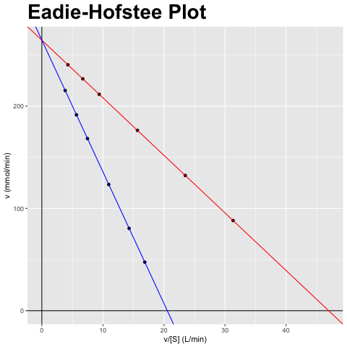
[S] (mM) | v (mmol/min) | v_inh (mmol/min)
2.815 | 88.141 | 47.452
5.63 | 132.212 | 80.464
11.259 | 176.282 | 123.383
22.518 | 211.538 | 168.256
33.777 | 226.648 | 191.467
56.295 | 240.385 | 215.219

v/[S] (L/min) | v (mmol/min) | v_inh/[S] (L/min) | v_inh (mmol/min)
31.314 | 88.141 | 16.858 | 47.452
23.485 | 132.212 | 14.293 | 80.464
15.657 | 176.282 | 10.959 | 123.383
9.394 | 211.538 | 7.472 | 168.256
6.71 | 226.648 | 5.669 | 191.467
4.27 | 240.385 | 3.823 | 215.219

vmax (mmol/min) | vmax_inh (mmol/min) | km (mM) | km_inh (mM) | Answer
264.423 | 264.423 | 5.63 | 12.87 | A) Competitieve inhibitor; Vmax blijft gelijk, Km verandert

Hanes-Woolf
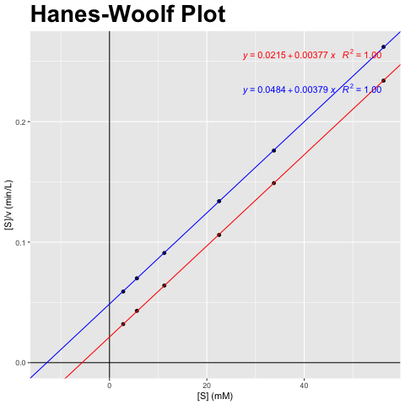
[S] (mM) | v (mmol/min) | v_inh (mmol/min)
2.815 | 88.141 | 47.452
5.63 | 132.212 | 80.464
11.259 | 176.282 | 123.383
22.518 | 211.538 | 168.256
33.777 | 226.648 | 191.467
56.295 | 240.385 | 215.219

[S] (mM) | [S]/v (min/L) | [S]/v_inh (min/L)
2.815 | 0.032 | 0.059
5.63 | 0.043 | 0.07
11.259 | 0.064 | 0.091
22.518 | 0.106 | 0.134
33.777 | 0.149 | 0.176
56.295 | 0.234 | 0.262

vmax (mmol/min) | vmax_inh (mmol/min) | km (mM) | km_inh (mM) | Answer
264.423 | 264.423 | 5.63 | 12.87 | A) Competitieve inhibitor; Vmax blijft gelijk, Km verandert

