Michaelis-Menten
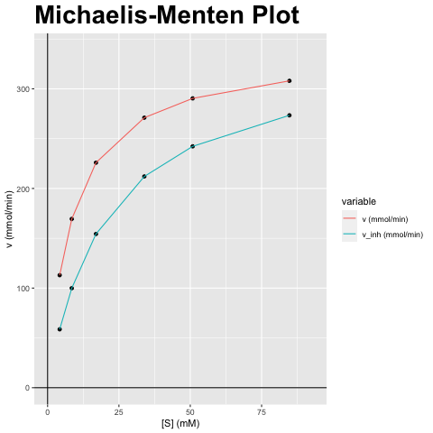
[S] (mM) | v (mmol/min) | v_inh (mmol/min)
4.237 | 112.937 | 58.596
8.474 | 169.405 | 99.913
16.948 | 225.873 | 154.318
33.896 | 271.048 | 212.053
50.843 | 290.409 | 242.265
84.739 | 308.009 | 273.431

vmax (mmol/min) | vmax_inh (mmol/min) | km (mM) | km_inh (mM) | Answer
338.81 | 338.81 | 8.474 | 20.262 | A) Competitieve inhibitor; Vmax blijft gelijk, Km verandert

Lineweaver-Burk
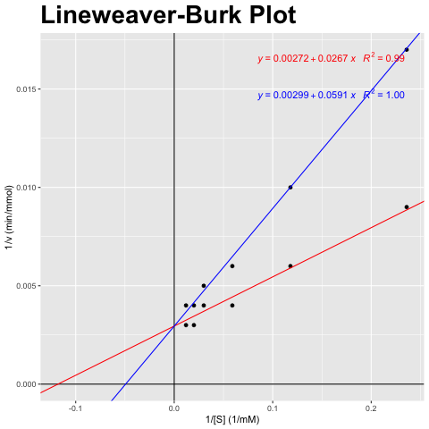
[S] (mM) | v (mmol/min) | v_inh (mmol/min)
4.237 | 112.937 | 58.596
8.474 | 169.405 | 99.913
16.948 | 225.873 | 154.318
33.896 | 271.048 | 212.053
50.843 | 290.409 | 242.265
84.739 | 308.009 | 273.431

1/[S] (1/mM) | 1/v (min/mmol) | 1/v_inh (min/mmol)
0.236 | 0.009 | 0.017
0.118 | 0.006 | 0.01
0.059 | 0.004 | 0.006
0.03 | 0.004 | 0.005
0.02 | 0.003 | 0.004
0.012 | 0.003 | 0.004

vmax (mmol/min) | vmax_inh (mmol/min) | km (mM) | km_inh (mM) | Answer
338.81 | 338.81 | 8.474 | 20.262 | A) Competitieve inhibitor; Vmax blijft gelijk, Km verandert

Eadie-Hofstee
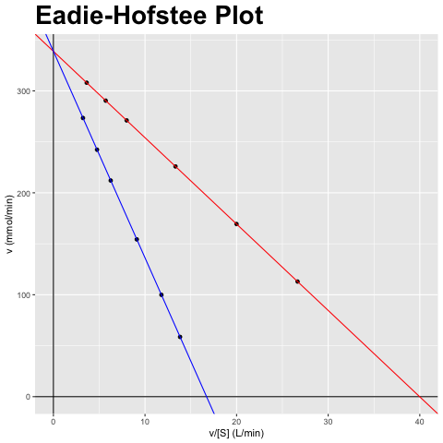
[S] (mM) | v (mmol/min) | v_inh (mmol/min)
4.237 | 112.937 | 58.596
8.474 | 169.405 | 99.913
16.948 | 225.873 | 154.318
33.896 | 271.048 | 212.053
50.843 | 290.409 | 242.265
84.739 | 308.009 | 273.431

v/[S] (L/min) | v (mmol/min) | v_inh/[S] (L/min) | v_inh (mmol/min)
26.655 | 112.937 | 13.83 | 58.596
19.991 | 169.405 | 11.791 | 99.913
13.328 | 225.873 | 9.105 | 154.318
7.997 | 271.048 | 6.256 | 212.053
5.712 | 290.409 | 4.765 | 242.265
3.635 | 308.009 | 3.227 | 273.431

vmax (mmol/min) | vmax_inh (mmol/min) | km (mM) | km_inh (mM) | Answer
338.81 | 338.81 | 8.474 | 20.262 | A) Competitieve inhibitor; Vmax blijft gelijk, Km verandert

Hanes-Woolf
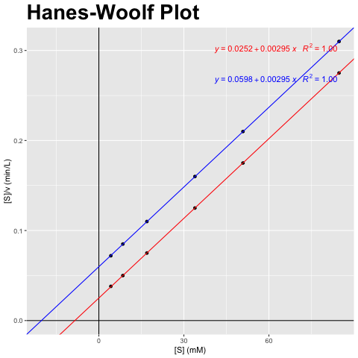
[S] (mM) | v (mmol/min) | v_inh (mmol/min)
4.237 | 112.937 | 58.596
8.474 | 169.405 | 99.913
16.948 | 225.873 | 154.318
33.896 | 271.048 | 212.053
50.843 | 290.409 | 242.265
84.739 | 308.009 | 273.431

[S] (mM) | [S]/v (min/L) | [S]/v_inh (min/L)
4.237 | 0.038 | 0.072
8.474 | 0.05 | 0.085
16.948 | 0.075 | 0.11
33.896 | 0.125 | 0.16
50.843 | 0.175 | 0.21
84.739 | 0.275 | 0.31

vmax (mmol/min) | vmax_inh (mmol/min) | km (mM) | km_inh (mM) | Answer
338.81 | 338.81 | 8.474 | 20.262 | A) Competitieve inhibitor; Vmax blijft gelijk, Km verandert

