Michaelis-Menten
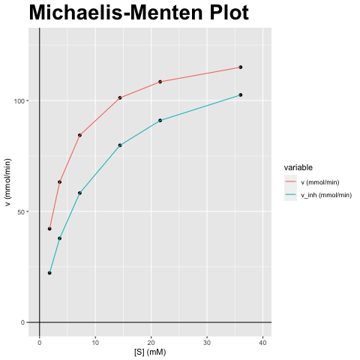
[S] (mM) | v (mmol/min) | v_inh (mmol/min)
1.8 | 42.171 | 22.257
3.601 | 63.257 | 37.854
7.202 | 84.342 | 58.273
14.404 | 101.211 | 79.793
21.606 | 108.44 | 90.994
36.01 | 115.012 | 102.506

vmax (mmol/min) | vmax_inh (mmol/min) | km (mM) | km_inh (mM) | Answer
126.513 | 126.513 | 3.601 | 8.434 | A) Competitieve inhibitor; Vmax blijft gelijk, Km verandert

Lineweaver-Burk
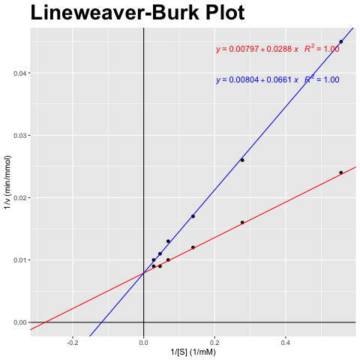
[S] (mM) | v (mmol/min) | v_inh (mmol/min)
1.8 | 42.171 | 22.257
3.601 | 63.257 | 37.854
7.202 | 84.342 | 58.273
14.404 | 101.211 | 79.793
21.606 | 108.44 | 90.994
36.01 | 115.012 | 102.506

1/[S] (1/mM) | 1/v (min/mmol) | 1/v_inh (min/mmol)
0.556 | 0.024 | 0.045
0.278 | 0.016 | 0.026
0.139 | 0.012 | 0.017
0.069 | 0.01 | 0.013
0.046 | 0.009 | 0.011
0.028 | 0.009 | 0.01

vmax (mmol/min) | vmax_inh (mmol/min) | km (mM) | km_inh (mM) | Answer
126.513 | 126.513 | 3.601 | 8.434 | A) Competitieve inhibitor; Vmax blijft gelijk, Km verandert

Eadie-Hofstee
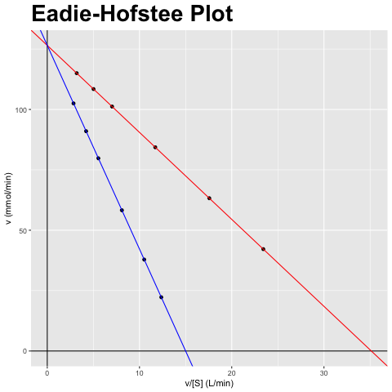
[S] (mM) | v (mmol/min) | v_inh (mmol/min)
1.8 | 42.171 | 22.257
3.601 | 63.257 | 37.854
7.202 | 84.342 | 58.273
14.404 | 101.211 | 79.793
21.606 | 108.44 | 90.994
36.01 | 115.012 | 102.506

v/[S] (L/min) | v (mmol/min) | v_inh/[S] (L/min) | v_inh (mmol/min)
23.422 | 42.171 | 12.362 | 22.257
17.567 | 63.257 | 10.512 | 37.854
11.711 | 84.342 | 8.091 | 58.273
7.027 | 101.211 | 5.54 | 79.793
5.019 | 108.44 | 4.212 | 90.994
3.194 | 115.012 | 2.847 | 102.506

vmax (mmol/min) | vmax_inh (mmol/min) | km (mM) | km_inh (mM) | Answer
126.513 | 126.513 | 3.601 | 8.434 | A) Competitieve inhibitor; Vmax blijft gelijk, Km verandert

Hanes-Woolf
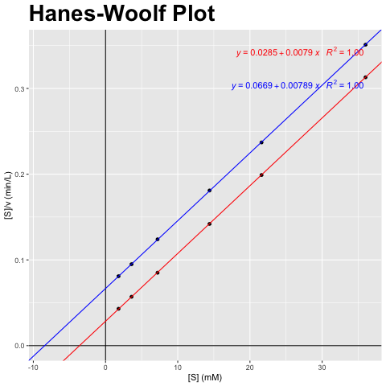
[S] (mM) | v (mmol/min) | v_inh (mmol/min)
1.8 | 42.171 | 22.257
3.601 | 63.257 | 37.854
7.202 | 84.342 | 58.273
14.404 | 101.211 | 79.793
21.606 | 108.44 | 90.994
36.01 | 115.012 | 102.506

[S] (mM) | [S]/v (min/L) | [S]/v_inh (min/L)
1.8 | 0.043 | 0.081
3.601 | 0.057 | 0.095
7.202 | 0.085 | 0.124
14.404 | 0.142 | 0.181
21.606 | 0.199 | 0.237
36.01 | 0.313 | 0.351

vmax (mmol/min) | vmax_inh (mmol/min) | km (mM) | km_inh (mM) | Answer
126.513 | 126.513 | 3.601 | 8.434 | A) Competitieve inhibitor; Vmax blijft gelijk, Km verandert

