Michaelis-Menten
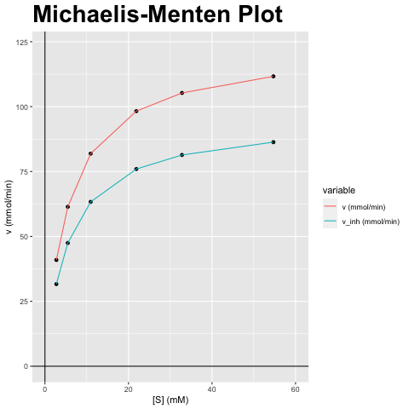
[S] (mM) | v (mmol/min) | v_inh (mmol/min)
2.734 | 40.939 | 31.648
5.469 | 61.409 | 47.472
10.937 | 81.878 | 63.296
21.875 | 98.254 | 75.955
32.812 | 105.272 | 81.38
54.687 | 111.652 | 86.312

vmax (mmol/min) | vmax_inh (mmol/min) | km (mM) | km_inh (mM) | Answer
122.818 | 94.943 | 5.469 | 5.469 | F) Niet-competitieve inhibitor; Vmax verandert, Km blijft gelijk

Lineweaver-Burk
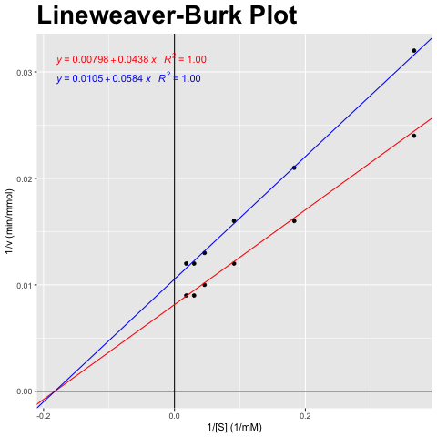
[S] (mM) | v (mmol/min) | v_inh (mmol/min)
2.734 | 40.939 | 31.648
5.469 | 61.409 | 47.472
10.937 | 81.878 | 63.296
21.875 | 98.254 | 75.955
32.812 | 105.272 | 81.38
54.687 | 111.652 | 86.312

1/[S] (1/mM) | 1/v (min/mmol) | 1/v_inh (min/mmol)
0.366 | 0.024 | 0.032
0.183 | 0.016 | 0.021
0.091 | 0.012 | 0.016
0.046 | 0.01 | 0.013
0.03 | 0.009 | 0.012
0.018 | 0.009 | 0.012

vmax (mmol/min) | vmax_inh (mmol/min) | km (mM) | km_inh (mM) | Answer
122.818 | 94.943 | 5.469 | 5.469 | F) Niet-competitieve inhibitor; Vmax verandert, Km blijft gelijk

Eadie-Hofstee
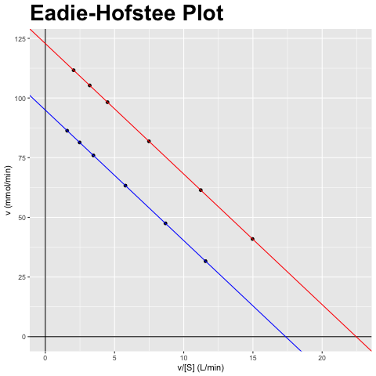
[S] (mM) | v (mmol/min) | v_inh (mmol/min)
2.734 | 40.939 | 31.648
5.469 | 61.409 | 47.472
10.937 | 81.878 | 63.296
21.875 | 98.254 | 75.955
32.812 | 105.272 | 81.38
54.687 | 111.652 | 86.312

v/[S] (L/min) | v (mmol/min) | v_inh/[S] (L/min) | v_inh (mmol/min)
14.972 | 40.939 | 11.574 | 31.648
11.229 | 61.409 | 8.681 | 47.472
7.486 | 81.878 | 5.787 | 63.296
4.492 | 98.254 | 3.472 | 75.955
3.208 | 105.272 | 2.48 | 81.38
2.042 | 111.652 | 1.578 | 86.312

vmax (mmol/min) | vmax_inh (mmol/min) | km (mM) | km_inh (mM) | Answer
122.818 | 94.943 | 5.469 | 5.469 | F) Niet-competitieve inhibitor; Vmax verandert, Km blijft gelijk

Hanes-Woolf
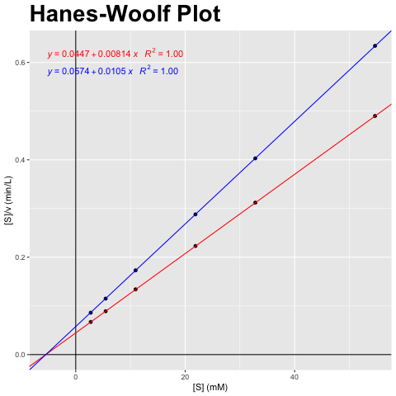
[S] (mM) | v (mmol/min) | v_inh (mmol/min)
2.734 | 40.939 | 31.648
5.469 | 61.409 | 47.472
10.937 | 81.878 | 63.296
21.875 | 98.254 | 75.955
32.812 | 105.272 | 81.38
54.687 | 111.652 | 86.312

[S] (mM) | [S]/v (min/L) | [S]/v_inh (min/L)
2.734 | 0.067 | 0.086
5.469 | 0.089 | 0.115
10.937 | 0.134 | 0.173
21.875 | 0.223 | 0.288
32.812 | 0.312 | 0.403
54.687 | 0.49 | 0.634

vmax (mmol/min) | vmax_inh (mmol/min) | km (mM) | km_inh (mM) | Answer
122.818 | 94.943 | 5.469 | 5.469 | F) Niet-competitieve inhibitor; Vmax verandert, Km blijft gelijk

