Michaelis-Menten
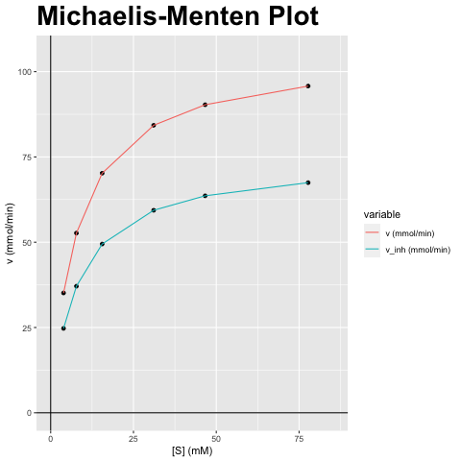
[S] (mM) | v (mmol/min) | v_inh (mmol/min)
3.887 | 35.117 | 24.736
7.773 | 52.676 | 37.104
15.546 | 70.234 | 49.472
31.092 | 84.281 | 59.367
46.638 | 90.301 | 63.607
77.73 | 95.774 | 67.462

vmax (mmol/min) | vmax_inh (mmol/min) | km (mM) | km_inh (mM) | Answer
105.351 | 74.208 | 7.773 | 7.773 | F) Niet-competitieve inhibitor; Vmax verandert, Km blijft gelijk

Lineweaver-Burk
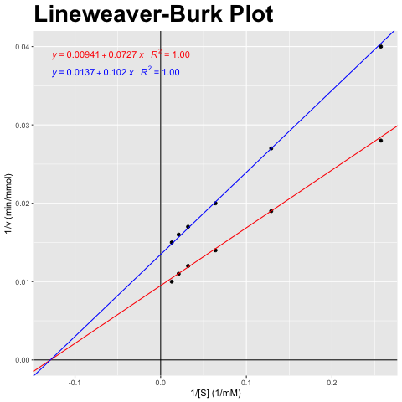
[S] (mM) | v (mmol/min) | v_inh (mmol/min)
3.887 | 35.117 | 24.736
7.773 | 52.676 | 37.104
15.546 | 70.234 | 49.472
31.092 | 84.281 | 59.367
46.638 | 90.301 | 63.607
77.73 | 95.774 | 67.462

1/[S] (1/mM) | 1/v (min/mmol) | 1/v_inh (min/mmol)
0.257 | 0.028 | 0.04
0.129 | 0.019 | 0.027
0.064 | 0.014 | 0.02
0.032 | 0.012 | 0.017
0.021 | 0.011 | 0.016
0.013 | 0.01 | 0.015

vmax (mmol/min) | vmax_inh (mmol/min) | km (mM) | km_inh (mM) | Answer
105.351 | 74.208 | 7.773 | 7.773 | F) Niet-competitieve inhibitor; Vmax verandert, Km blijft gelijk

Eadie-Hofstee
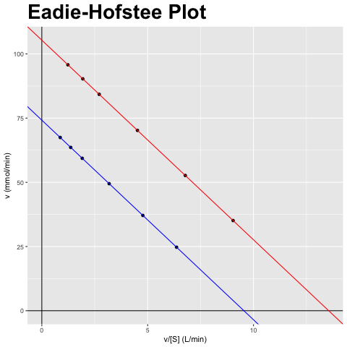
[S] (mM) | v (mmol/min) | v_inh (mmol/min)
3.887 | 35.117 | 24.736
7.773 | 52.676 | 37.104
15.546 | 70.234 | 49.472
31.092 | 84.281 | 59.367
46.638 | 90.301 | 63.607
77.73 | 95.774 | 67.462

v/[S] (L/min) | v (mmol/min) | v_inh/[S] (L/min) | v_inh (mmol/min)
9.036 | 35.117 | 6.365 | 24.736
6.777 | 52.676 | 4.773 | 37.104
4.518 | 70.234 | 3.182 | 49.472
2.711 | 84.281 | 1.909 | 59.367
1.936 | 90.301 | 1.364 | 63.607
1.232 | 95.774 | 0.868 | 67.462

vmax (mmol/min) | vmax_inh (mmol/min) | km (mM) | km_inh (mM) | Answer
105.351 | 74.208 | 7.773 | 7.773 | F) Niet-competitieve inhibitor; Vmax verandert, Km blijft gelijk

Hanes-Woolf
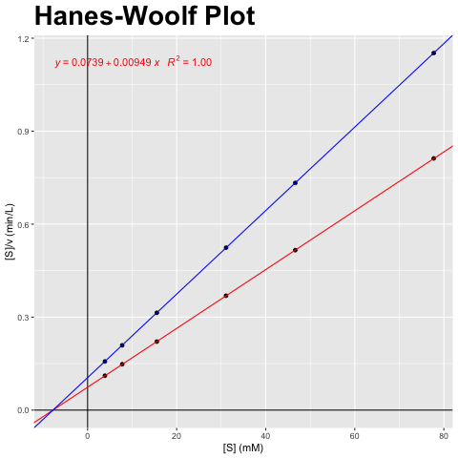
[S] (mM) | v (mmol/min) | v_inh (mmol/min)
3.887 | 35.117 | 24.736
7.773 | 52.676 | 37.104
15.546 | 70.234 | 49.472
31.092 | 84.281 | 59.367
46.638 | 90.301 | 63.607
77.73 | 95.774 | 67.462

[S] (mM) | [S]/v (min/L) | [S]/v_inh (min/L)
3.887 | 0.111 | 0.157
7.773 | 0.148 | 0.209
15.546 | 0.221 | 0.314
31.092 | 0.369 | 0.524
46.638 | 0.516 | 0.733
77.73 | 0.812 | 1.152

vmax (mmol/min) | vmax_inh (mmol/min) | km (mM) | km_inh (mM) | Answer
105.351 | 74.208 | 7.773 | 7.773 | F) Niet-competitieve inhibitor; Vmax verandert, Km blijft gelijk

