Michaelis-Menten
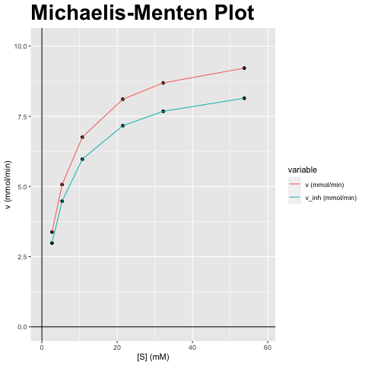
[S] (mM) | v (mmol/min) | v_inh (mmol/min)
2.687 | 3.379 | 2.986
5.374 | 5.069 | 4.479
10.748 | 6.759 | 5.973
21.495 | 8.11 | 7.167
32.243 | 8.69 | 7.679
53.739 | 9.216 | 8.144

vmax (mmol/min) | vmax_inh (mmol/min) | km (mM) | km_inh (mM) | Answer
10.138 | 8.959 | 5.374 | 5.374 | F) Niet-competitieve inhibitor; Vmax verandert, Km blijft gelijk

Lineweaver-Burk
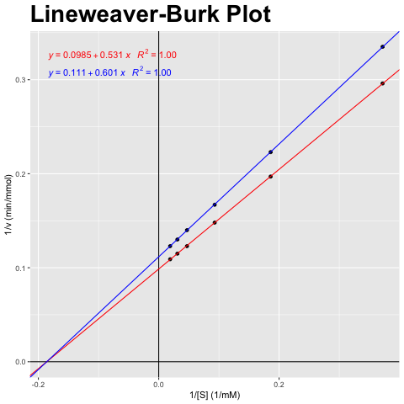
[S] (mM) | v (mmol/min) | v_inh (mmol/min)
2.687 | 3.379 | 2.986
5.374 | 5.069 | 4.479
10.748 | 6.759 | 5.973
21.495 | 8.11 | 7.167
32.243 | 8.69 | 7.679
53.739 | 9.216 | 8.144

1/[S] (1/mM) | 1/v (min/mmol) | 1/v_inh (min/mmol)
0.372 | 0.296 | 0.335
0.186 | 0.197 | 0.223
0.093 | 0.148 | 0.167
0.047 | 0.123 | 0.14
0.031 | 0.115 | 0.13
0.019 | 0.109 | 0.123

vmax (mmol/min) | vmax_inh (mmol/min) | km (mM) | km_inh (mM) | Answer
10.138 | 8.959 | 5.374 | 5.374 | F) Niet-competitieve inhibitor; Vmax verandert, Km blijft gelijk

Eadie-Hofstee
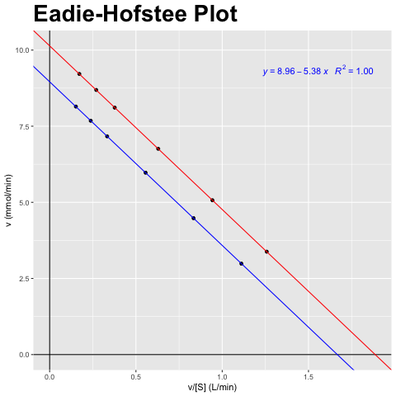
[S] (mM) | v (mmol/min) | v_inh (mmol/min)
2.687 | 3.379 | 2.986
5.374 | 5.069 | 4.479
10.748 | 6.759 | 5.973
21.495 | 8.11 | 7.167
32.243 | 8.69 | 7.679
53.739 | 9.216 | 8.144

v/[S] (L/min) | v (mmol/min) | v_inh/[S] (L/min) | v_inh (mmol/min)
1.258 | 3.379 | 1.111 | 2.986
0.943 | 5.069 | 0.834 | 4.479
0.629 | 6.759 | 0.556 | 5.973
0.377 | 8.11 | 0.333 | 7.167
0.27 | 8.69 | 0.238 | 7.679
0.172 | 9.216 | 0.152 | 8.144

vmax (mmol/min) | vmax_inh (mmol/min) | km (mM) | km_inh (mM) | Answer
10.138 | 8.959 | 5.374 | 5.374 | F) Niet-competitieve inhibitor; Vmax verandert, Km blijft gelijk

Hanes-Woolf
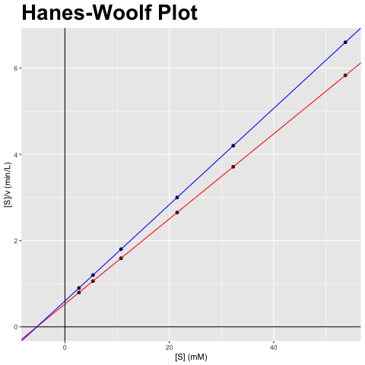
[S] (mM) | v (mmol/min) | v_inh (mmol/min)
2.687 | 3.379 | 2.986
5.374 | 5.069 | 4.479
10.748 | 6.759 | 5.973
21.495 | 8.11 | 7.167
32.243 | 8.69 | 7.679
53.739 | 9.216 | 8.144

[S] (mM) | [S]/v (min/L) | [S]/v_inh (min/L)
2.687 | 0.795 | 0.9
5.374 | 1.06 | 1.2
10.748 | 1.59 | 1.8
21.495 | 2.65 | 2.999
32.243 | 3.711 | 4.199
53.739 | 5.831 | 6.598

vmax (mmol/min) | vmax_inh (mmol/min) | km (mM) | km_inh (mM) | Answer
10.138 | 8.959 | 5.374 | 5.374 | F) Niet-competitieve inhibitor; Vmax verandert, Km blijft gelijk

