Michaelis-Menten
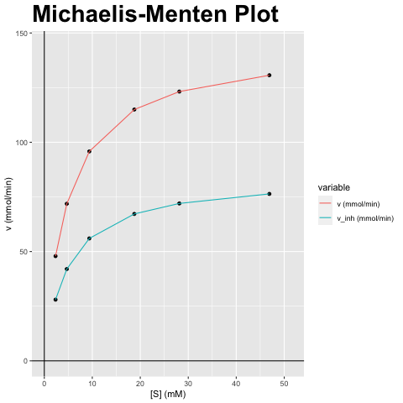
[S] (mM) | v (mmol/min) | v_inh (mmol/min)
2.345 | 47.909 | 28.006
4.69 | 71.864 | 42.009
9.38 | 95.819 | 56.012
18.761 | 114.982 | 67.215
28.141 | 123.195 | 72.016
46.902 | 130.662 | 76.38

vmax (mmol/min) | vmax_inh (mmol/min) | km (mM) | km_inh (mM) | Answer
143.728 | 84.018 | 4.69 | 4.69 | F) Niet-competitieve inhibitor; Vmax verandert, Km blijft gelijk

Lineweaver-Burk
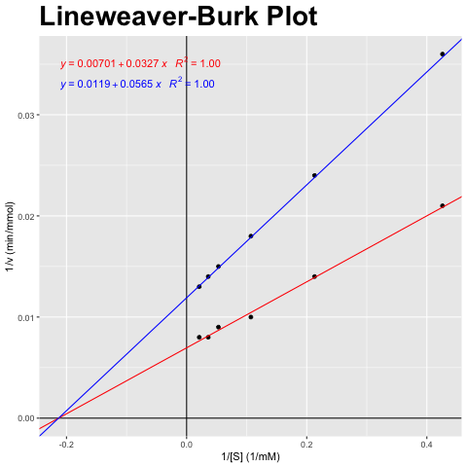
[S] (mM) | v (mmol/min) | v_inh (mmol/min)
2.345 | 47.909 | 28.006
4.69 | 71.864 | 42.009
9.38 | 95.819 | 56.012
18.761 | 114.982 | 67.215
28.141 | 123.195 | 72.016
46.902 | 130.662 | 76.38

1/[S] (1/mM) | 1/v (min/mmol) | 1/v_inh (min/mmol)
0.426 | 0.021 | 0.036
0.213 | 0.014 | 0.024
0.107 | 0.01 | 0.018
0.053 | 0.009 | 0.015
0.036 | 0.008 | 0.014
0.021 | 0.008 | 0.013

vmax (mmol/min) | vmax_inh (mmol/min) | km (mM) | km_inh (mM) | Answer
143.728 | 84.018 | 4.69 | 4.69 | F) Niet-competitieve inhibitor; Vmax verandert, Km blijft gelijk

Eadie-Hofstee
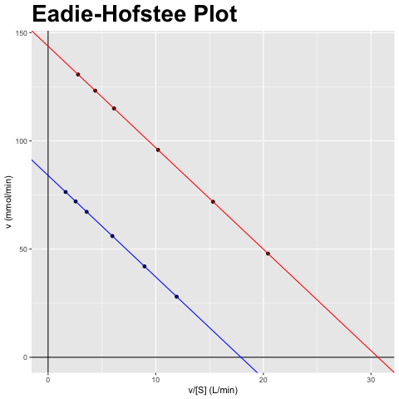
[S] (mM) | v (mmol/min) | v_inh (mmol/min)
2.345 | 47.909 | 28.006
4.69 | 71.864 | 42.009
9.38 | 95.819 | 56.012
18.761 | 114.982 | 67.215
28.141 | 123.195 | 72.016
46.902 | 130.662 | 76.38

v/[S] (L/min) | v (mmol/min) | v_inh/[S] (L/min) | v_inh (mmol/min)
20.429 | 47.909 | 11.942 | 28.006
15.322 | 71.864 | 8.957 | 42.009
10.215 | 95.819 | 5.971 | 56.012
6.129 | 114.982 | 3.583 | 67.215
4.378 | 123.195 | 2.559 | 72.016
2.786 | 130.662 | 1.628 | 76.38

vmax (mmol/min) | vmax_inh (mmol/min) | km (mM) | km_inh (mM) | Answer
143.728 | 84.018 | 4.69 | 4.69 | F) Niet-competitieve inhibitor; Vmax verandert, Km blijft gelijk

Hanes-Woolf
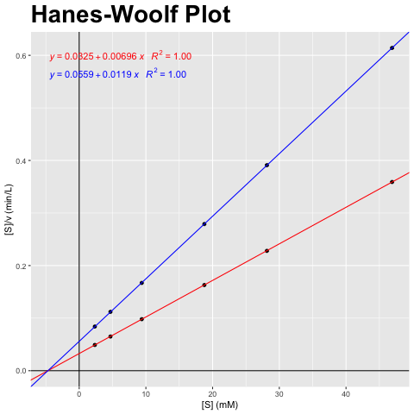
[S] (mM) | v (mmol/min) | v_inh (mmol/min)
2.345 | 47.909 | 28.006
4.69 | 71.864 | 42.009
9.38 | 95.819 | 56.012
18.761 | 114.982 | 67.215
28.141 | 123.195 | 72.016
46.902 | 130.662 | 76.38

[S] (mM) | [S]/v (min/L) | [S]/v_inh (min/L)
2.345 | 0.049 | 0.084
4.69 | 0.065 | 0.112
9.38 | 0.098 | 0.167
18.761 | 0.163 | 0.279
28.141 | 0.228 | 0.391
46.902 | 0.359 | 0.614

vmax (mmol/min) | vmax_inh (mmol/min) | km (mM) | km_inh (mM) | Answer
143.728 | 84.018 | 4.69 | 4.69 | F) Niet-competitieve inhibitor; Vmax verandert, Km blijft gelijk

