Q3
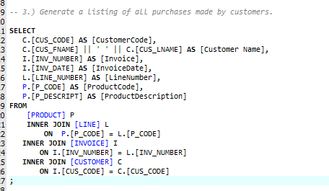

CustomerCode | Customer Name | Invoice | InvoiceDate | LineNumber | ProductCode | ProductDescription
10014 | Myron Orlando | 1001 | 2016-01-16 | 1 | 13-Q2/P2 | 7.25-in. pwr. saw blade
10014 | Myron Orlando | 1001 | 2016-01-16 | 2 | 23109-HB | Claw hammer
10011 | Leona Dunne | 1002 | 2016-01-16 | 1 | 54778-2T | Rat-tail file, 1/8-in. fine
10012 | Kathy Smith | 1003 | 2016-01-16 | 1 | 2238/QPD | B&D cordless drill, 1/2-in.
10012 | Kathy Smith | 1003 | 2016-01-16 | 2 | 1546-QQ2 | Hrd. cloth, 1/4-in., 2x50
10012 | Kathy Smith | 1003 | 2016-01-16 | 3 | 13-Q2/P2 | 7.25-in. pwr. saw blade
10011 | Leona Dunne | 1004 | 2016-01-17 | 1 | 54778-2T | Rat-tail file, 1/8-in. fine
10011 | Leona Dunne | 1004 | 2016-01-17 | 2 | 23109-HB | Claw hammer
10018 | Anne Farriss | 1005 | 2016-01-17 | 1 | PVC23DRT | PVC pipe, 3.5-in., 8-ft
10014 | Myron Orlando | 1006 | 2016-01-17 | 1 | SM-18277 | 1.25-in. metal screw, 25
10014 | Myron Orlando | 1006 | 2016-01-17 | 2 | 2232/QTY | B&D jigsaw, 12-in. blade
10014 | Myron Orlando | 1006 | 2016-01-17 | 3 | 23109-HB | Claw hammer
10014 | Myron Orlando | 1006 | 2016-01-17 | 4 | 89-WRE-Q | Hicut chain saw, 16 in.
10015 | Amy O'Brian | 1007 | 2016-01-17 | 1 | 13-Q2/P2 | 7.25-in. pwr. saw blade
10015 | Amy O'Brian | 1007 | 2016-01-17 | 2 | 54778-2T | Rat-tail file, 1/8-in. fine
10011 | Leona Dunne | 1008 | 2016-01-17 | 1 | PVC23DRT | PVC pipe, 3.5-in., 8-ft
10011 | Leona Dunne | 1008 | 2016-01-17 | 2 | WR3/TT3 | Steel matting, 4'x8'x1/6", .5" mesh
10011 | Leona Dunne | 1008 | 2016-01-17 | 3 | 23109-HB | Claw hammer

