Correlation
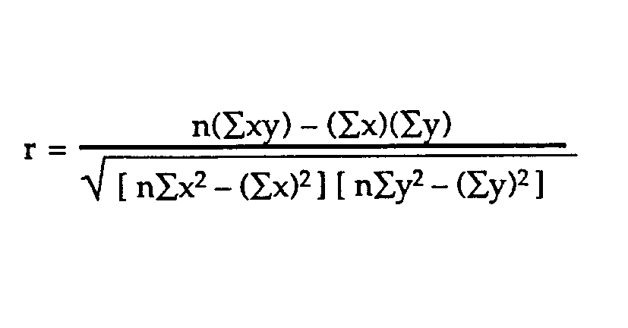
X | x^2 | Y | Y^2 | XY
90 | 8100 | 85 | 7225 | 7650 | Correlation (Excel) | 0.31838
92 | 8464 | 87 | 7569 | 8004
95 | 9025 | 86 | 7396 | 8170 | N | 10
96 | 9216 | 97 | 9409 | 9312 | xBar | 92.60
87 | 7569 | 96 | 9216 | 8352 | yBar | 91.10
87 | 7569 | 88 | 7744 | 7656
90 | 8100 | 89 | 7921 | 8010 | xSigma | 3.95
95 | 9025 | 98 | 9604 | 9310 | ySigma | 5.43
98 | 9604 | 98 | 9604 | 9604
96 | 9216 | 87 | 7569 | 8352

 |  |  |  |  |  |  | 614 | 844200 | 926 | 911
 |  |  |  |  |  |  | 1928.5217136 | 1404 | 2649

 |  |  |  |  |  |  | 0.3184

