Product Cost rev1 Stick Form
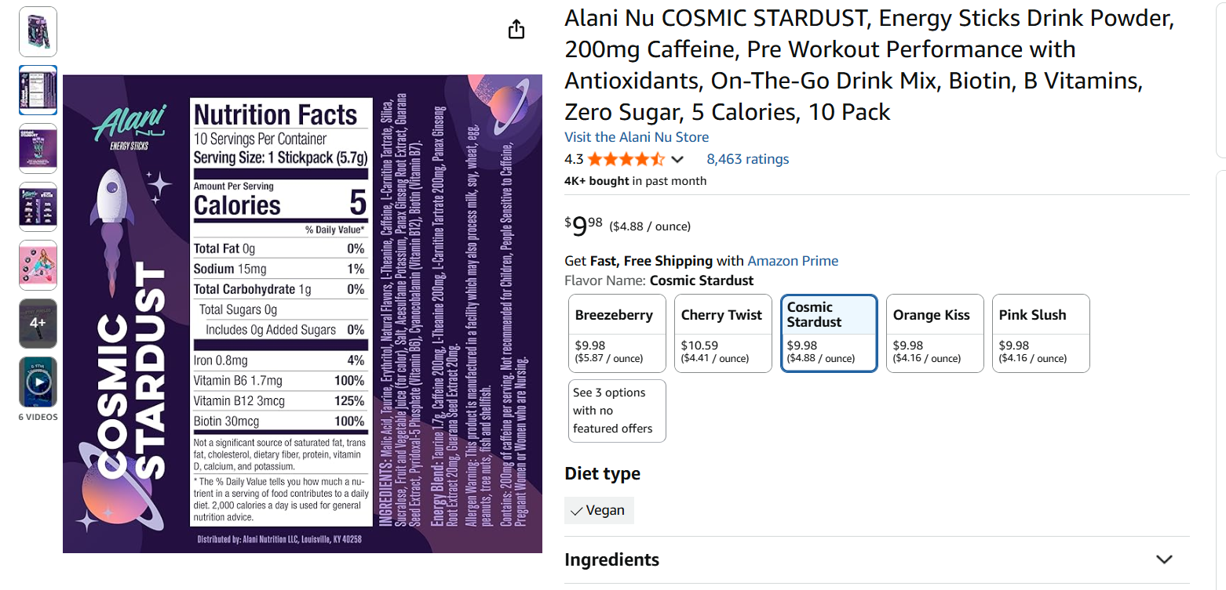
Recipe 1 |  |  |  |  |  |  |  | Recipe 1 - Remove Creatine |  |  |  |  |  |  |  | Recipe 1 - Remove Creatine - Remove L-Theanine
Part | Quantity (mg) | Cost per gram | Dose Cost | Order Cost | Order Weight (g) | Avl Doeses | Source | Part | Quantity (mg) | Cost per mg | Dose Cost | Order Cost | Order Weight (g) | Avl Doeses | Source | Part | Quantity (mg) | Cost per gram | Dose Cost | Order Cost | Order Weight (g) | Avl Doeses | Source
L Theanine | 250 | 0.04797 |  | 47.97 | 1000 | 4000 | Bulk Supplements | L Theanine | 250 | 0.00004797 | 0.0119925 | 47.97 | 1000 | 4000 | Bulk Supplements |  |  |  | 0
Creatine | 5000 | 0.02897 |  | 28.97 | 1000 | 200 | Bulk Supplements |  |  |  | 0 |  |  |  |  |  |  |  | 0
Yerba Mate | 500 | 0.085997794928 |  | 156 | 1814 | 3628 | Yerba Montana @ 4 lbs | Yerba Mate | 500 | 8.5997794928E-05 | 0.042998897464 | 156 | 1814 | 3628 | Yerba Montana @ 4 lbs | Yerba Mate | 500 | 8.5997794928E-05 | 0.042998897464 | 156 | 1814 | 3628 | Yerba Montana @ 4 lbs
L-citruline mallate | 6000 | 0.03197 |  | 31.97 | 1000 | 166.66666667 | Bulk Supplements | L-citruline mallate | 6000 | 0.00003197 | 0.19182 | 31.97 | 1000 | 166.66666667 | Bulk Supplements | L-citruline mallate | 6000 | 0.00003197 | 0.19182 | 31.97 | 1000 | 166.66666667 | Bulk Supplements
Beta-allenine | 1800 | 0.02697 |  | 26.97 | 1000 | 555.55555556 | Bulk Supplements | Beta-allenine | 1800 | 0.00002697 | 0.048546 | 26.97 | 1000 | 555.55555556 | Bulk Supplements | Beta-allenine | 1800 | 0.00002697 | 0.048546 | 26.97 | 1000 | 555.55555556 | Bulk Supplements
Flavor Additive |  |  |  |  |  |  |  | Flavor Additive |  |  | 0 |  |  |  |  | Flavor Additive |  |  | 0
Packaging |  |  |  |  |  |  |  | Packaging |  |  | 0 |  |  |  |  | Packaging |  |  | 0
Assembly LOP |  |  |  |  |  |  |  | Assembly LOP |  |  | 0 |  |  |  |  | Assembly LOP |  |  | 0
Assumed LOP % | 18.00% |  |  |  |  | 166.66666667 | Doses per order | Assumed LOP % | 18.00% |  |  |  |  | 166.66666667 | Doses per order | Assumed LOP % | 18.00% |  |  |  | Doses per order | 166.66666667
Weight (g) | 13.55 | 0.22187779493 |  |  | 3.0064441213 | Per Stick Cost |  | Weight (g) | 8.55 | 0.00019290779493 | 0.29535739746 | Per Stick Cost |  |  |  | Weight (g) | 8.3 | 0.00014493779493 | 0.28336489746 | Per Stick Cost
Sticks per SKU | 10 |  |  |  | 30.064441213 | Per SKU Cost |  | Sticks per SKU | 10 |  | 2.9535739746 | Per SKU Cost |  |  |  | Sticks per SKU | 10 |  | 2.8336489746 | Per SKU Cost

Recipe 2 - Increase Order Volume |  |  |  |  |  |  |  | Recipe 2 - Increase Order Volume - Remove Creatine |  |  |  |  |  |  |  | Recipe 2 - Increase Order Volume - Remove Creatine - Remove L-Theanine
Part | Quantity (mg) | Cost per gram | Dose Cost | Order Cost | Order Weight (g) | Avl Doeses | Source | Part | Quantity (mg) | Cost per gram | Dose Cost | Order Cost | Order Weight (g) | Avl Doeses | Source | Part | Quantity (mg) | Cost per gram | Dose Cost | Order Cost | Order Weight (g) | Avl Doeses | Source
L Theanine | 250 | 0.0447008 |  | 1117.52 | 25000 | 100000 | Bulk Supplements | L Theanine | 250 | 4.47008E-05 | 0.0111752 | 1117.52 | 25000 | 100000 | Bulk Supplements
Creatine | 5000 | 0.0141444 |  | 353.61 | 25000 | 5000 | Bulk Supplements |  |  |  | 0
Yerba Mate | 500 | 0.077161653664 |  | 1540 | 19958.1 | 39916.2 | Yerba Montana @ 4 lbs | Yerba Mate | 500 | 7.7161653664E-05 | 0.038580826832 | 1540 | 19958.1 | 39916.2 | Yerba Montana @ 4 lbs | Yerba Mate | 500 | 7.7161653664E-05 | 0.038580826832 | 1540 | 19958.1 | 39916.2 | Yerba Montana @ 4 lbs
L-citruline mallate | 6000 | 0.0212004 |  | 530.01 | 25000 | 4166.6666667 | Bulk Supplements | L-citruline mallate | 6000 | 2.12004E-05 | 0.1272024 | 530.01 | 25000 | 4166.6666667 | Bulk Supplements | L-citruline mallate | 6000 | 2.12004E-05 | 0.1272024 | 530.01 | 25000 | 4166.6666667 | Bulk Supplements
Beta-allenine | 1800 | 0.0134324 |  | 335.81 | 25000 | 13888.888889 | Bulk Supplements | Beta-allenine | 1800 | 1.34324E-05 | 0.02417832 | 335.81 | 25000 | 13888.888889 | Bulk Supplements | Beta-allenine | 1800 | 1.34324E-05 | 0.02417832 | 335.81 | 25000 | 13888.888889 | Bulk Supplements
Flavor Additive |  |  |  |  |  |  |  | Flavor Additive |  |  | 0 |  |  |  |  | Flavor Additive
Packaging |  |  |  |  |  |  |  | Packaging |  |  | 0 |  |  | 4166.6666667 | Doses per order | Packaging
Assembly LOP |  |  |  |  |  |  |  | Assembly LOP |  |  | 0 |  |  |  |  | Assembly LOP
Assumed LOP % | 18.00% |  |  |  |  | 4166.6666667 | Doses per order | Assumed LOP % | 18.00% |  |  |  |  |  |  | Assumed LOP % | 18.00% |  |  |  |  | 4166.6666667 | Doses per order
Weight (g) | 13.55 | 0.17063965366 |  | Per Stick Cost | 2.3121673072 | 0 | SKU Per order | Weight (g) | 8.55 | 0.00015649525366 | 0.20113674683 | Per Stick Cost |  | 416.66666667 | SKU Per order | Weight (g) | 8.3 | 0.00011179445366 | 0.18996154683 | Per Stick Cost | 0.00092789396541 | 416.66666667 | SKU Per order
Sticks per SKU | 10 |  |  | Per SKU Cost | 23.121673072 |  |  | Sticks per SKU | 10 |  | 2.0113674683 | Per SKU Cost |  |  |  | Sticks per SKU | 10 |  | 1.8996154683 | Per SKU Cost | 0.0092789396541

Product Cost rev1 Bulk Pack
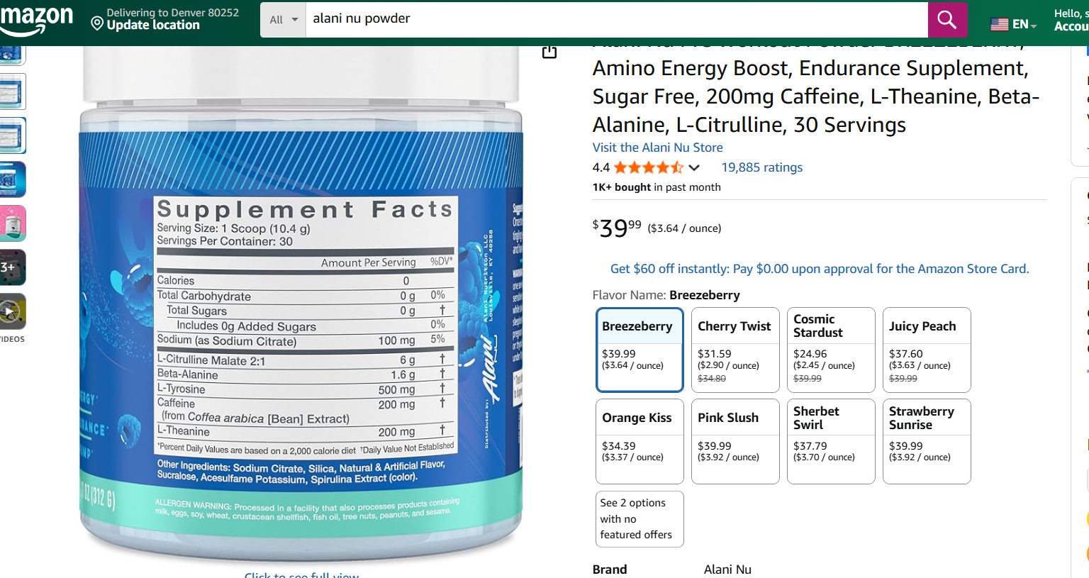
Recipe 1 |  |  |  |  |  |  |  | Recipe 1 - Remove Creatine |  |  |  |  |  |  |  | Recipe 1 - Remove Creatine - Remove L-Theanine
Part | Quantity (mg) | Cost per gram | Dose Cost | Order Cost | Order Weight (g) | Avl Doeses | Source | Part | Quantity (mg) | Cost per gram | Dose Cost | Order Cost | Order Weight (g) | Avl Doeses | Source | Part | Quantity (mg) | Cost per gram | Order Cost | Order Weight (g) | Avl Doeses | Source
L Theanine | 250 | 0.04797 |  | 47.97 | 1000 | 4000 | Bulk Supplements | L Theanine | 250 | 0.04797 |  | 47.97 | 1000 | 4000 | Bulk Supplements
Creatine | 5000 | 0.02897 |  | 28.97 | 1000 | 200 | Bulk Supplements
Yerba Mate | 500 | 0.085997794928 |  | 156 | 1814 | 3628 | Yerba Montana @ 4 lbs | Yerba Mate | 500 | 0.085997794928 |  | 156 | 1814 | 3628 | Yerba Montana @ 4 lbs | Yerba Mate | 500 | 0.085997794928 | 156 | 1814 | 3628 | Yerba Montana @ 4 lbs
L-citruline mallate | 6000 | 0.03197 |  | 31.97 | 1000 | 166.66666667 | Bulk Supplements | L-citruline mallate | 6000 | 0.03197 |  | 31.97 | 1000 | 166.66666667 | Bulk Supplements | L-citruline mallate | 6000 | 0.03197 | 31.97 | 1000 | 166.66666667 | Bulk Supplements
Beta-allenine | 1800 | 0.02697 |  | 26.97 | 1000 | 555.55555556 | Bulk Supplements | Beta-allenine | 1800 | 0.02697 |  | 26.97 | 1000 | 555.55555556 | Bulk Supplements | Beta-allenine | 1800 | 0.02697 | 26.97 | 1000 | 555.55555556 | Bulk Supplements
Flavor Additive |  |  |  |  |  |  |  | Flavor Additive |  |  |  |  |  |  |  | Flavor Additive
Packaging |  |  |  |  |  |  |  | Packaging |  |  |  |  |  |  |  | Packaging
Assembly LOP |  |  |  |  |  |  |  | Assembly LOP |  |  |  |  |  |  |  | Assembly LOP
^Assumed LOP % | 18.00% |  |  |  |  |  |  | ^Assumed LOP % | 18.00% |  |  |  |  |  |  | ^Assumed LOP % | 18.00%
Weight (g) | 13.55 | 0.22187779493 |  |  | 3.0064441213 | Per Scoop Cost |  | Weight (g) | 8.55 | 0.19290779493 |  |  | 1.6493616466 | Per Scoop Cost |  | Weight (g) | 8.3 | 0.14493779493 |  | 1.2029836979 | Per Scoop Cost
Servings per SKU | 30 |  |  |  | 90.193323638 | Per SKU Cost |  | Servings per SKU | 30 |  |  |  | 49.480849399 | Per SKU Cost |  | Servings per SKU | 30 |  |  | 36.089510937 | Per SKU Cost

Recipe 2 - Increase Order Volume |  |  |  |  |  |  |  | Recipe 2 - Increase Order Volume - Remove Creatine |  |  |  |  |  |  |  | Recipe 2 - Increase Order Volume - Remove Creatine - Remove L-Theanine
Part | Quantity (mg) | Cost per gram | Dose Cost | Order Cost | Order Weight (g) | Avl Doeses | Source | Part | Quantity (mg) | Cost per gram | Dose Cost | Order Cost | Order Weight (g) | Avl Doeses | Source | Part | Quantity (mg) | Cost per gram | Order Cost | Order Weight (g) | Avl Doeses | Source
L Theanine | 250 | 0.0447008 |  | 1117.52 | 25000 | 100000 | Bulk Supplements | L Theanine | 250 | 0.0447008 |  | 1117.52 | 25000 | 100000 | Bulk Supplements
Creatine | 5000 | 0.0141444 |  | 353.61 | 25000 | 5000 | Bulk Supplements
Yerba Mate | 500 | 0.077161653664 |  | 1540 | 19958.1 | 39916.2 | Yerba Montana @ 4 lbs | Yerba Mate | 500 | 0.077161653664 |  | 1540 | 19958.1 | 39916.2 | Yerba Montana @ 4 lbs | Yerba Mate | 500 | 0.077161653664 | 1540 | 19958.1 | 39916.2 | Yerba Montana @ 4 lbs
L-citruline mallate | 6000 | 0.0212004 |  | 530.01 | 25000 | 4166.6666667 | Bulk Supplements | L-citruline mallate | 6000 | 0.0212004 |  | 530.01 | 25000 | 4166.6666667 | Bulk Supplements | L-citruline mallate | 6000 | 0.0212004 | 530.01 | 25000 | 4166.6666667 | Bulk Supplements
Beta-allenine | 1800 | 0.0134324 |  | 335.81 | 25000 | 13888.888889 | Bulk Supplements | Beta-allenine | 1800 | 0.0134324 |  | 335.81 | 25000 | 13888.888889 | Bulk Supplements | Beta-allenine | 1800 | 0.0134324 | 335.81 | 25000 | 13888.888889 | Bulk Supplements
Flavor Additive |  |  |  |  |  |  |  | Flavor Additive |  |  |  |  |  |  |  | Flavor Additive
Packaging |  |  |  |  |  |  |  | Packaging |  |  |  |  |  |  |  | Packaging
Assembly LOP |  |  |  |  |  |  |  | Assembly LOP |  |  |  |  |  |  |  | Assembly LOP
^Assumed LOP % | 18.00% |  |  |  |  |  |  | ^Assumed LOP % | 18.00% |  |  |  |  |  |  | ^Assumed LOP % | 18.00%
Weight (g) | 13.55 | 0.17063965366 |  | Per Scoop Cost | 2.3121673072 |  |  | Weight (g) | 8.55 | 0.15649525366 |  | Per Scoop Cost | 1.3380344188 |  |  | Weight (g) | 8.3 | 0.11179445366 | Per Scoop Cost | 0.92789396541
Servings per SKU | 30 |  |  | Per SKU Cost | 69.365019215 |  |  | Servings per SKU | 30 |  |  | Per SKU Cost | 40.141032565 |  |  | Servings per SKU | 30 |  | Per SKU Cost | 27.836818962

