Neuron
smoke | drink | mcdonalds | cancer | w1 | w2 | w3 | SumPr | Output_Guess | Update_w1 | Update_w2 | Update_w3 | Alpha
0 | 0 | 0 | 0 | 1 | 1 | 1 | 0 | 0 | 0 | 0 | 0 | 0.12
1 | 0 | 1 | 1 | 1 | 1 | 1 | 2 | 1 | 0 | 0 | 0
0 | 1 | 1 | 0 | 1 | 1 | 1 | 2 | 1 | 0 | -0.12 | -0.12
1 | 1 | 0 | 1 | 1 | 0.88 | 0.88 | 1.88 | 1 | 0 | 0 | 0
0 | 0 | 1 | 0 | 1 | 0.88 | 0.88 | 0.88 | 0 | 0 | 0 | 0
1 | 0 | 1 | 1
0 | 1 | 1 | 0
1 | 1 | 0 | 1
0 | 0 | 1 | 0
1 | 0 | 1 | 1
0 | 1 | 1 | 0
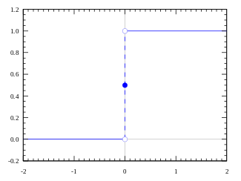
1 | 1 | 0 | 1
0 | 0 | 1 | 0
1 | 0 | 1 | 1
0 | 1 | 1 | 0
1 | 1 | 0 | 1
0 | 0 | 1 | 0
1 | 0 | 1 | 1
0 | 1 | 1 | 0
1 | 1 | 0 | 1
0 | 0 | 1 | 0
1 | 0 | 1 | 1
0 | 1 | 1 | 0
1 | 1 | 0 | 1
0 | 0 | 1 | 0
0 | 0 | 0 | ???

