Sheet1
 | Optimization of a Cylinder

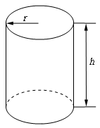
Volume of one Cylinder = 10 m3
Radius of Cylinder(in meter) = r
Height of Cylinder(in meter) = h
Cost of Material per unit surface area = C (=1)
volume = 3.14*r2*h
surface area = (2*3.14*r*h)+(2*3.14*r2)

To minimize the cost of cylinder, surface area should be minimum-

variable | variable | given (constraint) | Objective function
Radius (r) | Height (h) | Volume (V) | Surface Area
1.1676216709 | 2.3359634848 | 9.9999998029 | 25.690613068

Reference - http://www.tkiryl.com/Calculus/Section_4.5--Optimization%20Problems/Optimization_Problems.pdf

