Sheet1
Note:
This is for a spot 1000 rows above readout register - will later need to refine this to make it row, col dependent

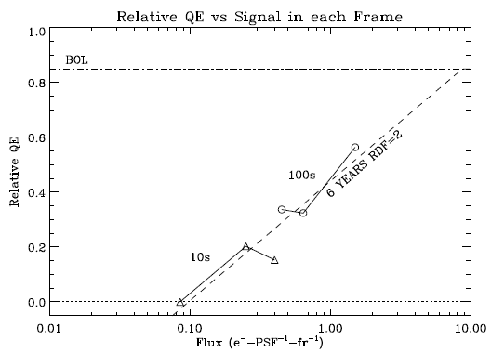
Per pixel fluence | 0.05 | e/pix/frame
Mission Life Fraction | 100% | 6 yrs @ L2 with Radiation Dose Factor of 2
Charge Transfer Efficiency | 34.0% | as fn of e/pix/fr - assuming 1000 parallel transfers
Formula to use is CTE = 1+MissionLifeFraction*0.51296*(LOG10( fluence )+0.0147233)

Notes

Patrick fits the post electron-generation QE
y=a + m1 * x
x = log10(flux)

It intercepts at | 85% | so Patrick includes QE but CTE should not
pixels per PSF | 9 | in testbed

