Sheet1
Dark Current Summary |  | CDS Summary

Temp | Dark | Temp | CDS
K | e/p/s | K | rms e-
150 | 7.70E-04 | 40 | 5.2554744526
180 | 1.08E-01 | 80 | 5.9854014599
200 | 1.97E+00 | 100 | 6.5693430657
240 | 3.25E+02 | 160 | 9.7810218978
280 | 2.43E+04 | 200 | 12.554744526

 |  |  |  | Graph reading details

 |  |  |  | Temp |  | Dark |  | h0 | 0.0001
 |  |  |  | 150 | 0.26 | 0.00076977470571 |  | h1 | 100000
 |  |  |  | 180 | 0.89 | 0.10816603471 |  | k | 0.29333333333
 |  |  |  | 200 | 1.26 | 1.9744882128
 |  |  |  | 240 | 1.91 | 324.61130183
 |  |  |  | 280 | 2.46 | 24342.413552

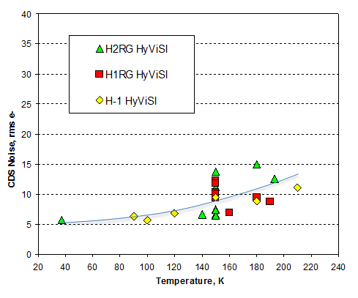

 |  |  |  |  | rn range | ht | s
 |  |  |  |  | 40 | 2.74 | 14.598540146

 |  |  |  | Temp |  | CDS, rms e-
 |  |  |  | 40 | 0.36 | 5.2554744526
 |  |  |  | 80 | 0.41 | 5.9854014599
 |  |  |  | 100 | 0.45 | 6.5693430657
 |  |  |  | 160 | 0.67 | 9.7810218978
 |  |  |  | 200 | 0.86 | 12.554744526

