ParameterData
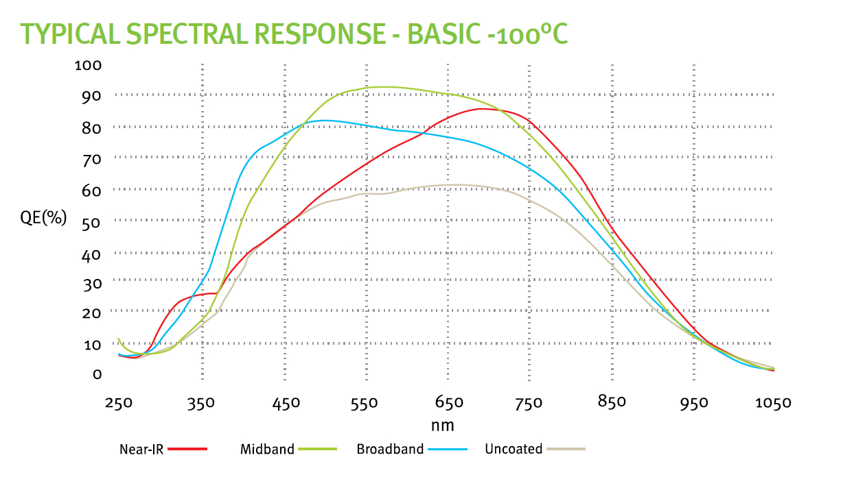
 |  |  |  |  |  |  |  |  | BOL | EOL |  |  |  |  | not per transfer but per frame!!
 | Trade Study | Short Name | Mission | Sensor | Pixel(um) | Full Format (H x V) | Manufacturer | TRL | IDK (e-/pix/s) | IDK (e-/pix/s) | Temp (K) | RN (e-) | Gain | ENF | CIC (e-/pix/fr) | QE (550) | QE (650) | QE (750) | QE (850) | QE (950) | frame, sec | Variant | Reference/Source | Comment
 | Yes | JMAPS | JMAPS (not launched) | HyViSI | 18 | 1024 x 2048 | TIS | 6 | 1.00E-03 | 1.00E-03 | 150 | 5 | 1.00 | 1.00 | 0.00E+00 | 80 | 85 | 90 | 80 | 70 | 500 |  | read noise is SUTR sampling (up the ramp)
 | No | GND CMOS | Gound-based (CMOS) | CIS2051 | 6.5 | 2560 x 2160 | Fairchild [1] | 4 | 7.00E-03 | 7.00E-03 | 233.15 | 1.5 | 1.00 | 1.00 | 0.00E+00 | 57 | 56 | 55 | 31.5 | 8 | 500 | Active pixel sensor; Thin epi | Andor NEO camera; assume Idk = 5e-04; lower TRL due to this extrapolation
 | No | EUCLID | EUCLID | CCD273-84 | 12 | 4096 x 4096 | e2v | 6 | 5.50E-04 | 5.50E-04 | 153 | 3.6 | 1.00 | 1.00 | 3.00E-03 | 83 | 83 | 83 | 53 | 23 | 500 | DD; Charge injection capability | Endicott et al (2012): CCD273-84.pdf, Table 1
* | No | GAIA | GAIA | CCD91-72 | 10 | 1966 x 4500 | e2v | 9 | 1.00E-03 | 1.00E-03 | 158 | 4.6 | 1.00 | 1.00 | 3.00E-03 | 90 | 81 | 72 | 43 | 14 | 500 | Thinned; 16um depth; BI | Short et al. (2005); CCD91.pdf | ~10-7 e-/p/tr step (TDI mode) * /1e-3sec; 30um x10um
 | No | Plato | Plato | CCD270 | 18 | 4510 x 4510 | e2v | 4 | 0.8 | 0.8 | 203 | 28 | 1.00 | 1.00 | 3.00E-03 | 89 | 81 | 73 | 44 | 15 | 500 | Frame transfer; Thinner gate dielectric; Increased buried channel | Endicott et al (2012): CCD270.pdf, Table 1
 | No | HST | HST | CCD43 | 15 | 2051 x 4096 | e2v | 9 | 5.5E-04 | 5.5E-04 | 190 | 3.1 | 1.00 | 1.00 | 3.00E-03 | 63 | 59.5 | 56 | 35 | 14 | 500 | Standard epi depth; Gate injected structure | Randy Kimble, GSFC; CCD43.pdf
 | No | Kepler | Kepler | CCD90 | 27 | 1044 x 2200 | e2v | 9 | 5.6E-04 | 5.6E-04 | 188 | 120 | 1.00 | 1.00 | 3.00E-03 | 75 | 75 | 75 | 40 | 5 | 500 | Thinned; BI (950 number pure guess - BN) | Kepler Instrument Handbook; CCD90.pdf | <120 e-/frame
 | Yes | EM ST AN | WFIRST-CGI [analog gain] | CCD201-20 | 13 | 1024 x 2048 | e2v | 5 | 5.00E-04 | 1.50E-03 | 165 | 0.2 | 450 | 1.41 | 3.00E-03 | 86 | 86 | 73 | 48 | 10 | 10 | Thinned; BI, Frame Transfer | QE values from e2v website ;Midband AR | QE*0.95 to account for cosmic rays in 10s frames
 | No | EM DD AN | WFIRST-CGI DD [analog gain] | CCD201-20 | 13 | 1024 x 2048 | e2v | 2 | 1.0E-03 | 3.0E-03 | 165 | 0.2 | 450 | 1.41 | 3.00E-03 | 86 | 86 | 81 | 57 | 27 | 10 |  | QE values from e2v website; Midband AR | DD dark 2x ST dark
 | Yes | EM ST PC | WFIRST-CGI [PC] | CCD201-20 | 13 | 1024 x 2048 | e2v | 5 | 5.00E-04 | 1.50E-03 | 165 | 0 | 1000 | 1.00 | 3.00E-03 | 69 | 59 | 59 | 38 | 17 | 10 |  | QE values from e2v website ;Midband AR | QE*0.8*0.95 (threshold and cosmic rays)
 | No | EM DD PC | WFIRST-CGI DD [PC] | CCD201-20 | 13 | 1024 x 2048 | e2v | 2 | 1.0E-03 | 3.0E-03 | 165 | 0 | 1000 | 1.00 | 3.00E-03 | 69 | 76 | 76 | 46 | 21 | 10 |  |  | QE*0.8*0.95 (threshold and cosmic rays), DD dark 2xST dark
 | Yes | GaAsP MCP | Swift | TBD | 13 | 999 x 999 | Hamamatsu | 9 | 5.0E-05 | 5.0E-05 | 260 | 0 | 1.00E+06 | 1.00 | 0.00E+00 | 30 | 18 | 0 | 0 | 0 | 500 | blue-ext - GaAsP
 | Yes | GaAsP red MCP | Swift | TBD | 13 | 999 x 999 | Hamamatsu | 9 | 1.0E-04 | 1.0E-04 | 260 | 0 | 1.00E+06 | 1.00 | 0.00E+00 | 30 | 18 | 11 | 0 | 0 | 500 | red-ext - GaAsP
 | Yes | GaAs MCP | Swift | TBD | 13 | 999 x 999 | Hamamatsu | 9 | 1.5E-04 | 1.5E-04 | 260 | 0 | 1.00E+06 | 1.00 | 0.00E+00 | 18 | 18 | 18 | 14 | 0 | 500 | GaAs
col | 1 | 2 | 3 | 4 | 5 | 6 | 7 | 8 | 9 | 10 | 11 | 12 | 13 | 14 | 15 | 16 | 17 | 18 | 19 | 20 | 21 | 22 | 23 | 24
 | NOTES |  |  |  |  |  |  |  |  |  |  | Astro Standard thickness Si |  | 88 | 73 | 12
 | [analog gain] = EM gain in analog mode; includes ENF |  |  |  |  |  |  |  |  |  |  | Midband standard thickness |  | 91 | 77 | 11
 | [PC] = EM gain in photon counting mode; excludes ENF |  |  |  |  |  |  |  |  |  |  | Midband DD |  | 91 | 85 | 28
 | * Must assign Idk to GAIA
 | DD = deep depletion, can only be operated in NIMO resulting in higher (surface) dark current |  |  |  |  |  |  |  |  |  |  |  |  | Vallerga | SPIE
 | [1] Fairchild Imaging: BAE Systems Imaging Solutions |  |  |  |  |  |  |  |  |  | Photonis |  | Oswald | Siegmund
 |  |  |  |  |  |  | at the cathode |  |  |  | Hamamatsu
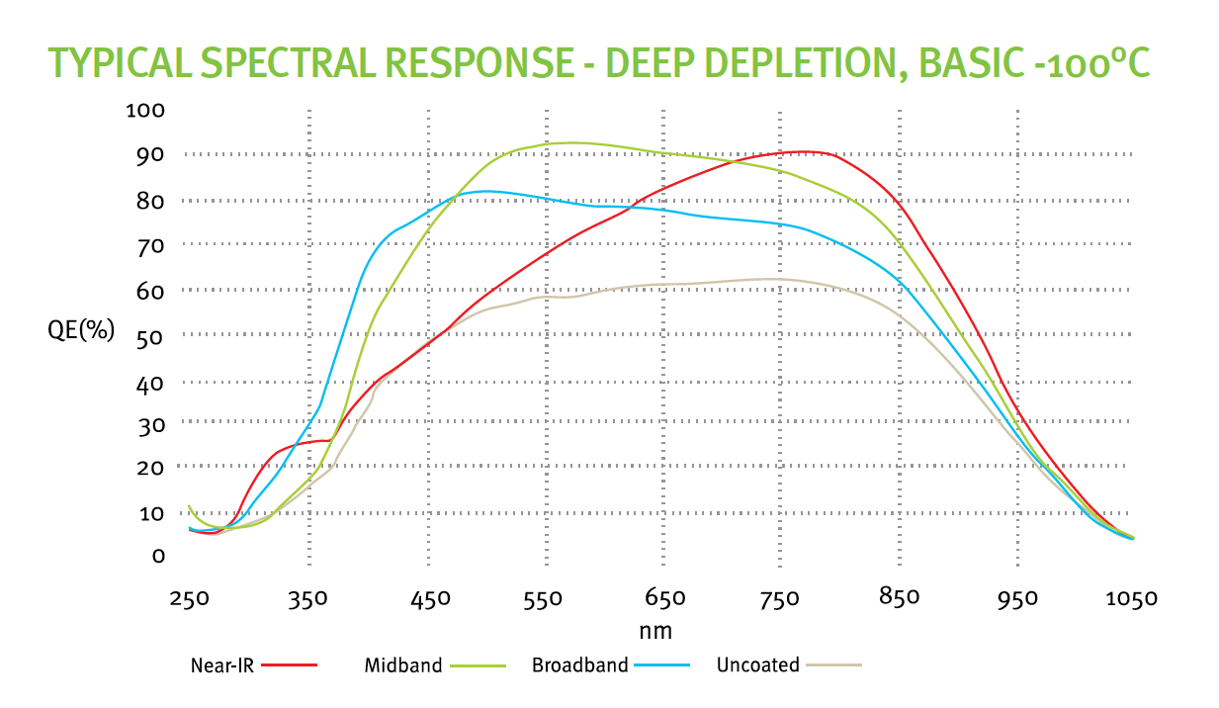
 |  |  |  |  |  |  |  |  |  |  | DEP

