Sheet1
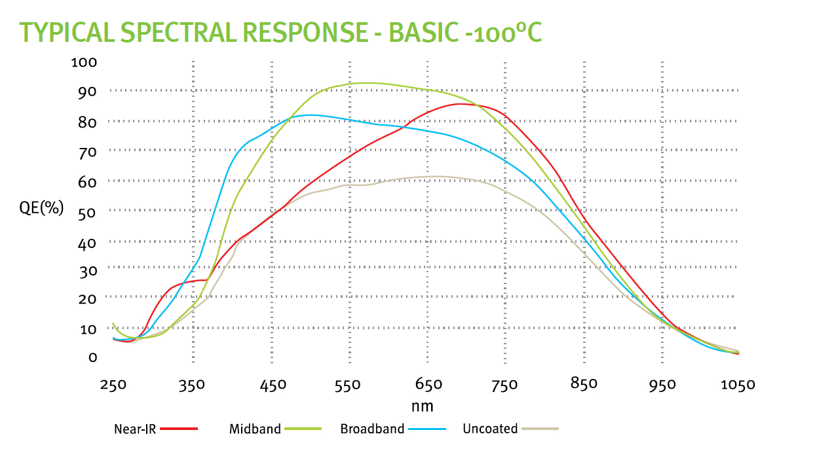
 | Trade Study | Short Name | Mission | Sensor | Pixel(um) | Full Format (H x V) | Manufacturer | TRL | IDK (e-/pix/sec) | Temp (K) | RN (e-, rms) | Gain | ENF | CIC (e-/pix/transfer) | QE (550) | QE (750) | QE (950) | Variant | Reference/Source | Comment
 | No | JMAPS | JMAPS (not launched) | HyViSI | 18 | 1024 x 2048 | TIS | 6 | 1.00E-03 | 150 | 5 | 1.00 | 1.00 | 0.00E+00 | 80 | 90 | 70 |  | read noise is SUTR sampling (up the ramp)
 | No | GND CMOS | Gound-based (CMOS) | CIS2051 | 6.5 | 2560 x 2160 | Fairchild [1] | 4 | 7.00E-03 | 233.15 | 1.5 | 1.00 | 1.00 | 0.00E+00 | 57 | 55 | 8 | Active pixel sensor; Thin epi | Andor NEO camera; assume Idk = 5e-04; lower TRL due to this extrapolation
 | No | EUCLID | EUCLID | CCD273-84 | 12 | 4096 x 4096 | e2v | 6 | 5.50E-04 | 153 | 3.6 | 1.00 | 1.00 | 3.00E-03 | 83 | 83 | 23 | DD; Charge injection capability | Endicott et al (2012): CCD273-84.pdf, Table 1
* | No | GAIA | GAIA | CCD91-72 | 10 | 1966 x 4500 | e2v | 9 | 1.00E-03 | 158 | 4.6 | 1.00 | 1.00 | 3.00E-03 | 90 | 72 | 14 | Thinned; 16um depth; BI | Short et al. (2005); CCD91.pdf | ~10-7 e-/p/tr step (TDI mode) * /1e-3sec; 30um x10um
 | No | Plato | Plato | CCD270 | 18 | 4510 x 4510 | e2v | 4 | 0.8 | 203 | 28 | 1.00 | 1.00 | 3.00E-03 | 89 | 73 | 15 | Frame transfer; Thinner gate dielectric; Increased buried channel | Endicott et al (2012): CCD270.pdf, Table 1
 | No | HST | HST | CCD43 | 15 | 2051 x 4096 | e2v | 9 | 5.5E-04 | 190 | 3.1 | 1.00 | 1.00 | 3.00E-03 | 63 | 56 | 14 | Standard epi depth; Gate injected structure | Randy Kimble, GSFC; CCD43.pdf
 | No | Kepler | Kepler | CCD90 | 27 | 1044 x 2200 | e2v | 9 | 5.6E-04 | 188 | 120 | 1.00 | 1.00 | 3.00E-03 | 75 | 75 | ? | Thinned; BI | Kepler Instrument Handbook; CCD90.pdf | <120 e-/frame
 | Yes | EM ST AN | WFIRST-CGI [analog gain] | CCD201-20 | 13 | 1024 x 2048 | e2v | 5 | 3.00E-05 | 165 | 0.2 | 450 | 1.41 | 3.00E-03 | 91 | 77 | 11 | Thinned; BI, Frame Transfer | QE values from e2v website ;Midband AR | 30 minute integration time
 | Yes | EM DD AN | WFIRST-CGI DD [analog gain] | CCD201-20 | 13 | 1024 x 2048 | e2v | 2? | 5.0E-04 | 165 | 0.2 | 450 | 1.41 | 3.00E-03 | 91 | 85 | 28 |  | QE values from e2v website; Midband AR
 | Yes | EM ST PC | WFIRST-CGI [PC] | CCD201-20 | 13 | 1024 x 2048 | e2v | 5 | 3.00E-05 | 165 | 0.2 | 450 | 1.00 | 3.00E-03 | 91 | 77 | 11 |  | QE values from e2v website ;Midband AR
 | Yes | EM DD PC | WFIRST-CGI DD [PC] | CCD201-20 | 13 | 1024 x 2048 | e2v | 2? | 5.0E-04 | 165 | 0.2 | 450 | 1.00 | 3.00E-03 | 91 | 85 | 28
 | Yes | MCP | Galex | TBD | 13 | 999 x 999 | Photonis | 9 | 5.0E-05 | 260 | 0 | 1 | 1.00 | 0.00E+00 | 29 | 33 | 2 | blue-ext - GaAs
 |  |  |  |  |  |  |  |  | 1.8E-01 | e-/pix/hr
 | NOTES |  |  |  |  |  |  |  |  |  | Astro Standard thickness Si |  | 88 | 73 | 12
 | [analog gain] = EM gain in analog mode; includes ENF |  |  |  |  |  |  |  |  |  | Midband standard thickness |  | 91 | 77 | 11
 | [PC] = EM gain in photon counting mode; excludes ENF |  |  |  |  |  |  |  |  |  | Midband DD |  | 91 | 85 | 28
 | * Must assign Idk to GAIA
 | DD = deep depletion, can only be operated in NIMO resulting in higher (surface) dark current |  |  |  |  |  |  |  |  |  |  |  | Vallarga | SPIE
 | [1] Fairchild Imaging: BAE Systems Imaging Solutions |  |  |  |  |  |  |  |  | Photonis |  | Oswald | Siegmund
 |  |  |  |  |  |  | at the cathode |  |  | Hamamatsu
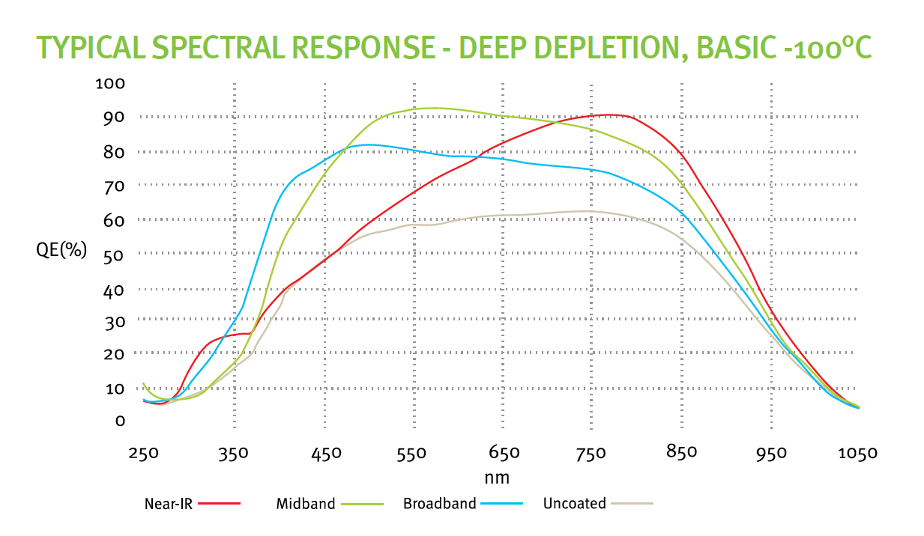
 |  |  |  |  |  |  |  |  |  | DEP

