Main_Data
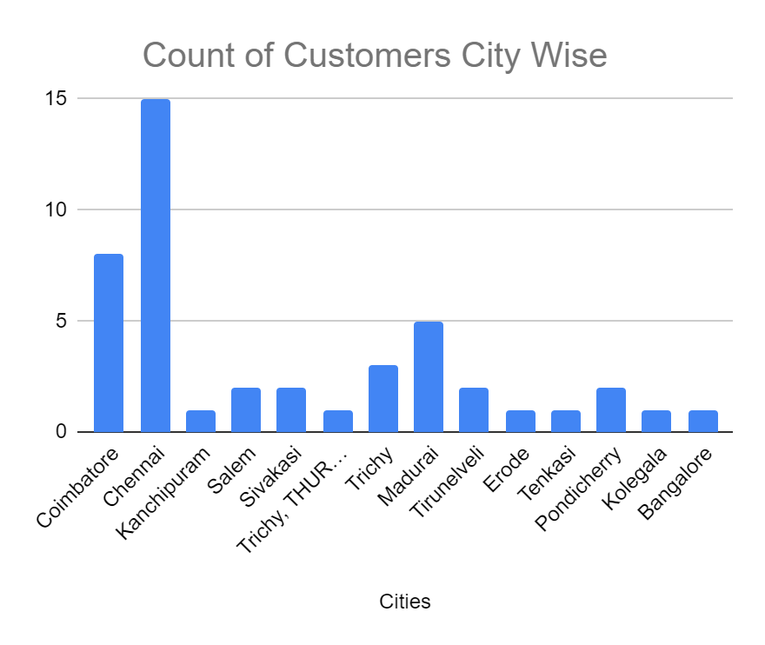
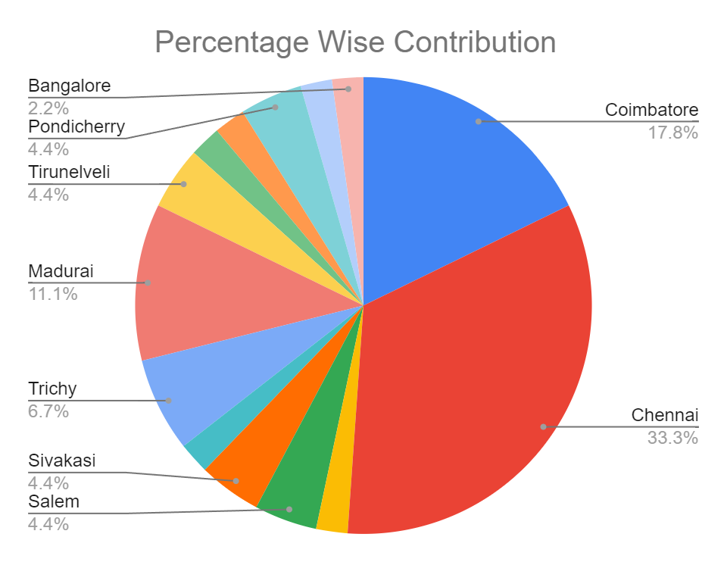
Location | Owner_Name | Product Prefered | Budget_Cat | Quote Stat | AmountFinalised
Coimbatore | Prithivaraj | Dysorm | High_budget | Q_given | 2450000
Coimbatore | Pavi | Pecho | High_budget | Not_Given | 0
Coimbatore | Karanakumar | Pecho | High_budget | Not_Given | 0
Coimbatore | Sathiya | Dysorm | Low_budget | Not_Given | 0
Coimbatore | Kumar | General | Check | Not_Given | 0
Coimbatore | No_Name | General | Check | Not_Given | 0
Coimbatore | Jeevan | Pecho | High_budget | Q_given | 1125000
Coimbatore | Mangaldas | Dysorm | Low_budget | Not_Given | 0
NaN | NaN | NaN | NaN | NaN | NaN
Chennai | Dhinakaran | General | Check | Not_Given | 0
Chennai | Rajesh | General | Check | Not_Given | 0
Chennai | Balaji | Dysorm | High_budget | Q_given | 255000
Chennai | Rajendran | General | Check | Not_Given | 0
Chennai | No_Name | General | Check | Not_Given | 0
Kanchipuram | Durai | Pecho | High_budget | Not_Given | 0
Chennai | Rakesh | Paga | Low_budget | Not_Given | 0
Chennai | Venkat | General | Check | Not_Given | 0
Chennai | Kalyanaraman | General | High_budget | Not_Given | 0
Chennai | Jayavel | Pecho | High_budget | Not_Given | 0
Chennai | Cyril | General | High_budget | Not_Given | 0
Chennai | No_Name | General | Check | Not_Given | 0
Chennai | Vijay | Pecho | High_budget | Q_given | 1125000
Chennai | Narasimhan | Dysorm | High_budget | Q_given | 265000
Chennai | Saranya | General | Check | Not_Given | 0
Chennai | No_Name | General | Check | Not_Given | 0
NaN | NaN | NaN | NaN | NaN | NaN
Salem | Rafeek Ahamed | Paga | Low_budget | Q_given | 155000
Salem | No_Name | General | Check | Not_Given | 0
NaN | NaN | NaN | NaN | NaN | NaN
Sivakasi | Vivekanand | Pecho | High_budget | Not_Given | 1675000
Sivakasi | Rajeshkumar | Pecho | High_budget | Not_Given | 1125000
NaN | NaN | NaN | NaN | NaN | NaN
Trichy, THURAIYUR | kappian | Pecho | High_budget | Not_Given | 1125000
Trichy | Raakhavan | General | Check | Not_Given | 0
Trichy | No_Name | Dysorm | Low_budget | Not_Given | 0
Trichy | Joseph | Dysorm | Low_budget | Not_Given | 0
NaN | NaN | NaN | NaN | Not_Given | NaN
Madurai | Rajamani | General | Check | Not_Given | 0
Madurai | Jeeva | Pecho | High_budget | Not_Given | 0
Madurai | Ramkumar | General | Check | Not_Given | 0
Madurai | Kasim | General | Check | Not_Given | 0
Madurai | Balakumar | General | Check | Not_Given | 0
NaN | NaN | NaN | NaN | Not_Given | NaN
Tirunelveli | Selvaraj | General | Check | Not_Given | 0
Tirunelveli | Selvyn Muthuraj | Pecho | High_budget | Not_Given | 0
NaN | NaN | NaN | NaN | Not_Given | NaN
Erode | Rajendran | Pecho | High_budget | Not_Given | 0
Tenkasi | No_Name | General | Check | Not_Given | 0
NaN | NaN | NaN | NaN | Not_Given | NaN
Pondicherry | No_Name | Dysorm | Low_budget | Not_Given | 25000
Pondicherry | Ramesh | Dysorm | Low_budget | Not_Given | 25000
NaN | NaN | NaN | NaN | Not_Given | NaN
Kolegala | Shivakumar | NaN | Check | Not_Given | 0
Bangalore | Nagendrakumar | Pecho | High_budget | Not_Given | 954000

 |  |  |  |  | 10304000

