Data Input
Compiled Rocket Design Safety Checks Assembled by Ben Murdock, Brian Parks |  |  |  |  |  |  |  |  | Measurement System
 |  |  |  |  |  |  |  |  | Imperial

Launch Site Parameters |  |  | Vehicle Parameters |  |  | Flight Parameters
Parameter | Value | Unit | Parameter | Value | Unit | Parameter | Value | Unit
Ground Level Altitude | 1249 | ft | Outer Diameter | 4.025 | in | Motor Avg Thrust | 1297 | N
Highest Launch Temperature | 96 | °F | Wall Thickness | 0.062 | in | Velocity Off Rod | 116 | fps
 |  |  | Lonest Single Body Segment | 54.00 | in | Max Velocity | 1466 | ft/s
The password to the sheet is FFAero |  |  | Empty Rocket Mass | 13.00 | lb | Max Acceleration | 602 | f/s²
 |  |  | Fully Loaded Rocket Mass | 23.19 | lb | Peak Drag Coefficient | 0.57 |  | See cell comments to determine
Instructions: In order to use this spreadsheet successfully, first select the units highlighted in Blue, starting with the Measurement System, then editing the single units highlighted in Blue. DO NOT edit any of the units in red, some are automatically changed with the unit system, while others are not set up to accept other systems. This is currently due to my own lack of will to correct for this, but you may expect it in the future. After the units have all been set, input the respective values into the green highlighted cells. Some, such as the Body Material, have drop down boxes for different materials. Use the one closest to the actual rocket. For the Fin measurements, refer to the picture to the right. After all data is entered, refer to the Data Summarization Sheet for a compiled list of all data outputs. |  |  | Body Material | Fiberglass - G-10
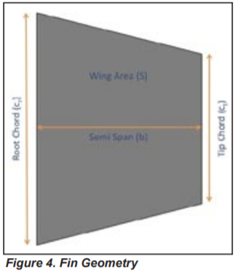
 |  |  | Safety Margin for all Calculations | 1.20

 |  |  | Altimeter Bay
 |  |  | Altimeter Bay Radius | 2 | in
 |  |  | Altimeter Bay Length | 11 | in
 |  |  | Number of Static Ports | 4

 |  |  | Fins
 |  |  | Root Chord (Cr) | 14.6 | in
 |  |  | Tip Chord (Ct) | 0 | in
 |  |  | Semi Span (height) (b) | 5.1 | in
 |  |  | Thickness (th) | 0.1875 | in
 |  |  | Shear Modulus (G) | 892857 | psi | (Shear Modulus of E-Glass)
 |  |  | Altitude at Burnout (h) | 3950 | ft | Determined by OpenRocket Sim

 |  |  | Parachute Bays
 |  |  | Main Bay Length |  | in
 |  |  | Drogue Bay Length |  | in
 |  |  | Main Bay Force |  | lbs
Kloudbusters Rocket Pasture in March |  |  | Drogue Bay Force |  | lbs
Ground Level Altitude | 1249 | ft
 | 380 | m
Highest Launch Temperature | 96 | °F
 | 35.5 | °C

Spaceport America in June
Ground Level Altitude | 4595 | ft
 | 1511.5 | m
Highest Launch Temperature | 96 | °F
 | 35.5 | °C

