Plan
Total Failed Automation Test Cases |  |  |  |  | 97
Average TC Execution/Person Day |  |  |  |  | 3

TRIM Rel 1 - Test Objectives Progress
 | Tracking!#REF! | Tracking!#REF!
 | 1 | 1
TRIM Rel 1 - Test Script Progress
 | Tracking!#REF! | Tracking!#REF!
 | 1 | 1
TRIM Rel 1 - Data Mining Progress
 | Tracking!#REF! | Tracking!#REF!
 | 1 | 1
TRIM Rel 1 - Test Objectives Progress
 | Tracking!#REF! | Tracking!#REF!
 | 1 | 1
TRIM Rel 1 - Test Objectives Progress
 | Tracking!#REF! | Tracking!#REF!
 | 1 | 1
TRIM Rel 1 - Test Objectives Progress
 | Tracking!#REF! | Tracking!#REF!
 | 1 | 1
TRIM Rel 1 - Test Objectives Progress
 | Tracking!#REF! | Tracking!#REF!
 | 1 | 1
TRIM Rel 1 - Test Script Progress
 | Tracking!#REF! | Tracking!#REF!
 | 1 | 1
TRIM Rel 1 - Data Mining Progress
 | Tracking!#REF! | Tracking!#REF!
 | 1 | 1
TRIM Rel 1 - Data Mining Progress
 | Tracking!#REF! | Tracking!#REF!
 | 1 | 1
TRIM Rel 1 - Test Objectives Progress
 | Tracking!#REF! | Tracking!#REF!
 | 1 | 1
TRIM Rel 1 - Test Script Progress
 | Tracking!#REF! | Tracking!#REF!
 | 1 | 1
TRIM Rel 1 - Data Mining Progress
 | Tracking!#REF! | Tracking!#REF!
 | 1 | 1
TRIM Rel 1 - Test Objectives Progress
 | Tracking!#REF! | Tracking!#REF!
 | 1 | 1
TRIM Rel 1 - Test Objectives Progress
 | Tracking!#REF! | Tracking!#REF!
 | 1 | 1
TRIM Rel 1 - Test Objectives Progress
 | Tracking!#REF! | Tracking!#REF!
 | 1 | 1
TRIM Rel 1 - Test Objectives Progress
 | Tracking!#REF! | Tracking!#REF!
 | 1 | 1
TRIM Rel 1 - Test Script Progress
 | Tracking!#REF! | Tracking!#REF!
 | 1 | 1
TRIM Rel 1 - Data Mining Progress
 | Tracking!#REF! | Tracking!#REF!
 | 1 | 1
TRIM Rel 1 - Data Mining Progress
 | Tracking!#REF! | Tracking!#REF!
 | 1 | 1
Dates | Test Week | Man Days Available | Planned Test Cases (per day) | Planned Test Cases (cumulative) | Actual Executed Test Cases incl NA (per day) | Actual Executed Test Cases (cumulative) | Difference in Test Execution | Cumulative Difference in Test Execution | Planned Test Execution % | Actual Test Execution % | Activity
2020-08-31 | 1 | 0 | 0.0 | 0 |  | 0 | 0 | 0 | 0% | 0% | Holiday
2020-09-01 | 1 | 2 | 6.0 | 6 |  | 0 | 6 | 6 | 6% | 0% | Automation Script debugging / tuning
2020-09-02 | 1 | 2 | 6.0 | 12 |  | 0 | 6 | 12 | 12% | 0% | Automation Script debugging / tuning
2020-09-03 | 1 | 2 | 6.0 | 18 |  | 0 | 6 | 18 | 19% | 0% | Automation Script debugging / tuning
2020-09-04 | 1 | 2 | 6.0 | 24 |  | 0 | 6 | 24 | 25% | 0% | Automation Script debugging / tuning
2020-09-05 | 0 | 0 | 0.0 | 24 | 0 | 0 | 0 | 24 | 25% | 0%
2020-09-06 | 0 | 0 | 0.0 | 24 | 0 | 0 | 0 | 24 | 25% | 0%
2020-09-07 | 2 | 2 | 6.0 | 30 |  | 0 | 6 | 30 | 31% | 0% | Automation Script debugging / tuning
2020-09-08 | 2 | 2 | 6.0 | 36 |  | 0 | 6 | 36 | 37% | 0% | Automation Script debugging / tuning
2020-09-09 | 2 | 2 | 6.0 | 42 |  | 0 | 6 | 42 | 43% | 0% | Automation Script debugging / tuning
2020-09-10 | 2 | 2 | 6.0 | 48 |  | 0 | 6 | 48 | 49% | 0% | Automation Script debugging / tuning
2020-09-11 | 2 | 2 | 6.0 | 54 |  | 0 | 6 | 54 | 56% | 0% | Automation Script debugging / tuning
2020-09-12 | 0 | 0 | 0.0 | 54 | 0 | 0 | 0 | 54 | 56% | 0%
2020-09-13 | 0 | 0 | 0.0 | 54 | 0 | 0 | 0 | 54 | 56% | 0%
2020-09-14 | 3 | 2 | 6.0 | 60 |  | 0 | 6 | 60 | 62% | 0% | Automation Script debugging / tuning
2020-09-15 | 3 | 2 | 6.0 | 66 |  | 0 | 6 | 66 | 68% | 0% | Automation Script debugging / tuning
2020-09-16 | 3 | 2 | 6.0 | 72 |  | 0 | 6 | 72 | 74% | 0% | Automation Script debugging / tuning
2020-09-17 | 3 | 2 | 6.0 | 78 |  | 0 | 6 | 78 | 80% | 0% | Automation Script debugging / tuning
2020-09-18 | 3 | 2 | 6.0 | 84 |  | 0 | 6 | 84 | 87% | 0% | Automation Script debugging / tuning
2020-09-19 | 0 | 0 | 0.0 | 84 | 0 | 0 | 0 | 84 | 87% | 0%
2020-09-20 | 0 | 0 | 0.0 | 84 | 0 | 0 | 0 | 84 | 87% | 0%
2020-09-21 | 4 | 2 | 6.0 | 78 |  | 0 | 6 | 78 | 80% | 0% | Automation Script debugging / tuning
2020-09-22 | 4 | 2 | 6.0 | 84 |  | 0 | 6 | 84 | 87% | 0% | Automation Script debugging / tuning
2020-09-23 | 4 | 2 | 6.0 | 90 |  | 0 | 6 | 90 | 93% | 0% | Automation Script debugging / tuning
2020-09-24 | 4 | 2 | 6.0 | 96 |  | 0 | 6 | 96 | 99% | 0% | Automation Script debugging / tuning
2020-09-25 | 4 | 2 | 6.0 | 102 |  | 0 | 6 | 102 | 105% | 0% | AU AP Batch Run / Execution
2020-09-26 | 0 | 0 | 0.0 | 102 | 0 | 0 | 0 | 102 | 105% | 0% | AU e-Pro Batch Run / Execution
2020-09-27 | 0 | 0 | 0.0 | 102 | 0 | 0 | 0 | 102 | 105% | 0% | AU Purchasing Batch Run / Execution

Summary
 | Fail | Pass | Warning
Accounts Payable | 34 | 7
e-Procurement | 17 | 18 | 1
Purchasing | 46 | 15 | 4

Evidences_Bhanu
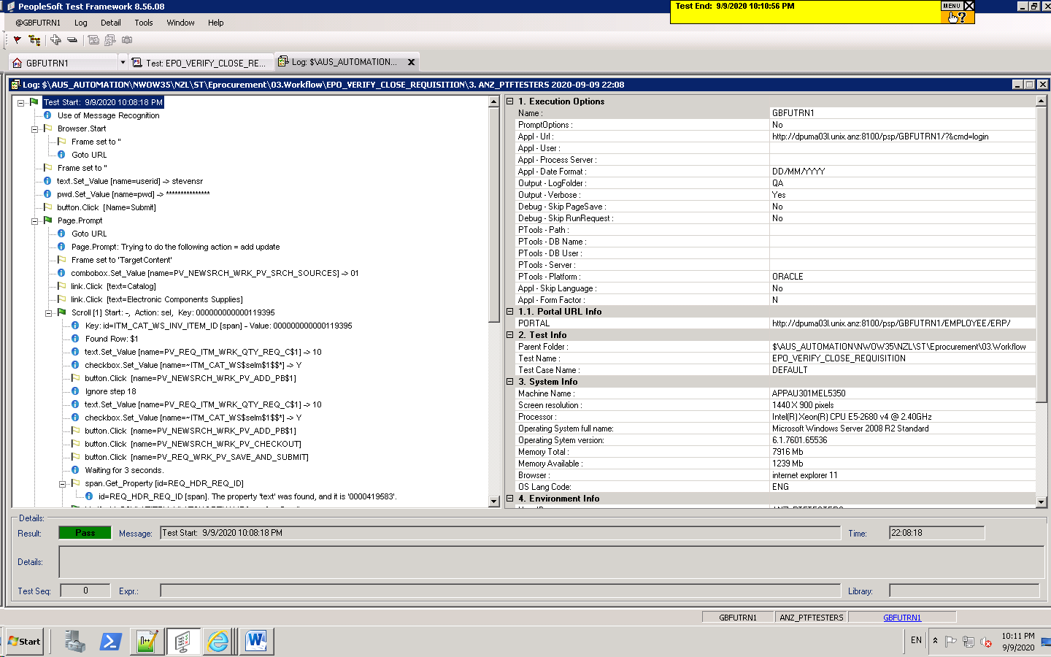
EPO_VER_SPECIA_REQ_WITHOT_VEND

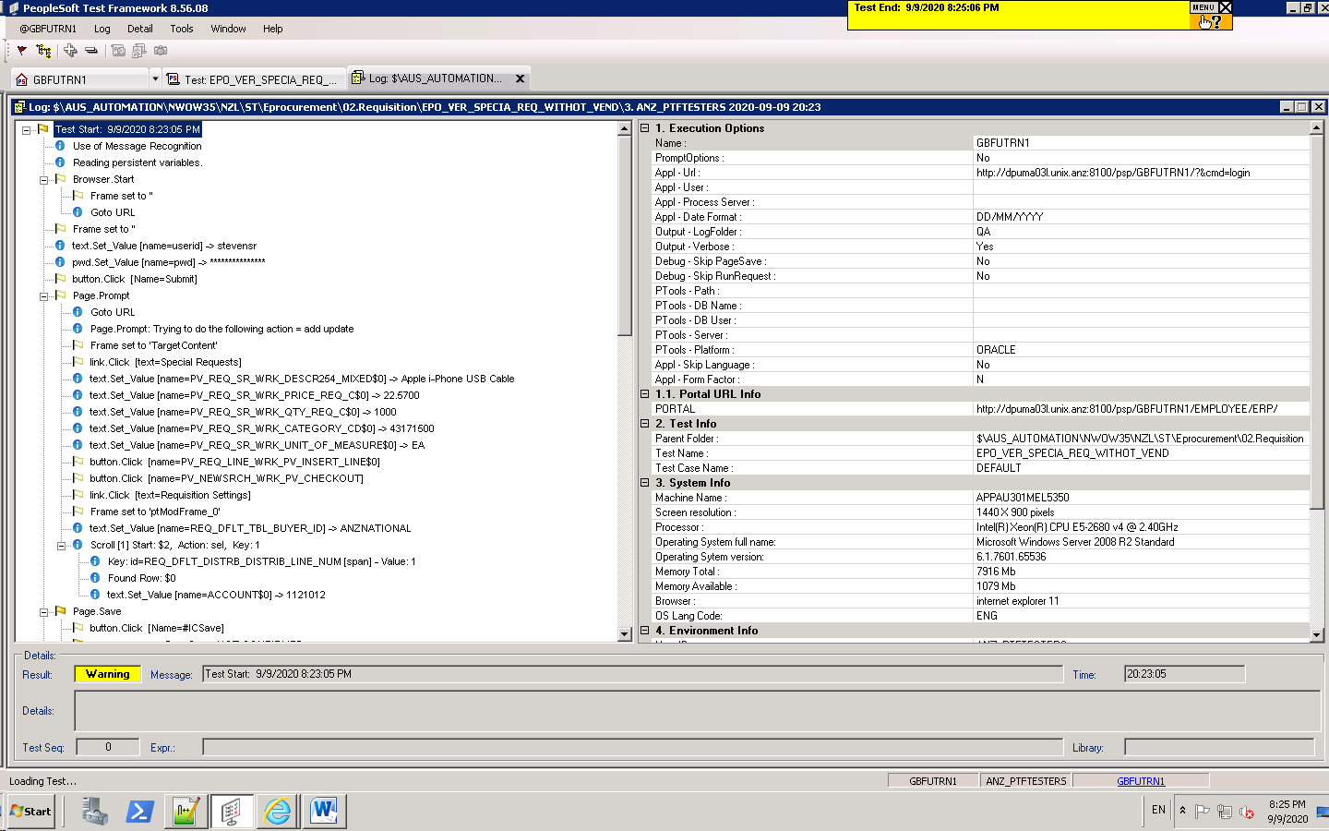

EPO_VERIFY_REQUI_PRINT_REPOR

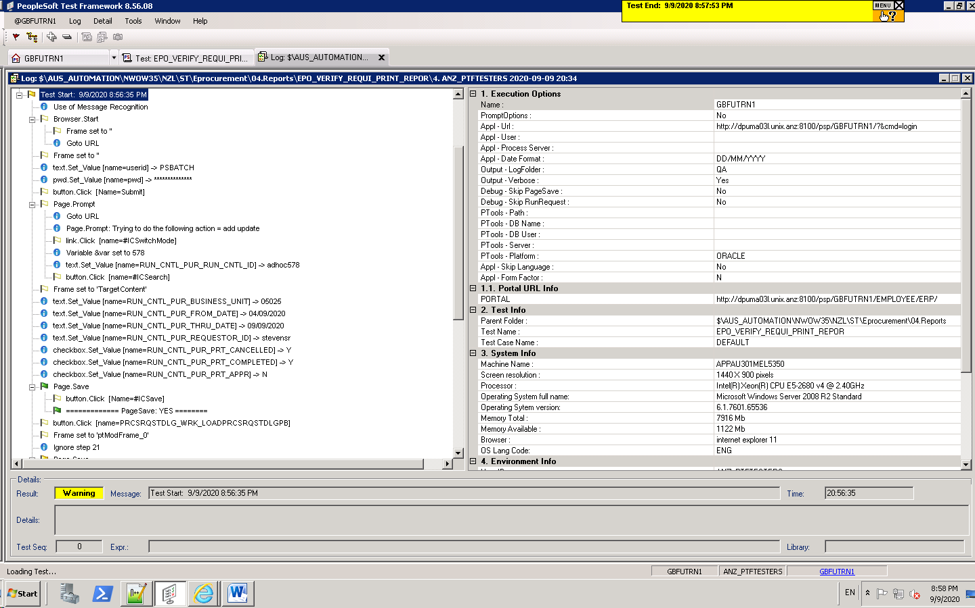

EPO_VERIFY_FUNCTIONA_ADD_SHIP

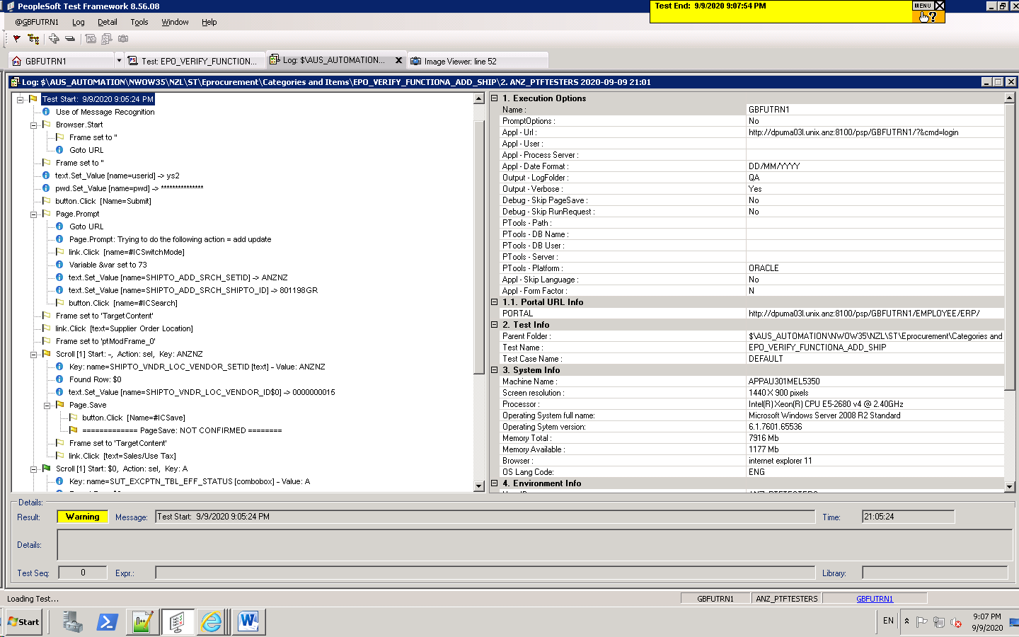

EPO_VERIFY_FUNCTIONA_ADD_REQ

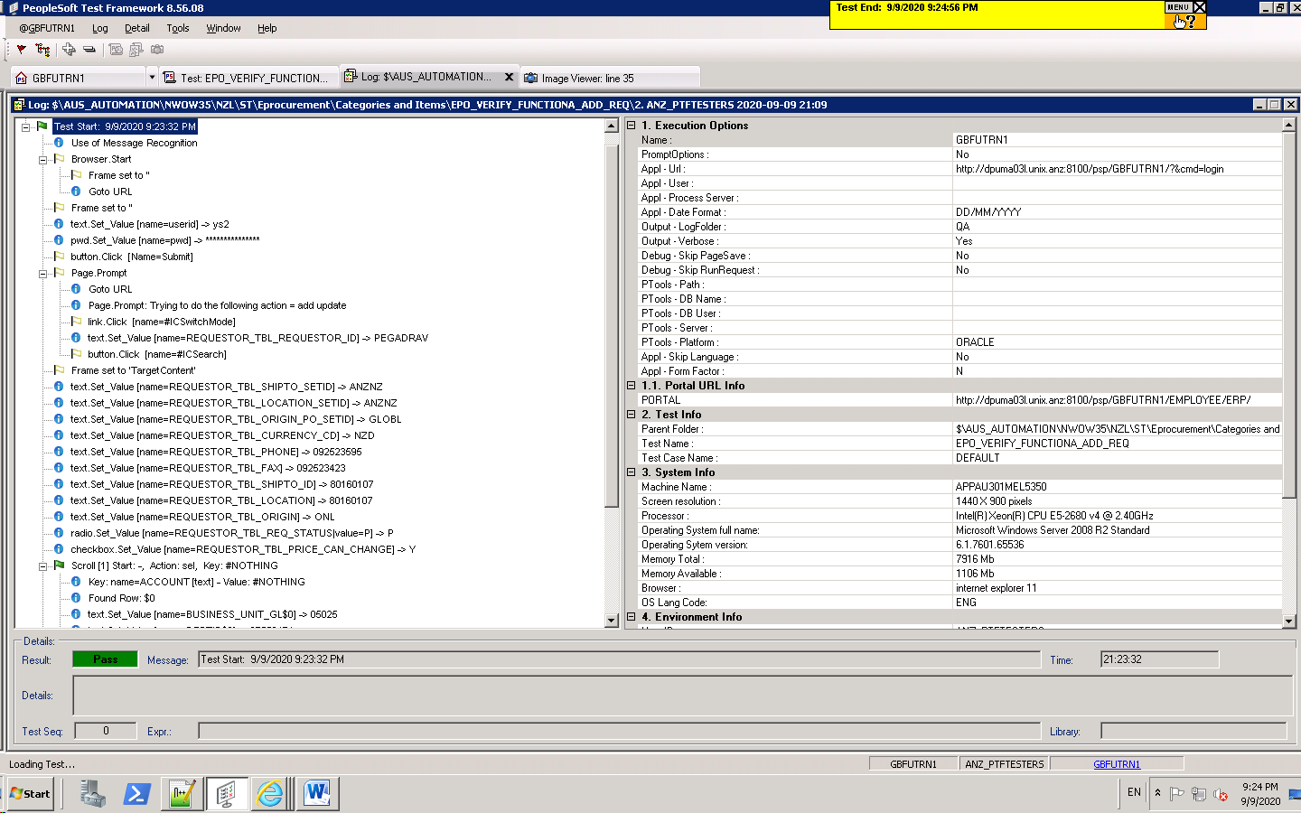

EPO_VERIFY_CREATE_CATELOG_REQ

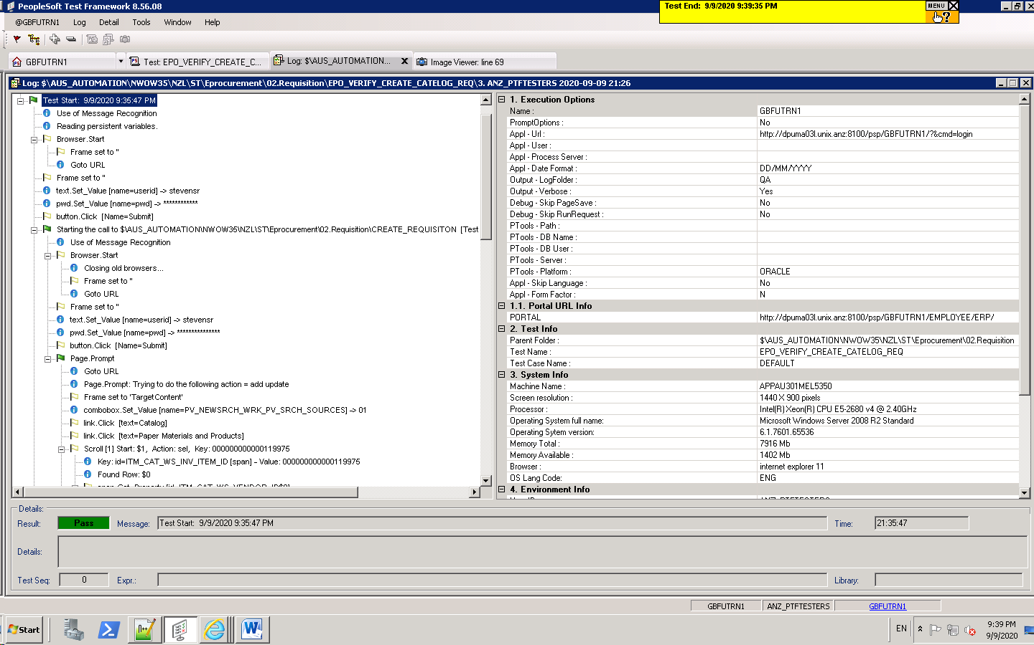

EPO_VERIFY_CLOSE_REQUISITION

Evidences_Aishwarya
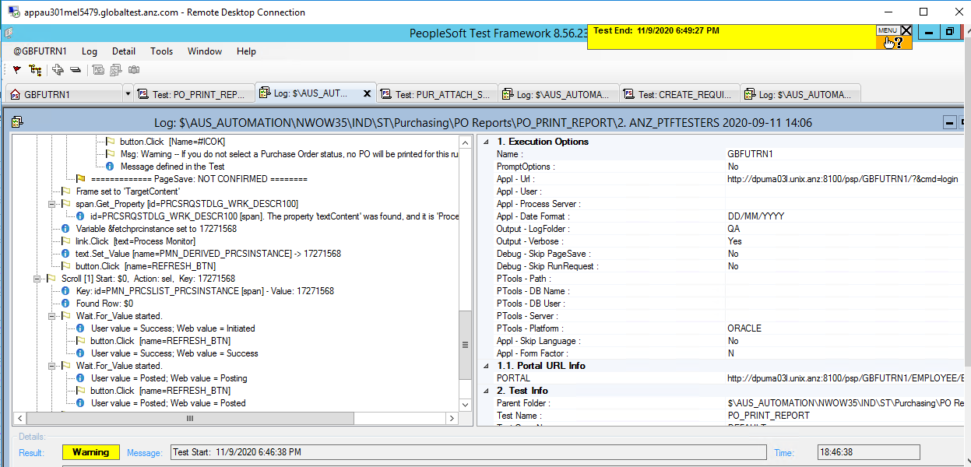
AU_AP_VENDOR_AUDIT_REPORT

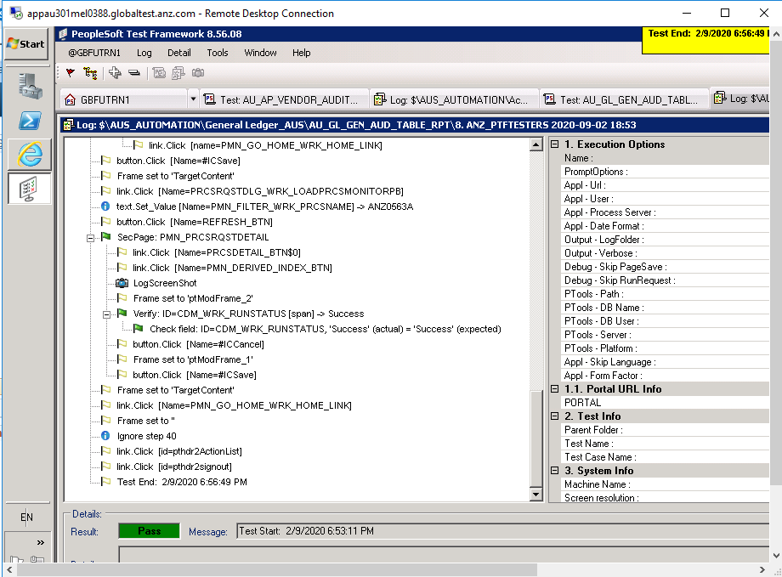

AU_AP_VERIFY_ANZ_CHQ_EST_REP

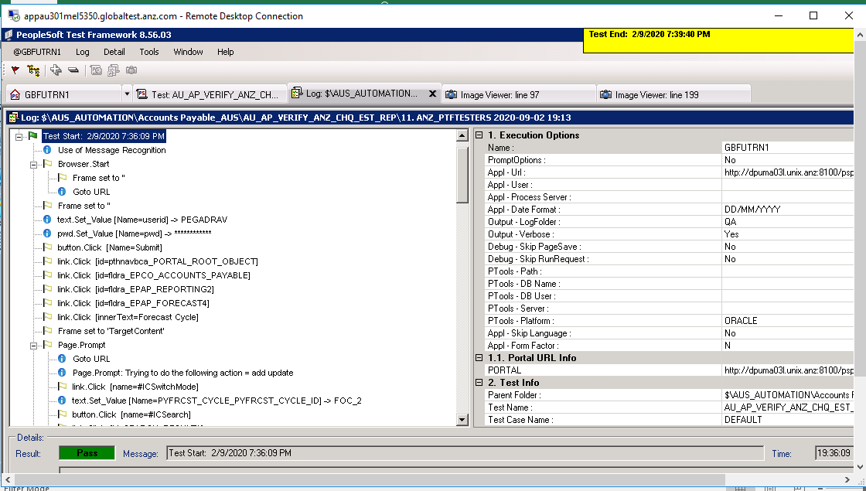

AU_AP_VOUCHER_AUDIT_ALL_OPERAT

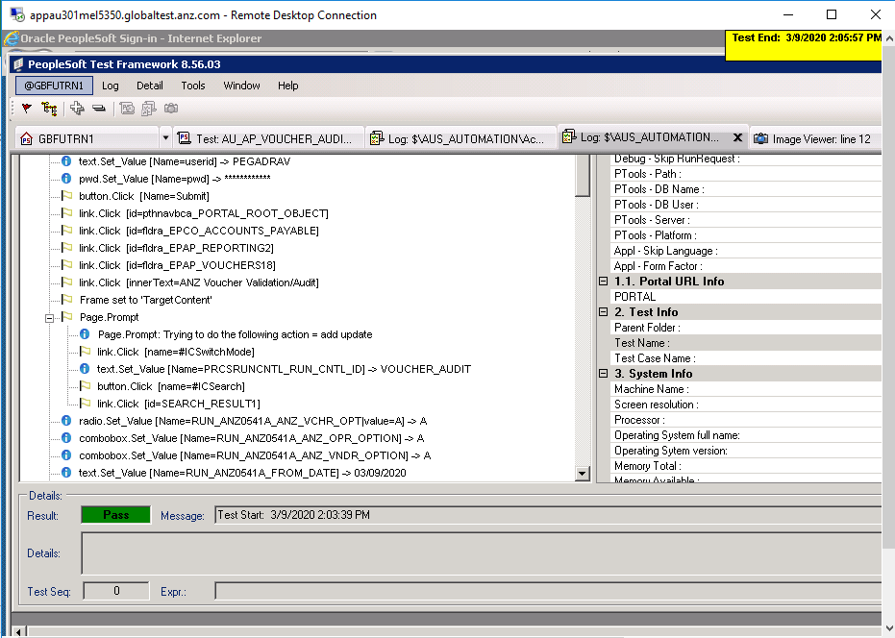

AU_AP_VOUCHER_AUDIT_SETID

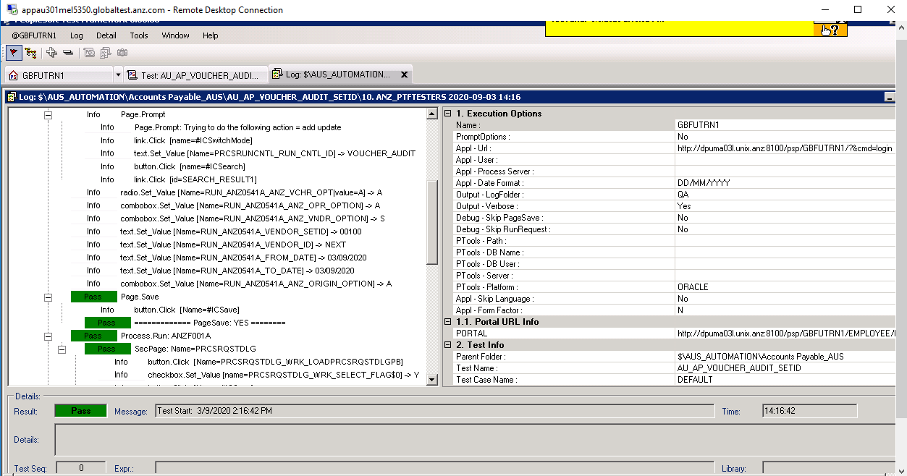

AU_AP_VOUCHER_VALIDATION_ALL

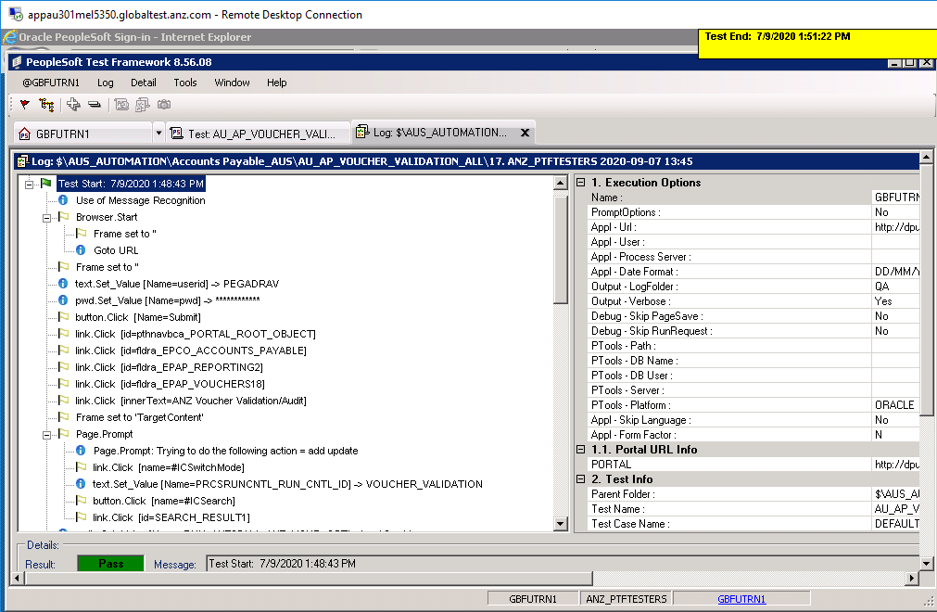

AU_AP_VOUCHER_VALIDATION_ORIGI

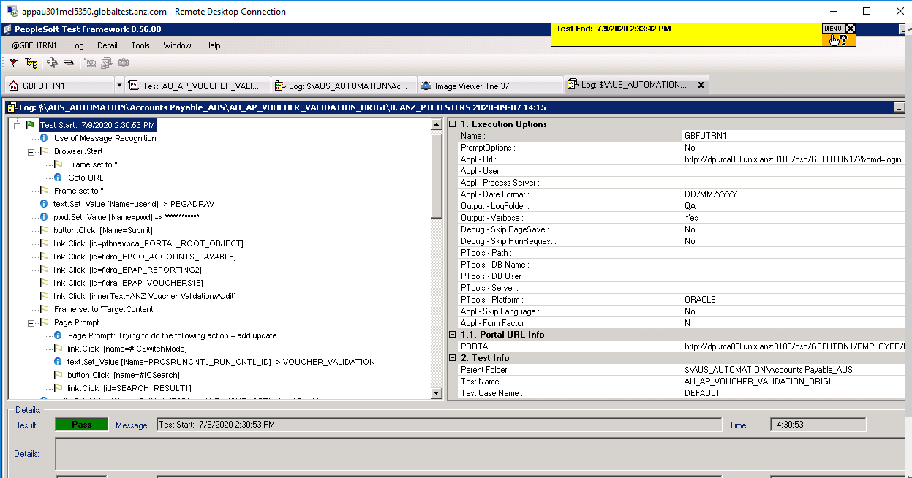

AU_AP_VOUCHR_AUDIT_AL_VENDRORG

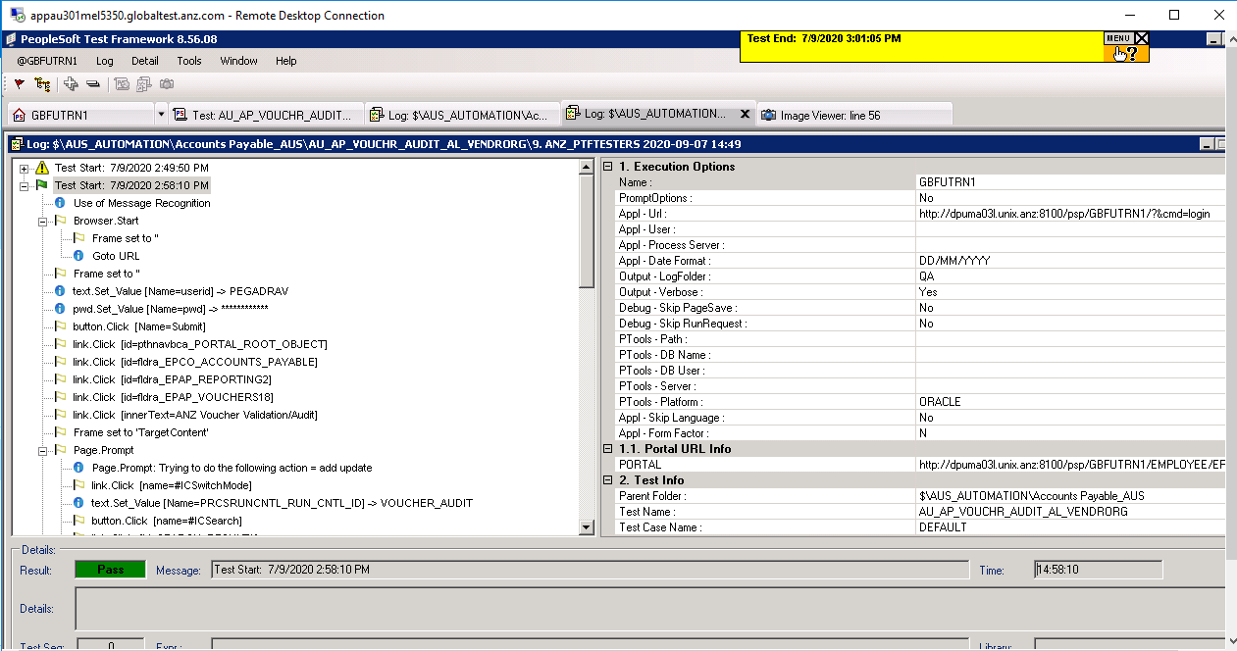

AU_AP_CREATE_VENDOR_VAT

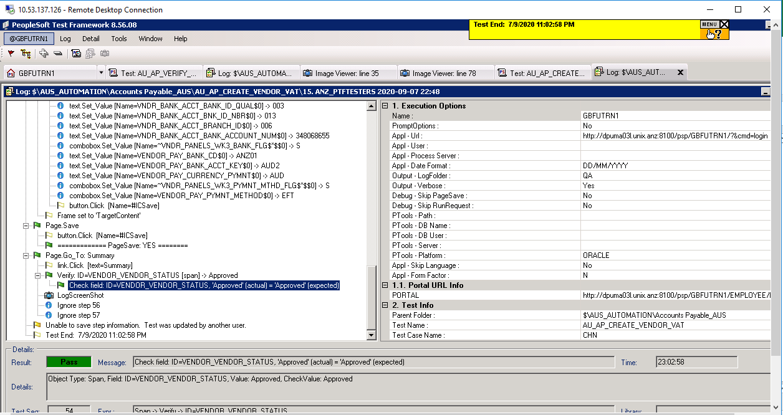

AU_AP_EMPTORIS_EXTRACT
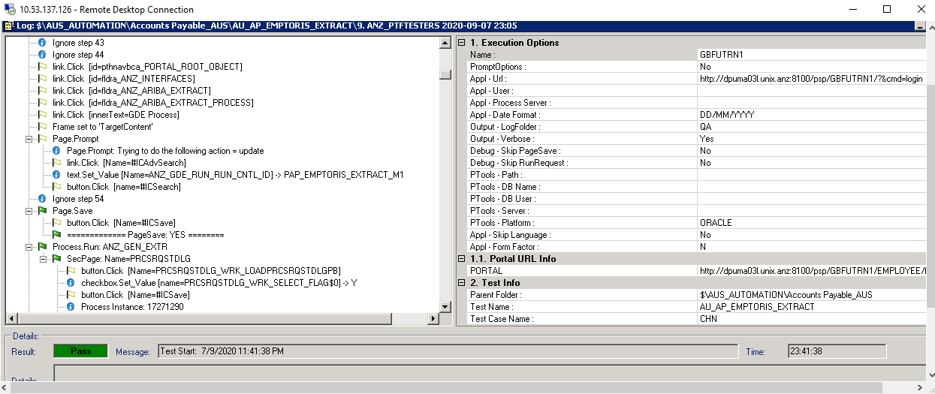

AU_AP_JOURNAL_VOUCHER

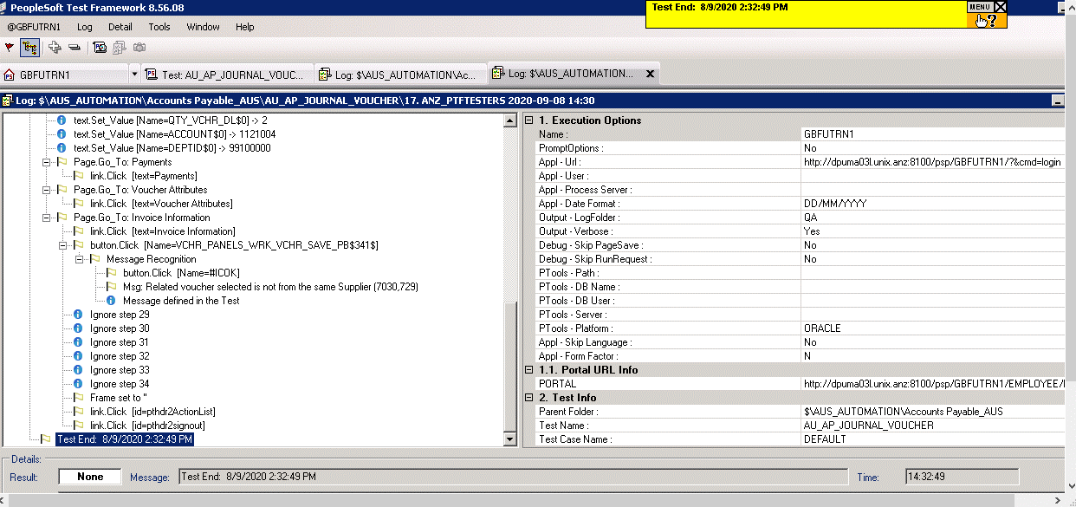

AU_AP_VCHRPOST_ORIGIN

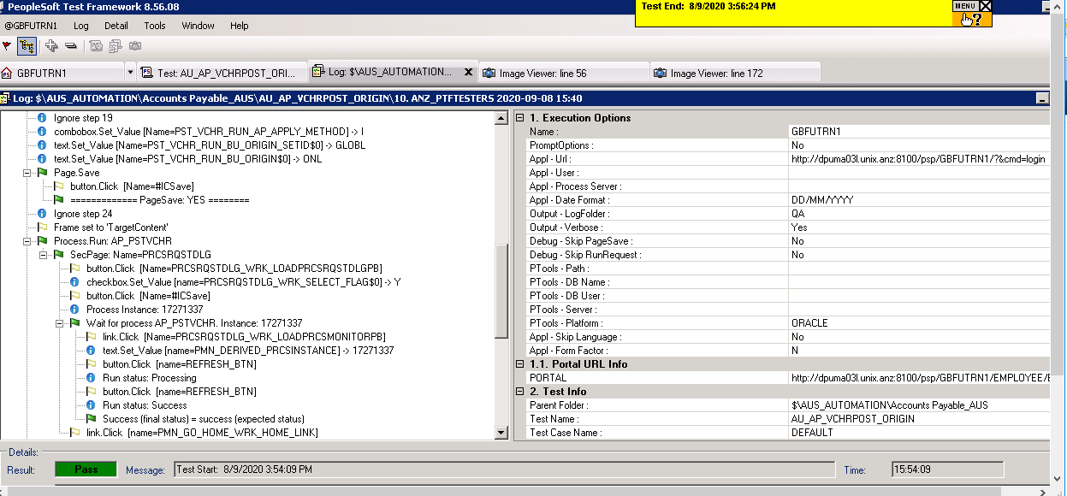

AU_AP_CHLD_ARIBA_EXT
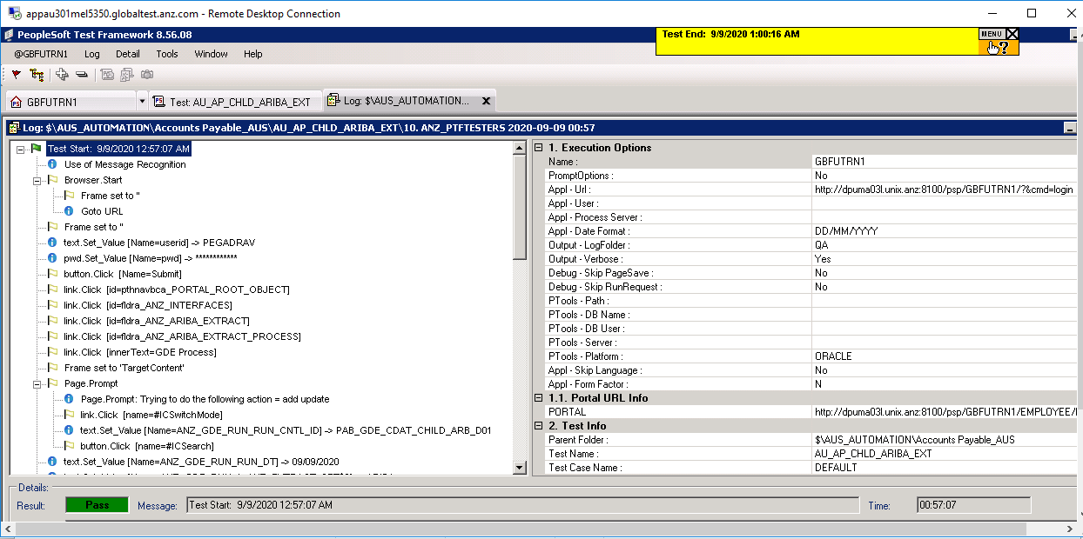

AU_AP_VERIFY_EFT_PAYMENT

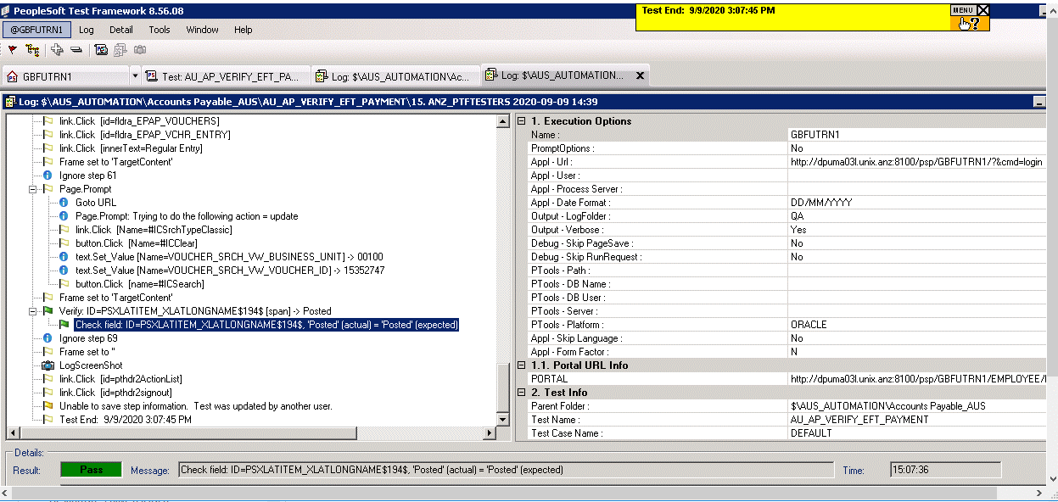

AU_AP_ASSET_VOUCHER
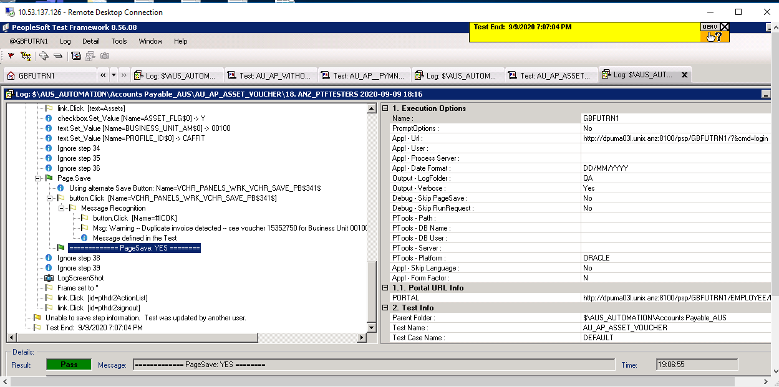

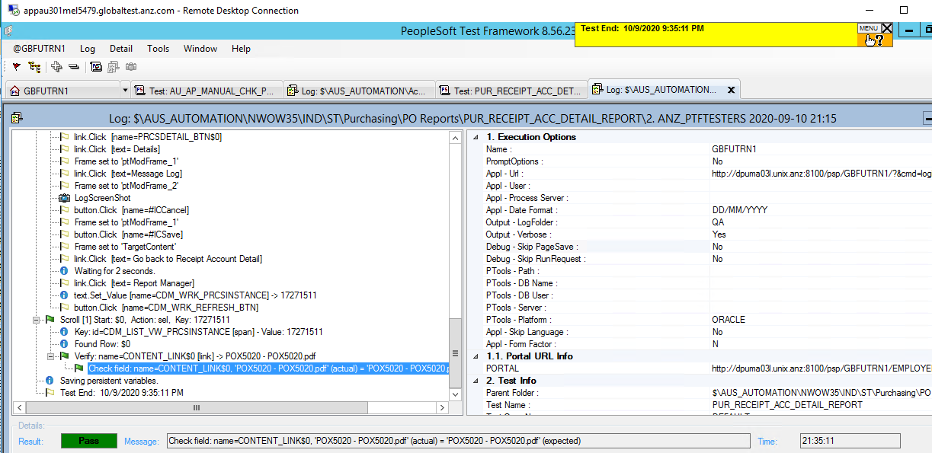

PUR_RECEIPT_SUMM_REPORT

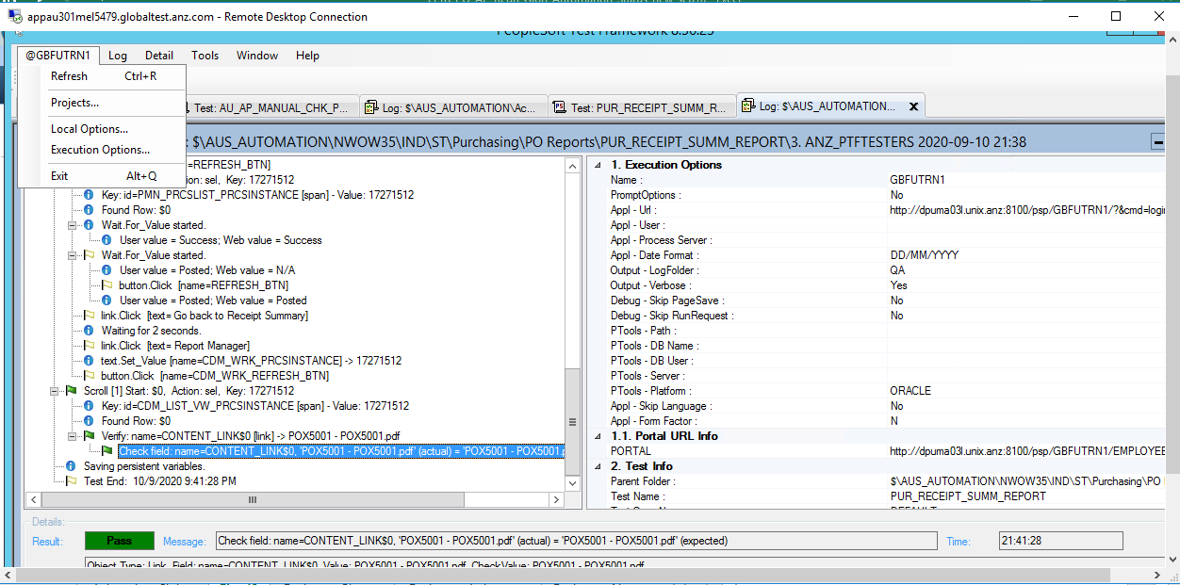

PO_STATUS_LISTING_REPORT

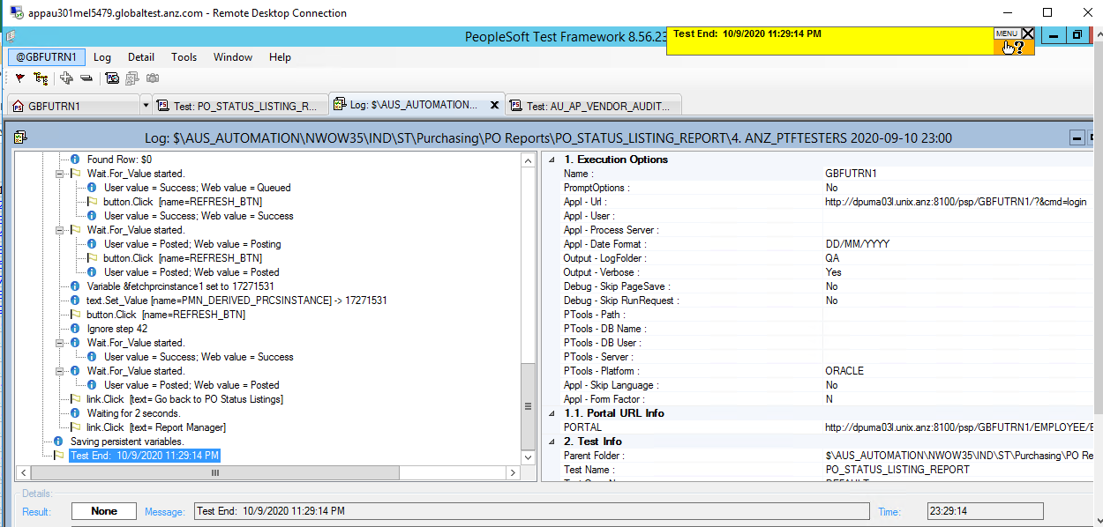

PO_SCHEDULE_LISTING_REPORT

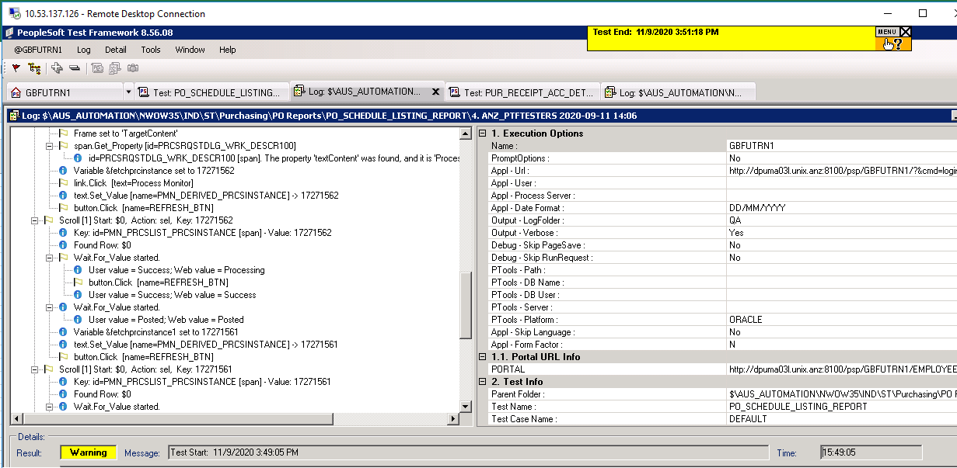

PO_TO_REQ_XREF_REPORT

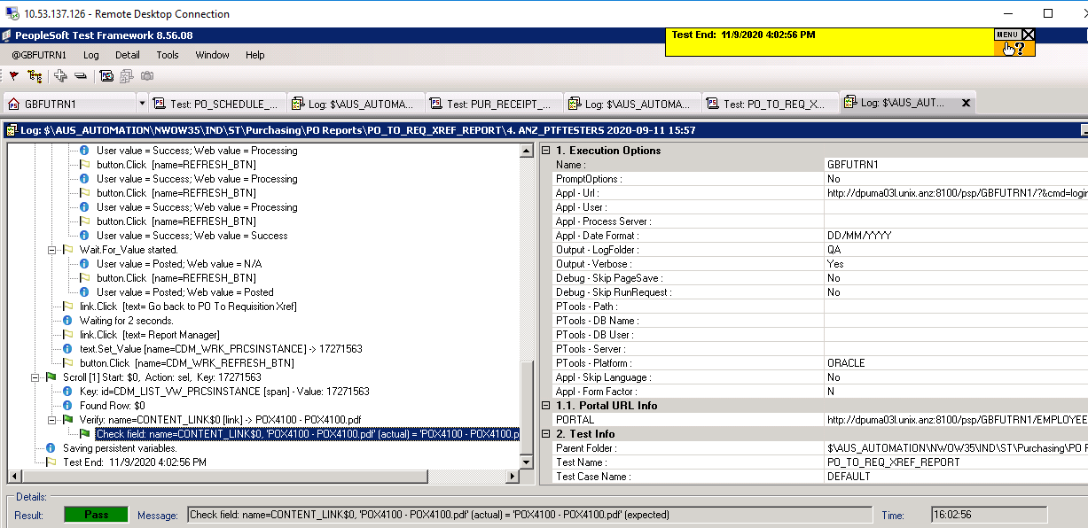

PO_PRINT_REPORT

Evidences_Nazeer
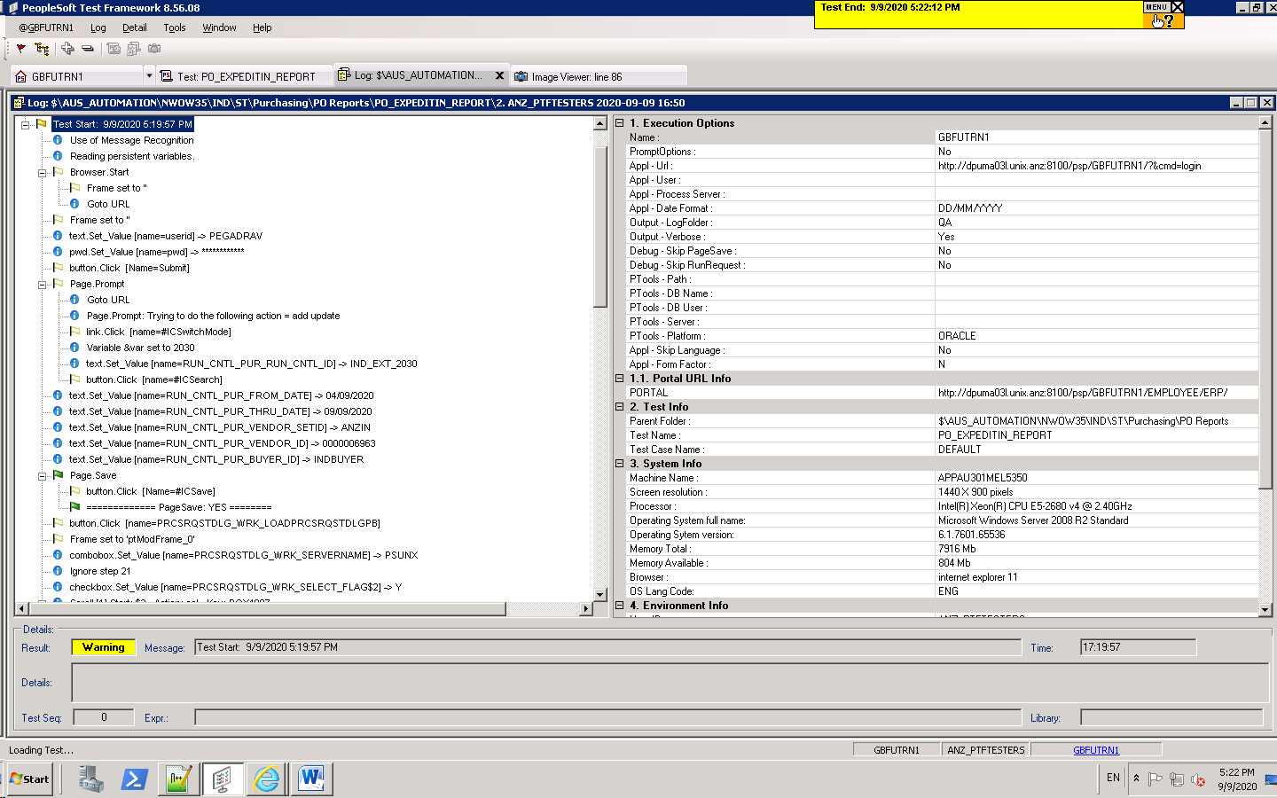
AU_AP_PAYNT_INQRY_SEL_PAYMT_RE


AU_AP_UPDATE_VENDOR

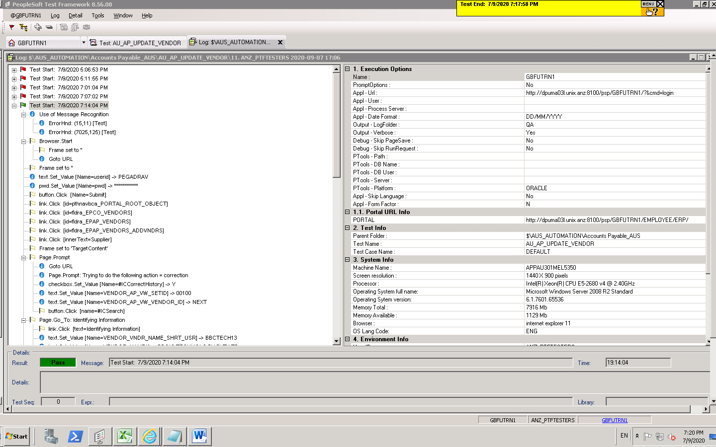

AU_AP_VALIDATION_BY_VENR_SETID

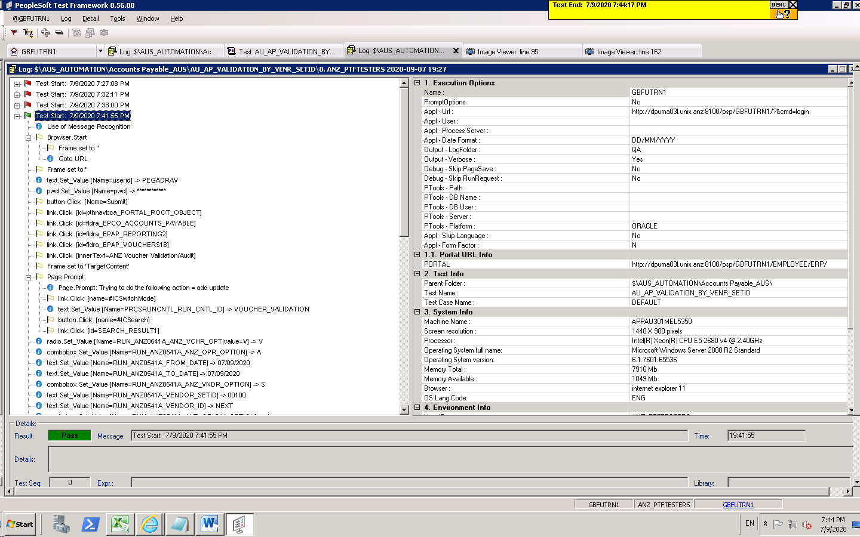

AU_AP_PAYNT_INQRY_SEL_PAYMT_RE
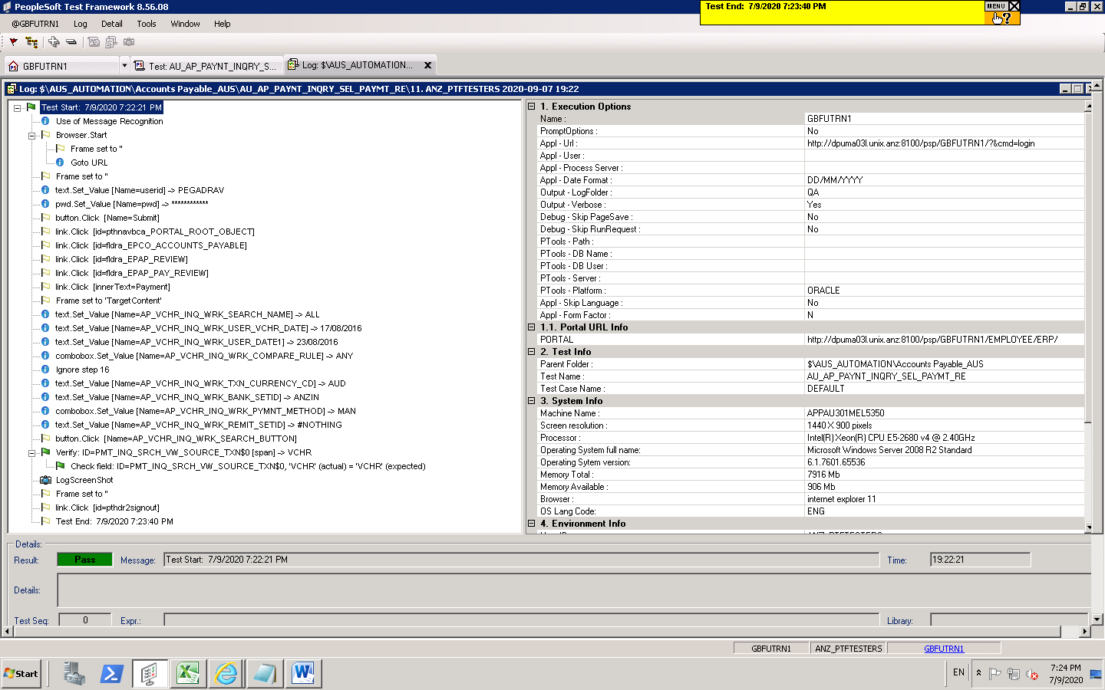

AU_AP_VALIDATION_ORIGIN_VENDR
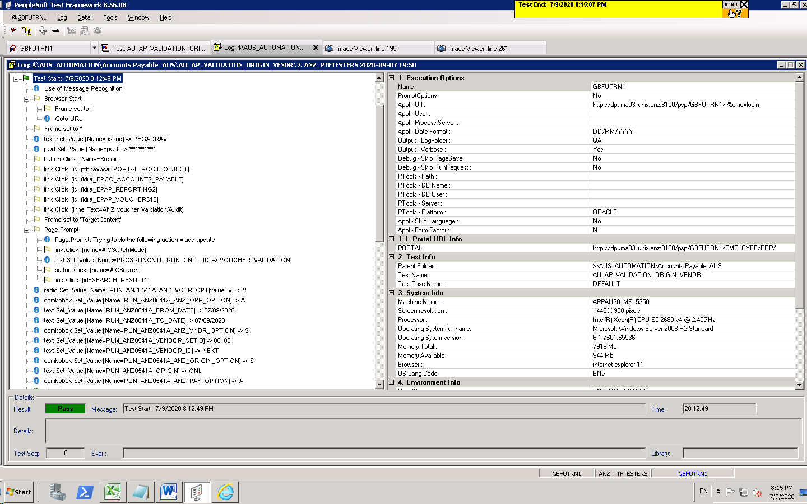

AU_AP_VENDOR_APPROVAL

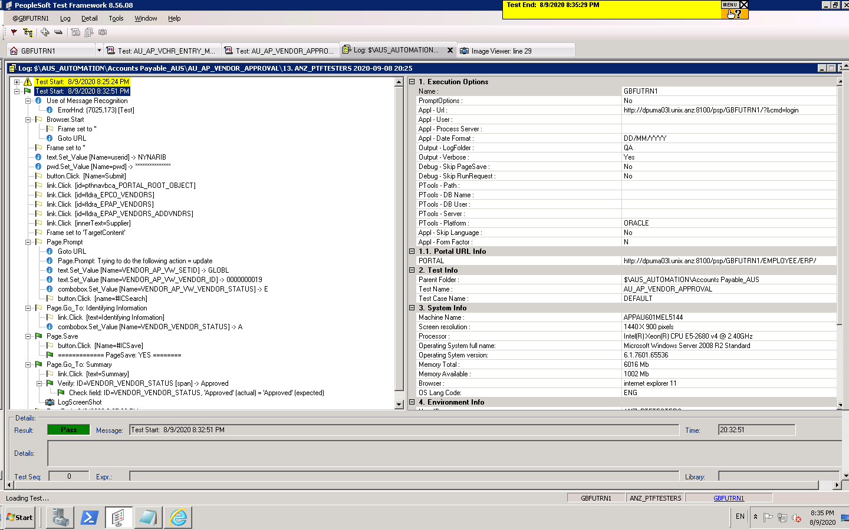

INQUIRE_RECEIPT_INDIA_03

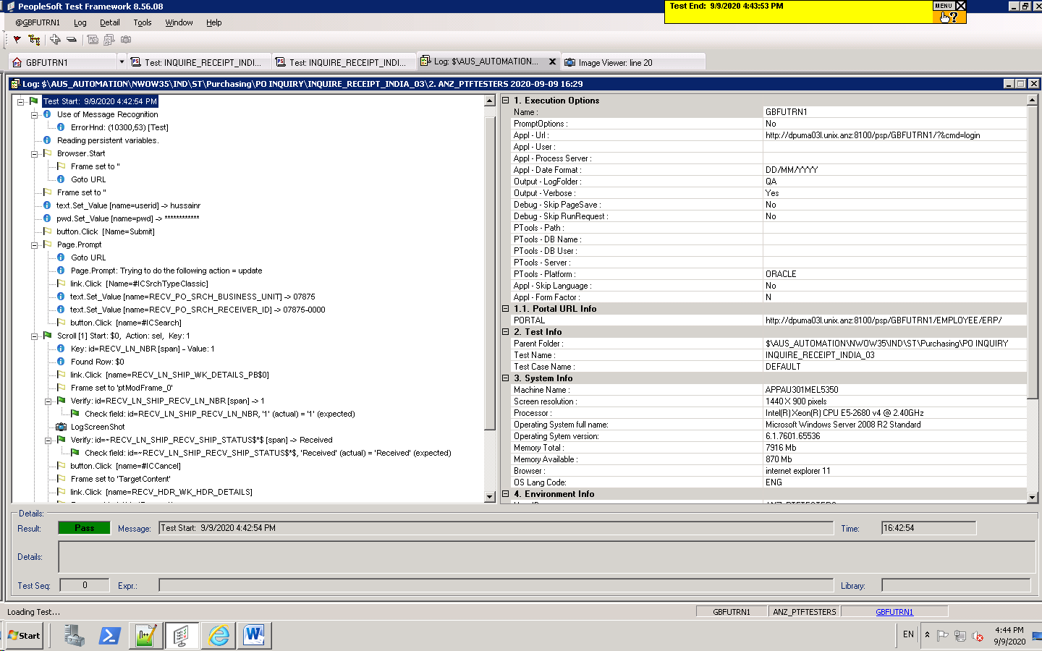

PO_EXPEDITIN_REPORT

