1. Title Page
[Project Name]

Project Name: INSTACART GROCERY BASKET ANALYSIS
Date: 3.08.23
Analyst Name: Frank Amo Boateng

Contents:
Population Flow
Consistency checks
Wrangling steps
Column derivations
Visualizations
Recommendations

Source Data
“The Instacart Online Grocery Shopping Dataset 2017”, Accessed from www.instacart.com/datasets/grocery-shopping-2017 via Kaggle on Jun 23, 2023.

2. Population Flow
 | Title page

Population flow

Exclusion flag
Condition: max_order < =5 ('low actitivy customer)
Obervations to be removed:
Final total count of order_products_all: 28547421

Orders_products_combined
Orders_products_merged
Orders_products_all

Total:32434212
Total:32434489
Total:
30657347

1.) The grey boxes in the first row of the population flow represent the original data sets as they were when you downloaded them. In the Total fields you need to add the count of the rows when you imported the data set into Jupyter.
2.) The second row of boxes (coloured) represents the data sets after you manipulated them, e.g., removed missing values and duplicates. In the Total fields you need to add the count of the rows after conducting these operations. This offers a visual oveview of how the data flows throughout the data consistency checks.
3.) The third row, where also the arrows are coloured, represents the merges you performed between the datasets. In the Total fields you need to add the count of the rows in the merged datasets, so that you end up with the final dataset (in the red box). Keep in mind the final dataset should be without exclusions (based on the exclusion flag).

3. Consistency checks
 |  |  |  | Title page
Consistency checks

Dataset | Missing values | Missing values treatment | Duplicates
orders | days since prior order column: 206209 | replaced with mean | no duplicates
products | product name (16) | removed entirely | 5 found and deleted
orders_products_prior | non ffound |  | non
customers | first name | 11259 no action taken | non

4. Wrangling steps
 |  |  |  | Title page
Wrangling steps

Columns dropped | Columns renamed | Columns' type changed | Comment/Reason
days since prior order | order_dow to order_days of the week | order_id | this is to make python consder it different during descriptive analysis because its an id
 |  | user_id | this is to make python consder it different during descriptive analysis because its an id
 |  | order_numnber | this is to make python consder it different during descriptive analysis because its an id

first name | renamed |  | PII removed, not necessary
last name |  |  | PII removed, not necessary

merged column dropped

5. Column derivations
 |  |  |  | Title page

Column derivations and aggregations

In this tab you should add tables below that the frequences of flags/label variables that you produced after deriving them. NB: don't do this for continuous variables, only for flags.
Dataset | New column | Column/s it was derived from | Conditions
ords_prods_merge | max_order | user_id & order_number | Maximum number of orders
ords_prods_merge | loyalty_flag | max_order | Max_order>40 = loyal customer max_order <=40 & >10 = regular customer max_order <=10 = new customer
ords_prods_merge | ave_spend | user_id & prices | mean of prices
ords_prods_merge | spending_flag | ave_spend | ave_spend<10=low spender ave_spend>=10=highe spender
ords_prods_merge | median_order | user_id & days_since_prior_order | median of frequency of ordering
ords_prods_merge | frequency_flag | median_order | median_order>20=non-frequent customer median_order<=20 & >10=regualr customer median_order <= 10 = frequent customer
df_all_high | cust_profile | age_group_loc & dep_group_loc | Younger age & Yes dependants
df_all_high | cust_profile | age_group_loc & dep_group_loc | Middle age & yes dependants
df_all_high | cust_profile | age_group_loc & dep_group_loc | Older age & yes dependants
df_all_high | cust_profile | age_group_loc & fam_status | Younger & Single
df_all_high | cust_profile | age_group_loc & fam_status | Middle age & Single
df_all_high | cust_profile | age_group_loc & fam_status | Older age & Single
df_all_high | dep_group_loc | dependants | yes or no depndants
df_all_high | income_group_loc | income | Low income middle income high income

6. Visualizations
 |  | Title page

Visualisations

In this tab you should include all the visualtions from Exercises 4.9 and 4.10, alongside the questions from the project brief that they answer. Include any commentary on the relationship between different variables.

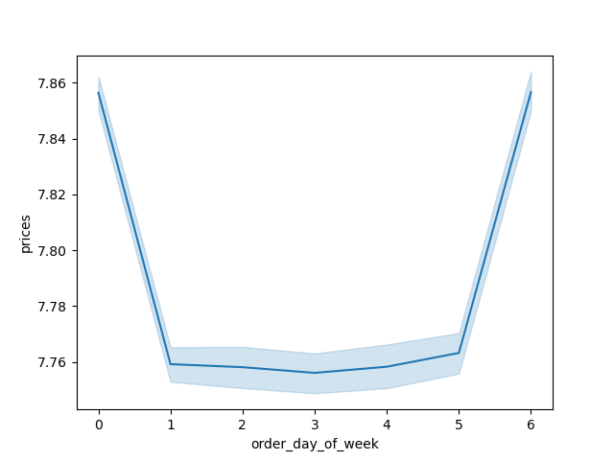
1. What ar the busiest days of the week?
Saturday and Sunday are the busiest days of the week, while Tuesday and Wednesday are the least busy. These prime days present excellent opportunities for the Sales team. Moreover, advertising targeted at promoting specific departments and increasing sales will likely attract the most customers during the peak activity on Saturday and Sunday. It's noteworthy that not only do more orders get placed on Saturday, but customers also tend to spend more on that day. However, it's interesting to observe that despite being the third most frequent day for placing orders, Friday outperforms Sundays in terms of total spend.
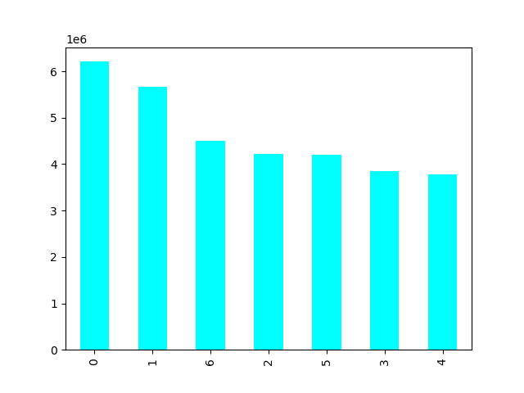
Orders Placed by Day of Week
Prices Spent by Day of Week

Legend
0 - Saturday
1 - Sunday
2 - Monday
3- Tuesday
4 -Wednesday
5 - Thursday
6 - Friday

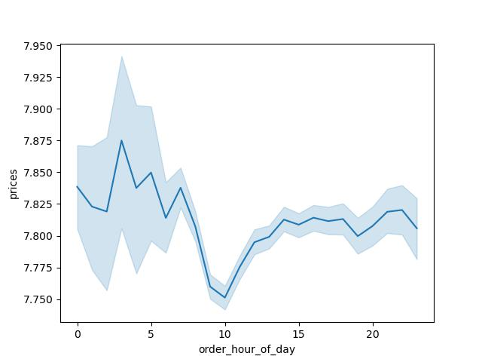

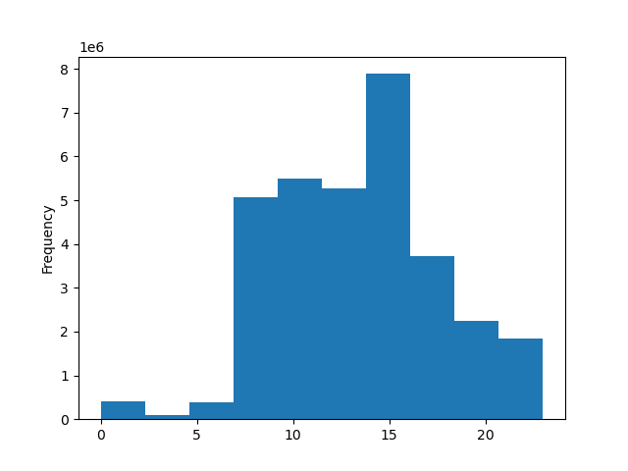
Orders Placed by time of day
Amount Spent by Time of Day
2. are there partucular times of the day when people spend the most money?
A significant surge in customer orders occurs during the hours between 2 pm and 3 pm, presenting an opportune time for the Sales team to run targeted advertisements for specific products. These advertisements can either boost sales of those particular items or continue promoting the already popular ones. Intriguingly, customers tend to purchase higher-priced items during the earliest hours of the day, including midnight and the period between 2 am and 6 am
Legend
0 - 12am | 12 - 12 pm
1- 1am | 13 - 1pm
2 - 2am | 14 - 2pm
3 - 3am | 15 - 3pm
4 - 4am | 16 - 4pm
5 - 5am | 17 - 5pm
6 - 6am | 18 - 6pm
7 - 7am | 19 - 7pm
8 - 8am | 20 - 8pm
9 - 9am | 21-9pm
10 - 10am | 22 - 10 pm

1. Instacart has a lot of products with different price tags. can we use simpler price range grouping to help direct our efforts?
Customers tend to prefer goods priced below $15, as sales significantly drop off once the price exceeds this threshold. This suggests that there might be higher-priced products that could be removed from the offerings without negatively impacting overall sales.
11 - 11am | 23 - 11pm
Frequency of price points

Q: Are there certain types of products that are more popular than others?
Produce is the top-selling category, closely followed by dairy and eggs. Promoting these items on less busy sales days or during specific hours of the day could potentially increase their usage during those times, preventing the system from becoming overloaded.

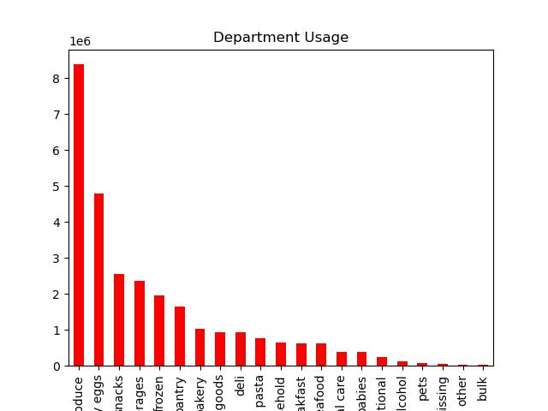

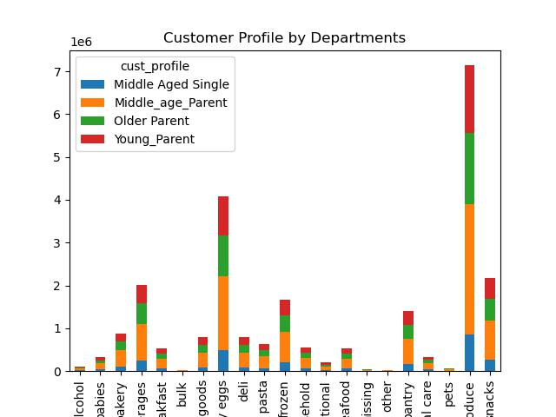


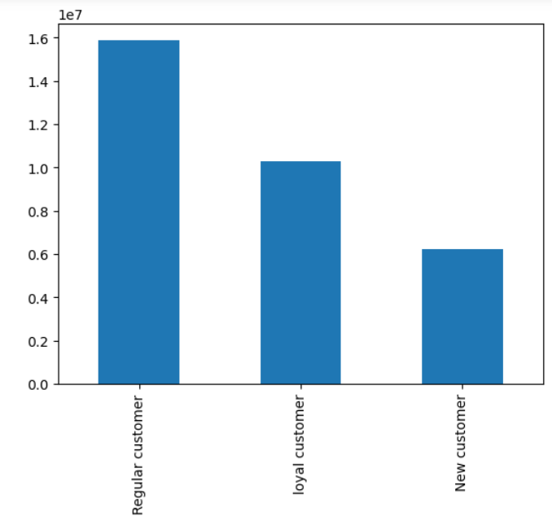

Loyalty flag

What's the distribution among users in regards to their brand loyalty?
A: Customers who have made over 40 orders are classified as loyal customers, and there are a staggering 10,284,093 of them. Regular customers, making up the largest portion of the customer base, have placed between 10 and 40 orders, totaling 15,876,776 regulars. Meanwhile, there are 6,243,990 new customers who have made fewer than 10 orders.

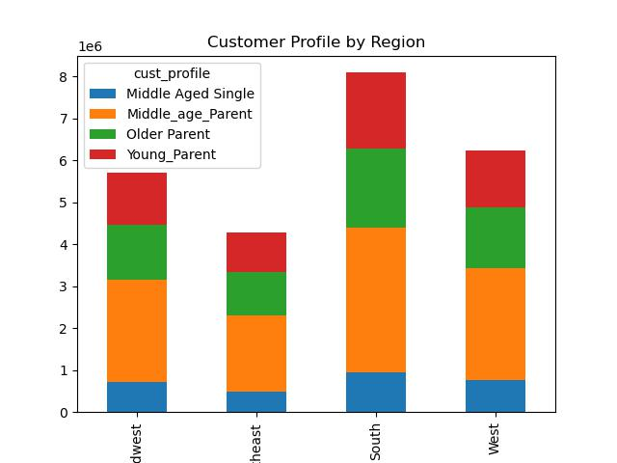

Q: Are there differences in ordering habits based on a customer's region?
AThe majority of our customers are based in the South, encompassing states such as Delaware, Maryland, District of Columbia, Virginia, West Virginia, North Carolina, South Carolina, Georgia, Florida, Kentucky, Tennessee, Mississippi, Alabama, Oklahoma, Texas, Arkansas, and Louisiana. This region mainly comprises middle-aged parents as its primary demographic.
Analyzing the spending patterns of various regions, we observe that the South region favors certain departments. Our most popular department, produce, is a top choice for the South. Additionally, the South region shows significant sales in the dairy-eggs and beverages departments.

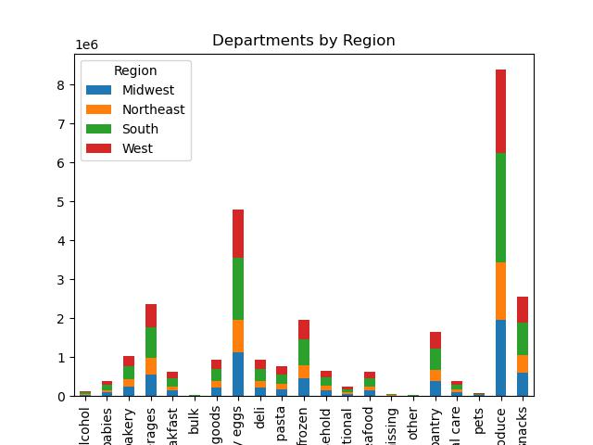

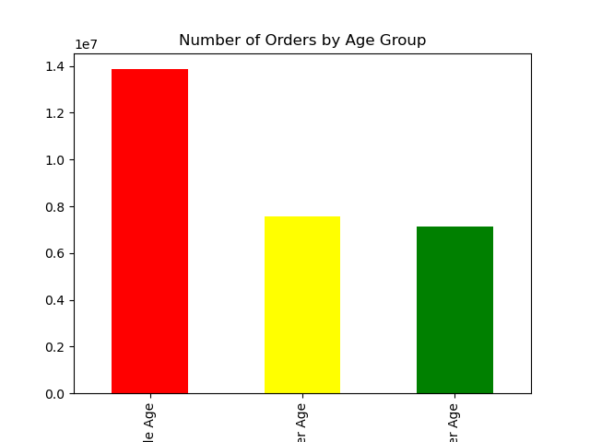

What different classifications/ordering habits are suggested by customer age?
ACustomers falling within the age range of 34 to 64 are considered middle-aged. This demographic represents the highest number of orders among all age groups. Interestingly, our older age population (65+) and younger customers (18-33) show a comparable level of order frequency.

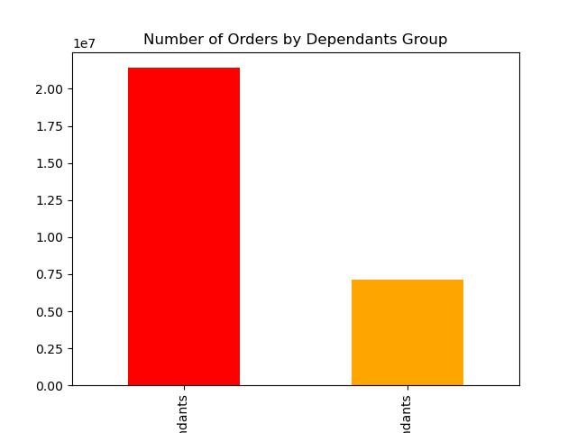

Q: Is there a connection between family status and ordering habits?
A: A significant portion of our customers have dependents. Notably, divorced/widowed or single customers do not have any dependents. In contrast, customers who are married or living with their parents and siblings have between 1 and 3 dependents.

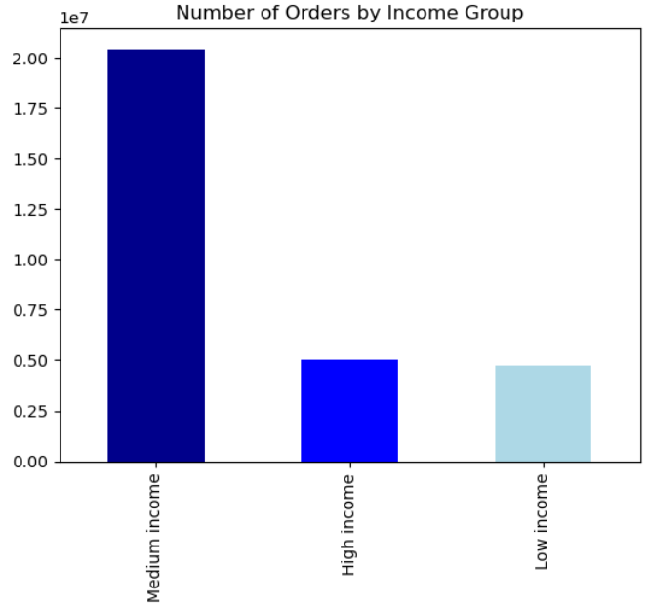

Is there a connection between income status and ordering habits?
A: Most of our customers fall into the middle-income category, which means they have an annual income ranging from $56,587 to $142,953. Customers with an income exceeding $142,953 are considered high-income, while those earning less than or equal to $56,587 are classified as low-income. Interestingly, both high-income and low-income customers show a similar number of orders.

7. Recommendations
 |  |  | Title page

Recommendations

In this tab you should include any recommendations you would made to Instcart in terms of their marketing strategy based on the questions posed in the brief. Every key question has been covered in the Tasks of the Exercises - here you need to add an item - a visualisation or table/crosstable that is showing the answer in the data, acompanied by a comment from you. Please, list the questions below and add the answer underneath.

Question
The sales team needs to know what the busiest days of the week and hours of the day are (i.e., the days and times with the most orders) in order to schedule ads at times when there are fewer
answer
Saturday and Sunday are the most bustling days of the week, while Tuesday and Wednesday experience the least activity. As a result, these slower days offer great opportunities for the Sales team to plan. On the busiest days, Saturday and Sunday, targeted ads for department promotions and sales boosts are likely to attract the most customers. Interestingly, not only do more orders get placed on Saturdays, but customers also tend to spend more on that day. However, despite Sundays being the third most frequent day for placing orders, Friday surpasses it in terms of total spend.

Prices Spent by Day of Week
Orders Placed by Day of Week

Question 2
They also want to know whether there are particular times of the day when people spend the most money, as this might inform the type of products they advertise at these times.
A significant number of orders are placed by customers during the 2 pm - 3 pm hours, making this time frame highly favorable for the Sales team to advertise targeted products. Such promotions can effectively boost sales of specific items or maintain the promotion of popular products.
Interestingly, in the earliest hours of the day, particularly around midnight and between 2 am and 6 am, customers tend to purchase higher-priced items.

Amount Spent by Time of Day

Amount Spent by Time of Day
 | Legend
 | 0 - 12am | 12 - 12 pm
 | 1- 1am | 13 - 1pm
 | 2 - 2am | 14 - 2pm
 | 3 - 3am | 15 - 3pm
 | 4 - 4am | 16 - 4pm
 | 5 - 5am | 17 - 5pm
 | 6 - 6am | 18 - 6pm
 | 7 - 7am | 19 - 7pm
 | 8 - 8am | 20 - 8pm
 | 9 - 9am | 21-9pm
 | 10 - 10am | 22 - 10 pm
 | 11 - 11am | 23 - 11pm

Question 3
Instacart has a lot of products with different price tags. Marketing sales want to use simpler price range groupings to help direct their efforts

answer
Sales of high-priced items (exceeding $15) are insignificant, indicating that it might be wise to discontinue these products and instead concentrate sales efforts on items priced below $15.

question 4
are there cetain types of products that are more popular than others? The marketting and sales teams want to know which departmentes have the highest frequency of products orders

Produce is the top-selling category, closely followed by dairy-eggs. Running promotions for these items on less frequent sales days or during specific hours could potentially boost usage at those times, preventing the system from becoming overloaded. To achieve this, consider introducing flash sales for produce and dairy on Monday to Thursday and during hours of the day with lower sales activity. For targeting purposes, focus on middle-aged parents, as they are the highest purchasers in both categories.

question 5
the martketting and sales teams are particular intersted in the different types of customers in their system and how their ordering behaviors differ

When examining different regions, it becomes evident that the South has the highest total number of customers, including both high and low spenders. In all regions, middle-aged parents constitute the majority of the customer base, indicating that targeting this demographic would yield the most significant return on investment.

