index-ultrae


About UltraE | https://www.ultraehp.com/en/aboutUs.html

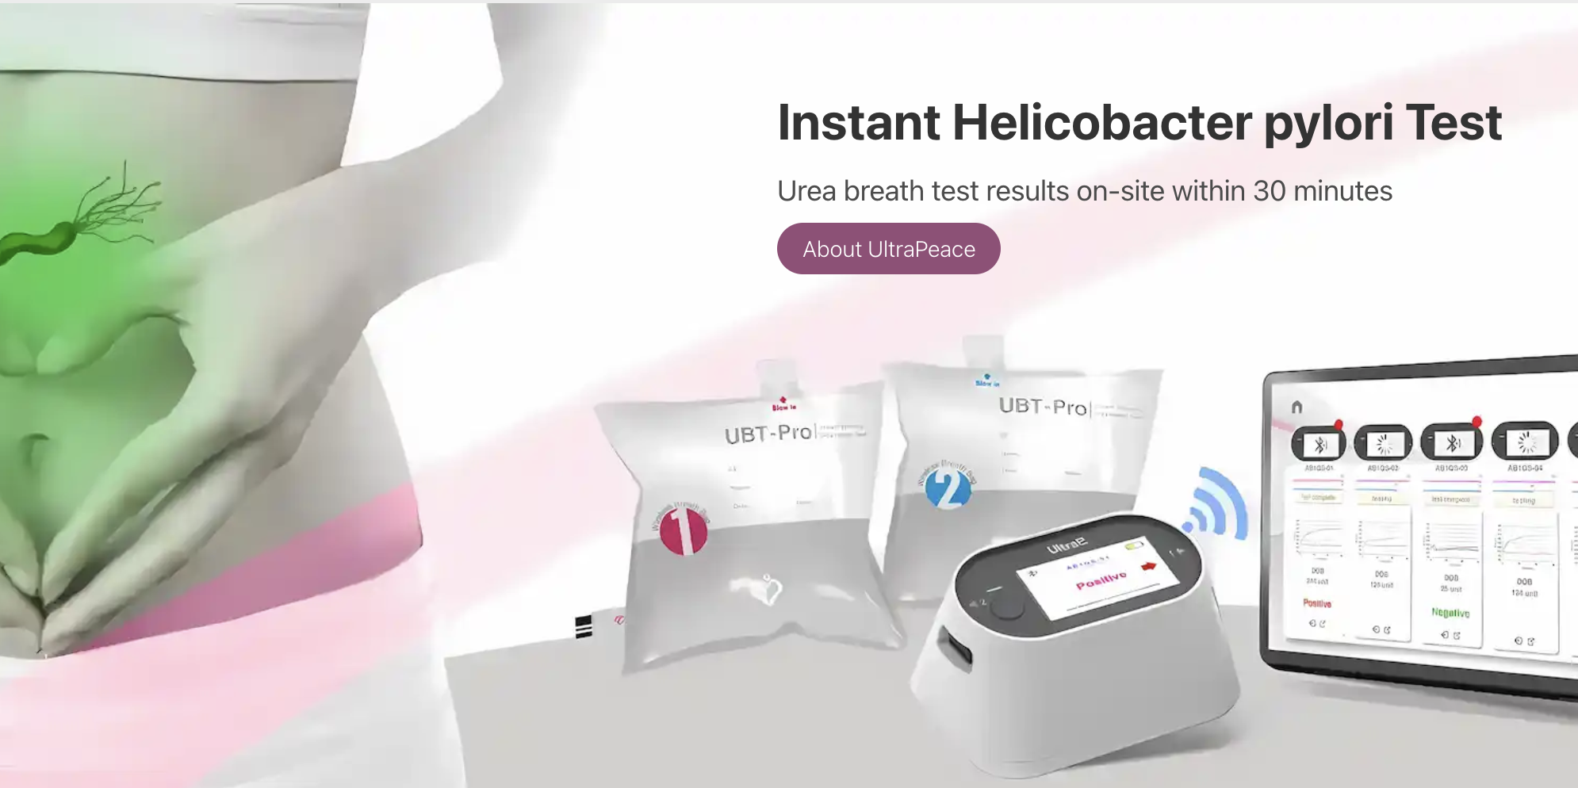

About UltraPeace | https://www.ultraehp.com/ultrapeace/en

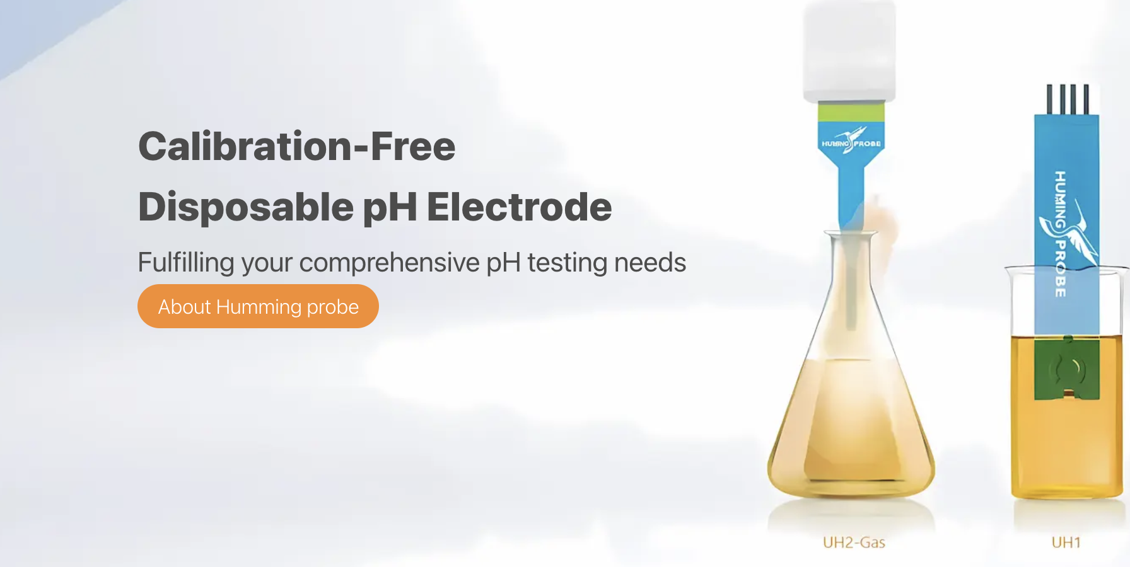

About hummingprobe | https://www.ultraehp.com/en/aboutUs.html



Come chat with us | https://www.ultraehp.com/en/Contactus.html

UH1
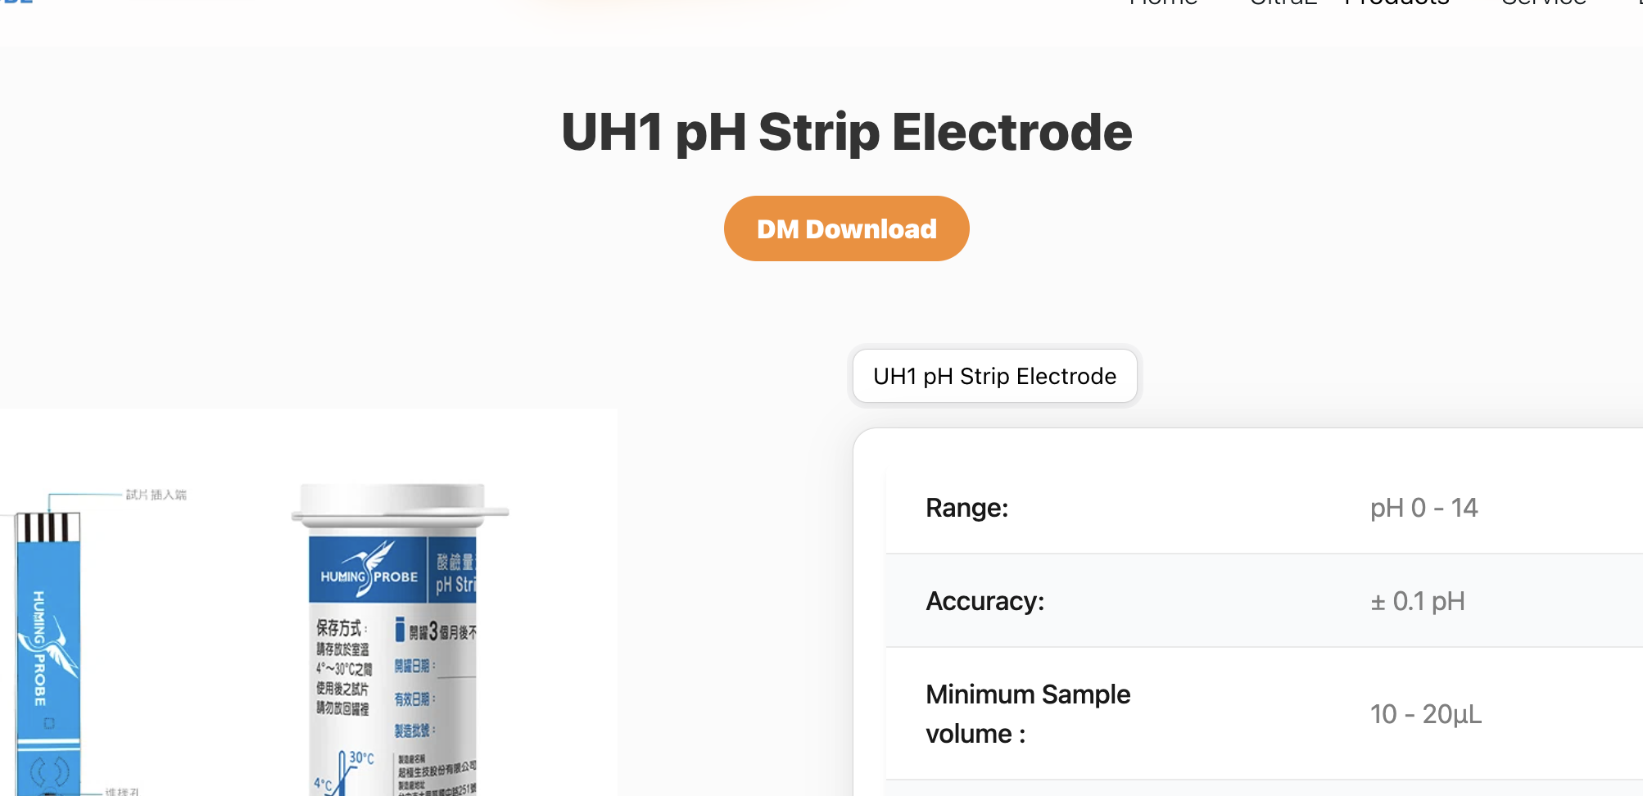

Dm Download | https://www.ultraehp.com/images/DM/UH2-GAS單張DM-v1-OUT.jpeg

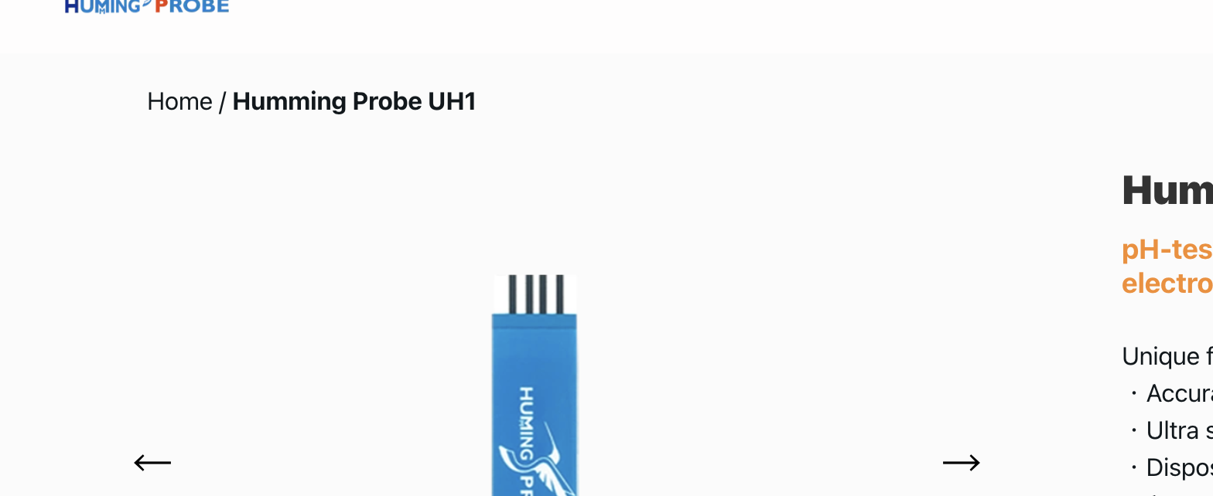

Navgation-Home | https://www.ultraehp.com/en
Navgation-UH1 | https://www.ultraehp.com/hummingprobe/en/UH1.html

UH2
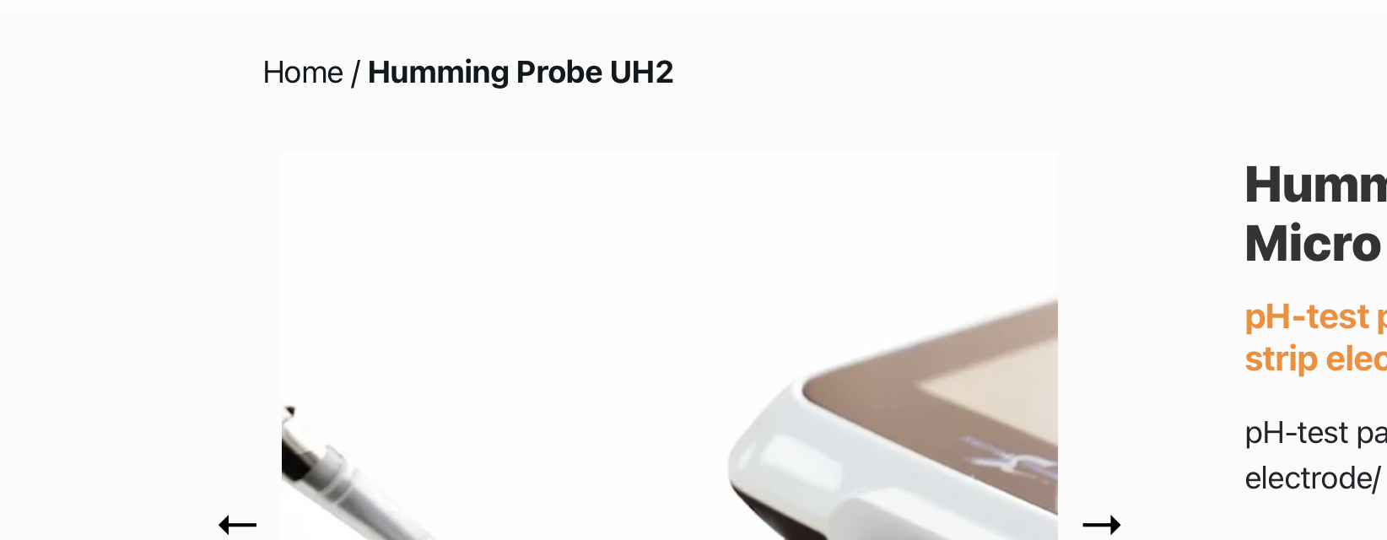

Navgation-Home | https://www.ultraehp.com/en
Navgation-UH2 | https://www.ultraehp.com/hummingprobe/en/UH2.html

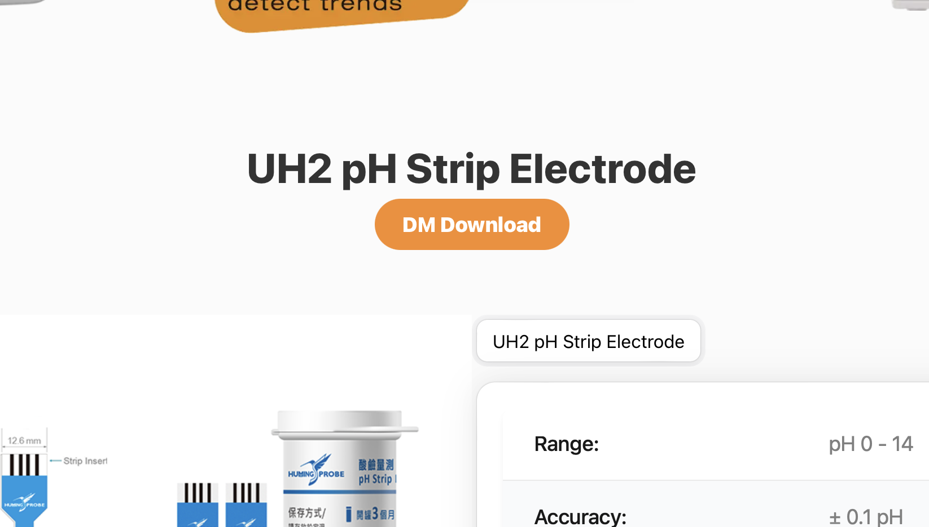

Dm Download | https://www.ultraehp.com/images/DM/UH2-GAS單張DM-v1-OUT.jpeg

UH2-GAS
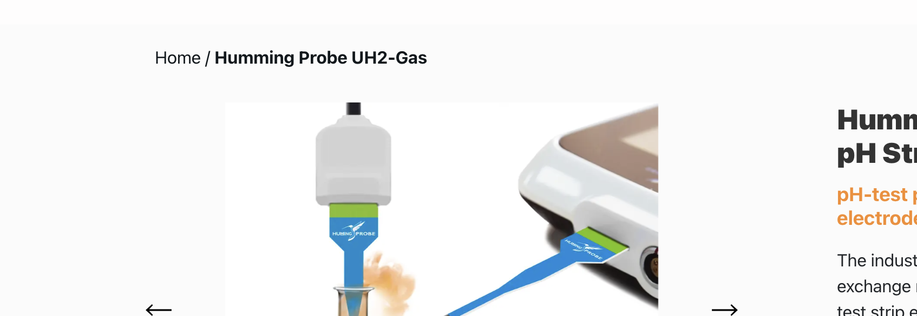

Navgation-Home | https://www.ultraehp.com/en
Navgation-UH2GAS | https://www.ultraehp.com/hummingprobe/en/UH2-GAS.html
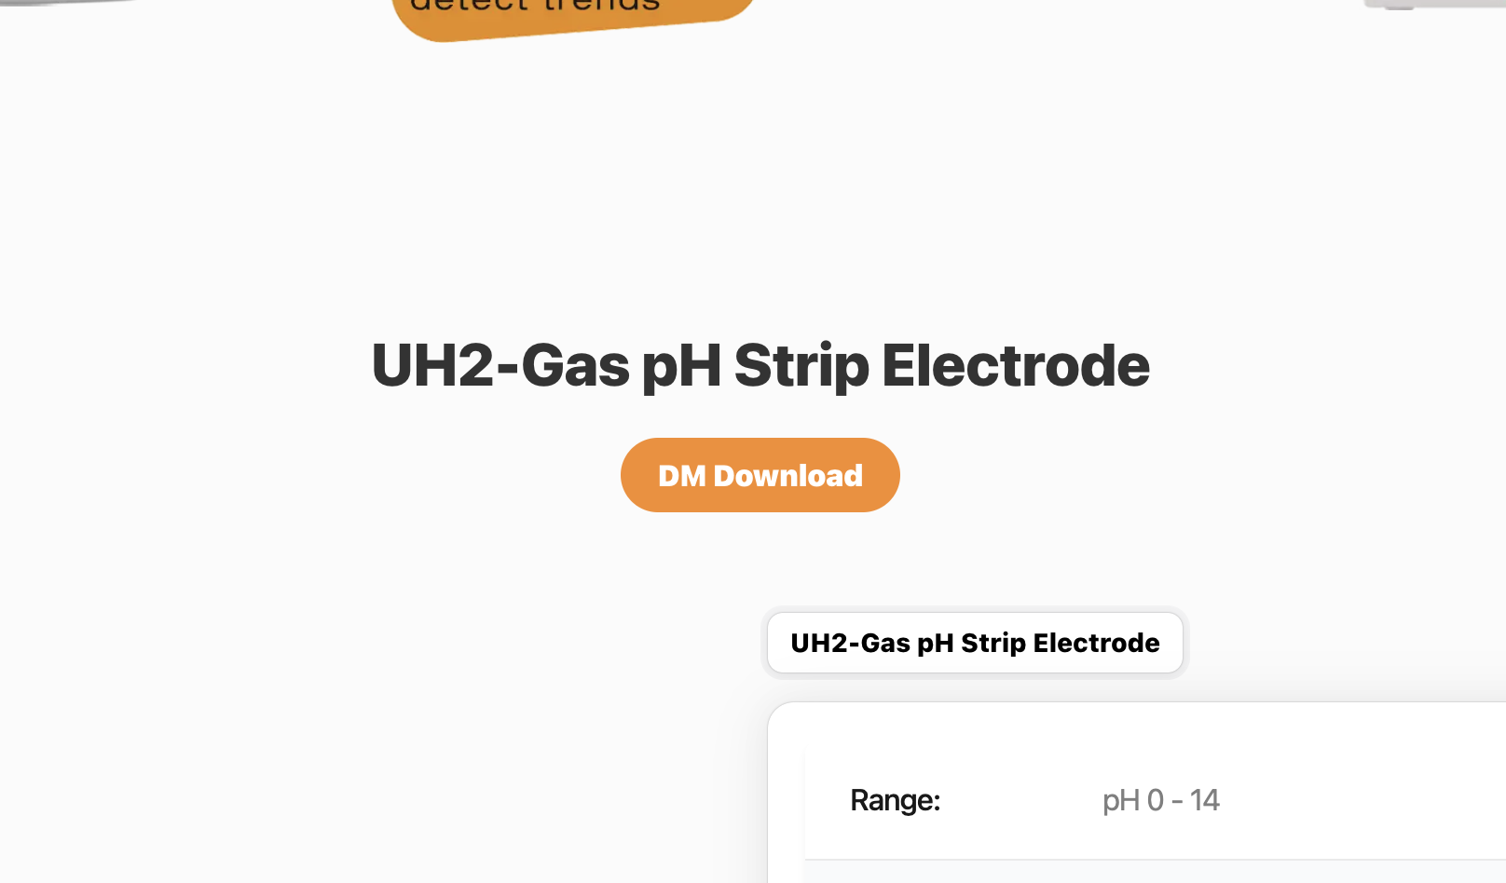

Dm Download | https://www.ultraehp.com/images/DM/UH2-GAS單張DM-v1-OUT.jpeg

ArticleList
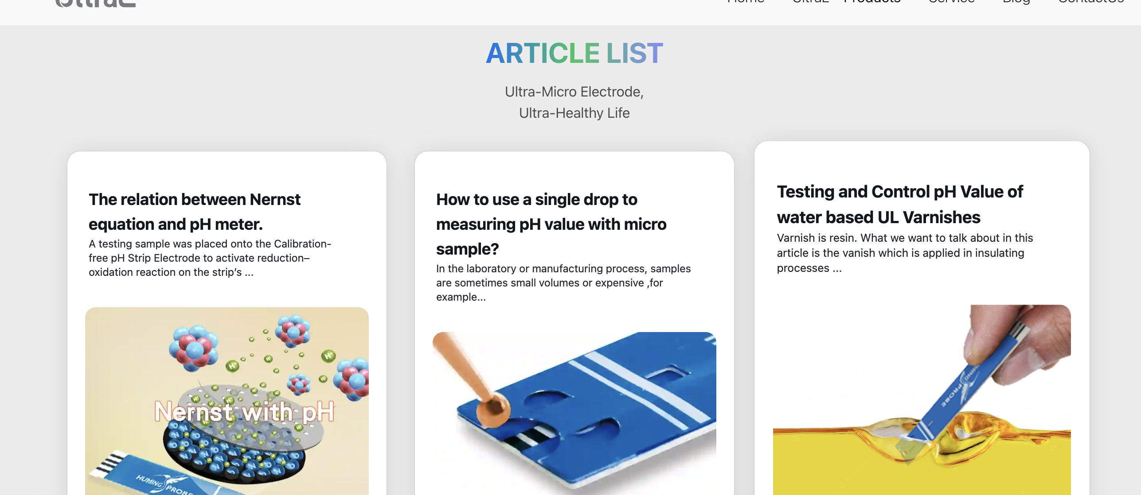

Testing and Control pH Value of water based UL Varnishes | https://www.ultraehp.com/en/Article05.html
How to use a single drop to measuring pH value with micro sample? | https://www.ultraehp.com/enArticle02.html
Nernst equation | https://www.ultraehp.com/en/Article04.html
You don’t need to calibarate your pH meter any more after you read this article | https://www.ultraehp.com/enArticle03.html

Article02.html
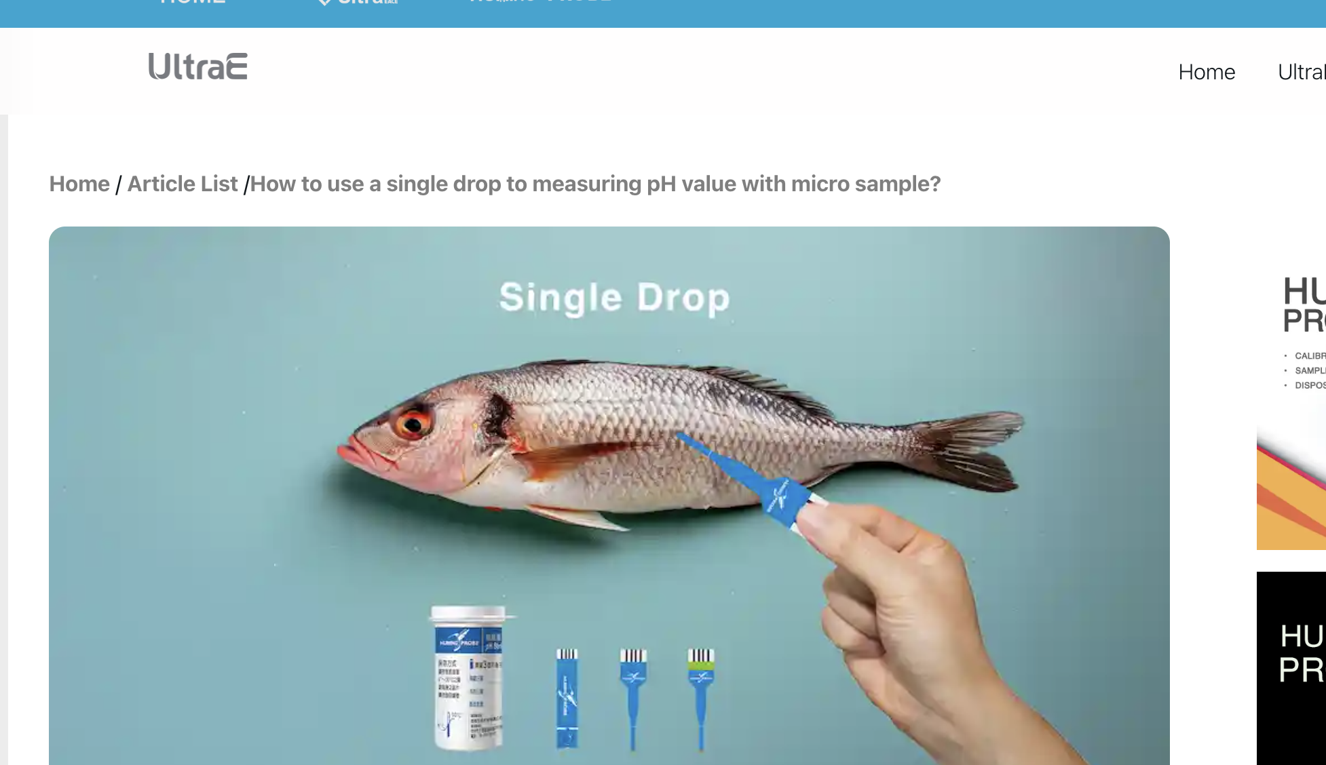

Navgation-Home | https://www.ultraehp.com/en
Navgation-ArticleList | https://www.ultraehp.com/en/ArticleList.html
Navgation-/How to use a single drop to measuring pH value with micro sample? | https://www.ultraehp.com/en/Article02.html

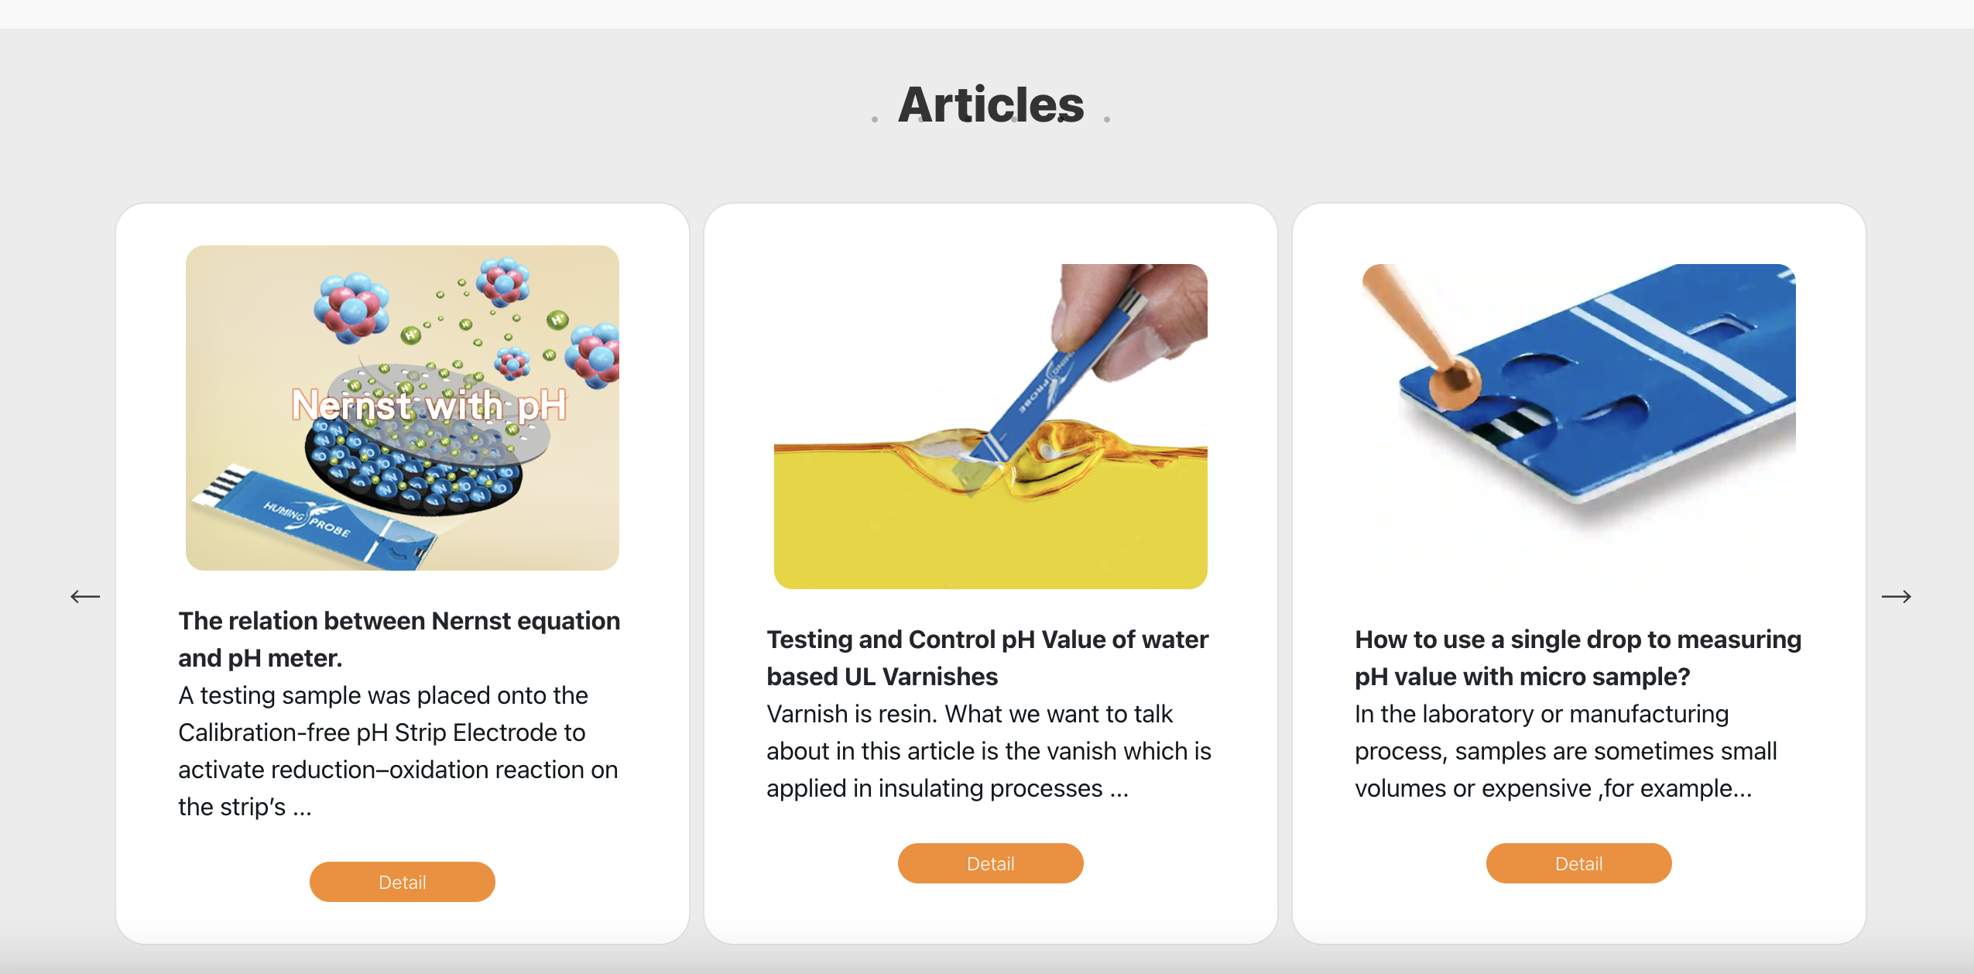

Testing and Control pH Value of water based UL Varnishes | https://www.ultraehp.com/en/Article05.html
How to use a single drop to measuring pH value with micro sample? | https://www.ultraehp.com/en/Article02.html
Nernst equation | https://www.ultraehp.com/en/Article04.html
/You don’t need to calibarate your pH meter any more after you read this article | https://www.ultraehp.com/en/Article03.html

Article03.html
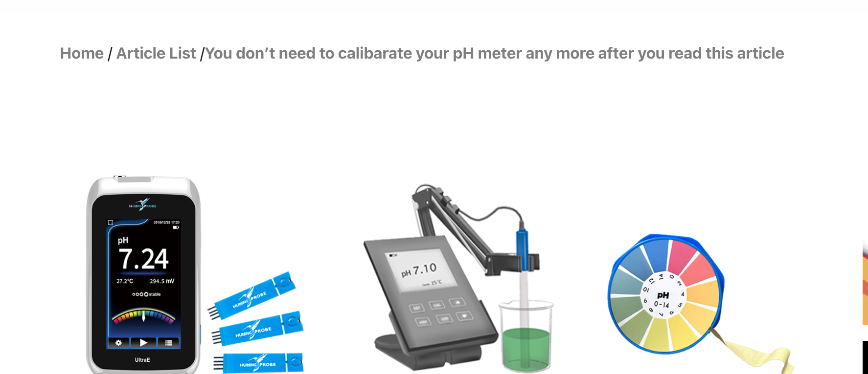

Navgation-Home | https://www.ultraehp.com/en
Navgation-ArticleList | https://www.ultraehp.com/en/ArticleList.html
Navgation-/You don’t need to calibarate your pH meter any more after you read this article | https://www.ultraehp.com/en/Article03.html

Testing and Control pH Value of water based UL Varnishes | https://www.ultraehp.com/en/Article05.html
How to use a single drop to measuring pH value with micro sample? | https://www.ultraehp.com/en/Article02.html
Nernst equation | https://www.ultraehp.com/en/Article04.html
/You don’t need to calibarate your pH meter any more after you read this article | https://www.ultraehp.com/en/Article03.html

Article04
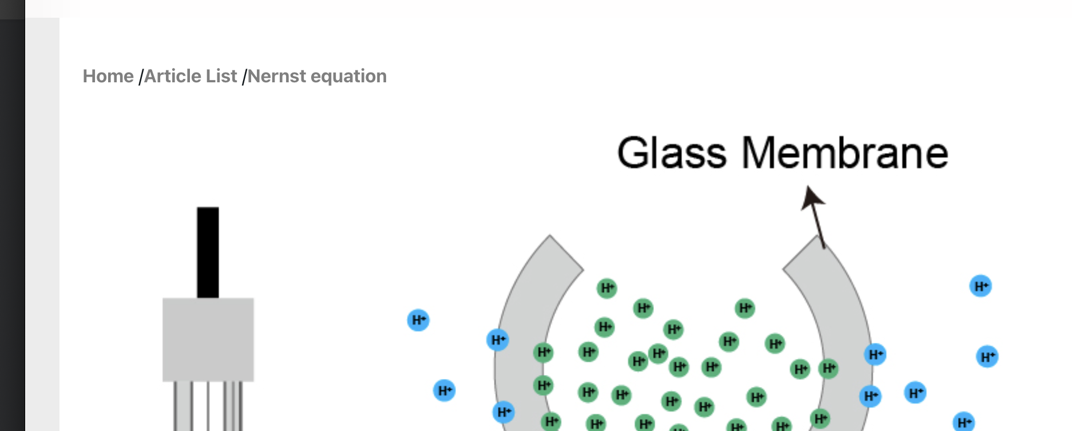

Navgation-Home | https://www.ultraehp.com/en
Navgation-ArticleList | https://www.ultraehp.com/en/ArticleList.html
Navgation-Nernst equation | https://www.ultraehp.com/en/Article04.html

Testing and Control pH Value of water based UL Varnishes | https://www.ultraehp.com/en/Article05.html
How to use a single drop to measuring pH value with micro sample? | https://www.ultraehp.com/en/Article02.html
Nernst equation | https://www.ultraehp.com/en/Article04.html
/You don’t need to calibarate your pH meter any more after you read this article | https://www.ultraehp.com/en/Article03.html

Article05
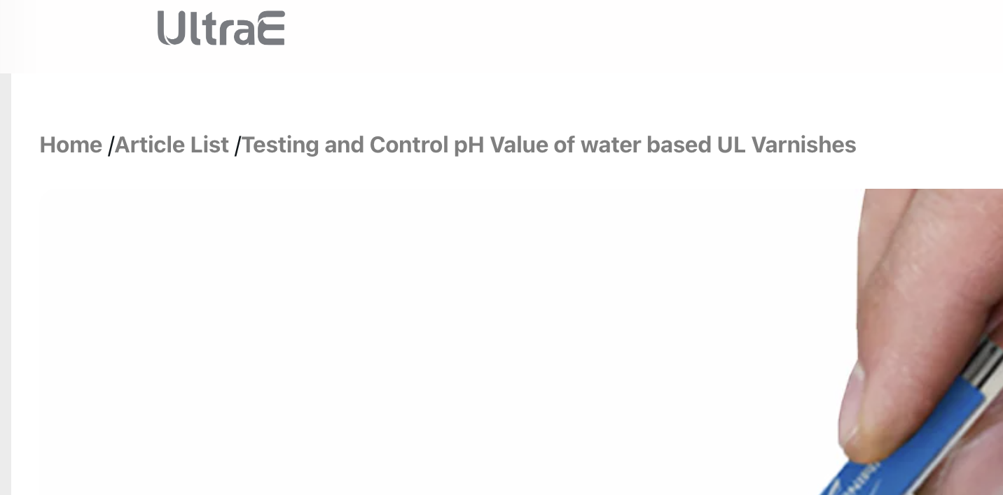

Navgation-Home | https://www.ultraehp.com/en
Navgation-ArticleList | https://www.ultraehp.com/en/ArticleList.html
Navgation-Testing and Control pH Value of water based UL Varnishes | https://www.ultraehp.com/en/Article05.html

Testing and Control pH Value of water based UL Varnishes | https://www.ultraehp.com/en/Article05.html
How to use a single drop to measuring pH value with micro sample? | https://www.ultraehp.com/en/Article02.html
Nernst equation | https://www.ultraehp.com/en/Article04.html
/You don’t need to calibarate your pH meter any more after you read this article | https://www.ultraehp.com/en/Article03.html

contactus
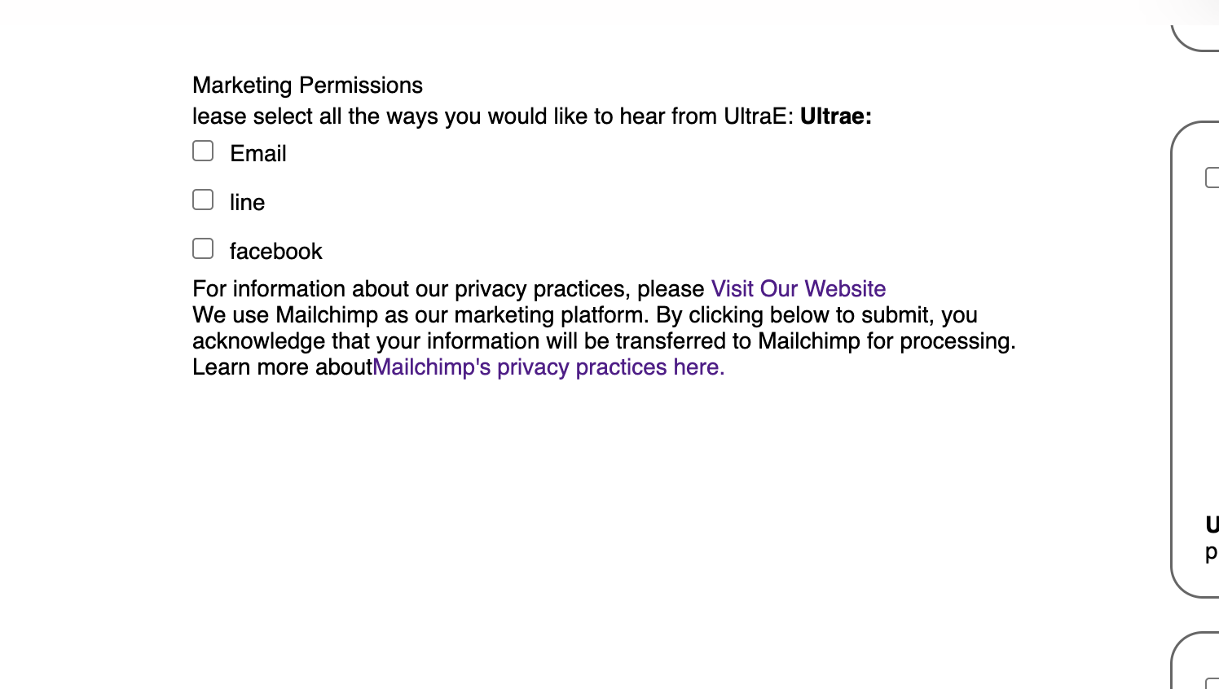

Visit Our Website | https://www.ultraehp.com/en/Policy.html

ultrapeace
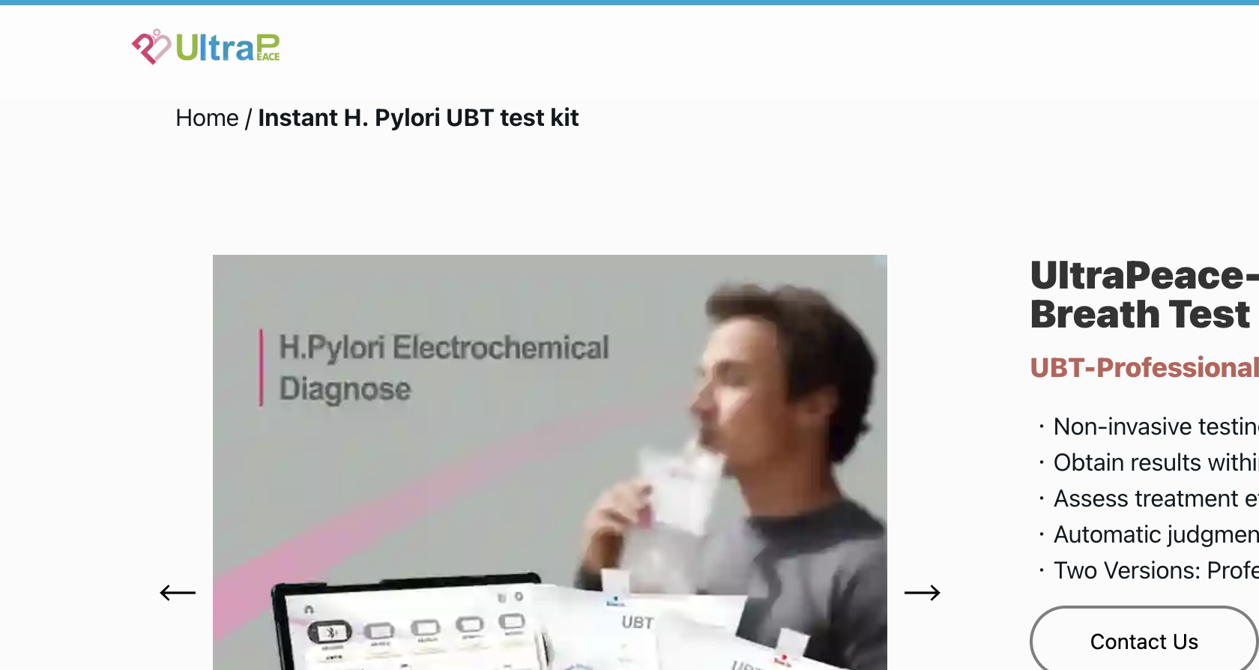
f

Navgation-Home | https://www.ultraehp.com/en
Navgation-UltraP | https://www.ultraehp.com/ultrapeace/en

hummingprobe
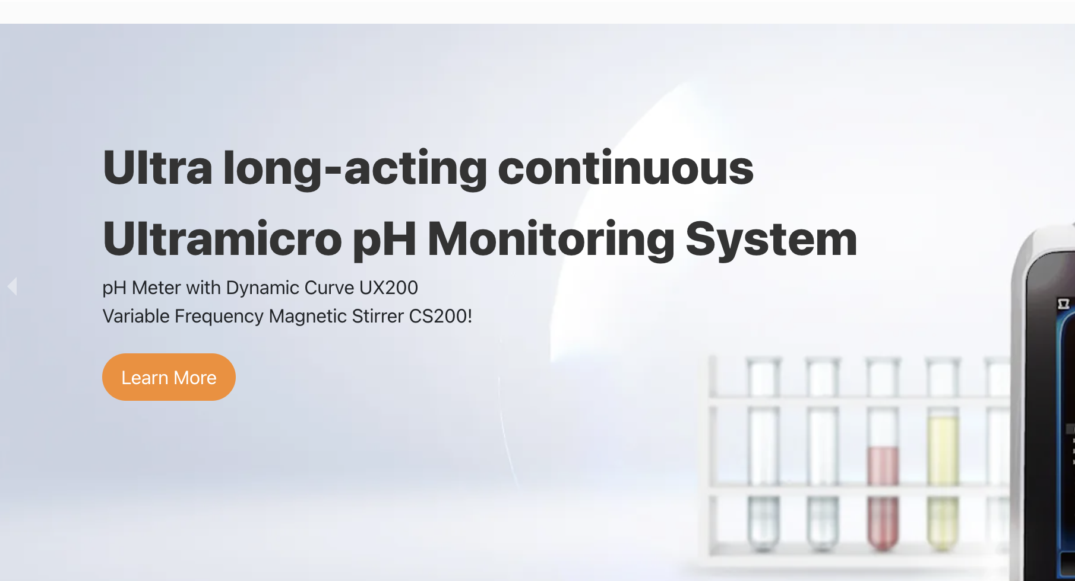
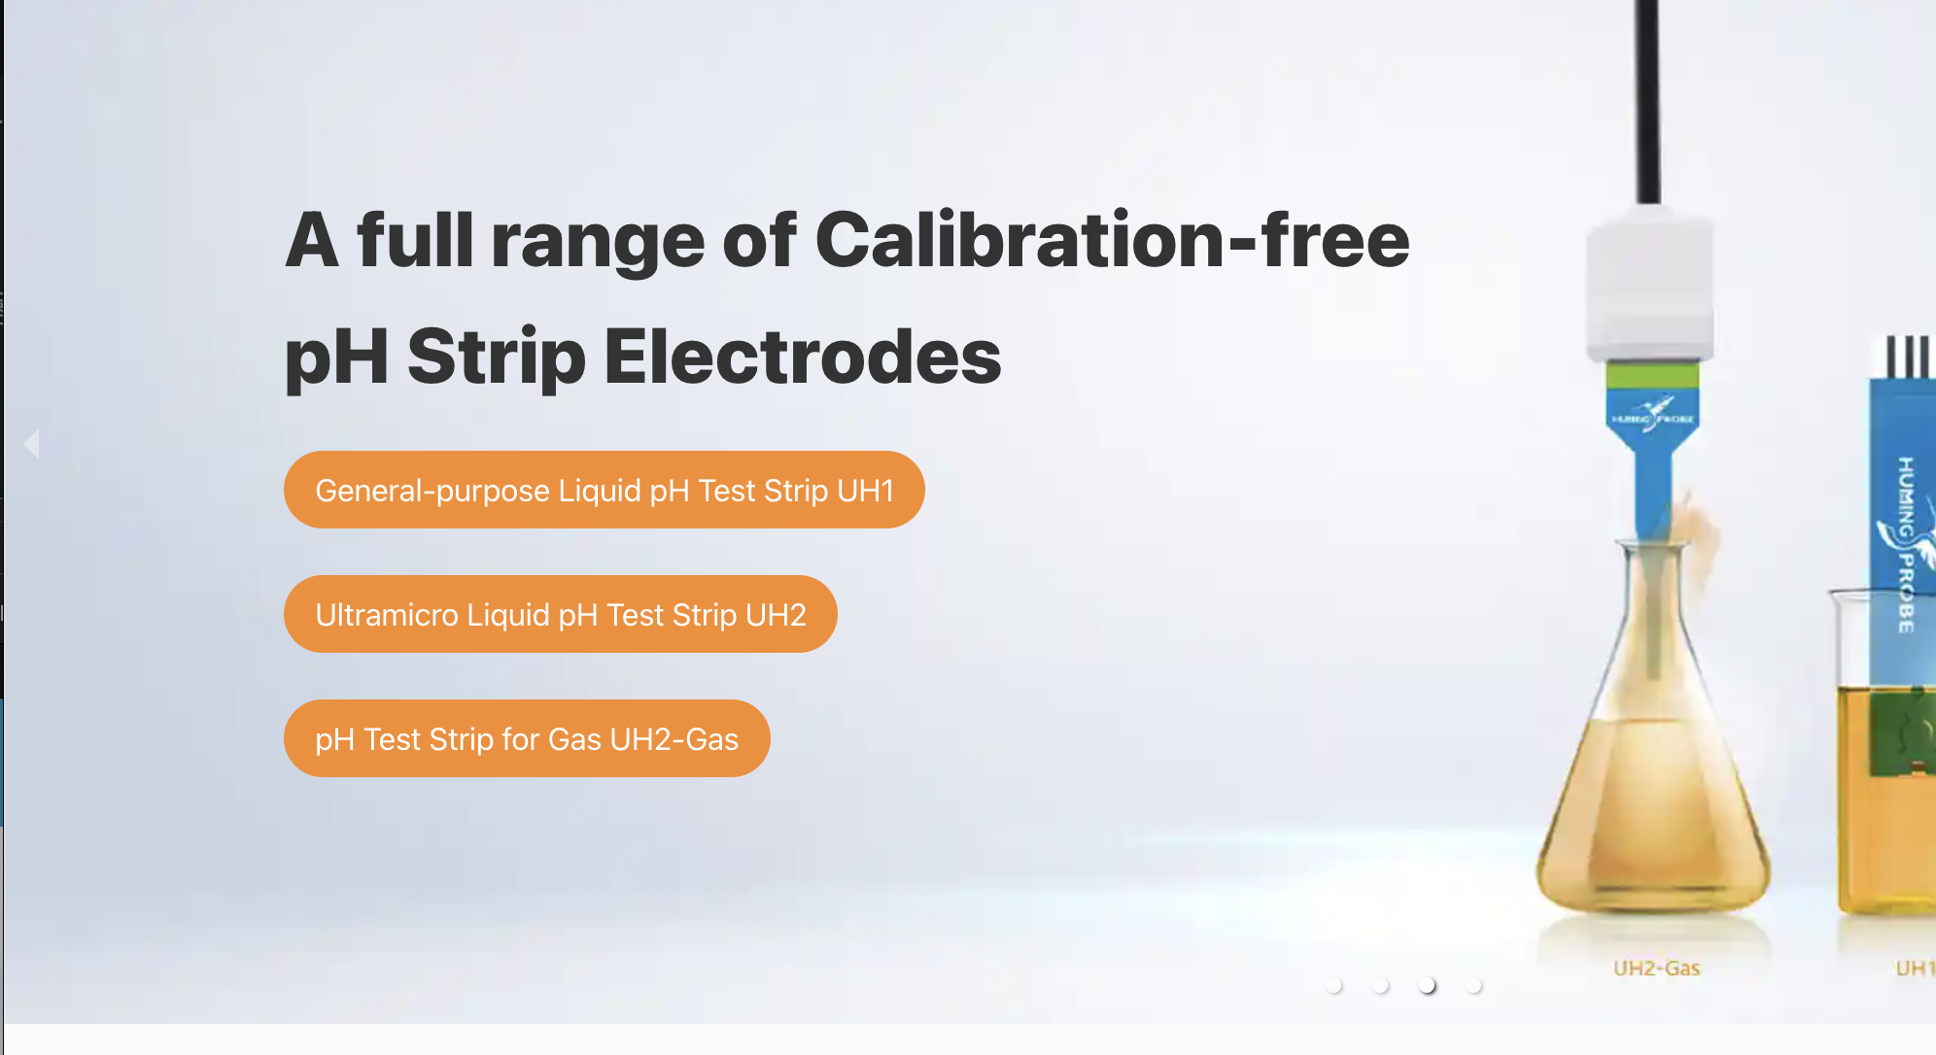

Learn More | https://www.ultraehp.com/hummingprobe/ne/CS200.html
UH1 | https://www.ultraehp.com/hummingprobe/en/UH1.html
UH2 | https://www.ultraehp.com/hummingprobe/en/UH2.html
UH2-GAS | https://www.ultraehp.com/hummingprobe/en/UH2-GAS.html



Contact Us | https://www.ultraehp.com/en/ContactUs.html

UX100
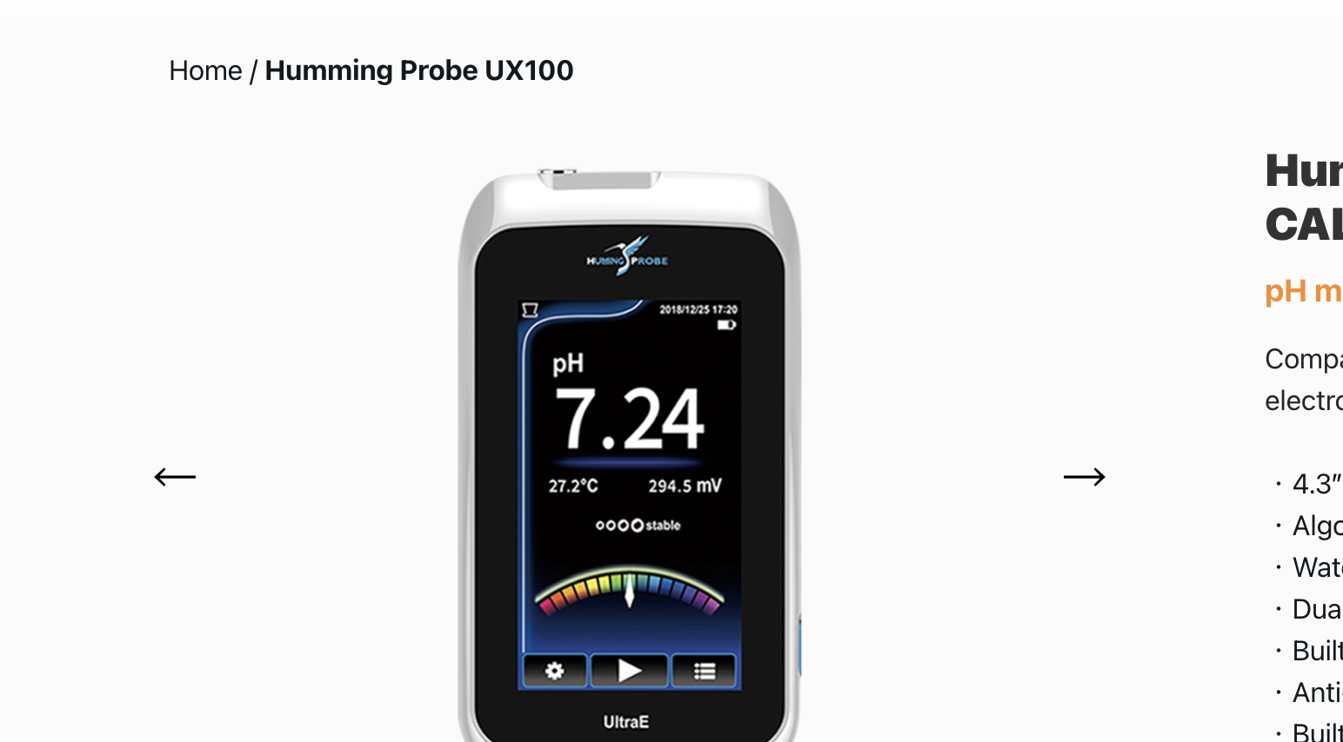
g

Navgation-Home | https://www.ultraehp.com/en/
Navgation-UX100 | https://www.ultraehp.com/hummingprobe/en/UX100.html
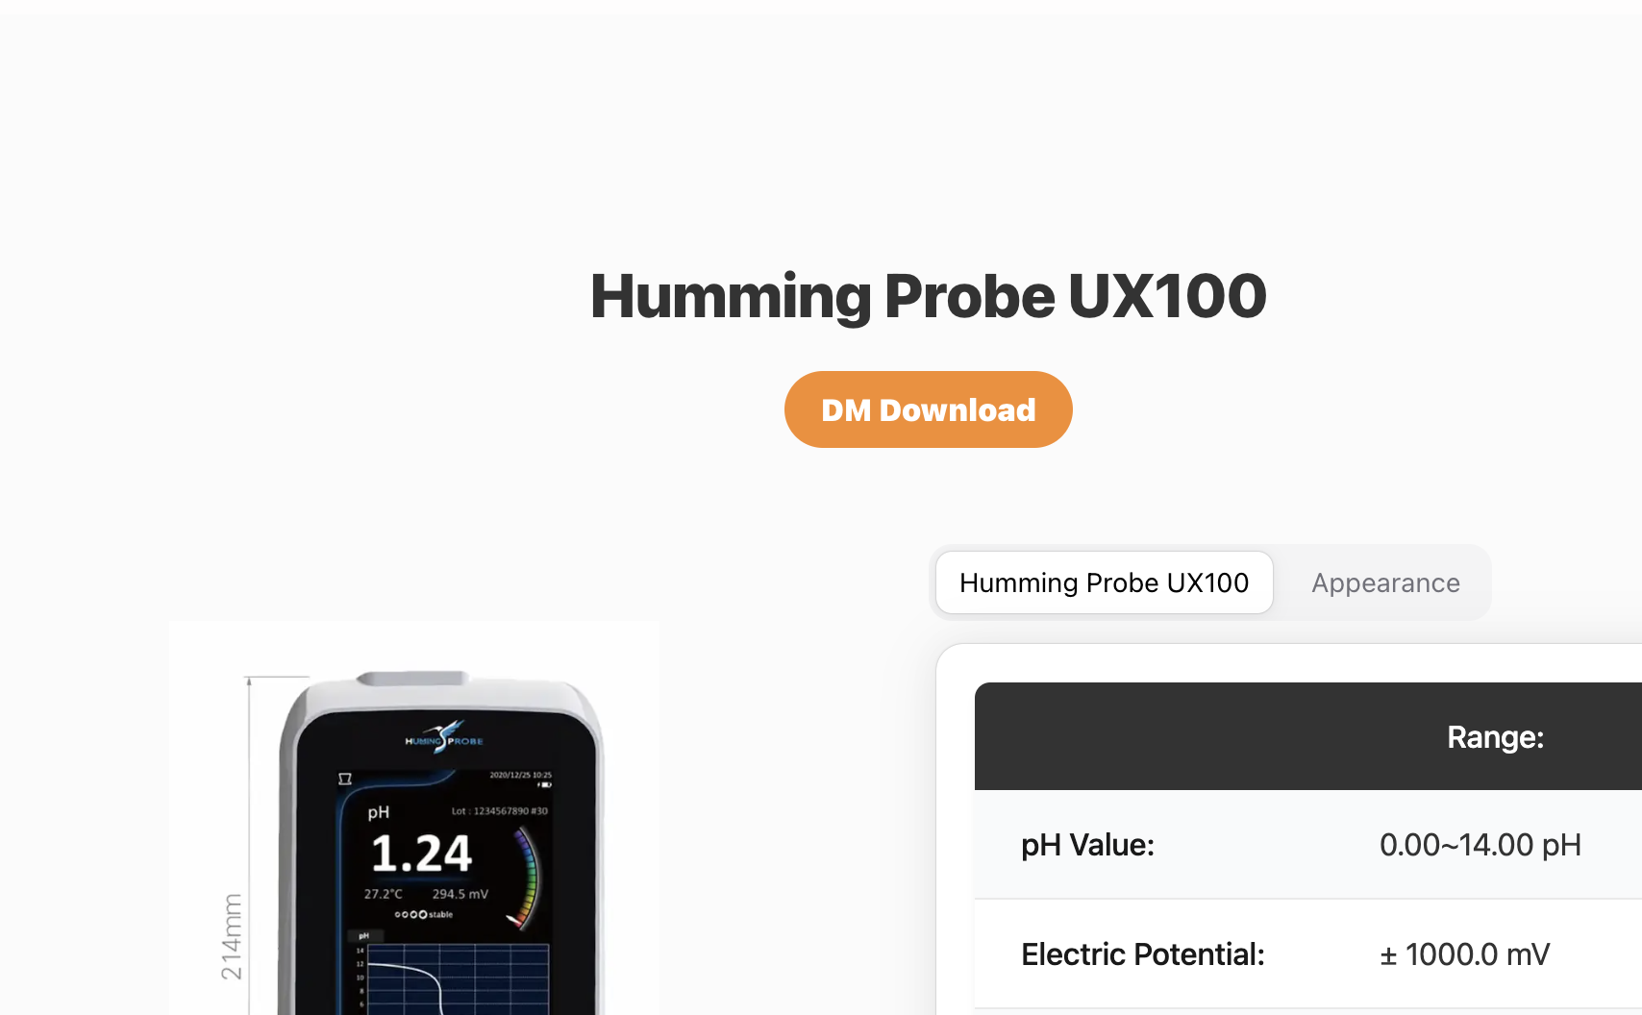

Dm 下載 | https://www.ultraehp.com/images/DM/UH2-GAS單張DM-v1-OUT.jpeg

UX200
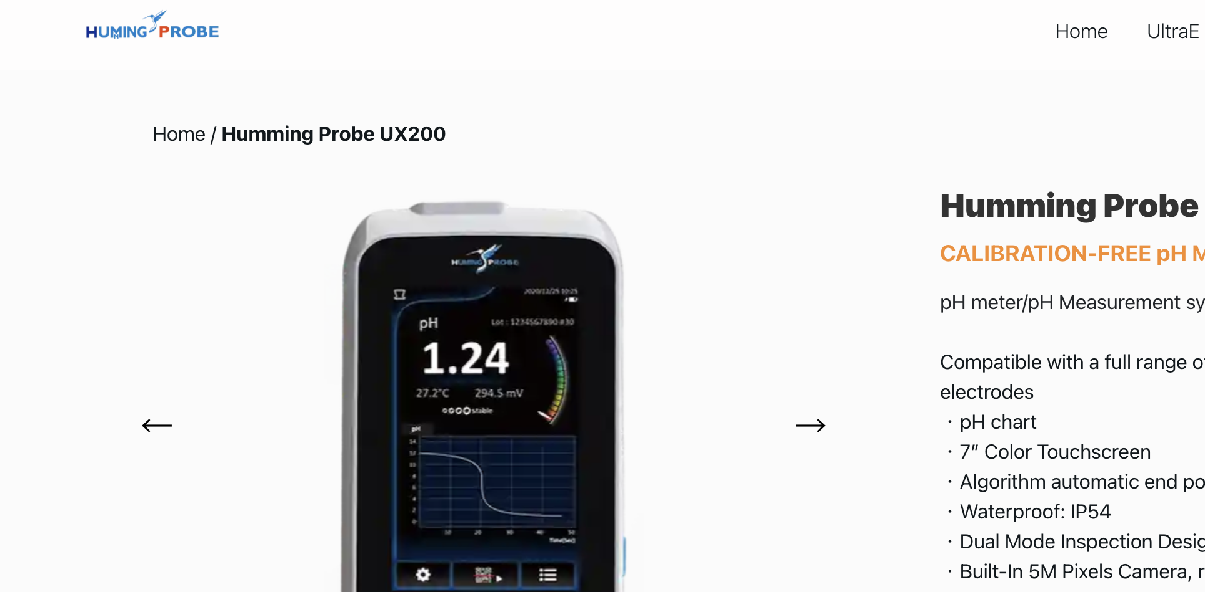

Navgation-Home | https://www.ultraehp.com/en
Navgation-UX200 | https://www.ultraehp.com/hummingprobe/en/UX200.html
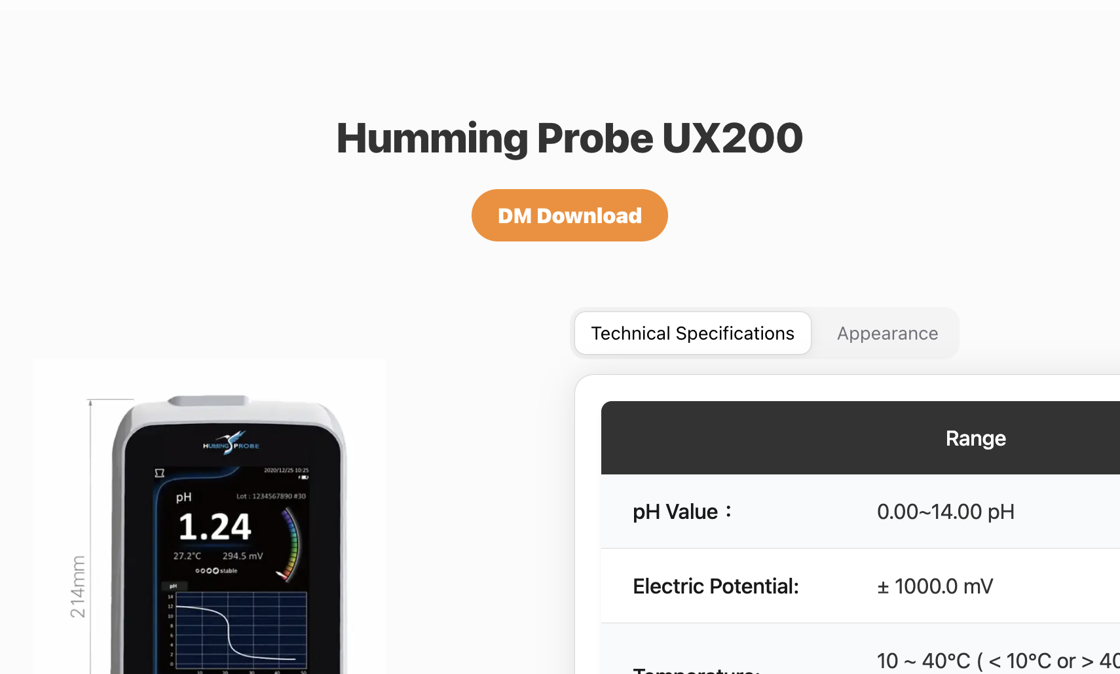

Dm Download | https://www.ultraehp.com/images/DM/UltraE-DM-v2.pdf

元件-Navbar
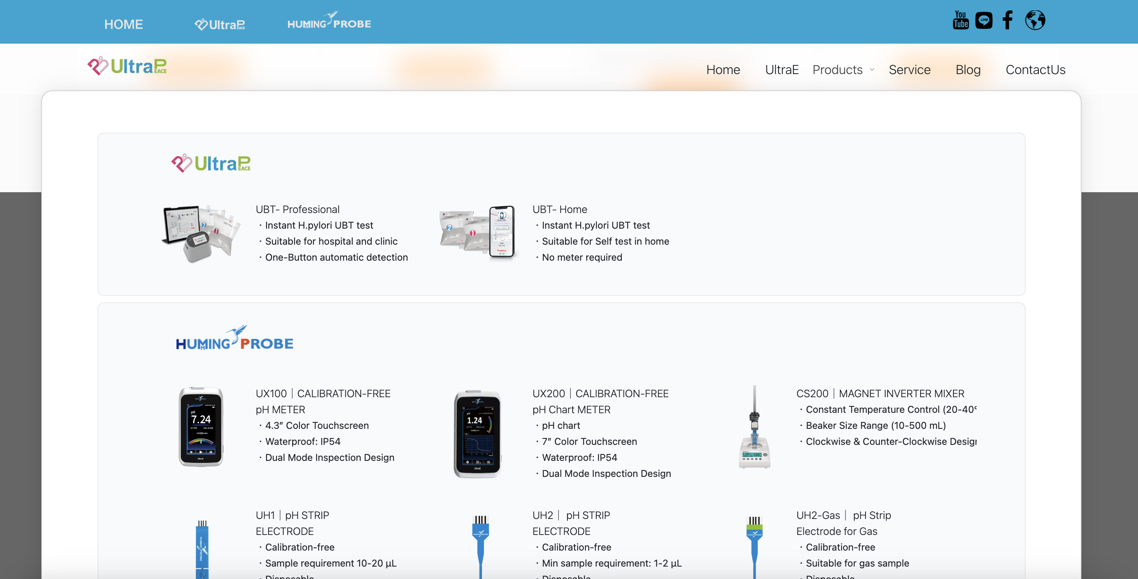

UBT-professional / Home | https://www.ultraehp.com/ultrapeace/en
UX100 | https://www.ultraehp.com/hummingprobe/en/UX100.html
UX200 | https://www.ultraehp.com/hummingprobe/en/UX200.html
UH1 | https://www.ultraehp.com/hummingprobe/en/UH1.html
UH2 | https://www.ultraehp.com/hummingprobe/en/UH2.html
UH2-GAS | https://www.ultraehp.com/hummingprobe/en/UH2-GAS.html
Home | https://www.ultraehp.com/en
UltraE | https://www.ultraehp.com/en/aboutUs.html
SERVICE | https://www.ultraehp.com/en/Download.html
Blog | https://www.ultraehp.com/en/ArticleList.html
ContactUs | https://www.ultraehp.com/en/ContactUs.html

左上角logo - Ultrae | https://www.ultraehp.com/en
左上角logo - hummingprobe | https://www.ultraehp.com/hummingprobe/en
左上角logo - ultrapeace | https://www.ultraehp.com/ultrapeace/en

左上角主頁切換switch - Ultrae | https://www.ultraehp.com/en
左上角主頁切換switch- hummingprobe | https://www.ultraehp.com/hummingprobe/en
左上角主頁切換switch - ultrapeace | https://www.ultraehp.com/ultrapeace/en

元件-Footer


Quick Link- ContactUs | https://www.ultraehp.com/en/ContactUs.html
Quick Link- Download | https://www.ultraehp.com/en/Download.html
Quick Link- Blog | https://www.ultraehp.com/en/ArticleList.html

元件-找到你的蜂鳥探針
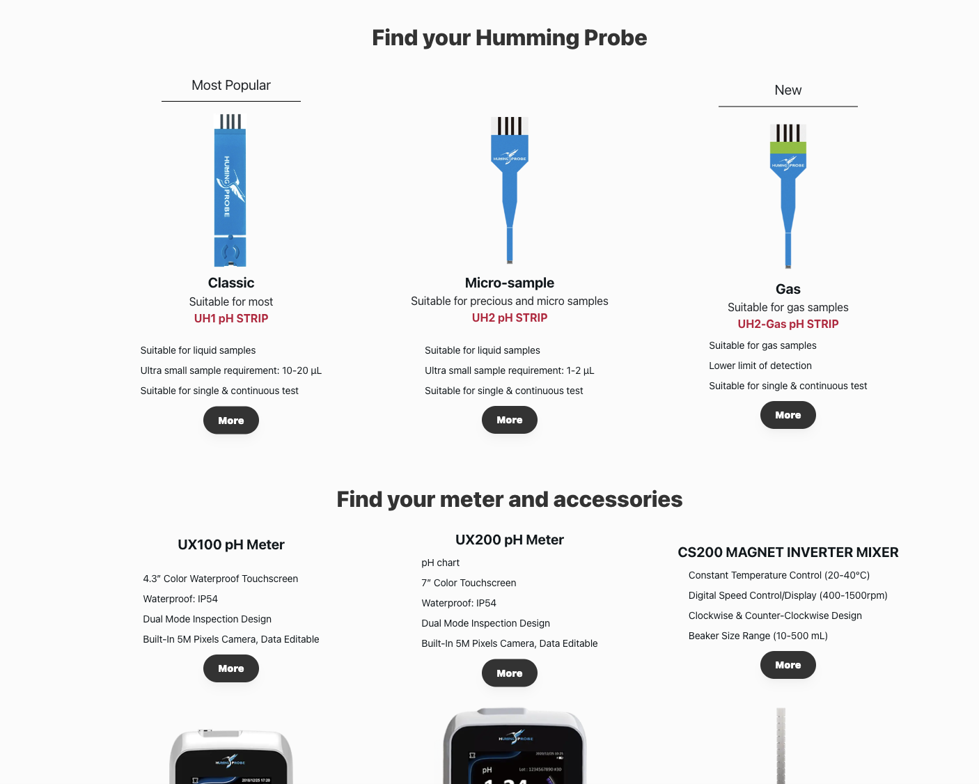

UX100 | https://www.ultraehp.com/hummingprobe/en/UX100.html
UX200 | https://www.ultraehp.com/hummingprobe/en/UX200.html
UH1 | https://www.ultraehp.com/hummingprobe/en/UH1.html
UH2 | https://www.ultraehp.com/hummingprobe/UH2.html
UH2-GAS | https://www.ultraehp.com/hummingprobe/en/UH2-GAS.html
CS200 | https://www.ultraehp.com/hummingprobe/en/CS200.html

元件-others
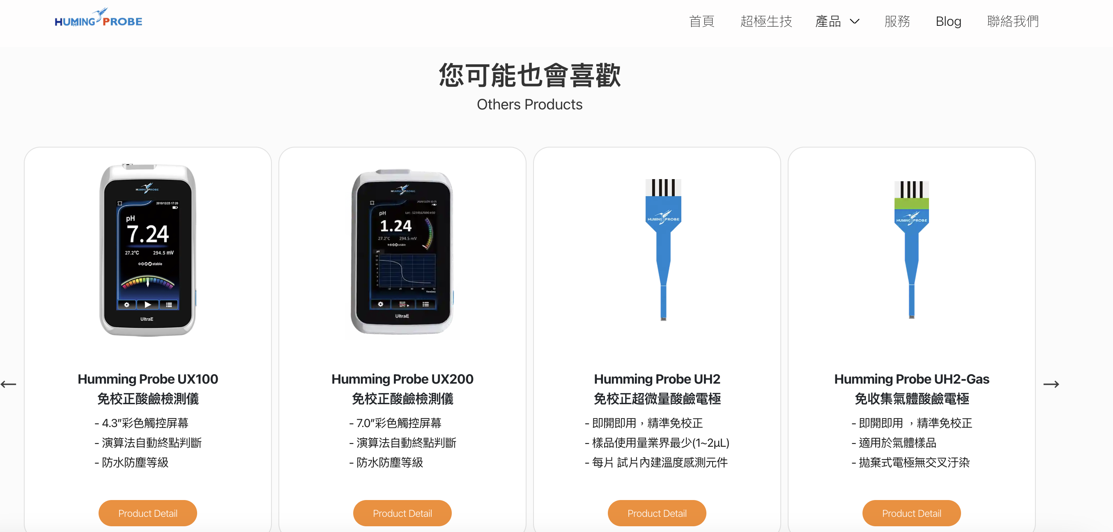

UX100 | https://www.ultraehp.com/hummingprobe/en/UX100.html
UX200 | https://www.ultraehp.com/hummingprobe/en/UX200.html
UH1 | https://www.ultraehp.com/hummingprobe/en/UH1.html
UH2 | https://www.ultraehp.com/hummingprobe/en/UH2.html
UH2-GAS | https://www.ultraehp.com/hummingprobe/en/UH2-GAS.html
CS200 | https://www.ultraehp.com/hummingprobe/en/CS200.html

元件-Navbar(手機)
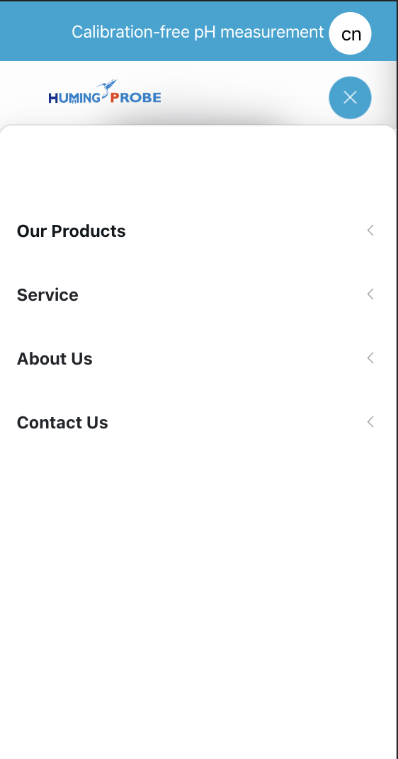

Our Products
UX100 | https://www.ultraehp.com/hummingprobe/en/UX100.html
UX200 | https://www.ultraehp.com/hummingprobe/en/UX200.html
UH1 | https://www.ultraehp.com/hummingprobe/en/UH1.html
UH2 | https://www.ultraehp.com/hummingprobe/en/UH2.html
UH2-GAS | https://www.ultraehp.com/hummingprobe/en/UH2-GAS.html
CS200 | https://www.ultraehp.com/hummingprobe/en/CS200.html
Service
Policy | https://www.ultraehp.com/en/Policy.html
blog | https://www.ultraehp.com/en/ArticleList.html
Download | https://www.ultraehp.com/en/Download.html
About Us | https://www.ultraehp.com/en/aboutUs.html
Contact Us | https://www.ultraehp.com/en/ContactUs.html

左上角logo - Ultrae | https://www.ultraehp.com/en
左上角logo - hummingprobe | https://www.ultraehp.com/hummingprobe/en/
左上角logo - ultrapeace | https://www.ultraehp.com/ultrapeace/en/

