BUG 2
 |  | BUG REPORT
 | title:

PRECONDITION | BROWSER url stranica https://www.srbvoz.rs/red-voznje/

REPRO STEPS | 1 | Into adress bar enter
 | 2 | Verify that Email adrees field is empty
 | 3 | Go to the Email adress field
 | 4 | Insert valid Email adress
 | 5 | Go to the password field
 | 6 | Verify that Email adrees field is empty
 | 7 | Insert valid password
 | 8 | click on button Sign in

ACTUAL RESULT | Message with text "There is 1 error 1. Authentication failed" is very confusing
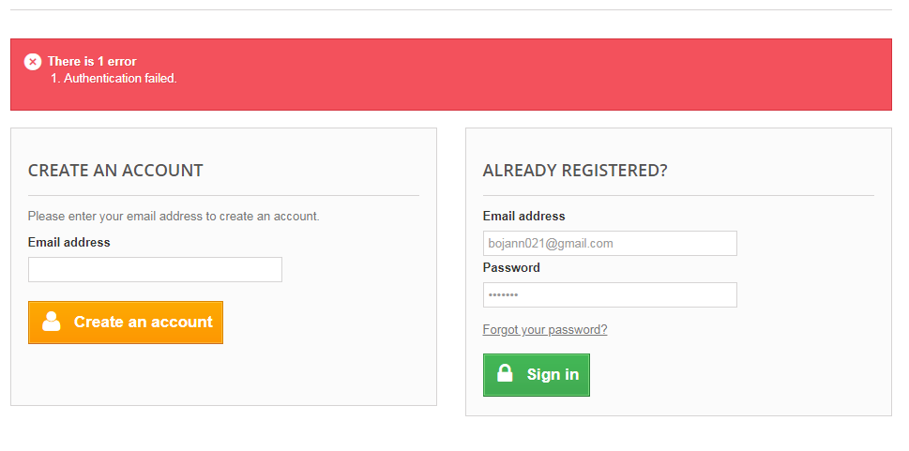

EXPECTED RESULT | Message with text " Wrong password, please try again"

