Sheet1
 |  | Bug Details |  |  |  |  | Environment
Bug ID | Bug Summary | Affects version | URL | Fix version | Bug Priority | Status | Browser | Operating system | Bug Description | Steps to Reproduce | Reported by
OP_1 | Button for sharing on Facebook has no function. It is non-clickable. | 1.0 | https://pehcevo.gov.mk/ | 1.0 | Low | Open | Chrome :Version 79.0.3945.117 (64-bit); Internet Explorer 11, Version 11.1069.17134.0; Microsoft Edge 42.17134.1038.0 | Windows 10 Pro, Version 1803 | Expected result: Visitor should click on Share button. Actual result: Visitor shoudn't click on Share button. The bug is shown on both browsers, Chrome and Internet explorer. | 1. Open www.pehcevo.gov.mk 2. Go to the bottom of the page 3. Try to click on Share on Facebook 4. It is non clickable. | Boban A | 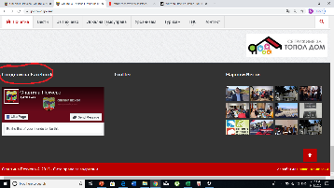
BT_01 | In informations for any capacity Page, picture with logo hide part of the text with informations. |  | https://www.salaboristrajkovski.gov.mk/kapaciteti/mala-sala/mala-sala-info |  | Low | Open | Chrome :Version 79.0.3945.117 (64-bit); Internet Explorer 11, Version 11.1069.17134.0; Microsoft Edge 42.17134.1038.0 | Windows 10 Pro, Version 1804 | Expected result:Text for informations shoud be clear and not hidden with any picture. Actual result: Picture with logo of A1 is hiding some parts of the text. Bug is shown in every single capacity information. Little hall, Pool, Aerobic… The bug is shown on Chrome and Internet explorer browsers. | 1. Open www.salaboristrajkovski.gov.mk 2. Click 'Капацитети' 3. Click any capacity, for example 'Арена А1' 4. Click on 'Информации' 5. Look how A1 logo in Up left corner is hiding part of text. | Boban A | 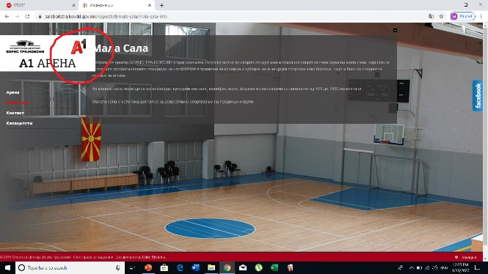
KO_01 | In mobile browser, 'Студентски кредити' page is not shown properly. Some letters is not shown. |  | https://workandtravel.mk/ |  | Low | Open | Chrome: Version 79.0.3945.116(Mobile) Chrome :Version 79.0.3945.117 (64-bit); Internet Explorer 11, Version 11.1069.17134.0 | Android 9; Windows 10 Pro, Version 1804 | Expected result: 'Студентски кредити' page should be shown clear and properly in full. Actual result: 'Студентски кредити' page is not shown properly, part of the text is out of screen. | 1. Open Chrome mobile browser 2. Open www.workandtravel.mk 3. Scroll down to 'Студенстки кредити' part 4. Look at 'Студентски кредити' text | Boban A | 