Sheet1
Regularization | Regularization is a technique used in an attempt to solve the overfitting | effective/ best working conditions | formula

Ridge Regression | adding a level 2 panality parameter for regularisation | have many small/medium sized
LASSO- | adding a level 1 panality parameter for regularisation, removing un effecting variable , setting coefficaient to 0 for not effective variable | have only a few variables with a medium/large
GLASSO-
Elastic Net | Combination of Lasso and ridge |  |  | less fit model is high bias model | bias and varience trade off model is actual fit | high fit model is high variance model
Least Angle Regression

Ensemble | a group of items viewed as a whole rather than individually
Boosting
Bootstrapped Aggregation/bagging
Ada Boost | Adaboost requires users specify a set of weak learners (alternatively, it will randomly generate a set of weak learner before the real learning process). It will learn the weights of how to add these learners to be a strong learner. The weight of each learner is learned by whether it predicts a sample correctly or not. If a learner is mispredict a sample, the weight of the learner is reduced a bit. It will repeat such process until converge.
Stacked Generalization
Gradient Boosting Machines | Gradient boosting generates learners during the learning process. It build first learner to predict the values/labels of samples, and calculate the loss (the difference between the outcome of the first learner and the real value). It will build a second learner to predict the loss after the first step. The step continues to learn the third, forth… until certain threshold. | uses boosting
Gradient Boosted Regression Trees
Random Forests - has performed very well on many competitions |  | uses bagging

Decision Tree
Classificationand Regression Tree
Iterative Dichotomiser 3

Regression
Ordinary Least Squares Regression | you could draw a line, and then for each of the data points, measure the vertical distance between the point and the line, square it, and add these up; the fitted line would be the one where this sum of distances is as small as possible
Linear Regression | 1.you could take the leftmost point and the rightmost point and draw a line between them 2.you could compute the slopes of the lines connecting each pair of points and calculate the average slope, drawing a line with this slope that passes through the point at the average of the "x values" and the average of the "y values" 3.you could find the line for which there are an equal number of points above the line and below the line 4.you could draw a line, and then for each of the data points, measure the vertical distance between the point and the line, and add these up; the fitted line would be the one where this sum of distances is as small as possible 5.you could draw a line, and then for each of the data points, measure the vertical distance between the point and the line, square it, and add these up; the fitted line would be the one where this sum of distances is as small as possible
Logistic Regression | when outcome is of two values
Stepwise Regression | beaking data set into two are more based on der distribution
Multivariate Adaptive Regression Splines | splines in data set
Locally Estimated Scatterplot Smoothing | polonomial curve,

Artificial Neural Network | An artificial neuron network (ANN) is a computational model based on the structure and functions of biological neural networks. Information that flows through the network affects the structure of the ANN because a neural network changes - or learns, in a sense - based on that input and output. ANNs are considered nonlinear statistical data modeling tools where the complex relationships between inputs and outputs are modeled or patterns are found. ANN is also known as a neural network.
Perceptron
Back Propagation
Hopfield Network
Radial Basis Function Network

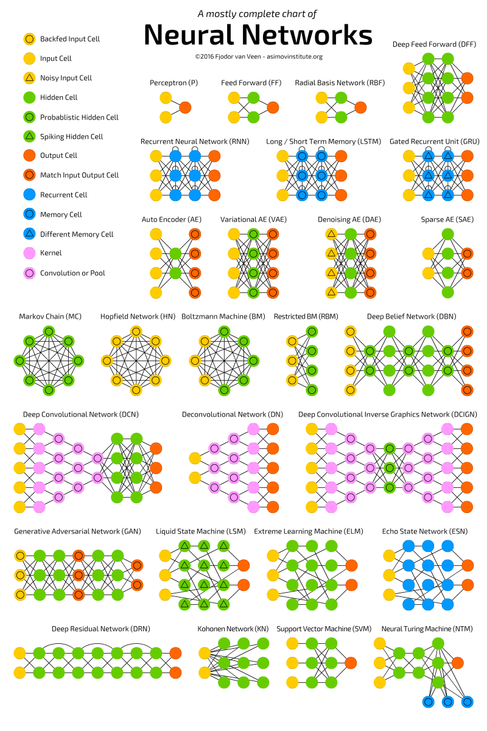
Deep Learning | Deep learning (also known as deep structured learning or hierarchical learning) is the application to learning tasks of artificial neural networks (ANNs) that contain more than one hidden layer. Deep learning architectures such as deep neural networks, deep belief networks and recurrent neural networks have been applied to fields including computer vision, speech recognition, natural language processing, audio recognition, social network filtering, machine translation and bioinformatics where they produced results comparable to and in some cases superior to human experts.[2]
Deep Boltzmann Machine
Deep Belief Networks
CNN
Stacked Auto Encoders

Support Vector Machines
Support Vector Machines

Dimensionality Reduction
Principal Component Analysis
Principal Component Regression
Partial Least Squares Regression
Sammon Mapping
Multidimensional Scaling
Projection Pursuit

Clustering
K Means | Ecludian distance
K Medians
Expectation Maximisation
Hierarchical Clstering

Instance-based Algorithms
K Nearest Neighbor
Learning Vector Quantization
Self Organizing Map
Locally Weighted Learning

Bayesian
Naive Bayes
Gaussian Naive Bayes
Multinomial Naive Bayes
Averaged One Dependence Estimators
Self Organizing Map
Bayesian Belief Network
Bayesian Network

Association Rule Learning Algorithms
Apriori Algorithm
Eclat Algorithm

Graphical Models
Bayesian Network
Markov Random Field
Chain Graphs
Ancestral Graph

