HOLD2
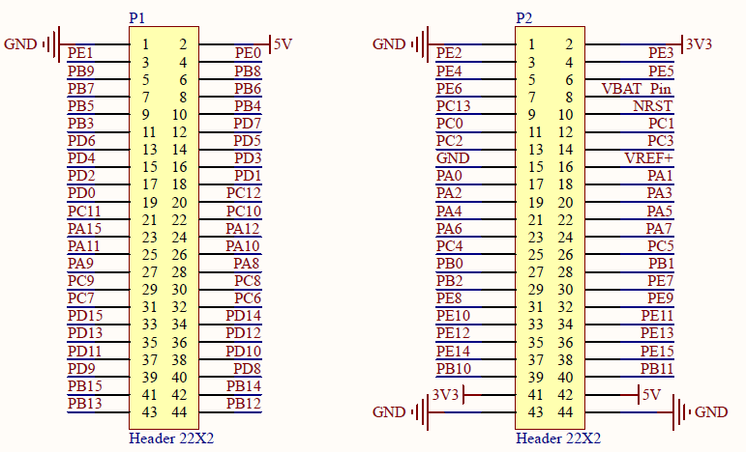
 | P1 |  | P2

 | GND | 5V | GND | 3V3
 | PE1 | PE0 | PE2 | PE3
 | PB9 | PB8 | PE4 | PE5
 | PB7 | PB6 | PE6 | VBAT
 | PB5 | PB4 | PC13 | NRST
 | PB3 | PD7 | PC0 | PC1
 | PD6 | PD5 | PC2 | PC3
 | PD4 | PD3 | GND | VREF
 | PD2 | PD1 | PA0 | PA1
 | PD0 | PC12 | PA2 | PA3
 | PC11 | PC10 | PA4 | PA5
 | PA15 | PA12 | PA6 | PA7
 | PA11 | PA10 | PC4 | PC5
 | PA9 | PA8 | PB0 | PB1
 | PC9 | PC8 | PB2 | PE7
 | PC7 | PC6 | PE8 | PE9
 | PD15 | PD14 | PE10 | PE11
 | PD13 | PD12 | PE12 | PE13
 | PD11 | PD10 | PE14 | PE15
 | PD9 | PD8 | PB10 | PB11
 | PB15 | PB14 | 3V3 | 5V
 | PB13 | PB12 | GND | GND

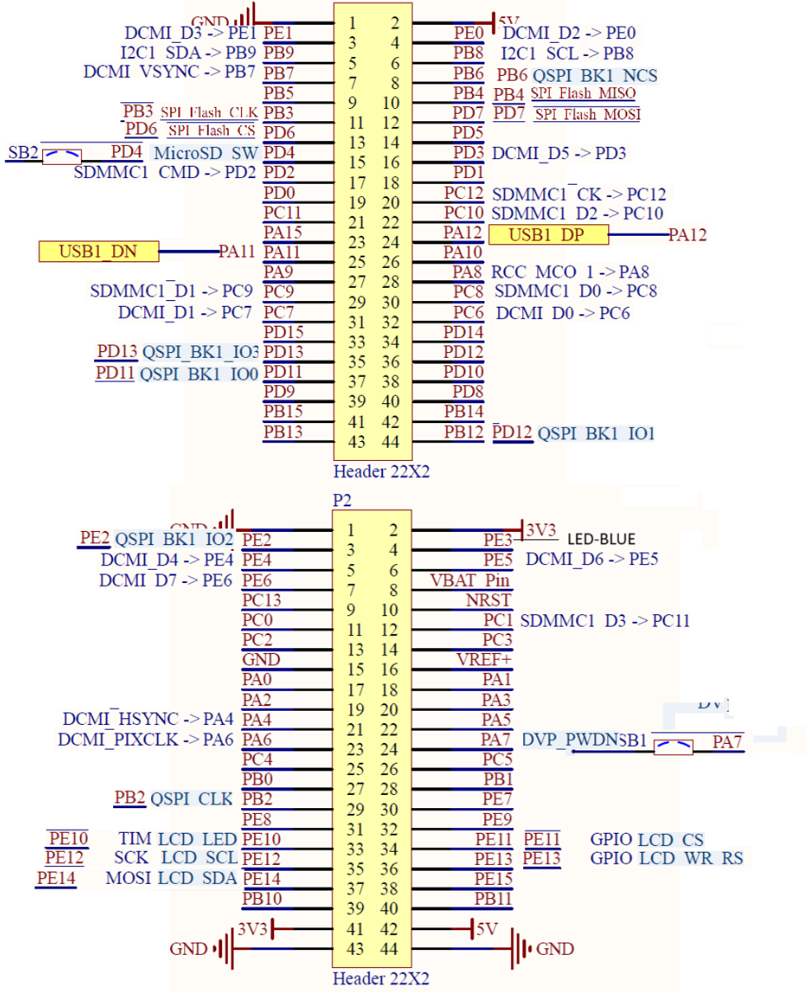

WeActStudio
STM32H7xx Core Board
STM32H743VIT6 2048KB ROM, 1MB RAM
https://github.com/WeActStudio/MiniSTM32H7xx

* MicroSD
PC8 SDMMC1_D0
PC9 SDMMC1_D1
PC10 SDMMC1_D2
PC11 SDMMC1_D3
PC12 SDMMC1_CK
PD2 SDMMC1_CMD
PD4 MicroSD_SW (switch)

*USB
PA11 USB1_DN
PA12 USB1_DP

*SW Debug
PA13 SWDIO
PA14 SWCLK

*TFT-LCD
PE14 LCD_SDA MOSI
PE13 LCD_WR_RS GPIO
PE12 LCD_SCL SCK
PE11 LCD_CS GPIO
PE10 LCD_LED | TIM
LCD_RESET LCD_RESET -NRST Switch

*QSPI Default Flash:W25Q64 64MBit 8MB (U7)
PD13 QSPI_BK1_IO3
PE2 QSPI_BK1_IO2
PD12 QSPI_BK1_IO1
PD11 QSPI_BK1_IO0
PB2 QSPI_CLK
PB6 QSPI_BK1_NCS

*SPI Default Flash:W25Q64 64MBit 8MB (U8)
PB4 SPI_Flash_MISO
PD7 SPI_Flash_MOSI
PB3 SPI_Flash_CLK
PD6 SPI_Flash_CS

*CAMERA DCMI DVP_RST DVP_RST (---Free to Use---)
PC6 DCMI_D0
PC7 DCMI_D1
PE0 DCMI_D2
PE1 DCMI_D3
PE4 DCMI_D4
PD3 DCMI_D5
PE5 DCMI_D6
PE6 DCMI_D7
PB7 DCMI_VSYNC
PA4 DCMI_HSYNC
PA6 DCMI_PIXCLK
PA8 RCC_MCO_1
PB8 I2C1_SCL
PB9 I2C1_SDA
PA7 DVP_PWDN (switch)

*
PE3 Blue LED

