GPIO
 |  | connected to header on dev board but not used
PA0 | PA0 TIM5_CH1 TIM5 PWM(1) GPIO(50)
PA1 | PA1 USART2_RTS USART2
PA10 | PA10 USART1_RX USART1
PA11 | *PA11 USB1_DN *
PA12 | *PA12 USB1_DP *
PA15 | PA15 TIM2_CH1 TIM2 GPIO(32) ALARM
PA2 | PA2 USART2_TX USART2
PA3 | PA3 USART2_RX USART2
PA4 | PA4 ICM20948_CS CS | *PA4 DCMI_HSYNC *
PA5 | PA5 SPI6_SCK SPI6
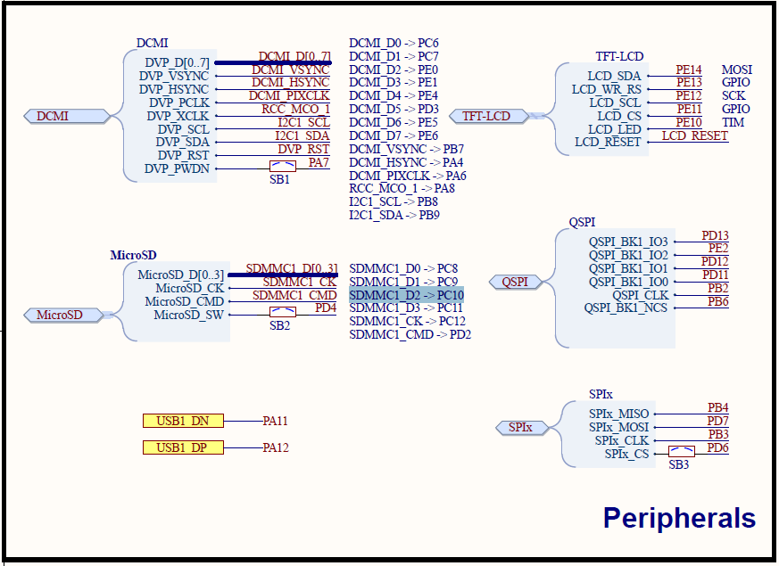
PA6 | PA6 SPI6_MISO SPI6 | *PA6 DCMI_PIXCLK *
PA7 | PA7 SPI6_MOSI SPI6 | *PA7 DVP_PWDN (switch)*
PA8 | PA8 TIM1_CH1 TIM1 PWM(2) GPIO(51) | *PA8 RCC_MCO_1 *
PA9 | PA9 USART1_TX USART1
PB0 | PB0 TIM3_CH3 TIM3 PWM(3) GPIO(52)
PB1 | PB1 TIM1_CH3N TIM1 PWM(4) GPIO(53)
PB10 | PB10 I2C2_SCL I2C2
PB11 | PB11 I2C2_SDA I2C2
PB12 | PB12 LED_RED OUTPUT LOW GPIO(0)
PB13 | PB13 SPI2_SCK SPI2
PB14 | PB14 TIM1_CH2N TIM1 PWM(6) GPIO(55)
PB15 | PB15 TIM8_CH3N TIM8 PWM(7) GPIO(56)
PB2 | *PB2 QSPI_CLK *
PB3 | *PB3 SPI_Flash_CLK *
PB4 | *PB4 SPI_Flash_MISO *
PB5 | PB5 TIM3_CH2 TIM3 PWM(5) GPIO(54)
PB6 | *PB6 QSPI_BK1_NCS *
PB7 | PB7 DRDY1_RM3100 INPUT | *PB7 DCMI_VSYNC *
PB8 | PB8 I2C1_SCL I2C1 | *PB8 I2C1_SCL *
PB9 | PB9 I2C1_SDA I2C1 | *PB9 I2C1_SDA *
PC0 | PC0 BATT_VOLTAGE_SENS ADC1 SCALE(1)
PC1 | PC1 BATT_CURRENT_SENS ADC1 SCALE(1)
PC10 | *PC10 SDMMC1_D2*
PC11 | *PC11 SDMMC1_D3 *
PC12 | *PC12 SDMMC1_CK *
PC13 | PC13 DRDY3_ICM20948 INPUT
PC2 | PC2 SPI2_MISO SPI2
PC3 | PC3 SPI2_MOSI SPI2
PC4 | PC4 MPU9250_CS CS
PC5 | PC5 DRDY2_MPU9250 INPUT
PC6 | PC6 TIM8_CH1 TIM8 PWM(8) GPIO(57) | *PC6 DCMI_D0 *
PC7 | PC7 TIM8_CH2 TIM8 PWM(9) GPIO(58) | *PC7 DCMI_D1 *
PC8 | *PC8 SDMMC1_D0*
PC9 | *PC9 SDMMC1_D1*
PD0 | PD0 UART4_RX UART4
PD1 | PD1 UART4_TX UART4
PD10 | PD10 LED_GREEN OUTPUT LOW GPIO(1)
PD11 | *PD11 QSPI_BK1_IO0 *
PD12 | *PD12 QSPI_BK1_IO1 *
PD13 | *PD13 QSPI_BK1_IO3 *
PD14 | PD14 TIM4_CH3 TIM4 PWM(10) GPIO(59)
PD15 | PD15 TIM4_CH4 TIM4 PWM(11) GPIO(60)
PD2 | *PD2 SDMMC1_CMD*
PD3 | PD3 USART2_CTS USART2 | *PD3 DCMI_D5 *
PD4 | *PD4 MicroSD_SW*
PD5 | PD5 LED_BLUE OUTPUT LOW GPIO(2)
PD6 | *PD6 SPI_Flash_CS *
PD7 | *PD7 SPI_Flash_MOSI *
PD8 | PD8 USART3_TX USART3
PD9 | PD9 USART3_RX USART3
PE0 | PE1 UART8_TX UART8 | *PE0 DCMI_D2 *
PE1 | PE0 UART8_RX UART8 | *PE1 DCMI_D3 *
PE10 | *PE10 LCD_LED TIM*
PE11 | *PE11 LCD_CS GPIO*
PE12 | *PE12 LCD_SCL SCK*
PE13 | *PE13 LCD_WR_RS GPIO*
PE14 | *PE14 LCD_SDA MOSI*
PE15 | PE15 IN1 INPUT
PE2 | *PE2 QSPI_BK1_IO2 *
PE3 | *LED BLUE*
PE4 | PE4 OPEN_CS SPI4 | *PE4 DCMI_D4 *
PE5 | PE5 SPI4_MISO SPI4 | *PE5 DCMI_D6 *
PE6 | PE6 TIM15_CH2 TIM15 PWM(12) GPIO(61) | *PE6 DCMI_D7 *
PE7 | PE7 UART7_RX UART7
PE8 | PE8 UART7_TX UART7
PE9 | PE9 IN2 INPUT

 | PA13 SWDIO
 | PA14 SWCLK

HOLD2
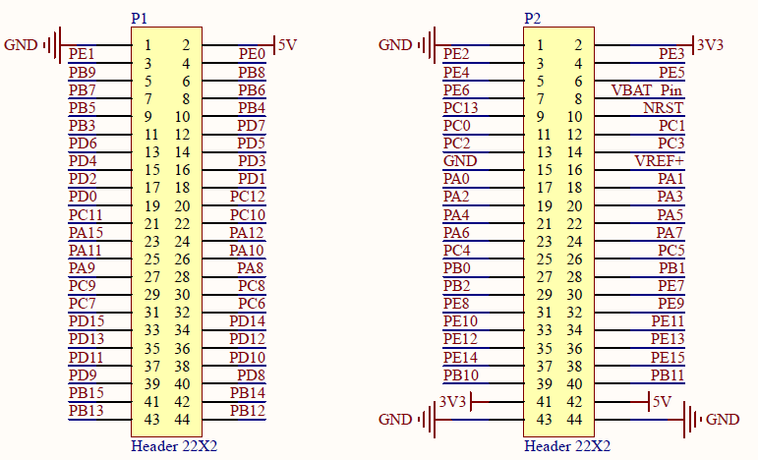
 | P1 |  | P2

 | GND | 5V | GND | 3V3
 | PE1 | PE0 | PE2 | PE3
 | PB9 | PB8 | PE4 | PE5
 | PB7 | PB6 | PE6 | VBAT
 | PB5 | PB4 | PC13 | NRST
 | PB3 | PD7 | PC0 | PC1
 | PD6 | PD5 | PC2 | PC3
 | PD4 | PD3 | GND | VREF
 | PD2 | PD1 | PA0 | PA1
 | PD0 | PC12 | PA2 | PA3
 | PC11 | PC10 | PA4 | PA5
 | PA15 | PA12 | PA6 | PA7
 | PA11 | PA10 | PC4 | PC5
 | PA9 | PA8 | PB0 | PB1
 | PC9 | PC8 | PB2 | PE7
 | PC7 | PC6 | PE8 | PE9
 | PD15 | PD14 | PE10 | PE11
 | PD13 | PD12 | PE12 | PE13
 | PD11 | PD10 | PE14 | PE15
 | PD9 | PD8 | PB10 | PB11
 | PB15 | PB14 | 3V3 | 5V
 | PB13 | PB12 | GND | GND

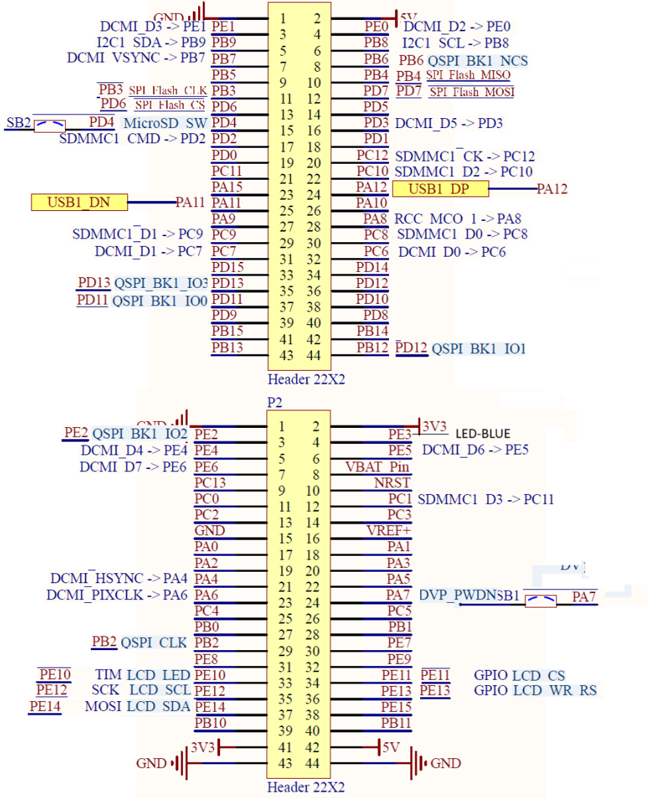

WeActStudio
STM32H7xx Core Board
STM32H743VIT6 2048KB ROM, 1MB RAM
https://github.com/WeActStudio/MiniSTM32H7xx

* MicroSD
PC8 SDMMC1_D0
PC9 SDMMC1_D1
PC10 SDMMC1_D2
PC11 SDMMC1_D3
PC12 SDMMC1_CK
PD2 SDMMC1_CMD
PD4 MicroSD_SW (switch)

*USB
PA11 USB1_DN
PA12 USB1_DP

*SW Debug
PA13 SWDIO
PA14 SWCLK

*TFT-LCD
PE14 LCD_SDA MOSI
PE13 LCD_WR_RS GPIO
PE12 LCD_SCL SCK
PE11 LCD_CS GPIO
PE10 LCD_LED | TIM
LCD_RESET LCD_RESET -NRST Switch

*QSPI Default Flash:W25Q64 64MBit 8MB (U7)
PD13 QSPI_BK1_IO3
PE2 QSPI_BK1_IO2
PD12 QSPI_BK1_IO1
PD11 QSPI_BK1_IO0
PB2 QSPI_CLK
PB6 QSPI_BK1_NCS

*SPI Default Flash:W25Q64 64MBit 8MB (U8)
PB4 SPI_Flash_MISO
PD7 SPI_Flash_MOSI
PB3 SPI_Flash_CLK
PD6 SPI_Flash_CS

*CAMERA DCMI DVP_RST DVP_RST (---Free to Use---)
PC6 DCMI_D0
PC7 DCMI_D1
PE0 DCMI_D2
PE1 DCMI_D3
PE4 DCMI_D4
PD3 DCMI_D5
PE5 DCMI_D6
PE6 DCMI_D7
PB7 DCMI_VSYNC
PA4 DCMI_HSYNC
PA6 DCMI_PIXCLK
PA8 RCC_MCO_1
PB8 I2C1_SCL
PB9 I2C1_SDA
PA7 DVP_PWDN (switch)

*
PE3 Blue LED

