Calculations
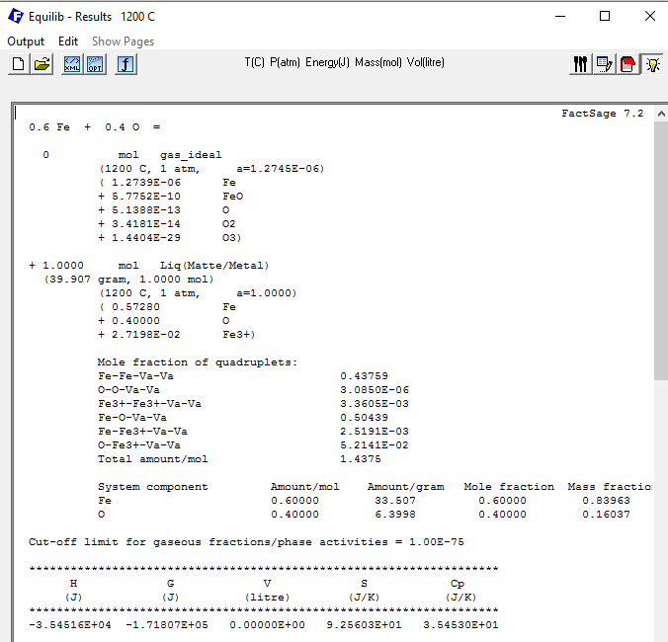
SEE NEXT PAGE FOR SCREENSHOTS OF FACTSAGE INPUTS
I’VE TRIPLE CHECKED THEM WITH THE VALUES IN THE PAPER

FACTSAGE INPUT
T | 1473.15 |  | R | 8.31446

Pair proportions (X_ij)
 | Fe | O | FeIII
Fe | 4.37590E-01 | 5.04390E-01 | 2.51910E-03
O | 0.00000E+00 | 3.08500E-06 | 5.21410E-02 |  | Total pairs
FeIII | 0.00000E+00 | 0.00000E+00 | 3.36050E-03 |  | 1.4375

Zij |  |  |  |  | ksi_ij
m n→ | Fe | O | FeIII |  |  | 1 2 → | Fe | O | FeIII
Fe | 6 | 2 | 6 |  |  | Fe | 0 | 0.7217351 | 0.69104455
O | 2 | 6 | 2 |  |  | O | 2.78E-01 | 0 | 0.278268585
FeIII | 6 | 3 | 6 |  |  | FeIII | 0.03069055 | 0.7217351 | 0

Number of pairs (n_ij) |  |  |  |  | chi_ij
 | Fe | O | FeIII |  |  | 1 2 → | Fe | O | FeIII
Fe | 0.629035625 | 0.725060625 | 0.00362120625 |  |  | Fe | 0 | 0.4434696 | 0.98674181951
O |  | 4.4346875E-06 | 0.0749526875 |  |  | O | 3.09E-06 | 0 | 3.09E-06
FeIII |  |  | 0.00483071875 | 1.4375052972 | GOOD | FeIII | 0.0075777460281 | 0.4434696 | 0

 | FeII | O | FeIII | Total
n_i | 0.57281238854 | 0.40000813448 | 0.027198003125 | 1.0000185261 |  | Composition
X_i | 0.57280177673 | 0.40000072401 | 0.02719749926 | 1 |  | Fe | O
Y_i | 0.69104455 | 0.278268585 | 0.03069055 | 1.000003685 |  | 0.60001039167 | 0.40000813448 | GOOD

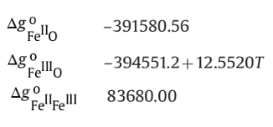
DeltaG^0_ij
 | FeII | O | FeIII
Fe |  | -391580.56 | 83680
O |  |  | -376060.2212
FeIII

DeltaG^1_ij
 | FeII | O | FeIII
Fe |  | 37735.75955 | -9539.4633615
O |  |  | 16456.951143
FeIII

Gexcess_ij
 | FeII | O | FeIII
Fe |  | -128279.46608 | 134.23908733
O |  |  | -13476.615762
FeIII

 | FeII | O | FeIII
G0 | -75967.132491 | 55964.303631 | -69691.132491 |  | ← these numbers valid only between 298 and 1811 K

 | ideal | ii pairs | ij pairs |  | Total Sconf
Sconf | 6.5163893789 | 0.40624433249 | -2.2452027909 |  | 4.6774309205

 | mech | conf | excess |  | Total
Gibbs | -23024.197559 | -6890.5573605 | -141621.84276 |  | -171536.59768 | J/mol
 |  |  | FACTSAGE output |  | -171807 | J/mol
 |  |  |  | DIFF | -270.40232161 | J/mol

FactSage Screenshots
