Sheet1
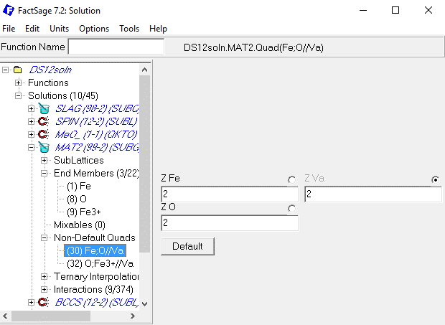
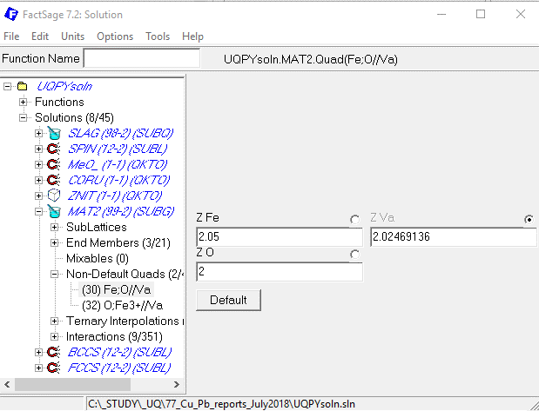

Fe-O paper NEW!!!
OLD!!!

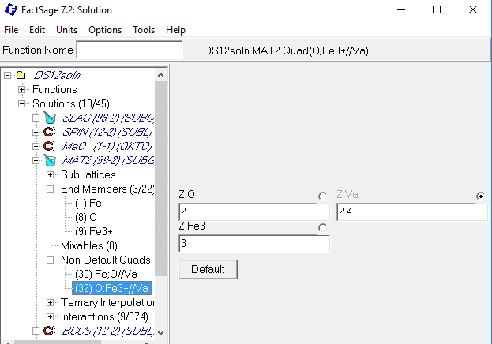
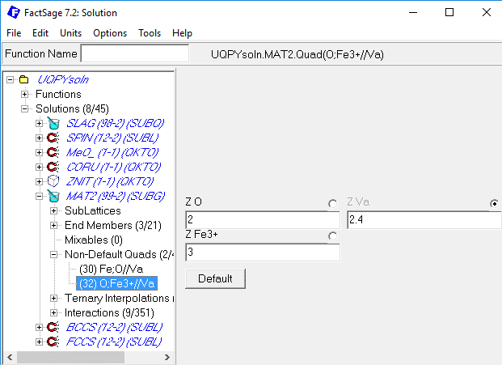

OLD!!!
Fe-O paper NEW!!!

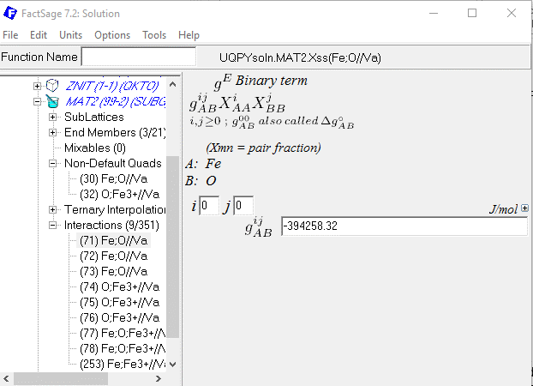
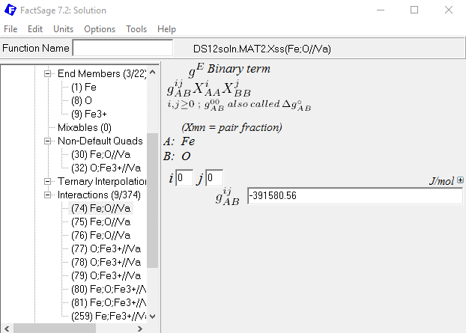

OLD!!!
Fe-O paper NEW!!!

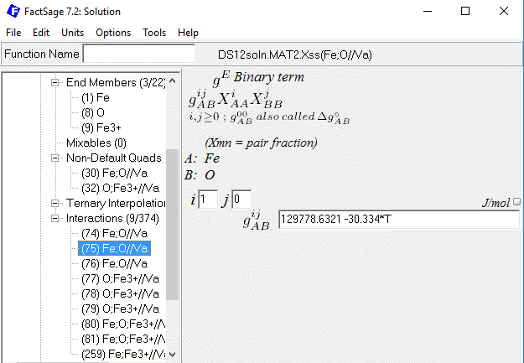
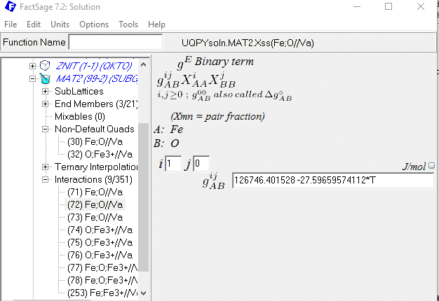

Fe-O paper NEW!!!
OLD!!!

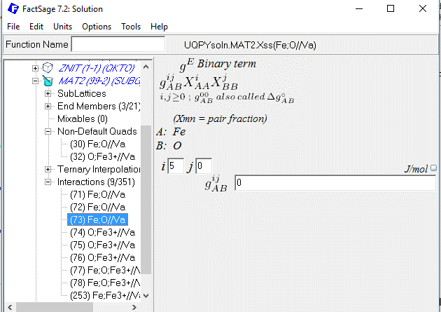
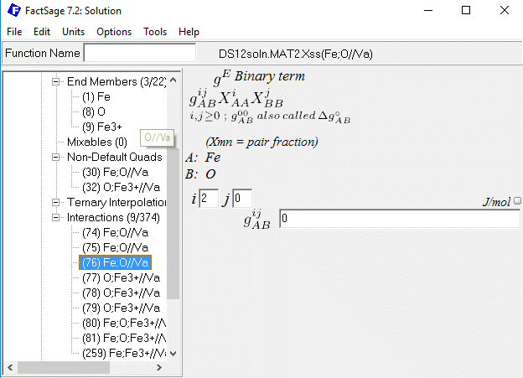

Fe-O paper NEW!!!

OLD!!!

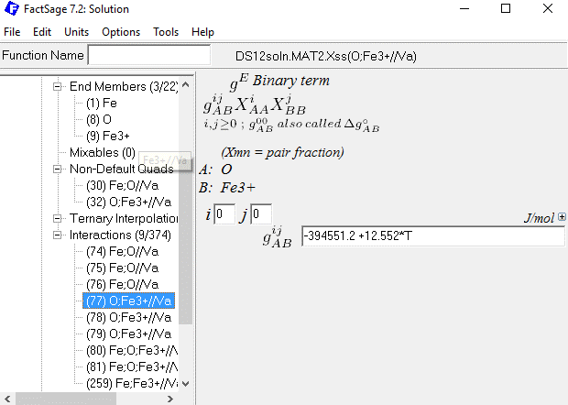
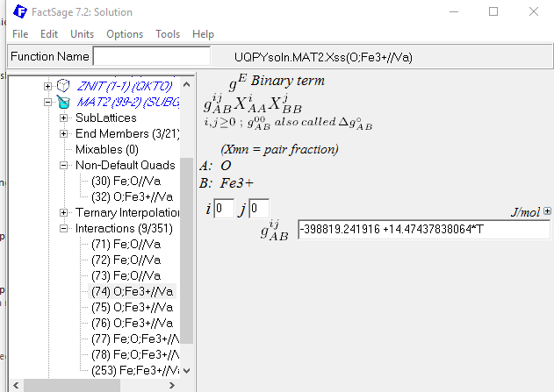

Fe-O paper NEW!!!

OLD!!!

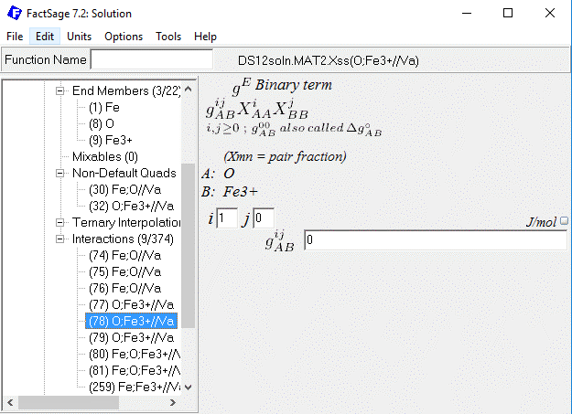
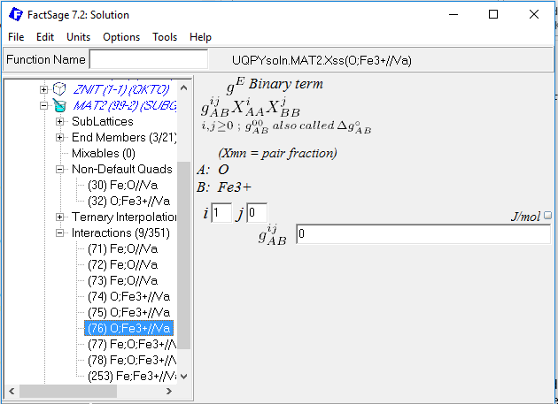
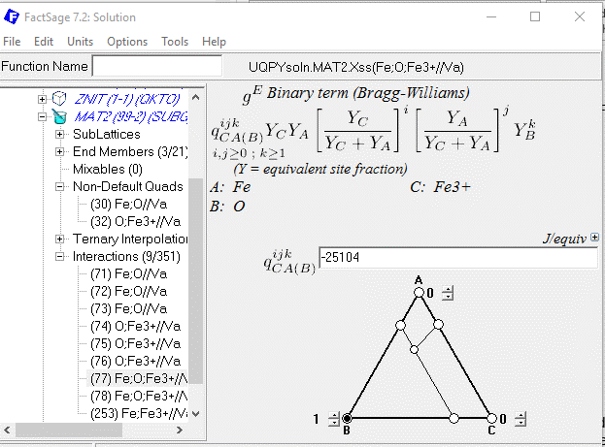

Fe-O paper NEW!!!

OLD!!!

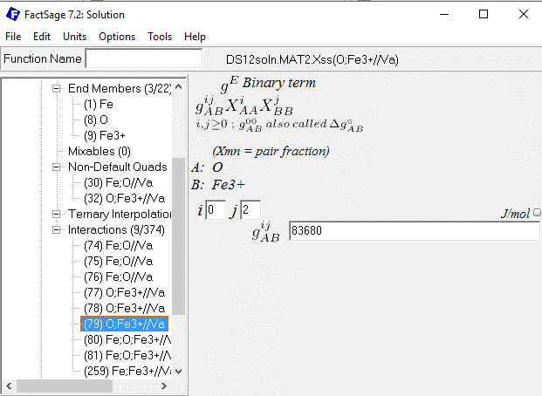

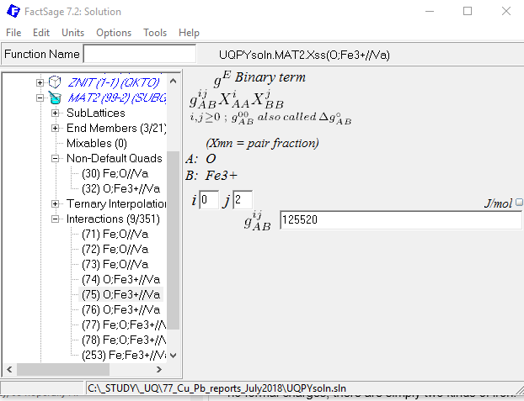

Fe-O paper NEW!!!
OLD!!!

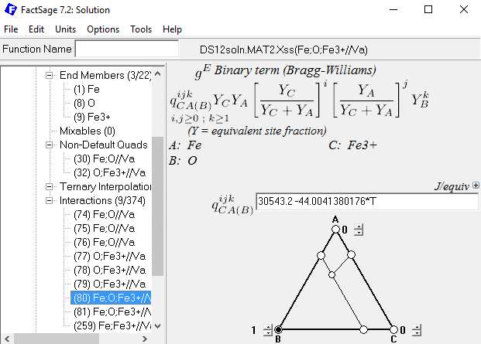

Fe-O paper NEW!!!

OLD!!!

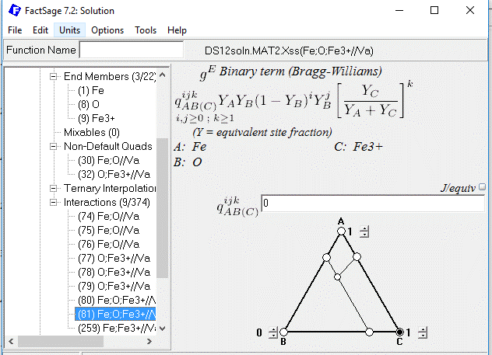
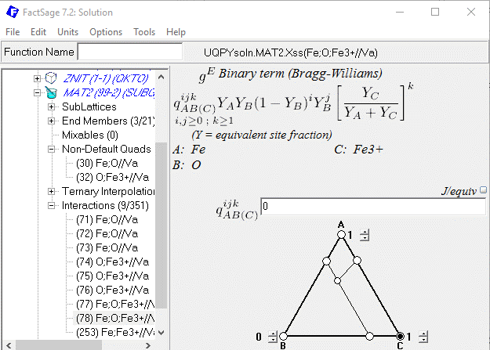

Fe-O paper NEW!!!

OLD!!!

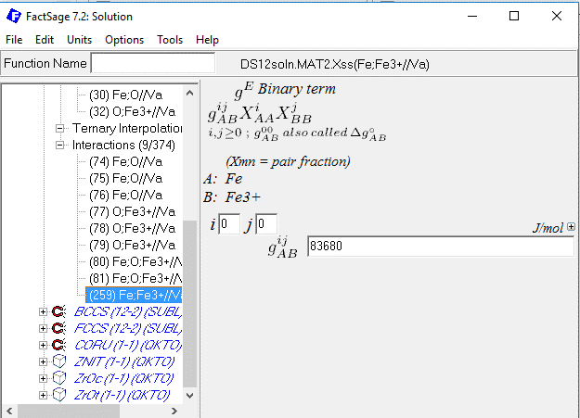
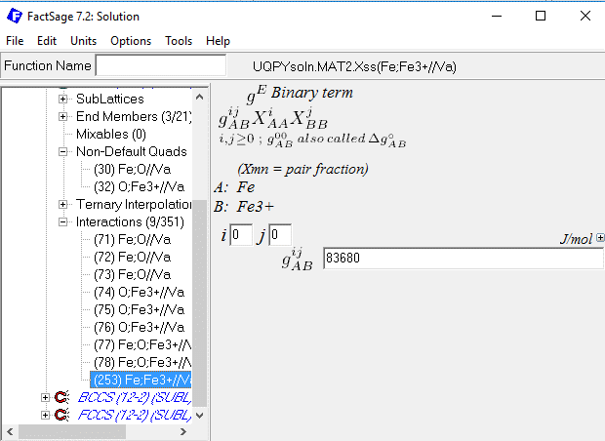

Fe-O paper NEW!!!
OLD!!!

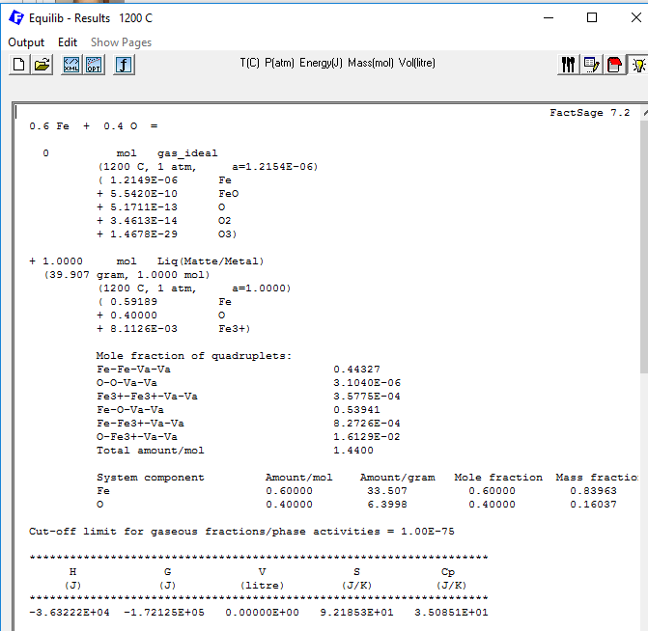
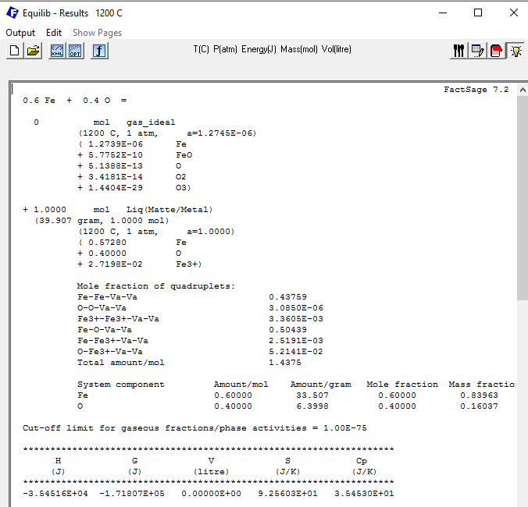

OLD!!!
Fe-O paper NEW!!!

 |  | 0.5728 | Fe |  | 0.59189 | Fe
 | + | 0.4 | O | + | 0.4 | O
 | + | 2.72E-02 | Fe3+ | + | 8.11E-03 | Fe3+)

Fe-Fe-Va-Va |  | 0.43759 |  | Fe-Fe-Va-Va |  | 0.44327
O-O-Va-Va |  | 3.09E-06 |  | O-O-Va-Va |  | 3.10E-06
Fe3+-Fe3+-Va-Va |  | 3.36E-03 |  | Fe3+-Fe3+-Va-Va |  | 3.58E-04
Fe-O-Va-Va |  | 0.50439 |  | Fe-O-Va-Va |  | 0.53941
Fe-Fe3+-Va-Va |  | 2.52E-03 |  | Fe-Fe3+-Va-Va |  | 8.27E-04
O-Fe3+-Va-Va |  | 5.21E-02 |  | O-Fe3+-Va-Va |  | 1.61E-02
Total amount/mol |  | 1.4375 |  | Total amount/mol |  | 1.44

Z | 6 |  |  | Z | 6
Z | 2 |  |  | Z | 2.05
Z | 6 |  |  | Z | 6

nFeII | 0.5728 |  |  | nFeII | 0.59187

